Dashboard
Building Agentic AI Challenge - Day 6 Dashboard

LLM/API refinement, trustworthy-agent controls, and Day 7 readiness | Log date: 2026-09-12
Update blue-text cells with owners, dates, statuses, results, and evidence links. Formula cells update automatically.

Day 6 task completion |  | Security controls complete |  | Test pass rate |  | Day 7 readiness |  | Open High/Critical issues

Day 6 Completion by Workstream |  |  |  |  |  |  | Day 6 Task Status Counts
Workstream | Total | Done | In Progress | Blocked | Completion |  | Status | Count
Final Model Tuning |  |  |  |  |  |  | Not Started
Prompt Optimization |  |  |  |  |  |  | In Progress
Handling Edge Cases |  |  |  |  |  |  | Blocked
Performance Tuning |  |  |  |  |  |  | Done
Error Handling and Debugging |  |  |  |  |  |  | Needs User Content
Final UX Enhancements

Completion by Workstream
Task Status Mix

Current Package Notes
- Included: GitHub-ready folder structure, progress workbook, report template/PDF, security checklist, test plan, Day 6 slide images, and repository preflight script.
- Still required from the project owner: application files, actual test measurements, GitHub remote URL, demo video, project-specific PDFs, and evidence links.
- ModelScan is relevant only when loading external serialized model artifacts; it does not replace runtime prompt, output, or tool authorization controls.

Day 6 Visuals
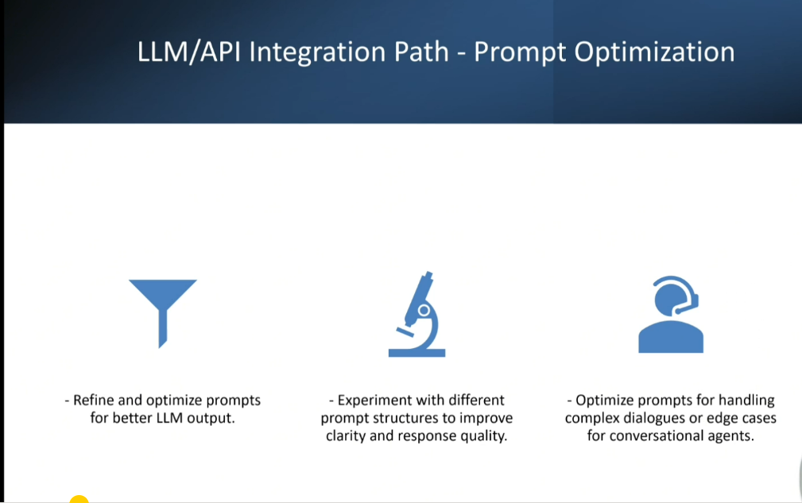
Day 6 Visual Reference

Supplied slide images embedded for easy review. Original files are also included in the repository assets folder.
Back to Dashboard

1. Day 6 Deliverables
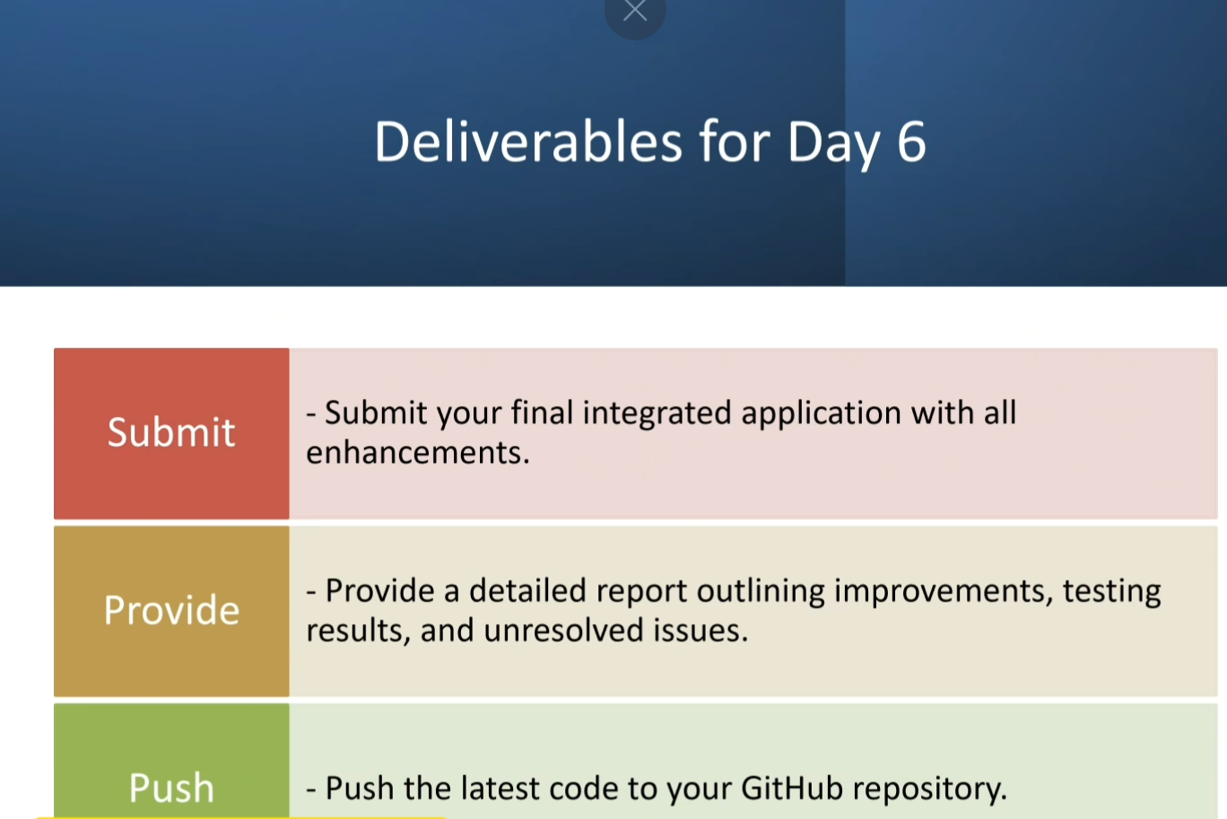

2. Model Building Path - Final Model Tuning
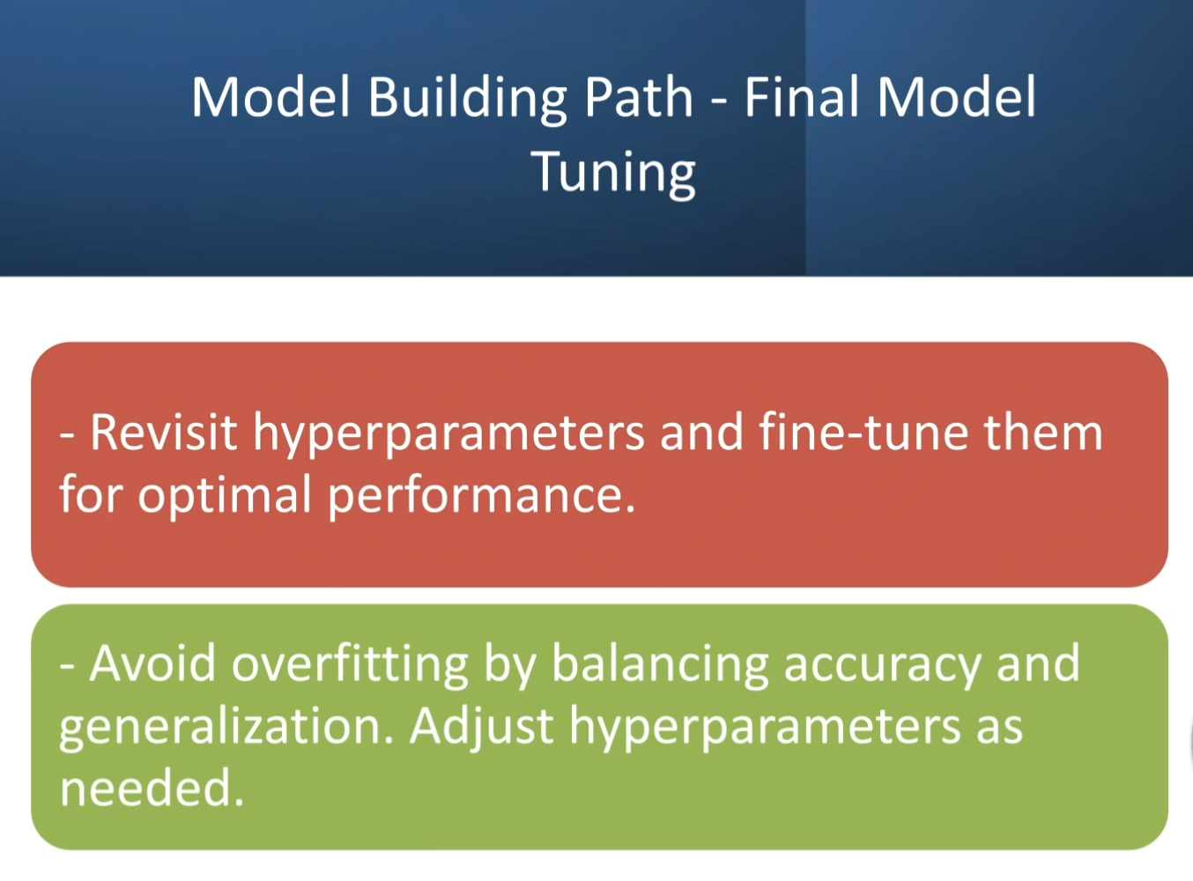

3. LLM/API Integration Path - Final UX Enhancements
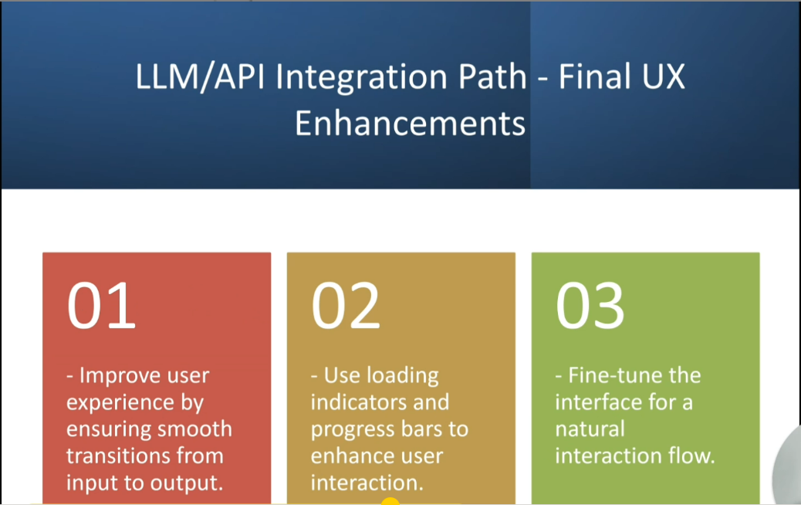

4. LLM/API Integration Path - Error Handling and Debugging
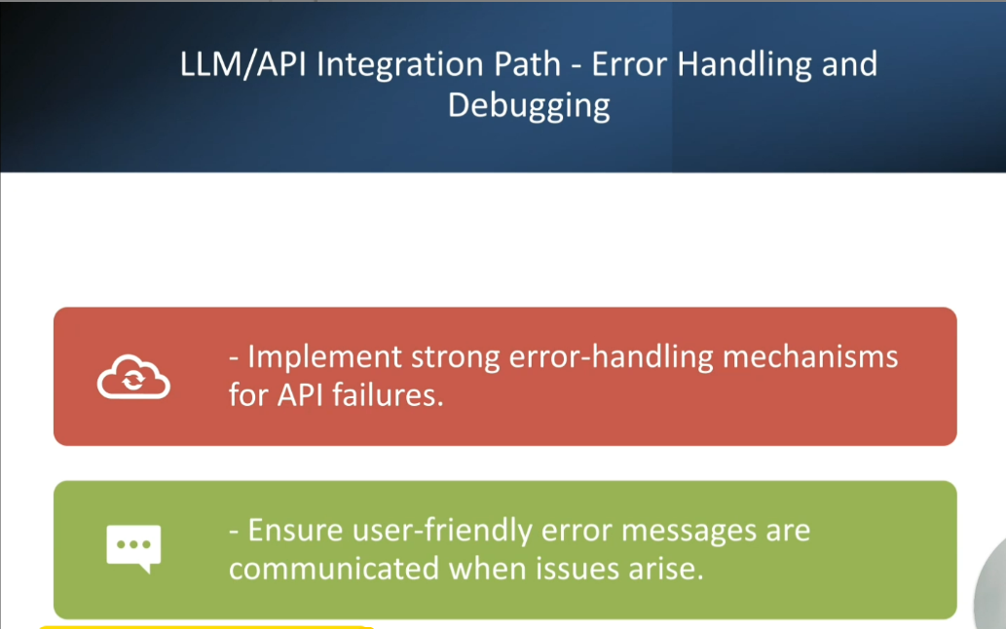

5. LLM/API Integration Path - Performance Tuning
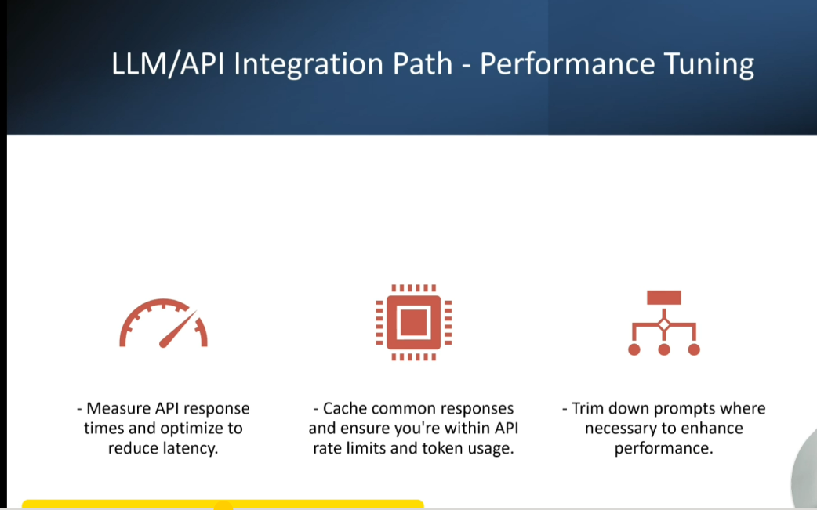

6. LLM/API Integration Path - Handling Edge Cases
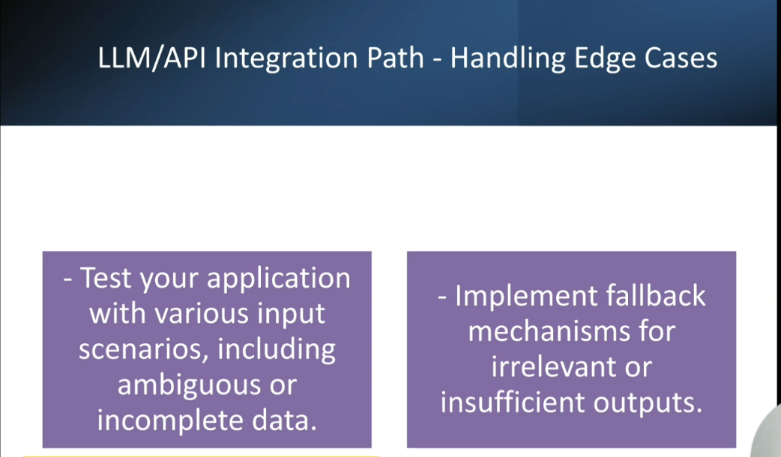

7. LLM/API Integration Path - Prompt Optimization

