Data Timeseries
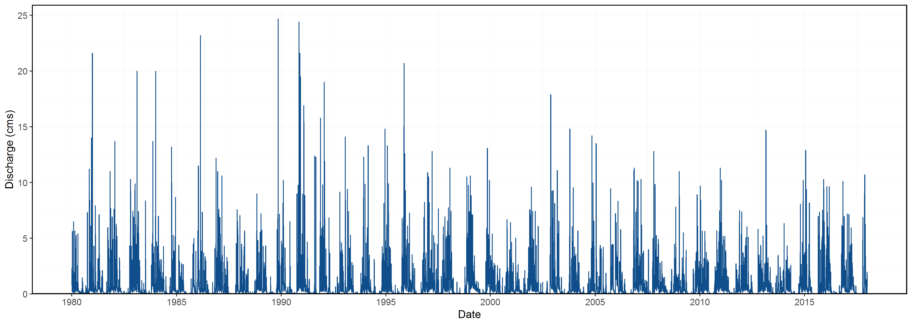
STATION_NUMBER | Date | Value | CalendarYear | Month | MonthName | DayofYear | Q3Day | Q7Day | Q30Day | Basin_Area_sqkm
08HB048 | 1980-01-01 | 2.0699999332 | 1980 | 1 | Jan | 1 | 1.6636666854 | 1.6582857115 | 2.4735999882 | 10.300000191
08HB048 | 1980-01-02 | 2.2999999523 | 1980 | 1 | Jan | 2 | 2.2566666603 | 1.544000004 | 2.5109333217 | 10.300000191
08HB048 | 1980-01-03 | 1.7899999619 | 1980 | 1 | Jan | 3 | 2.0533332825 | 1.5297142863 | 2.4992666503 | 10.300000191
08HB048 | 1980-01-04 | 0.7979999781 | 1980 | 1 | Jan | 4 | 1.6293332974 | 1.5175714237 | 2.4921999832 | 10.300000191
08HB048 | 1980-01-05 | 0.4869999886 | 1980 | 1 | Jan | 5 | 1.0249999762 | 1.4808571339 | 2.4557666481 | 10.300000191
08HB048 | 1980-01-06 | 0.3540000021 | 1980 | 1 | Jan | 6 | 0.54633332292 | 1.4569999874 | 2.4449333141 | 10.300000191
08HB048 | 1980-01-07 | 0.2860000134 | 1980 | 1 | Jan | 7 | 0.37566666802 | 1.1549999756 | 2.4399666478 | 10.300000191
08HB048 | 1980-01-08 | 0.248999998 | 1980 | 1 | Jan | 8 | 0.29633333782 | 0.89485712775 | 2.4015999819 | 10.300000191
08HB048 | 1980-01-09 | 0.2039999962 | 1980 | 1 | Jan | 9 | 0.24633333584 | 0.59542856259 | 2.379599981 | 10.300000191
08HB048 | 1980-01-10 | 0.1940000057 | 1980 | 1 | Jan | 10 | 0.21566666663 | 0.36742856886 | 2.3679666484 | 10.300000191
08HB048 | 1980-01-11 | 0.2720000148 | 1980 | 1 | Jan | 11 | 0.2233333389 | 0.29228571696 | 2.3548666482 | 10.300000191
08HB048 | 1980-01-12 | 5.6399998665 | 1980 | 1 | Jan | 12 | 2.0353332957 | 1.0284285567 | 2.3001999701 | 10.300000191
08HB048 | 1980-01-13 | 1.0199999809 | 1980 | 1 | Jan | 13 | 2.3106666207 | 1.1235714108 | 2.0361999835 | 10.300000191
08HB048 | 1980-01-14 | 1.0099999905 | 1980 | 1 | Jan | 14 | 2.5566666126 | 1.2269999789 | 2.0258666481 | 10.300000191
08HB048 | 1980-01-15 | 4.6300001144 | 1980 | 1 | Jan | 15 | 2.2200000286 | 1.8528571384 | 2.1365333204 | 10.300000191
08HB048 | 1980-01-16 | 2.0899999142 | 1980 | 1 | Jan | 16 | 2.576666673 | 2.1222856981 | 1.7561999843 | 10.300000191
08HB048 | 1980-01-17 | 0.8069999814 | 1980 | 1 | Jan | 17 | 2.5090000033 | 2.2098571232 | 1.6527666474 | 10.300000191
08HB048 | 1980-01-18 | 0.4720000029 | 1980 | 1 | Jan | 18 | 1.1229999661 | 2.2384285501 | 1.572833318 | 10.300000191
08HB048 | 1980-01-19 | 0.3449999988 | 1980 | 1 | Jan | 19 | 0.54133332769 | 1.4819999976 | 1.4926666513 | 10.300000191
08HB048 | 1980-01-20 | 0.2730000019 | 1980 | 1 | Jan | 20 | 0.36333333453 | 1.3752857149 | 1.4097666517 | 10.300000191
08HB048 | 1980-01-21 | 0.2430000007 | 1980 | 1 | Jan | 21 | 0.28700000048 | 1.2657142878 | 1.3852333193 | 10.300000191
08HB048 | 1980-01-22 | 0.2060000002 | 1980 | 1 | Jan | 22 | 0.24066666762 | 0.63371427144 | 1.3725999867 | 10.300000191
08HB048 | 1980-01-23 | 0.2210000008 | 1980 | 1 | Jan | 23 | 0.22333333393 | 0.36671428382 | 1.2849666566 | 10.300000191
08HB048 | 1980-01-24 | 0.2080000043 | 1980 | 1 | Jan | 24 | 0.21166666845 | 0.28114285852 | 1.190233325 | 10.300000191
08HB048 | 1980-01-25 | 0.1829999983 | 1980 | 1 | Jan | 25 | 0.20400000115 | 0.23985714359 | 1.0929999948 | 10.300000191
08HB048 | 1980-01-26 | 0.1580000073 | 1980 | 1 | Jan | 26 | 0.1830000033 | 0.21314285908 | 1.0352666621 | 10.300000191
08HB048 | 1980-01-27 | 0.1379999965 | 1980 | 1 | Jan | 27 | 0.15966666738 | 0.19385714403 | 1.0104333282 | 10.300000191
08HB048 | 1980-01-28 | 0.1270000041 | 1980 | 1 | Jan | 28 | 0.14100000262 | 0.17728571594 | 0.98986666103 | 10.300000191
08HB048 | 1980-01-29 | 0.1180000007 | 1980 | 1 | Jan | 29 | 0.1276666671 | 0.16471428743 | 0.9764333268 | 10.300000191
08HB048 | 1980-01-30 | 0.1159999967 | 1980 | 1 | Jan | 30 | 0.12033333381 | 0.14971428684 | 0.90029999018 | 10.300000191
08HB048 | 1980-01-31 | 0.1449999958 | 1980 | 1 | Jan | 31 | 0.12633333107 | 0.14071428563 | 0.8361333256 | 10.300000191
08HB048 | 1980-02-01 | 2.2200000286 | 1980 | 2 | Feb | 32 | 0.82700000703 | 0.43171428995 | 0.83346666147 | 10.300000191
08HB048 | 1980-02-02 | 6.4899997711 | 1980 | 2 | Feb | 33 | 2.9516665985 | 1.3362856848 | 0.99013332178 | 10.300000191
08HB048 | 1980-02-03 | 2.6300001144 | 1980 | 2 | Feb | 34 | 3.7799999714 | 1.6922857016 | 1.051199993 | 10.300000191
08HB048 | 1980-02-04 | 1.4199999571 | 1980 | 2 | Feb | 35 | 3.5133332809 | 1.8769999806 | 1.0822999919 | 10.300000191
08HB048 | 1980-02-05 | 0.6470000148 | 1980 | 2 | Feb | 36 | 1.5656666954 | 1.9525714112 | 1.092066659 | 10.300000191
08HB048 | 1980-02-06 | 1.4400000572 | 1980 | 2 | Feb | 37 | 1.1690000097 | 2.141714277 | 1.1305333272 | 10.300000191
08HB048 | 1980-02-07 | 0.7139999866 | 1980 | 2 | Feb | 38 | 0.93366668622 | 2.22299999 | 1.1460333268 | 10.300000191
08HB048 | 1980-02-08 | 0.4449999928 | 1980 | 2 | Feb | 39 | 0.86633334557 | 1.9694285563 | 1.15406666 | 10.300000191
08HB048 | 1980-02-09 | 0.3319999874 | 1980 | 2 | Feb | 40 | 0.49699998895 | 1.0897143015 | 1.1586666594 | 10.300000191
08HB048 | 1980-02-10 | 0.2619999945 | 1980 | 2 | Feb | 41 | 0.34633332491 | 0.75142857007 | 1.1583333254 | 10.300000191
08HB048 | 1980-02-11 | 0.2179999948 | 1980 | 2 | Feb | 42 | 0.27066665888 | 0.57971428973 | 0.97759999633 | 10.300000191
08HB048 | 1980-02-12 | 0.1959999949 | 1980 | 2 | Feb | 43 | 0.22533332805 | 0.51528571546 | 0.95013333013 | 10.300000191
08HB048 | 1980-02-13 | 0.173999995 | 1980 | 2 | Feb | 44 | 0.19599999487 | 0.33442856371 | 0.92226666361 | 10.300000191
08HB048 | 1980-02-14 | 0.1539999992 | 1980 | 2 | Feb | 45 | 0.17466666301 | 0.2544285655 | 0.77306665977 | 10.300000191
08HB048 | 1980-02-15 | 0.1459999979 | 1980 | 2 | Feb | 46 | 0.15799999734 | 0.2117142805 | 0.70826666256 | 10.300000191
08HB048 | 1980-02-16 | 0.1340000033 | 1980 | 2 | Feb | 47 | 0.14466666679 | 0.1834285685 | 0.68583332996 | 10.300000191
08HB048 | 1980-02-17 | 0.1319999993 | 1980 | 2 | Feb | 48 | 0.13733333349 | 0.16485714061 | 0.6744999965 | 10.300000191
08HB048 | 1980-02-18 | 0.3459999859 | 1980 | 2 | Feb | 49 | 0.20399999619 | 0.18314285363 | 0.67453332941 | 10.300000191
08HB048 | 1980-02-19 | 1.9199999571 | 1980 | 2 | Feb | 50 | 0.7993333141 | 0.42942856252 | 0.72943332791 | 10.300000191
08HB048 | 1980-02-20 | 0.6299999952 | 1980 | 2 | Feb | 51 | 0.96533331275 | 0.4945714197 | 0.74233332773 | 10.300000191
08HB048 | 1980-02-21 | 0.4309999943 | 1980 | 2 | Feb | 52 | 0.99366664886 | 0.53414284757 | 0.74983332753 | 10.300000191
08HB048 | 1980-02-22 | 0.2969999909 | 1980 | 2 | Feb | 53 | 0.45266666015 | 0.55571427516 | 0.75236666054 | 10.300000191
08HB048 | 1980-02-23 | 0.2269999981 | 1980 | 2 | Feb | 54 | 0.31833332777 | 0.56899998869 | 0.75299999366 | 10.300000191
08HB048 | 1980-02-24 | 0.3619999886 | 1980 | 2 | Feb | 55 | 0.29533332586 | 0.60185713002 | 0.75896666 | 10.300000191
08HB048 | 1980-02-25 | 1.0099999905 | 1980 | 2 | Feb | 56 | 0.53299999237 | 0.69671427352 | 0.78736665944 | 10.300000191
08HB048 | 1980-02-26 | 5.6599998474 | 1980 | 2 | Feb | 57 | 2.3439999421 | 1.2309999721 | 0.97143332114 | 10.300000191
08HB048 | 1980-02-27 | 5.0399999619 | 1980 | 2 | Feb | 58 | 3.9033332666 | 1.8609999674 | 1.1351999864 | 10.300000191
08HB048 | 1980-02-28 | 4.3000001907 | 1980 | 2 | Feb | 59 | 5 | 2.4137142812 | 1.2745999927 | 10.300000191
08HB048 | 1980-02-29 | 1.5299999714 | 1980 | 2 | Feb | 60 | 3.6233333747 | 2.5898571355 | 1.3217333252 | 10.300000191
08HB048 | 1980-03-01 | 0.7110000253 | 1980 | 3 | Mar | 61 | 2.1803333958 | 2.6589999965 | 1.3405999929 | 10.300000191
08HB048 | 1980-03-02 | 0.4679999948 | 1980 | 3 | Mar | 62 | 0.90299999714 | 2.6741428546 | 1.2821999917 | 10.300000191
08HB048 | 1980-03-03 | 0.3630000055 | 1980 | 3 | Mar | 63 | 0.5140000085 | 2.5817142853 | 1.0779666662 | 10.300000191
08HB048 | 1980-03-04 | 0.2980000079 | 1980 | 3 | Mar | 64 | 0.37633333604 | 1.8157143082 | 1.0002333293 | 10.300000191
08HB048 | 1980-03-05 | 0.2700000107 | 1980 | 3 | Mar | 65 | 0.31033334136 | 1.1342857437 | 0.96189999779 | 10.300000191
08HB048 | 1980-03-06 | 0.2290000021 | 1980 | 3 | Mar | 66 | 0.26566667358 | 0.55271428823 | 0.94796666404 | 10.300000191
08HB048 | 1980-03-07 | 0.1920000017 | 1980 | 3 | Mar | 67 | 0.23033333818 | 0.36157143542 | 0.90636666218 | 10.300000191
08HB048 | 1980-03-08 | 0.1700000018 | 1980 | 3 | Mar | 68 | 0.19700000187 | 0.28428571778 | 0.88823332936 | 10.300000191
08HB048 | 1980-03-09 | 0.3420000076 | 1980 | 3 | Mar | 69 | 0.23466667036 | 0.26628571962 | 0.88479999652 | 10.300000191
08HB048 | 1980-03-10 | 4.1399998665 | 1980 | 3 | Mar | 70 | 1.5506666253 | 0.80585712833 | 1.0117333258 | 10.300000191
08HB048 | 1980-03-11 | 1.2100000381 | 1980 | 3 | Mar | 71 | 1.8973333041 | 0.93614284694 | 1.0433333273 | 10.300000191
08HB048 | 1980-03-12 | 0.8439999819 | 1980 | 3 | Mar | 72 | 2.0646666288 | 1.0181428428 | 1.0641999935 | 10.300000191
08HB048 | 1980-03-13 | 2.1900000572 | 1980 | 3 | Mar | 73 | 1.4146666924 | 1.2982857078 | 1.1306666623 | 10.300000191
08HB048 | 1980-03-14 | 0.9580000043 | 1980 | 3 | Mar | 74 | 1.3306666811 | 1.4077142796 | 1.1567999959 | 10.300000191
08HB048 | 1980-03-15 | 0.7480000257 | 1980 | 3 | Mar | 75 | 1.2986666958 | 1.4902857116 | 1.1765999968 | 10.300000191
08HB048 | 1980-03-16 | 0.5809999704 | 1980 | 3 | Mar | 76 | 0.76233333349 | 1.5244285635 | 1.1910999959 | 10.300000191
08HB048 | 1980-03-17 | 5.2800002098 | 1980 | 3 | Mar | 77 | 2.2030000687 | 1.6872857554 | 1.3626333361 | 10.300000191
08HB048 | 1980-03-18 | 1.2300000191 | 1980 | 3 | Mar | 78 | 2.3636667331 | 1.6901428955 | 1.3992333367 | 10.300000191
08HB048 | 1980-03-19 | 0.6269999743 | 1980 | 3 | Mar | 79 | 2.3790000677 | 1.6591428944 | 1.408600003 | 10.300000191
08HB048 | 1980-03-20 | 0.6769999862 | 1980 | 3 | Mar | 80 | 0.84466665983 | 1.4430000271 | 1.3671666707 | 10.300000191
08HB048 | 1980-03-21 | 0.5260000229 | 1980 | 3 | Mar | 81 | 0.60999999444 | 1.3812857441 | 1.3637000049 | 10.300000191
08HB048 | 1980-03-22 | 0.5799999833 | 1980 | 3 | Mar | 82 | 0.59433333079 | 1.357285738 | 1.3686666712 | 10.300000191
08HB048 | 1980-03-23 | 0.5939999819 | 1980 | 3 | Mar | 83 | 0.56666666269 | 1.3591428825 | 1.3785666709 | 10.300000191
08HB048 | 1980-03-24 | 0.3639999926 | 1980 | 3 | Mar | 84 | 0.5126666526 | 0.65685713717 | 1.3831333374 | 10.300000191
08HB048 | 1980-03-25 | 0.2849999964 | 1980 | 3 | Mar | 85 | 0.41433332364 | 0.52185713393 | 1.380566671 | 10.300000191
08HB048 | 1980-03-26 | 0.3149999976 | 1980 | 3 | Mar | 86 | 0.32133332888 | 0.4772857087 | 1.3574000046 | 10.300000191
08HB048 | 1980-03-27 | 0.3149999976 | 1980 | 3 | Mar | 87 | 0.30499999722 | 0.42557142462 | 1.1792333429 | 10.300000191
08HB048 | 1980-03-28 | 1.1000000238 | 1980 | 3 | Mar | 88 | 0.57666667302 | 0.50757142476 | 1.0479000116 | 10.300000191
08HB048 | 1980-03-29 | 0.7329999804 | 1980 | 3 | Mar | 89 | 0.71600000064 | 0.52942856721 | 0.92900000463 | 10.300000191
08HB048 | 1980-03-30 | 0.4309999943 | 1980 | 3 | Mar | 90 | 0.75466666619 | 0.50614285469 | 0.89236667206 | 10.300000191
08HB048 | 1980-03-31 | 0.3300000131 | 1980 | 3 | Mar | 91 | 0.49799999595 | 0.50128571476 | 0.87966667165 | 10.300000191
08HB048 | 1980-04-01 | 0.2700000107 | 1980 | 4 | Apr | 92 | 0.34366667271 | 0.49914285966 | 0.87306667219 | 10.300000191
08HB048 | 1980-04-02 | 0.2240000069 | 1980 | 4 | Apr | 93 | 0.27466667692 | 0.48614286099 | 0.8684333389 | 10.300000191
08HB048 | 1980-04-03 | 0.1959999949 | 1980 | 4 | Apr | 94 | 0.23000000417 | 0.4691428606 | 0.86503333847 | 10.300000191
08HB048 | 1980-04-04 | 0.1930000037 | 1980 | 4 | Apr | 95 | 0.20433333516 | 0.33957142915 | 0.86246667157 | 10.300000191
08HB048 | 1980-04-05 | 0.3939999938 | 1980 | 4 | Apr | 96 | 0.26099999746 | 0.29114285963 | 0.86796667129 | 10.300000191
08HB048 | 1980-04-06 | 0.6370000243 | 1980 | 4 | Apr | 97 | 0.40800000727 | 0.32057143535 | 0.88280000538 | 10.300000191
08HB048 | 1980-04-07 | 0.5640000105 | 1980 | 4 | Apr | 98 | 0.5316666762 | 0.3540000064 | 0.895933339 | 10.300000191
08HB048 | 1980-04-08 | 0.7889999747 | 1980 | 4 | Apr | 99 | 0.66333333651 | 0.4281428584 | 0.9108333379 | 10.300000191
08HB048 | 1980-04-09 | 2.5599999428 | 1980 | 4 | Apr | 100 | 1.3043333093 | 0.76185713496 | 0.85816667378 | 10.300000191
08HB048 | 1980-04-10 | 1.0199999809 | 1980 | 4 | Apr | 101 | 1.4563332995 | 0.87957141868 | 0.85183333854 | 10.300000191
08HB048 | 1980-04-11 | 0.5460000038 | 1980 | 4 | Apr | 102 | 1.3753333092 | 0.92999999012 | 0.84190000594 | 10.300000191
08HB048 | 1980-04-12 | 0.3880000114 | 1980 | 4 | Apr | 103 | 0.65133333206 | 0.92914284979 | 0.78183333774 | 10.300000191
08HB048 | 1980-04-13 | 0.3219999969 | 1980 | 4 | Apr | 104 | 0.41866667072 | 0.88414284587 | 0.7606333375 | 10.300000191
08HB048 | 1980-04-14 | 0.6240000129 | 1980 | 4 | Apr | 105 | 0.44466667374 | 0.89271427478 | 0.75650000374 | 10.300000191
08HB048 | 1980-04-15 | 1.9099999666 | 1980 | 4 | Apr | 106 | 0.95199999213 | 1.0528571308 | 0.80080000361 | 10.300000191
08HB048 | 1980-04-16 | 0.6679999828 | 1980 | 4 | Apr | 107 | 1.0673333208 | 0.7825714222 | 0.64706666271 | 10.300000191
08HB048 | 1980-04-17 | 0.7289999723 | 1980 | 4 | Apr | 108 | 1.1023333073 | 0.7409999924 | 0.63036666115 | 10.300000191
08HB048 | 1980-04-18 | 2.3099999428 | 1980 | 4 | Apr | 109 | 1.2356666327 | 0.99299998369 | 0.6864666601 | 10.300000191
08HB048 | 1980-04-19 | 5.4200000763 | 1980 | 4 | Apr | 110 | 2.8196666638 | 1.7118571358 | 0.84456666311 | 10.300000191
08HB048 | 1980-04-20 | 0.9480000138 | 1980 | 4 | Apr | 111 | 2.8926666776 | 1.8012857097 | 0.85863332947 | 10.300000191
08HB048 | 1980-04-21 | 0.4839999974 | 1980 | 4 | Apr | 112 | 2.2840000292 | 1.7812857074 | 0.85543332994 | 10.300000191
08HB048 | 1980-04-22 | 0.3379999995 | 1980 | 4 | Apr | 113 | 0.59000000358 | 1.5567142836 | 0.84689999719 | 10.300000191
08HB048 | 1980-04-23 | 0.2709999979 | 1980 | 4 | Apr | 114 | 0.36433333158 | 1.5 | 0.84379999737 | 10.300000191
08HB048 | 1980-04-24 | 0.4939999878 | 1980 | 4 | Apr | 115 | 0.36766666174 | 1.4664285736 | 0.85076666375 | 10.300000191
08HB048 | 1980-04-25 | 0.3589999974 | 1980 | 4 | Apr | 116 | 0.37466666102 | 1.1877142957 | 0.85223333041 | 10.300000191
08HB048 | 1980-04-26 | 0.2969999909 | 1980 | 4 | Apr | 117 | 0.38333332539 | 0.45585714068 | 0.85163333019 | 10.300000191
08HB048 | 1980-04-27 | 0.2419999987 | 1980 | 4 | Apr | 118 | 0.299333329 | 0.35499999566 | 0.82303332935 | 10.300000191
08HB048 | 1980-04-28 | 0.2529999912 | 1980 | 4 | Apr | 119 | 0.2639999936 | 0.32199999477 | 0.80703332971 | 10.300000191
08HB048 | 1980-04-29 | 0.3079999983 | 1980 | 4 | Apr | 120 | 0.26766666273 | 0.31771428032 | 0.80293332984 | 10.300000191
08HB048 | 1980-04-30 | 0.2259999961 | 1980 | 4 | Apr | 121 | 0.26233332853 | 0.31128570863 | 0.79946666261 | 10.300000191
08HB048 | 1980-05-01 | 0.1940000057 | 1980 | 5 | May | 122 | 0.24266666671 | 0.26842856833 | 0.79693332911 | 10.300000191
08HB048 | 1980-05-02 | 0.1679999977 | 1980 | 5 | May | 123 | 0.19599999984 | 0.24114285409 | 0.79506666213 | 10.300000191
08HB048 | 1980-05-03 | 0.1539999992 | 1980 | 5 | May | 124 | 0.17200000087 | 0.22071428384 | 0.79366666228 | 10.300000191
08HB048 | 1980-05-04 | 0.1410000026 | 1980 | 5 | May | 125 | 0.15433333317 | 0.20628571297 | 0.79193332891 | 10.300000191
08HB048 | 1980-05-05 | 0.1369999945 | 1980 | 5 | May | 126 | 0.14399999877 | 0.18971428488 | 0.78336666226 | 10.300000191
08HB048 | 1980-05-06 | 0.1410000026 | 1980 | 5 | May | 127 | 0.13966666659 | 0.16585714264 | 0.76683332821 | 10.300000191
08HB048 | 1980-05-07 | 0.1360000074 | 1980 | 5 | May | 128 | 0.13800000151 | 0.1530000014 | 0.75256666144 | 10.300000191
08HB048 | 1980-05-08 | 0.1319999993 | 1980 | 5 | May | 129 | 0.13633333643 | 0.14414285762 | 0.73066666226 | 10.300000191
08HB048 | 1980-05-09 | 0.1369999945 | 1980 | 5 | May | 130 | 0.1350000004 | 0.13971428573 | 0.64989999731 | 10.300000191
08HB048 | 1980-05-10 | 0.1280000061 | 1980 | 5 | May | 131 | 0.13233333329 | 0.136000001 | 0.62016666482 | 10.300000191
08HB048 | 1980-05-11 | 0.1220000014 | 1980 | 5 | May | 132 | 0.12900000066 | 0.13328571511 | 0.6060333314 | 10.300000191
08HB048 | 1980-05-12 | 0.1180000007 | 1980 | 5 | May | 133 | 0.12266666939 | 0.13057143028 | 0.59703333105 | 10.300000191
08HB048 | 1980-05-13 | 0.1120000035 | 1980 | 5 | May | 134 | 0.11733333518 | 0.12642857326 | 0.59003333127 | 10.300000191
08HB048 | 1980-05-14 | 0.1099999994 | 1980 | 5 | May | 135 | 0.11333333453 | 0.1227142864 | 0.57289999748 | 10.300000191
08HB048 | 1980-05-15 | 0.1059999987 | 1980 | 5 | May | 136 | 0.10933333387 | 0.11900000061 | 0.51276666522 | 10.300000191
08HB048 | 1980-05-16 | 0.1019999981 | 1980 | 5 | May | 137 | 0.10599999875 | 0.11400000112 | 0.49389999906 | 10.300000191
08HB048 | 1980-05-17 | 0.1000000015 | 1980 | 5 | May | 138 | 0.10266666611 | 0.11000000047 | 0.47293333337 | 10.300000191
08HB048 | 1980-05-18 | 0.0970000029 | 1980 | 5 | May | 139 | 0.099666667481 | 0.10642857211 | 0.3991666687 | 10.300000191
08HB048 | 1980-05-19 | 0.1099999994 | 1980 | 5 | May | 140 | 0.10233333459 | 0.10528571478 | 0.22216666614 | 10.300000191
08HB048 | 1980-05-20 | 0.3050000072 | 1980 | 5 | May | 141 | 0.17066666981 | 0.13285714388 | 0.20073333258 | 10.300000191
08HB048 | 1980-05-21 | 0.2579999864 | 1980 | 5 | May | 142 | 0.22433333099 | 0.15399999917 | 0.19319999889 | 10.300000191
08HB048 | 1980-05-22 | 0.2210000008 | 1980 | 5 | May | 143 | 0.26133333147 | 0.17042857089 | 0.18929999893 | 10.300000191
08HB048 | 1980-05-23 | 0.2210000008 | 1980 | 5 | May | 144 | 0.23333332936 | 0.18742857128 | 0.18763333236 | 10.300000191
08HB048 | 1980-05-24 | 0.1599999964 | 1980 | 5 | May | 145 | 0.20066666603 | 0.19599999913 | 0.17649999931 | 10.300000191
08HB048 | 1980-05-25 | 0.1360000074 | 1980 | 5 | May | 146 | 0.17233333488 | 0.20157142835 | 0.16906666631 | 10.300000191
08HB048 | 1980-05-26 | 0.1280000061 | 1980 | 5 | May | 147 | 0.14133333663 | 0.20414285788 | 0.16343333349 | 10.300000191
08HB048 | 1980-05-27 | 0.1299999952 | 1980 | 5 | May | 148 | 0.13133333623 | 0.17914285617 | 0.15970000004 | 10.300000191
08HB048 | 1980-05-28 | 0.1319999993 | 1980 | 5 | May | 149 | 0.1300000002 | 0.16114285801 | 0.15566666697 | 10.300000191
08HB048 | 1980-05-29 | 0.1330000013 | 1980 | 5 | May | 150 | 0.13166666528 | 0.14857142951 | 0.14983333374 | 10.300000191
08HB048 | 1980-05-30 | 0.1209999993 | 1980 | 5 | May | 151 | 0.12866666665 | 0.13428571501 | 0.14633333385 | 10.300000191
08HB048 | 1980-05-31 | 0.1140000001 | 1980 | 5 | May | 152 | 0.12266666691 | 0.12771428696 | 0.14366666699 | 10.300000191
08HB048 | 1980-06-01 | 0.1120000035 | 1980 | 6 | Jun | 153 | 0.11566666762 | 0.12428571497 | 0.14180000052 | 10.300000191
08HB048 | 1980-06-02 | 0.1059999987 | 1980 | 6 | Jun | 154 | 0.11066666742 | 0.12114285678 | 0.1402000005 | 10.300000191
08HB048 | 1980-06-03 | 0.1019999981 | 1980 | 6 | Jun | 155 | 0.10666666677 | 0.11714285719 | 0.13890000035 | 10.300000191
08HB048 | 1980-06-04 | 0.1010000035 | 1980 | 6 | Jun | 156 | 0.10300000012 | 0.11271428636 | 0.13770000065 | 10.300000191
08HB048 | 1980-06-05 | 0.1019999981 | 1980 | 6 | Jun | 157 | 0.10166666657 | 0.10828571447 | 0.1364000005 | 10.300000191
08HB048 | 1980-06-06 | 0.1000000015 | 1980 | 6 | Jun | 158 | 0.10100000103 | 0.10528571478 | 0.13520000031 | 10.300000191
08HB048 | 1980-06-07 | 0.0970000029 | 1980 | 6 | Jun | 159 | 0.099666667481 | 0.10285714375 | 0.13403333376 | 10.300000191
08HB048 | 1980-06-08 | 0.1309999973 | 1980 | 6 | Jun | 160 | 0.10933333387 | 0.10557142858 | 0.13383333385 | 10.300000191
08HB048 | 1980-06-09 | 0.2339999974 | 1980 | 6 | Jun | 161 | 0.15399999917 | 0.12385714267 | 0.13736666689 | 10.300000191
08HB048 | 1980-06-10 | 0.1529999971 | 1980 | 6 | Jun | 162 | 0.17266666392 | 0.13114285682 | 0.13840000009 | 10.300000191
08HB048 | 1980-06-11 | 0.1350000054 | 1980 | 6 | Jun | 163 | 0.17399999996 | 0.13599999994 | 0.13896666691 | 10.300000191
08HB048 | 1980-06-12 | 0.1230000034 | 1980 | 6 | Jun | 164 | 0.13700000197 | 0.1390000007 | 0.13933333357 | 10.300000191
08HB048 | 1980-06-13 | 0.112999998 | 1980 | 6 | Jun | 165 | 0.12366666893 | 0.14085714306 | 0.13943333353 | 10.300000191
08HB048 | 1980-06-14 | 0.1099999994 | 1980 | 6 | Jun | 166 | 0.11533333361 | 0.14271428542 | 0.13956666688 | 10.300000191
08HB048 | 1980-06-15 | 0.1059999987 | 1980 | 6 | Jun | 167 | 0.1096666654 | 0.13914285707 | 0.13970000024 | 10.300000191
08HB048 | 1980-06-16 | 0.1019999981 | 1980 | 6 | Jun | 168 | 0.10599999875 | 0.12028571431 | 0.13976666679 | 10.300000191
08HB048 | 1980-06-17 | 0.1000000015 | 1980 | 6 | Jun | 169 | 0.10266666611 | 0.11271428636 | 0.13986666674 | 10.300000191
08HB048 | 1980-06-18 | 0.0949999988 | 1980 | 6 | Jun | 170 | 0.098999999464 | 0.10699999971 | 0.13936666672 | 10.300000191
08HB048 | 1980-06-19 | 0.0930000022 | 1980 | 6 | Jun | 171 | 0.096000000834 | 0.10271428525 | 0.13229999989 | 10.300000191
08HB048 | 1980-06-20 | 0.0909999982 | 1980 | 6 | Jun | 172 | 0.092999999722 | 0.099571428129 | 0.12673333362 | 10.300000191
08HB048 | 1980-06-21 | 0.0879999995 | 1980 | 6 | Jun | 173 | 0.090666666627 | 0.096428571003 | 0.12230000024 | 10.300000191
08HB048 | 1980-06-22 | 0.0860000029 | 1980 | 6 | Jun | 174 | 0.088333333532 | 0.093571428742 | 0.11780000031 | 10.300000191
08HB048 | 1980-06-23 | 0.0850000009 | 1980 | 6 | Jun | 175 | 0.086333334446 | 0.091142857713 | 0.11530000046 | 10.300000191
08HB048 | 1980-06-24 | 0.0850000009 | 1980 | 6 | Jun | 176 | 0.085333334903 | 0.089000000485 | 0.11360000024 | 10.300000191
08HB048 | 1980-06-25 | 0.1430000067 | 1980 | 6 | Jun | 177 | 0.10433333615 | 0.095857144466 | 0.11410000026 | 10.300000191
08HB048 | 1980-06-26 | 0.5159999728 | 1980 | 6 | Jun | 178 | 0.24799999346 | 0.1562857117 | 0.12696666618 | 10.300000191
08HB048 | 1980-06-27 | 0.4379999936 | 1980 | 6 | Jun | 179 | 0.36566665769 | 0.20585713961 | 0.13716666599 | 10.300000191
08HB048 | 1980-06-28 | 0.2840000093 | 1980 | 6 | Jun | 180 | 0.41266665856 | 0.23385714101 | 0.14219999959 | 10.300000191
08HB048 | 1980-06-29 | 0.1840000004 | 1980 | 6 | Jun | 181 | 0.30200000107 | 0.24785714064 | 0.14429999962 | 10.300000191
08HB048 | 1980-06-30 | 0.1449999958 | 1980 | 6 | Jun | 182 | 0.20433333516 | 0.25642856849 | 0.14533333282 | 10.300000191
08HB048 | 1980-07-01 | 0.126000002 | 1980 | 7 | Jul | 183 | 0.15166666607 | 0.26228571151 | 0.14579999944 | 10.300000191
08HB048 | 1980-07-02 | 0.1180000007 | 1980 | 7 | Jul | 184 | 0.12966666619 | 0.25871428209 | 0.1461999995 | 10.300000191
08HB048 | 1980-07-03 | 1.4800000191 | 1980 | 7 | Jul | 185 | 0.57466667394 | 0.39642857441 | 0.19213333353 | 10.300000191
08HB048 | 1980-07-04 | 1.1399999857 | 1980 | 7 | Jul | 186 | 0.91266666849 | 0.49671428757 | 0.22676666627 | 10.300000191
08HB048 | 1980-07-05 | 0.4900000095 | 1980 | 7 | Jul | 187 | 1.0366666714 | 0.52614285903 | 0.23969999999 | 10.300000191
08HB048 | 1980-07-06 | 0.3050000072 | 1980 | 7 | Jul | 188 | 0.64500000079 | 0.54342857429 | 0.24653333351 | 10.300000191
08HB048 | 1980-07-07 | 0.2240000069 | 1980 | 7 | Jul | 189 | 0.33966667453 | 0.55471429016 | 0.25076666698 | 10.300000191
08HB048 | 1980-07-08 | 0.1860000044 | 1980 | 7 | Jul | 190 | 0.23833333949 | 0.56328571907 | 0.25260000055 | 10.300000191
08HB048 | 1980-07-09 | 0.1550000012 | 1980 | 7 | Jul | 191 | 0.18833333751 | 0.56857143342 | 0.24996666734 | 10.300000191
08HB048 | 1980-07-10 | 0.1609999985 | 1980 | 7 | Jul | 192 | 0.16733333468 | 0.38014285905 | 0.25023333405 | 10.300000191
08HB048 | 1980-07-11 | 1.0900000334 | 1980 | 7 | Jul | 193 | 0.46866667767 | 0.37300000872 | 0.28206666832 | 10.300000191
08HB048 | 1980-07-12 | 0.4620000124 | 1980 | 7 | Jul | 194 | 0.57100001474 | 0.36900000913 | 0.29336666862 | 10.300000191
08HB048 | 1980-07-13 | 0.2899999917 | 1980 | 7 | Jul | 195 | 0.61400001248 | 0.36685714977 | 0.29926666841 | 10.300000191
08HB048 | 1980-07-14 | 0.2440000027 | 1980 | 7 | Jul | 196 | 0.33200000226 | 0.36971429203 | 0.30373333519 | 10.300000191
08HB048 | 1980-07-15 | 0.2520000041 | 1980 | 7 | Jul | 197 | 0.26199999948 | 0.37914286341 | 0.30860000203 | 10.300000191
08HB048 | 1980-07-16 | 0.27700001 | 1980 | 7 | Jul | 198 | 0.25766667227 | 0.3965714361 | 0.31443333576 | 10.300000191
08HB048 | 1980-07-17 | 0.2060000002 | 1980 | 7 | Jul | 199 | 0.24500000477 | 0.40300000778 | 0.31796666905 | 10.300000191
08HB048 | 1980-07-18 | 0.1700000018 | 1980 | 7 | Jul | 200 | 0.21766667068 | 0.27157143184 | 0.32046666915 | 10.300000191
08HB048 | 1980-07-19 | 0.1550000012 | 1980 | 7 | Jul | 201 | 0.17700000107 | 0.22771428738 | 0.32253333579 | 10.300000191
08HB048 | 1980-07-20 | 0.1459999979 | 1980 | 7 | Jul | 202 | 0.15700000028 | 0.2071428597 | 0.32436666911 | 10.300000191
08HB048 | 1980-07-21 | 0.1369999945 | 1980 | 7 | Jul | 203 | 0.14599999785 | 0.19185714424 | 0.32600000227 | 10.300000191
08HB048 | 1980-07-22 | 0.1280000061 | 1980 | 7 | Jul | 204 | 0.13699999948 | 0.17414285881 | 0.32740000238 | 10.300000191
08HB048 | 1980-07-23 | 0.1230000034 | 1980 | 7 | Jul | 205 | 0.12933333466 | 0.15214285787 | 0.32866666913 | 10.300000191
08HB048 | 1980-07-24 | 0.1169999987 | 1980 | 7 | Jul | 206 | 0.12266666939 | 0.13942857193 | 0.32973333572 | 10.300000191
08HB048 | 1980-07-25 | 0.1110000014 | 1980 | 7 | Jul | 207 | 0.11700000117 | 0.13100000045 | 0.32866666888 | 10.300000191
08HB048 | 1980-07-26 | 0.1059999987 | 1980 | 7 | Jul | 208 | 0.11133333296 | 0.1240000001 | 0.31500000308 | 10.300000191
08HB048 | 1980-07-27 | 0.1019999981 | 1980 | 7 | Jul | 209 | 0.10633333276 | 0.11771428585 | 0.30380000323 | 10.300000191
08HB048 | 1980-07-28 | 0.0989999995 | 1980 | 7 | Jul | 210 | 0.1023333321 | 0.11228571513 | 0.29763333624 | 10.300000191
08HB048 | 1980-07-29 | 0.0960000008 | 1980 | 7 | Jul | 211 | 0.098999999464 | 0.10771428581 | 0.29470000292 | 10.300000191
08HB048 | 1980-07-30 | 0.0949999988 | 1980 | 7 | Jul | 212 | 0.096666666369 | 0.10371428515 | 0.29303333635 | 10.300000191
08HB048 | 1980-07-31 | 0.0909999982 | 1980 | 7 | Jul | 213 | 0.093999999265 | 0.099999999361 | 0.29186666956 | 10.300000191
08HB048 | 1980-08-01 | 0.0890000015 | 1980 | 8 | Aug | 214 | 0.09166666617 | 0.096857142236 | 0.29090000292 | 10.300000191
08HB048 | 1980-08-02 | 0.0900000036 | 1980 | 8 | Aug | 215 | 0.090000001093 | 0.09457142864 | 0.24456666907 | 10.300000191
08HB048 | 1980-08-03 | 0.0900000036 | 1980 | 8 | Aug | 216 | 0.089666669567 | 0.092857143709 | 0.20956666966 | 10.300000191
08HB048 | 1980-08-04 | 0.0879999995 | 1980 | 8 | Aug | 217 | 0.089333335559 | 0.091285715146 | 0.19616666933 | 10.300000191
08HB048 | 1980-08-05 | 0.0839999989 | 1980 | 8 | Aug | 218 | 0.087333333989 | 0.08957142915 | 0.18880000239 | 10.300000191
08HB048 | 1980-08-06 | 0.0810000002 | 1980 | 8 | Aug | 219 | 0.084333332876 | 0.087571429355 | 0.1840333355 | 10.300000191
08HB048 | 1980-08-07 | 0.0780000016 | 1980 | 8 | Aug | 220 | 0.081000000238 | 0.085714286992 | 0.1804333354 | 10.300000191
08HB048 | 1980-08-08 | 0.0759999976 | 1980 | 8 | Aug | 221 | 0.078333333135 | 0.083857143564 | 0.17780000195 | 10.300000191
08HB048 | 1980-08-09 | 0.074000001 | 1980 | 8 | Aug | 222 | 0.07600000004 | 0.081571428904 | 0.17490000203 | 10.300000191
08HB048 | 1980-08-10 | 0.0719999969 | 1980 | 8 | Aug | 223 | 0.07399999847 | 0.078999999378 | 0.14096666748 | 10.300000191
08HB048 | 1980-08-11 | 0.0710000023 | 1980 | 8 | Aug | 224 | 0.072333333393 | 0.07657142835 | 0.12793333381 | 10.300000191
08HB048 | 1980-08-12 | 0.0700000003 | 1980 | 8 | Aug | 225 | 0.070999999841 | 0.074571428554 | 0.12060000077 | 10.300000191
08HB048 | 1980-08-13 | 0.0680000037 | 1980 | 8 | Aug | 226 | 0.069666668773 | 0.072714286191 | 0.11473333413 | 10.300000191
08HB048 | 1980-08-14 | 0.0680000037 | 1980 | 8 | Aug | 227 | 0.06866666923 | 0.071285715061 | 0.10860000079 | 10.300000191
08HB048 | 1980-08-15 | 0.0670000017 | 1980 | 8 | Aug | 228 | 0.067666669687 | 0.070000001362 | 0.10160000051 | 10.300000191
08HB048 | 1980-08-16 | 0.0670000017 | 1980 | 8 | Aug | 229 | 0.067333335678 | 0.069000001465 | 0.096966667225 | 10.300000191
08HB048 | 1980-08-17 | 0.0979999974 | 1980 | 8 | Aug | 230 | 0.077333333592 | 0.072714287255 | 0.09456666708 | 10.300000191
08HB048 | 1980-08-18 | 0.1340000033 | 1980 | 8 | Aug | 231 | 0.099666667481 | 0.0817142874 | 0.093866667151 | 10.300000191
08HB048 | 1980-08-19 | 0.0989999995 | 1980 | 8 | Aug | 232 | 0.11033333341 | 0.085857144424 | 0.092300000538 | 10.300000191
08HB048 | 1980-08-20 | 0.0869999975 | 1980 | 8 | Aug | 233 | 0.10666666677 | 0.088571429253 | 0.090633333971 | 10.300000191
08HB048 | 1980-08-21 | 0.0790000036 | 1980 | 8 | Aug | 234 | 0.088333333532 | 0.090142857816 | 0.089000000556 | 10.300000191
08HB048 | 1980-08-22 | 0.0769999996 | 1980 | 8 | Aug | 235 | 0.081000000238 | 0.091571428946 | 0.087466667096 | 10.300000191
08HB048 | 1980-08-23 | 0.0759999976 | 1980 | 8 | Aug | 236 | 0.077333333592 | 0.092857142644 | 0.086100000391 | 10.300000191
08HB048 | 1980-08-24 | 0.075000003 | 1980 | 8 | Aug | 237 | 0.07600000004 | 0.08957142915 | 0.084900000443 | 10.300000191
08HB048 | 1980-08-25 | 0.0710000023 | 1980 | 8 | Aug | 238 | 0.074000000954 | 0.080571429006 | 0.083733333896 | 10.300000191
08HB048 | 1980-08-26 | 0.0790000036 | 1980 | 8 | Aug | 239 | 0.07500000298 | 0.077714286745 | 0.082966667414 | 10.300000191
08HB048 | 1980-08-27 | 0.0949999988 | 1980 | 8 | Aug | 240 | 0.081666668256 | 0.078857144075 | 0.082833334059 | 10.300000191
08HB048 | 1980-08-28 | 0.0920000002 | 1980 | 8 | Aug | 241 | 0.088666667541 | 0.080714286438 | 0.082700000703 | 10.300000191
08HB048 | 1980-08-29 | 0.0850000009 | 1980 | 8 | Aug | 242 | 0.090666666627 | 0.081857143768 | 0.08236666744 | 10.300000191
08HB048 | 1980-08-30 | 0.0799999982 | 1980 | 8 | Aug | 243 | 0.085666666428 | 0.082428572433 | 0.082000000775 | 10.300000191
08HB048 | 1980-08-31 | 0.0769999996 | 1980 | 8 | Aug | 244 | 0.08066666623 | 0.082714286234 | 0.081600000709 | 10.300000191
08HB048 | 1980-09-01 | 0.7480000257 | 1980 | 9 | Sep | 245 | 0.30166667451 | 0.17942857529 | 0.10353333478 | 10.300000191
08HB048 | 1980-09-02 | 0.4670000076 | 1980 | 9 | Sep | 246 | 0.43066667765 | 0.23485714729 | 0.11610000158 | 10.300000191
08HB048 | 1980-09-03 | 0.2150000036 | 1980 | 9 | Sep | 247 | 0.47666667898 | 0.25200000512 | 0.12033333505 | 10.300000191
08HB048 | 1980-09-04 | 0.1589999944 | 1980 | 9 | Sep | 248 | 0.2803333352 | 0.26157143286 | 0.1228333349 | 10.300000191
08HB048 | 1980-09-05 | 0.1360000074 | 1980 | 9 | Sep | 249 | 0.17000000179 | 0.26885714808 | 0.12466666847 | 10.300000191
08HB048 | 1980-09-06 | 0.4779999852 | 1980 | 9 | Sep | 250 | 0.25766666234 | 0.32571428908 | 0.13800000126 | 10.300000191
08HB048 | 1980-09-07 | 0.4850000143 | 1980 | 9 | Sep | 251 | 0.36633333564 | 0.38400000547 | 0.15163333515 | 10.300000191
08HB048 | 1980-09-08 | 0.2529999912 | 1980 | 9 | Sep | 252 | 0.40533333023 | 0.31328571481 | 0.15760000149 | 10.300000191
08HB048 | 1980-09-09 | 0.172999993 | 1980 | 9 | Sep | 253 | 0.30366666615 | 0.27128571272 | 0.16096666803 | 10.300000191
08HB048 | 1980-09-10 | 0.1389999986 | 1980 | 9 | Sep | 254 | 0.18833332757 | 0.26042856915 | 0.16323333457 | 10.300000191
08HB048 | 1980-09-11 | 0.1270000041 | 1980 | 9 | Sep | 255 | 0.14633333186 | 0.25585714195 | 0.1651333347 | 10.300000191
08HB048 | 1980-09-12 | 0.1190000027 | 1980 | 9 | Sep | 256 | 0.12833333512 | 0.25342856986 | 0.16683333466 | 10.300000191
08HB048 | 1980-09-13 | 0.1120000035 | 1980 | 9 | Sep | 257 | 0.11933333675 | 0.20114285818 | 0.16830000132 | 10.300000191
08HB048 | 1980-09-14 | 0.1059999987 | 1980 | 9 | Sep | 258 | 0.11233333498 | 0.14699999882 | 0.16960000123 | 10.300000191
08HB048 | 1980-09-15 | 0.1019999981 | 1980 | 9 | Sep | 259 | 0.10666666677 | 0.12542857123 | 0.17076666777 | 10.300000191
08HB048 | 1980-09-16 | 0.0979999974 | 1980 | 9 | Sep | 260 | 0.10199999809 | 0.11471428616 | 0.17076666777 | 10.300000191
08HB048 | 1980-09-17 | 0.0930000022 | 1980 | 9 | Sep | 261 | 0.097666665912 | 0.10814285811 | 0.16940000107 | 10.300000191
08HB048 | 1980-09-18 | 0.0920000002 | 1980 | 9 | Sep | 262 | 0.094333333274 | 0.10314285755 | 0.16916666776 | 10.300000191
08HB048 | 1980-09-19 | 0.5099999905 | 1980 | 9 | Sep | 263 | 0.23166666428 | 0.15899999865 | 0.18326666752 | 10.300000191
08HB048 | 1980-09-20 | 0.5450000167 | 1980 | 9 | Sep | 264 | 0.38233333578 | 0.2208571434 | 0.19880000129 | 10.300000191
08HB048 | 1980-09-21 | 0.2639999986 | 1980 | 9 | Sep | 265 | 0.43966666857 | 0.24342857195 | 0.20503333459 | 10.300000191
08HB048 | 1980-09-22 | 0.1870000064 | 1980 | 9 | Sep | 266 | 0.33200000723 | 0.25557143028 | 0.20873333489 | 10.300000191
08HB048 | 1980-09-23 | 0.1519999951 | 1980 | 9 | Sep | 267 | 0.20100000004 | 0.26328571567 | 0.21130000129 | 10.300000191
08HB048 | 1980-09-24 | 0.1379999965 | 1980 | 9 | Sep | 268 | 0.15899999936 | 0.26971428628 | 0.21353333443 | 10.300000191
08HB048 | 1980-09-25 | 0.126000002 | 1980 | 9 | Sep | 269 | 0.13866666456 | 0.27457142941 | 0.21510000105 | 10.300000191
08HB048 | 1980-09-26 | 0.1150000021 | 1980 | 9 | Sep | 270 | 0.12633333355 | 0.21814285964 | 0.21576666782 | 10.300000191
08HB048 | 1980-09-27 | 0.1089999974 | 1980 | 9 | Sep | 271 | 0.11666666716 | 0.15585714259 | 0.2163333344 | 10.300000191
08HB048 | 1980-09-28 | 0.2189999968 | 1980 | 9 | Sep | 272 | 0.14766666541 | 0.14942857091 | 0.22080000093 | 10.300000191
08HB048 | 1980-09-29 | 7.3299999237 | 1980 | 9 | Sep | 273 | 2.5526666393 | 1.1698571305 | 0.46246666511 | 10.300000191
08HB048 | 1980-09-30 | 1.4500000477 | 1980 | 9 | Sep | 274 | 2.9996666561 | 1.3552857095 | 0.50823333338 | 10.300000191
08HB048 | 1980-10-01 | 0.5310000181 | 1980 | 10 | Oct | 275 | 3.1036666632 | 1.4114285697 | 0.50099999979 | 10.300000191
08HB048 | 1980-10-02 | 0.3230000138 | 1980 | 10 | Oct | 276 | 0.76800002654 | 1.4395714285 | 0.4962 | 10.300000191
08HB048 | 1980-10-03 | 0.2269999981 | 1980 | 10 | Oct | 277 | 0.36033334335 | 1.4555714279 | 0.49659999982 | 10.300000191
08HB048 | 1980-10-04 | 0.1829999983 | 1980 | 10 | Oct | 278 | 0.24433333675 | 1.4661428566 | 0.49739999995 | 10.300000191
08HB048 | 1980-10-05 | 0.1550000012 | 1980 | 10 | Oct | 279 | 0.18833333254 | 1.4570000001 | 0.49803333307 | 10.300000191
08HB048 | 1980-10-06 | 0.1430000067 | 1980 | 10 | Oct | 280 | 0.1603333354 | 0.43028572627 | 0.48686666712 | 10.300000191
08HB048 | 1980-10-07 | 0.1340000033 | 1980 | 10 | Oct | 281 | 0.14400000374 | 0.24228571994 | 0.47516666676 | 10.300000191
08HB048 | 1980-10-08 | 0.1309999973 | 1980 | 10 | Oct | 282 | 0.13600000242 | 0.18514285982 | 0.47110000029 | 10.300000191
08HB048 | 1980-10-09 | 0.1270000041 | 1980 | 10 | Oct | 283 | 0.13066666822 | 0.15714285842 | 0.46956666733 | 10.300000191
08HB048 | 1980-10-10 | 0.1190000027 | 1980 | 10 | Oct | 284 | 0.12566666802 | 0.14171428766 | 0.4689000008 | 10.300000191
08HB048 | 1980-10-11 | 0.1140000001 | 1980 | 10 | Oct | 285 | 0.12000000228 | 0.13185714505 | 0.46846666733 | 10.300000191
08HB048 | 1980-10-12 | 0.1319999993 | 1980 | 10 | Oct | 286 | 0.12166666736 | 0.12857143049 | 0.46890000055 | 10.300000191
08HB048 | 1980-10-13 | 0.2820000052 | 1980 | 10 | Oct | 287 | 0.17600000153 | 0.14842857314 | 0.47456666728 | 10.300000191
08HB048 | 1980-10-14 | 0.2080000043 | 1980 | 10 | Oct | 288 | 0.20733333627 | 0.15900000185 | 0.47796666746 | 10.300000191
08HB048 | 1980-10-15 | 0.1529999971 | 1980 | 10 | Oct | 289 | 0.21433333556 | 0.16214285897 | 0.47966666743 | 10.300000191
08HB048 | 1980-10-16 | 0.1360000074 | 1980 | 10 | Oct | 290 | 0.16566666961 | 0.16342857374 | 0.48093333443 | 10.300000191
08HB048 | 1980-10-17 | 0.126000002 | 1980 | 10 | Oct | 291 | 0.13833333552 | 0.16442857363 | 0.48203333442 | 10.300000191
08HB048 | 1980-10-18 | 0.1199999973 | 1980 | 10 | Oct | 292 | 0.12733333558 | 0.1652857161 | 0.48296666766 | 10.300000191
08HB048 | 1980-10-19 | 0.1159999967 | 1980 | 10 | Oct | 293 | 0.12066666534 | 0.16300000144 | 0.46983333454 | 10.300000191
08HB048 | 1980-10-20 | 0.1350000054 | 1980 | 10 | Oct | 294 | 0.12366666645 | 0.14200000146 | 0.45616666749 | 10.300000191
08HB048 | 1980-10-21 | 0.150000006 | 1980 | 10 | Oct | 295 | 0.13366666933 | 0.13371428741 | 0.45236666774 | 10.300000191
08HB048 | 1980-10-22 | 0.1309999973 | 1980 | 10 | Oct | 296 | 0.13866666953 | 0.13057143028 | 0.45050000076 | 10.300000191
08HB048 | 1980-10-23 | 0.1190000027 | 1980 | 10 | Oct | 297 | 0.13333333532 | 0.12814285819 | 0.44940000102 | 10.300000191
08HB048 | 1980-10-24 | 0.2240000069 | 1980 | 10 | Oct | 298 | 0.1580000023 | 0.14214285889 | 0.45226666803 | 10.300000191
08HB048 | 1980-10-25 | 0.4880000055 | 1980 | 10 | Oct | 299 | 0.27700000505 | 0.19471428863 | 0.46433333481 | 10.300000191
08HB048 | 1980-10-26 | 0.2619999945 | 1980 | 10 | Oct | 300 | 0.32466666897 | 0.21557143118 | 0.46923333456 | 10.300000191
08HB048 | 1980-10-27 | 0.1780000031 | 1980 | 10 | Oct | 301 | 0.30933333437 | 0.221714288 | 0.47153333475 | 10.300000191
08HB048 | 1980-10-28 | 0.1509999931 | 1980 | 10 | Oct | 302 | 0.1969999969 | 0.2218571433 | 0.46926666796 | 10.300000191
08HB048 | 1980-10-29 | 0.1400000006 | 1980 | 10 | Oct | 303 | 0.15633333226 | 0.22314285806 | 0.22960000386 | 10.300000191
08HB048 | 1980-10-30 | 0.1350000054 | 1980 | 10 | Oct | 304 | 0.14199999968 | 0.22542857272 | 0.18576666911 | 10.300000191
08HB048 | 1980-10-31 | 1.3799999952 | 1980 | 10 | Oct | 305 | 0.55166666706 | 0.3905714282 | 0.21406666835 | 10.300000191
08HB048 | 1980-11-01 | 11.199999809 | 1980 | 11 | Nov | 306 | 4.23833327 | 1.9208571145 | 0.5766333282 | 10.300000191
08HB048 | 1980-11-02 | 2.8800001144 | 1980 | 11 | Nov | 307 | 5.1533333063 | 2.2948571316 | 0.66506666541 | 10.300000191
08HB048 | 1980-11-03 | 2.25 | 1980 | 11 | Nov | 308 | 5.4433333079 | 2.5908571311 | 0.73396666547 | 10.300000191
08HB048 | 1980-11-04 | 2.9000000954 | 1980 | 11 | Nov | 309 | 2.6766667366 | 2.9835714315 | 0.82546666861 | 10.300000191
08HB048 | 1980-11-05 | 2.3199999332 | 1980 | 11 | Nov | 310 | 2.4900000095 | 3.2949999933 | 0.89803333282 | 10.300000191
08HB048 | 1980-11-06 | 8.4499998093 | 1980 | 11 | Nov | 311 | 4.5566666126 | 4.4828571081 | 1.1752333264 | 10.300000191
08HB048 | 1980-11-07 | 4.0399999619 | 1980 | 11 | Nov | 312 | 4.9366665681 | 4.8628571033 | 1.3055333252 | 10.300000191
08HB048 | 1980-11-08 | 3.1500000954 | 1980 | 11 | Nov | 313 | 5.2133332888 | 3.7128571442 | 1.4062999949 | 10.300000191
08HB048 | 1980-11-09 | 2.3599998951 | 1980 | 11 | Nov | 314 | 3.1833333174 | 3.6385713986 | 1.4809999913 | 10.300000191
08HB048 | 1980-11-10 | 0.9330000281 | 1980 | 11 | Nov | 315 | 2.1476666729 | 3.4504285455 | 1.5082999922 | 10.300000191
08HB048 | 1980-11-11 | 0.5730000138 | 1980 | 11 | Nov | 316 | 1.2886666457 | 3.1179999624 | 1.5229999927 | 10.300000191
08HB048 | 1980-11-12 | 0.3919999897 | 1980 | 11 | Nov | 317 | 0.63266667724 | 2.842571399 | 1.5266666589 | 10.300000191
08HB048 | 1980-11-13 | 0.3070000112 | 1980 | 11 | Nov | 318 | 0.42400000493 | 1.6792857136 | 1.5299666591 | 10.300000191
08HB048 | 1980-11-14 | 0.3959999979 | 1980 | 11 | Nov | 319 | 0.3649999996 | 1.1587142902 | 1.5380666591 | 10.300000191
08HB048 | 1980-11-15 | 0.3400000036 | 1980 | 11 | Nov | 320 | 0.34766667088 | 0.75728570563 | 1.544866659 | 10.300000191
08HB048 | 1980-11-16 | 0.2849999964 | 1980 | 11 | Nov | 321 | 0.34033333262 | 0.46085714868 | 1.5501666588 | 10.300000191
08HB048 | 1980-11-17 | 1.3999999762 | 1980 | 11 | Nov | 322 | 0.67499999205 | 0.52757142697 | 1.5928333248 | 10.300000191
08HB048 | 1980-11-18 | 2.5799999237 | 1980 | 11 | Nov | 323 | 1.4216666321 | 0.81428569981 | 1.6749666557 | 10.300000191
08HB048 | 1980-11-19 | 2.0199999809 | 1980 | 11 | Nov | 324 | 1.9999999603 | 1.0468571271 | 1.7377999882 | 10.300000191
08HB048 | 1980-11-20 | 2.7799999714 | 1980 | 11 | Nov | 325 | 2.4599999587 | 1.4001428357 | 1.8254666537 | 10.300000191
08HB048 | 1980-11-21 | 2.4400000572 | 1980 | 11 | Nov | 326 | 2.4133333365 | 1.6921428442 | 1.9024333224 | 10.300000191
08HB048 | 1980-11-22 | 0.7879999876 | 1980 | 11 | Nov | 327 | 2.0026666721 | 1.7561428419 | 1.9247333219 | 10.300000191
08HB048 | 1980-11-23 | 0.4659999907 | 1980 | 11 | Nov | 328 | 1.2313333452 | 1.781999984 | 1.932799988 | 10.300000191
08HB048 | 1980-11-24 | 0.3470000029 | 1980 | 11 | Nov | 329 | 0.53366666039 | 1.6315714163 | 1.9280999879 | 10.300000191
08HB048 | 1980-11-25 | 0.4370000064 | 1980 | 11 | Nov | 330 | 0.41666666667 | 1.325428571 | 1.9339333216 | 10.300000191
08HB048 | 1980-11-26 | 0.4869999886 | 1980 | 11 | Nov | 331 | 0.42366666595 | 1.1064285721 | 1.9442333212 | 10.300000191
08HB048 | 1980-11-27 | 6.1199998856 | 1980 | 11 | Nov | 332 | 2.3479999602 | 1.583571417 | 2.1431999842 | 10.300000191
08HB048 | 1980-11-28 | 1.0599999428 | 1980 | 11 | Nov | 333 | 2.5556666056 | 1.3864285435 | 2.173866649 | 10.300000191
08HB048 | 1980-11-29 | 3.1700000763 | 1980 | 11 | Nov | 334 | 3.4499999682 | 1.7267142705 | 2.275033318 | 10.300000191
08HB048 | 1980-11-30 | 1.6399999857 | 1980 | 11 | Nov | 335 | 1.9566666683 | 1.8944285555 | 2.2836999844 | 10.300000191
08HB048 | 1980-12-01 | 0.77700001 | 1980 | 12 | Dec | 336 | 1.8623333573 | 1.9558571279 | 1.9362666577 | 10.300000191
08HB048 | 1980-12-02 | 0.7059999704 | 1980 | 12 | Dec | 337 | 1.0409999887 | 1.9942856942 | 1.8637999862 | 10.300000191
08HB048 | 1980-12-03 | 0.5939999819 | 1980 | 12 | Dec | 338 | 0.69233332078 | 2.0095714075 | 1.8085999856 | 10.300000191
08HB048 | 1980-12-04 | 0.4480000138 | 1980 | 12 | Dec | 339 | 0.58266665538 | 1.1992857116 | 1.7268666496 | 10.300000191
08HB048 | 1980-12-05 | 0.3379999995 | 1980 | 12 | Dec | 340 | 0.45999999841 | 1.0961428625 | 1.6607999851 | 10.300000191
08HB048 | 1980-12-06 | 0.27700001 | 1980 | 12 | Dec | 341 | 0.35433334112 | 0.68285713877 | 1.3883666585 | 10.300000191
08HB048 | 1980-12-07 | 0.2329999954 | 1980 | 12 | Dec | 342 | 0.2826666683 | 0.48185714015 | 1.2614666596 | 10.300000191
08HB048 | 1980-12-08 | 0.2179999948 | 1980 | 12 | Dec | 343 | 0.24266666671 | 0.40199999511 | 1.1637333229 | 10.300000191
08HB048 | 1980-12-09 | 0.8629999757 | 1980 | 12 | Dec | 344 | 0.4379999886 | 0.42442856729 | 1.1138333256 | 10.300000191
08HB048 | 1980-12-10 | 14 | 1980 | 12 | Dec | 345 | 5.0269999901 | 2.339571427 | 1.5493999913 | 10.300000191
08HB048 | 1980-12-11 | 4.3499999046 | 1980 | 12 | Dec | 346 | 6.4043332934 | 2.8969999829 | 1.6752999877 | 10.300000191
08HB048 | 1980-12-12 | 1.1599999666 | 1980 | 12 | Dec | 347 | 6.5033332904 | 3.0144285496 | 1.7008999869 | 10.300000191
08HB048 | 1980-12-13 | 0.5759999752 | 1980 | 12 | Dec | 348 | 2.0286666155 | 3.0571428303 | 1.7098666524 | 10.300000191
08HB048 | 1980-12-14 | 5.5199999809 | 1980 | 12 | Dec | 349 | 2.4186666409 | 3.8124285425 | 1.8806666518 | 10.300000191
08HB048 | 1980-12-15 | 2.8199999332 | 1980 | 12 | Dec | 350 | 2.9719999631 | 4.1841428195 | 1.9633333161 | 10.300000191
08HB048 | 1980-12-16 | 1.1799999475 | 1980 | 12 | Dec | 351 | 3.1733332872 | 4.2294285297 | 1.9931666479 | 10.300000191
08HB048 | 1980-12-17 | 0.5830000043 | 1980 | 12 | Dec | 352 | 1.5276666284 | 2.3127142446 | 1.9659333155 | 10.300000191
08HB048 | 1980-12-18 | 0.4009999931 | 1980 | 12 | Dec | 353 | 0.72133331498 | 1.7485714001 | 1.8932999844 | 10.300000191
08HB048 | 1980-12-19 | 0.3050000072 | 1980 | 12 | Dec | 354 | 0.42966666818 | 1.6264285488 | 1.8361333186 | 10.300000191
08HB048 | 1980-12-20 | 0.2619999945 | 1980 | 12 | Dec | 355 | 0.32266666492 | 1.5815714087 | 1.7521999861 | 10.300000191
08HB048 | 1980-12-21 | 1.4199999571 | 1980 | 12 | Dec | 356 | 0.66233331958 | 0.99585711956 | 1.7181999827 | 10.300000191
08HB048 | 1980-12-22 | 2.0299999714 | 1980 | 12 | Dec | 357 | 1.2373333077 | 0.88299998215 | 1.7595999822 | 10.300000191
08HB048 | 1980-12-23 | 0.9089999795 | 1980 | 12 | Dec | 358 | 1.4529999693 | 0.844285701 | 1.7743666485 | 10.300000191
08HB048 | 1980-12-24 | 2.9300000668 | 1980 | 12 | Dec | 359 | 1.9563333392 | 1.1795714242 | 1.8604666506 | 10.300000191
08HB048 | 1980-12-25 | 3.6600000858 | 1980 | 12 | Dec | 360 | 2.4996667107 | 1.645142866 | 1.9678999866 | 10.300000191
08HB048 | 1980-12-26 | 21.600000381 | 1980 | 12 | Dec | 361 | 9.3966668447 | 4.6872857766 | 2.6716666664 | 10.300000191
08HB048 | 1980-12-27 | 5.4099998474 | 1980 | 12 | Dec | 362 | 10.223333438 | 5.4227143271 | 2.6479999984 | 10.300000191
08HB048 | 1980-12-28 | 1.4500000477 | 1980 | 12 | Dec | 363 | 9.4866667589 | 5.4270000543 | 2.6610000019 | 10.300000191
08HB048 | 1980-12-29 | 2.4100000858 | 1980 | 12 | Dec | 364 | 3.0899999936 | 5.4812857849 | 2.6356666689 | 10.300000191
08HB048 | 1980-12-30 | 2.2699999809 | 1980 | 12 | Dec | 365 | 2.0433333715 | 5.6757143566 | 2.6566666688 | 10.300000191
08HB048 | 1980-12-31 | 1.25 | 1980 | 12 | Dec | 366 | 1.9766666889 | 5.435714347 | 2.6724333351 | 10.300000191
08HB048 | 1981-01-01 | 0.6299999952 | 1981 | 1 | Jan | 1 | 1.3833333254 | 5.0028571912 | 2.6699000026 | 10.300000191
08HB048 | 1981-01-02 | 0.4379999936 | 1981 | 1 | Jan | 2 | 0.77266666293 | 1.9797142787 | 2.664700003 | 10.300000191
08HB048 | 1981-01-03 | 0.3319999874 | 1981 | 1 | Jan | 3 | 0.46666665872 | 1.2542857272 | 2.6608333354 | 10.300000191
08HB048 | 1981-01-04 | 0.273999989 | 1981 | 1 | Jan | 4 | 0.34799998999 | 1.0862857188 | 2.6587000017 | 10.300000191
08HB048 | 1981-01-05 | 0.2339999974 | 1981 | 1 | Jan | 5 | 0.27999999126 | 0.77542856336 | 2.657266668 | 10.300000191
08HB048 | 1981-01-06 | 0.2119999975 | 1981 | 1 | Jan | 6 | 0.23999999464 | 0.48142856572 | 2.6565666681 | 10.300000191
08HB048 | 1981-01-07 | 0.1879999936 | 1981 | 1 | Jan | 7 | 0.21133332948 | 0.32971427909 | 2.655566668 | 10.300000191
08HB048 | 1981-01-08 | 0.1659999937 | 1981 | 1 | Jan | 8 | 0.18866666158 | 0.26342856458 | 2.6323333353 | 10.300000191
08HB048 | 1981-01-09 | 1.1200000048 | 1981 | 1 | Jan | 9 | 0.49133333067 | 0.36085713761 | 2.2030000021 | 10.300000191
08HB048 | 1981-01-10 | 0.4309999943 | 1981 | 1 | Jan | 10 | 0.57233333091 | 0.37499999574 | 2.0723666718 | 10.300000191
08HB048 | 1981-01-11 | 0.2910000086 | 1981 | 1 | Jan | 11 | 0.61400000254 | 0.37742856996 | 2.0434000065 | 10.300000191
08HB048 | 1981-01-12 | 0.2360000014 | 1981 | 1 | Jan | 12 | 0.31933333476 | 0.37771428483 | 2.032066674 | 10.300000191
08HB048 | 1981-01-13 | 0.200000003 | 1981 | 1 | Jan | 13 | 0.24233333766 | 0.3759999999 | 1.8547333414 | 10.300000191
08HB048 | 1981-01-14 | 0.1710000038 | 1981 | 1 | Jan | 14 | 0.20233333608 | 0.37357142993 | 1.7664333438 | 10.300000191
08HB048 | 1981-01-15 | 0.1599999964 | 1981 | 1 | Jan | 15 | 0.17700000107 | 0.37271428747 | 1.7324333454 | 10.300000191
08HB048 | 1981-01-16 | 0.1480000019 | 1981 | 1 | Jan | 16 | 0.15966666738 | 0.2338571442 | 1.7179333453 | 10.300000191
08HB048 | 1981-01-17 | 0.1330000013 | 1981 | 1 | Jan | 17 | 0.14699999988 | 0.19128571664 | 1.7090000123 | 10.300000191
08HB048 | 1981-01-18 | 0.77700001 | 1981 | 1 | Jan | 18 | 0.35266667108 | 0.26071428827 | 1.7247333457 | 10.300000191
08HB048 | 1981-01-19 | 0.7599999905 | 1981 | 1 | Jan | 19 | 0.55666666726 | 0.33557142956 | 1.7413333456 | 10.300000191
08HB048 | 1981-01-20 | 0.77700001 | 1981 | 1 | Jan | 20 | 0.77133333683 | 0.41800000199 | 1.719900014 | 10.300000191
08HB048 | 1981-01-21 | 4.3000001907 | 1981 | 1 | Jan | 21 | 1.9456667304 | 1.0078571716 | 1.795566688 | 10.300000191
08HB048 | 1981-01-22 | 2.0699999332 | 1981 | 1 | Jan | 22 | 2.382333378 | 1.2807143054 | 1.8342666864 | 10.300000191
08HB048 | 1981-01-23 | 0.7810000181 | 1981 | 1 | Jan | 23 | 2.383666714 | 1.3711428791 | 1.7626333515 | 10.300000191
08HB048 | 1981-01-24 | 0.4589999914 | 1981 | 1 | Jan | 24 | 1.1033333143 | 1.4177143063 | 1.6559333483 | 10.300000191
08HB048 | 1981-01-25 | 0.3540000021 | 1981 | 1 | Jan | 25 | 0.53133333723 | 1.3572857337 | 0.94773333569 | 10.300000191
08HB048 | 1981-01-26 | 0.4990000129 | 1981 | 1 | Jan | 26 | 0.43733333548 | 1.3200000226 | 0.78403334121 | 10.300000191
08HB048 | 1981-01-27 | 0.5370000005 | 1981 | 1 | Jan | 27 | 0.4633333385 | 1.285714307 | 0.7536000063 | 10.300000191
08HB048 | 1981-01-28 | 0.423999995 | 1981 | 1 | Jan | 28 | 0.48666666945 | 0.73199999332 | 0.68740000327 | 10.300000191
08HB048 | 1981-01-29 | 0.3449999988 | 1981 | 1 | Jan | 29 | 0.43533333143 | 0.48557143126 | 0.6232333372 | 10.300000191
08HB048 | 1981-01-30 | 0.2800000012 | 1981 | 1 | Jan | 30 | 0.349666665 | 0.41400000027 | 0.59090000391 | 10.300000191
08HB048 | 1981-01-31 | 0.2380000055 | 1981 | 1 | Jan | 31 | 0.28766666849 | 0.38242857371 | 0.57783333759 | 10.300000191
08HB048 | 1981-02-01 | 0.2109999955 | 1981 | 2 | Feb | 32 | 0.24300000072 | 0.36200000133 | 0.57026667098 | 10.300000191
08HB048 | 1981-02-02 | 0.1879999936 | 1981 | 2 | Feb | 33 | 0.21233333151 | 0.31757142714 | 0.56546667119 | 10.300000191
08HB048 | 1981-02-03 | 0.1700000018 | 1981 | 2 | Feb | 34 | 0.18966666361 | 0.2651428559 | 0.56200000495 | 10.300000191
08HB048 | 1981-02-04 | 0.1580000073 | 1981 | 2 | Feb | 35 | 0.17200000087 | 0.22714285765 | 0.55946667194 | 10.300000191
08HB048 | 1981-02-05 | 0.150000006 | 1981 | 2 | Feb | 36 | 0.15933333834 | 0.19928571582 | 0.55740000556 | 10.300000191
08HB048 | 1981-02-06 | 0.1420000046 | 1981 | 2 | Feb | 37 | 0.15000000596 | 0.1795714306 | 0.5558666726 | 10.300000191
08HB048 | 1981-02-07 | 0.1360000074 | 1981 | 2 | Feb | 38 | 0.14266667267 | 0.1650000023 | 0.55486667305 | 10.300000191
08HB048 | 1981-02-08 | 0.1299999952 | 1981 | 2 | Feb | 39 | 0.13600000242 | 0.15342857369 | 0.52186667273 | 10.300000191
08HB048 | 1981-02-09 | 0.123999998 | 1981 | 2 | Feb | 40 | 0.1300000002 | 0.14428571718 | 0.51163333952 | 10.300000191
08HB048 | 1981-02-10 | 0.1169999987 | 1981 | 2 | Feb | 41 | 0.12366666396 | 0.13671428817 | 0.50583333919 | 10.300000191
08HB048 | 1981-02-11 | 0.1159999967 | 1981 | 2 | Feb | 42 | 0.11899999777 | 0.13071428665 | 0.50183333904 | 10.300000191
08HB048 | 1981-02-12 | 0.1280000061 | 1981 | 2 | Feb | 43 | 0.12033333381 | 0.12757142953 | 0.49943333914 | 10.300000191
08HB048 | 1981-02-13 | 0.7950000167 | 1981 | 2 | Feb | 44 | 0.34633333981 | 0.22085714553 | 0.52023333957 | 10.300000191
08HB048 | 1981-02-14 | 3.25 | 1981 | 2 | Feb | 45 | 1.3910000076 | 0.66571428733 | 0.62323333969 | 10.300000191
08HB048 | 1981-02-15 | 7.9299998283 | 1981 | 2 | Feb | 46 | 3.991666615 | 1.7799999778 | 0.8826333339 | 10.300000191
08HB048 | 1981-02-16 | 5.1399998665 | 1981 | 2 | Feb | 47 | 5.4399998983 | 2.4965713876 | 1.0495333294 | 10.300000191
08HB048 | 1981-02-17 | 3.0499999523 | 1981 | 2 | Feb | 48 | 5.3733332157 | 2.9155713809 | 1.1252999942 | 10.300000191
08HB048 | 1981-02-18 | 3.7799999714 | 1981 | 2 | Feb | 49 | 3.9899999301 | 3.4389999488 | 1.2259666602 | 10.300000191
08HB048 | 1981-02-19 | 5.3299999237 | 1981 | 2 | Feb | 50 | 4.0533332825 | 4.1821427941 | 1.377733324 | 10.300000191
08HB048 | 1981-02-20 | 1.1499999762 | 1981 | 2 | Feb | 51 | 3.4199999571 | 4.2328570741 | 1.2727333168 | 10.300000191
08HB048 | 1981-02-21 | 1.9500000477 | 1981 | 2 | Feb | 52 | 2.8099999825 | 4.0471427952 | 1.2687333206 | 10.300000191
08HB048 | 1981-02-22 | 0.8259999752 | 1981 | 2 | Feb | 53 | 1.3086666663 | 3.0322856733 | 1.2702333192 | 10.300000191
08HB048 | 1981-02-23 | 0.8019999862 | 1981 | 2 | Feb | 54 | 1.1926666697 | 2.4125714047 | 1.2816666524 | 10.300000191
08HB048 | 1981-02-24 | 0.7810000181 | 1981 | 2 | Feb | 55 | 0.80299999317 | 2.0884285569 | 1.2958999862 | 10.300000191
08HB048 | 1981-02-25 | 0.7580000162 | 1981 | 2 | Feb | 56 | 0.78033334017 | 1.6567142776 | 1.3045333197 | 10.300000191
08HB048 | 1981-02-26 | 0.6710000038 | 1981 | 2 | Feb | 57 | 0.73666667938 | 0.99114286048 | 1.3089999864 | 10.300000191
08HB048 | 1981-02-27 | 0.4329999983 | 1981 | 2 | Feb | 58 | 0.62066667279 | 0.88871429222 | 1.3092999866 | 10.300000191
08HB048 | 1981-02-28 | 0.3389999866 | 1981 | 2 | Feb | 59 | 0.48099999626 | 0.65857142636 | 1.3090999862 | 10.300000191
08HB048 | 1981-03-01 | 0.2700000107 | 1981 | 3 | Mar | 60 | 0.3473333319 | 0.57914286 | 1.3087666531 | 10.300000191
08HB048 | 1981-03-02 | 0.2310000062 | 1981 | 3 | Mar | 61 | 0.28000000119 | 0.49757143429 | 1.3085333198 | 10.300000191
08HB048 | 1981-03-03 | 0.4480000138 | 1981 | 3 | Mar | 62 | 0.31633334359 | 0.45000000511 | 1.3164333204 | 10.300000191
08HB048 | 1981-03-04 | 0.3440000117 | 1981 | 3 | Mar | 63 | 0.34100001057 | 0.39085714732 | 1.321633321 | 10.300000191
08HB048 | 1981-03-05 | 0.2509999871 | 1981 | 3 | Mar | 64 | 0.34766667088 | 0.33085714493 | 1.3243333206 | 10.300000191
08HB048 | 1981-03-06 | 0.2080000043 | 1981 | 3 | Mar | 65 | 0.2676666677 | 0.29871428864 | 1.3259999871 | 10.300000191
08HB048 | 1981-03-07 | 0.2269999981 | 1981 | 3 | Mar | 66 | 0.22866666317 | 0.28271429028 | 1.3285666535 | 10.300000191
08HB048 | 1981-03-08 | 0.3120000064 | 1981 | 3 | Mar | 67 | 0.24900000294 | 0.28871428967 | 1.3342333203 | 10.300000191
08HB048 | 1981-03-09 | 0.2469999939 | 1981 | 3 | Mar | 68 | 0.26199999948 | 0.2910000022 | 1.3379333198 | 10.300000191
08HB048 | 1981-03-10 | 0.200000003 | 1981 | 3 | Mar | 69 | 0.25300000111 | 0.25557142922 | 1.3402666534 | 10.300000191
08HB048 | 1981-03-11 | 0.200000003 | 1981 | 3 | Mar | 70 | 0.21566666663 | 0.2349999994 | 1.3427999869 | 10.300000191
08HB048 | 1981-03-12 | 0.1800000072 | 1981 | 3 | Mar | 71 | 0.1933333377 | 0.22485714512 | 1.3448999872 | 10.300000191
08HB048 | 1981-03-13 | 0.1570000052 | 1981 | 3 | Mar | 72 | 0.17900000513 | 0.21757143097 | 1.3462666541 | 10.300000191
08HB048 | 1981-03-14 | 0.1620000005 | 1981 | 3 | Mar | 73 | 0.16633333762 | 0.20828571703 | 1.3473999873 | 10.300000191
08HB048 | 1981-03-15 | 0.3070000112 | 1981 | 3 | Mar | 74 | 0.20866667231 | 0.20757143199 | 1.3311333204 | 10.300000191
08HB048 | 1981-03-16 | 0.2840000093 | 1981 | 3 | Mar | 75 | 0.25100000699 | 0.21285714848 | 1.2322666541 | 10.300000191
08HB048 | 1981-03-17 | 0.200000003 | 1981 | 3 | Mar | 76 | 0.26366667449 | 0.21285714848 | 0.97459999323 | 10.300000191
08HB048 | 1981-03-18 | 0.1650000066 | 1981 | 3 | Mar | 77 | 0.21633333961 | 0.20785714899 | 0.80876666456 | 10.300000191
08HB048 | 1981-03-19 | 0.1449999958 | 1981 | 3 | Mar | 78 | 0.17000000179 | 0.20285714737 | 0.71193333268 | 10.300000191
08HB048 | 1981-03-20 | 0.1379999965 | 1981 | 3 | Mar | 79 | 0.14933333298 | 0.20014286041 | 0.59053333352 | 10.300000191
08HB048 | 1981-03-21 | 0.1350000054 | 1981 | 3 | Mar | 80 | 0.13933333258 | 0.19628571825 | 0.41736666958 | 10.300000191
08HB048 | 1981-03-22 | 0.202000007 | 1981 | 3 | Mar | 81 | 0.15833333631 | 0.18128571766 | 0.3857666706 | 10.300000191
08HB048 | 1981-03-23 | 0.4539999962 | 1981 | 3 | Mar | 82 | 0.26366666953 | 0.20557143007 | 0.33590000222 | 10.300000191
08HB048 | 1981-03-24 | 0.3120000064 | 1981 | 3 | Mar | 83 | 0.32266666989 | 0.22157143056 | 0.31876666993 | 10.300000191
08HB048 | 1981-03-25 | 1.1200000048 | 1981 | 3 | Mar | 84 | 0.62866666913 | 0.35800000174 | 0.32936667055 | 10.300000191
08HB048 | 1981-03-26 | 0.5370000005 | 1981 | 3 | Mar | 85 | 0.65633333723 | 0.4140000024 | 0.32123333663 | 10.300000191
08HB048 | 1981-03-27 | 0.3350000083 | 1981 | 3 | Mar | 86 | 0.66400000453 | 0.44214286123 | 0.30713333637 | 10.300000191
08HB048 | 1981-03-28 | 0.3330000043 | 1981 | 3 | Mar | 87 | 0.40166667104 | 0.47042857536 | 0.29586666971 | 10.300000191
08HB048 | 1981-03-29 | 0.9049999714 | 1981 | 3 | Mar | 88 | 0.52433332801 | 0.5708571417 | 0.31160000215 | 10.300000191
08HB048 | 1981-03-30 | 1.0199999809 | 1981 | 3 | Mar | 89 | 0.7526666522 | 0.65171428238 | 0.33430000196 | 10.300000191
08HB048 | 1981-03-31 | 3.1800000668 | 1981 | 3 | Mar | 90 | 1.701666673 | 1.0614285767 | 0.43130000383 | 10.300000191
08HB048 | 1981-04-01 | 1.1100000143 | 1981 | 4 | Apr | 91 | 1.7700000207 | 1.0600000066 | 0.4606000041 | 10.300000191
08HB048 | 1981-04-02 | 1.4600000381 | 1981 | 4 | Apr | 92 | 1.9166667064 | 1.1918571549 | 0.49433333824 | 10.300000191
08HB048 | 1981-04-03 | 0.8059999943 | 1981 | 4 | Apr | 93 | 1.1253333489 | 1.2591428672 | 0.50973333766 | 10.300000191
08HB048 | 1981-04-04 | 0.6330000162 | 1981 | 4 | Apr | 94 | 0.96633334955 | 1.3020000117 | 0.52246667196 | 10.300000191
08HB048 | 1981-04-05 | 3.1800000668 | 1981 | 4 | Apr | 95 | 1.5396666924 | 1.6270000253 | 0.62153334071 | 10.300000191
08HB048 | 1981-04-06 | 0.8270000219 | 1981 | 4 | Apr | 96 | 1.5466667016 | 1.5994286026 | 0.64153334151 | 10.300000191
08HB048 | 1981-04-07 | 0.4839999974 | 1981 | 4 | Apr | 97 | 1.4970000287 | 1.2142857356 | 0.64726667454 | 10.300000191
08HB048 | 1981-04-08 | 1.2799999714 | 1981 | 4 | Apr | 98 | 0.86366666357 | 1.2385714437 | 0.68170000712 | 10.300000191
08HB048 | 1981-04-09 | 0.8820000291 | 1981 | 4 | Apr | 99 | 0.88199999928 | 1.1560000139 | 0.70443334132 | 10.300000191
08HB048 | 1981-04-10 | 1.9099999666 | 1981 | 4 | Apr | 100 | 1.3573333224 | 1.3137142956 | 0.76143334011 | 10.300000191
08HB048 | 1981-04-11 | 1.8200000525 | 1981 | 4 | Apr | 101 | 1.5373333494 | 1.4832857294 | 0.81610000829 | 10.300000191
08HB048 | 1981-04-12 | 1.0399999619 | 1981 | 4 | Apr | 102 | 1.5899999936 | 1.1775714287 | 0.84553334018 | 10.300000191
08HB048 | 1981-04-13 | 0.77700001 | 1981 | 4 | Apr | 103 | 1.2123333414 | 1.1704285698 | 0.86603334049 | 10.300000191
08HB048 | 1981-04-14 | 0.5669999719 | 1981 | 4 | Apr | 104 | 0.79466664791 | 1.182285709 | 0.87470000585 | 10.300000191
08HB048 | 1981-04-15 | 0.9909999967 | 1981 | 4 | Apr | 105 | 0.77833332618 | 1.1409999984 | 0.89826667209 | 10.300000191
08HB048 | 1981-04-16 | 1.7300000191 | 1981 | 4 | Apr | 106 | 1.0959999959 | 1.2621428541 | 0.94926667263 | 10.300000191
08HB048 | 1981-04-17 | 0.7889999747 | 1981 | 4 | Apr | 107 | 1.1699999968 | 1.1019999981 | 0.97006667157 | 10.300000191
08HB048 | 1981-04-18 | 0.5 | 1981 | 4 | Apr | 108 | 1.0063333313 | 0.91342856203 | 0.98190000504 | 10.300000191
08HB048 | 1981-04-19 | 0.4210000038 | 1981 | 4 | Apr | 109 | 0.56999999285 | 0.82499999659 | 0.99133333862 | 10.300000191
08HB048 | 1981-04-20 | 0.3869999945 | 1981 | 4 | Apr | 110 | 0.43599999944 | 0.76928570867 | 0.99973333826 | 10.300000191
08HB048 | 1981-04-21 | 0.5659999847 | 1981 | 4 | Apr | 111 | 0.45799999436 | 0.76914285336 | 1.0118666708 | 10.300000191
08HB048 | 1981-04-22 | 7.1199998856 | 1981 | 4 | Apr | 112 | 2.6909999549 | 1.6447142661 | 1.2340666672 | 10.300000191
08HB048 | 1981-04-23 | 3.9500000477 | 1981 | 4 | Apr | 113 | 3.8786666393 | 1.9618571273 | 1.3553333352 | 10.300000191
08HB048 | 1981-04-24 | 2.1199998856 | 1981 | 4 | Apr | 114 | 4.3966666063 | 2.1519999717 | 1.3886666646 | 10.300000191
08HB048 | 1981-04-25 | 0.7699999809 | 1981 | 4 | Apr | 115 | 2.2799999714 | 2.1905713975 | 1.3964333306 | 10.300000191
08HB048 | 1981-04-26 | 0.4659999907 | 1981 | 4 | Apr | 116 | 1.1186666191 | 2.1969999671 | 1.4007999967 | 10.300000191
08HB048 | 1981-04-27 | 1.6499999762 | 1981 | 4 | Apr | 117 | 0.9619999826 | 2.3774285359 | 1.4446999957 | 10.300000191
08HB048 | 1981-04-28 | 3.5 | 1981 | 4 | Apr | 118 | 1.871999989 | 2.7965713952 | 1.5311999967 | 10.300000191
08HB048 | 1981-04-29 | 1.0900000334 | 1981 | 4 | Apr | 119 | 2.0800000032 | 1.9351428449 | 1.5335333318 | 10.300000191
08HB048 | 1981-04-30 | 0.6330000162 | 1981 | 4 | Apr | 120 | 1.7410000165 | 1.4612856976 | 1.4486333301 | 10.300000191
08HB048 | 1981-05-01 | 0.6439999938 | 1981 | 5 | May | 121 | 0.78900001446 | 1.2504285702 | 1.4330999961 | 10.300000191
08HB048 | 1981-05-02 | 1.8400000334 | 1981 | 5 | May | 122 | 1.0390000145 | 1.4032857205 | 1.4457666626 | 10.300000191
08HB048 | 1981-05-03 | 2.1099998951 | 1981 | 5 | May | 123 | 1.5313333074 | 1.6381428497 | 1.4892333259 | 10.300000191
08HB048 | 1981-05-04 | 1.0299999714 | 1981 | 5 | May | 124 | 1.6599999666 | 1.5495714205 | 1.5024666578 | 10.300000191
08HB048 | 1981-05-05 | 0.6690000296 | 1981 | 5 | May | 125 | 1.269666632 | 1.1451428533 | 1.4187666565 | 10.300000191
08HB048 | 1981-05-06 | 0.47299999 | 1981 | 5 | May | 126 | 0.72399999698 | 1.0569999899 | 1.4069666555 | 10.300000191
08HB048 | 1981-05-07 | 0.4180000126 | 1981 | 5 | May | 127 | 0.52000001073 | 1.0262857037 | 1.404766656 | 10.300000191
08HB048 | 1981-05-08 | 0.3700000048 | 1981 | 5 | May | 128 | 0.4203333358 | 0.98714284812 | 1.3744333237 | 10.300000191
08HB048 | 1981-05-09 | 0.3070000112 | 1981 | 5 | May | 129 | 0.36500000954 | 0.76814284495 | 1.3552666565 | 10.300000191
08HB048 | 1981-05-10 | 0.2529999912 | 1981 | 5 | May | 130 | 0.31000000238 | 0.50285714439 | 1.300033324 | 10.300000191
08HB048 | 1981-05-11 | 0.2179999948 | 1981 | 5 | May | 131 | 0.25933333238 | 0.38685714773 | 1.246633322 | 10.300000191
08HB048 | 1981-05-12 | 0.1899999976 | 1981 | 5 | May | 132 | 0.22033332785 | 0.31842857174 | 1.2182999899 | 10.300000191
08HB048 | 1981-05-13 | 0.1710000038 | 1981 | 5 | May | 133 | 0.19299999873 | 0.27528571657 | 1.1980999897 | 10.300000191
08HB048 | 1981-05-14 | 0.1589999944 | 1981 | 5 | May | 134 | 0.17333333194 | 0.23828571396 | 1.1844999904 | 10.300000191
08HB048 | 1981-05-15 | 0.1509999931 | 1981 | 5 | May | 135 | 0.16033333043 | 0.20699999801 | 1.1564999903 | 10.300000191
08HB048 | 1981-05-16 | 0.1430000067 | 1981 | 5 | May | 136 | 0.15099999805 | 0.18357142593 | 1.1035999899 | 10.300000191
08HB048 | 1981-05-17 | 0.1379999965 | 1981 | 5 | May | 137 | 0.14399999877 | 0.16714285527 | 1.0818999906 | 10.300000191
08HB048 | 1981-05-18 | 0.1439999938 | 1981 | 5 | May | 138 | 0.14166666567 | 0.15657142656 | 1.0700333238 | 10.300000191
08HB048 | 1981-05-19 | 0.2319999933 | 1981 | 5 | May | 139 | 0.17133332789 | 0.16257142595 | 1.0637333234 | 10.300000191
08HB048 | 1981-05-20 | 0.1800000072 | 1981 | 5 | May | 140 | 0.18533333143 | 0.16385714071 | 1.0568333238 | 10.300000191
08HB048 | 1981-05-21 | 0.1509999931 | 1981 | 5 | May | 141 | 0.18766666452 | 0.16271428338 | 1.0429999908 | 10.300000191
08HB048 | 1981-05-22 | 0.1369999945 | 1981 | 5 | May | 142 | 0.15599999825 | 0.16071428359 | 0.81023332775 | 10.300000191
08HB048 | 1981-05-23 | 0.1319999993 | 1981 | 5 | May | 143 | 0.13999999563 | 0.15914285396 | 0.68296665947 | 10.300000191
08HB048 | 1981-05-24 | 0.2310000062 | 1981 | 5 | May | 144 | 0.16666666667 | 0.17242856962 | 0.61999999682 | 10.300000191
08HB048 | 1981-05-25 | 0.5799999833 | 1981 | 5 | May | 145 | 0.3143333296 | 0.23471428241 | 0.61366666357 | 10.300000191
08HB048 | 1981-05-26 | 0.3709999919 | 1981 | 5 | May | 146 | 0.3939999938 | 0.25457142506 | 0.61049999694 | 10.300000191
08HB048 | 1981-05-27 | 0.2479999959 | 1981 | 5 | May | 147 | 0.39966665705 | 0.26428570918 | 0.56376666427 | 10.300000191
08HB048 | 1981-05-28 | 0.1979999989 | 1981 | 5 | May | 148 | 0.27233332892 | 0.27099999573 | 0.45369999756 | 10.300000191
08HB048 | 1981-05-29 | 0.173999995 | 1981 | 5 | May | 149 | 0.20666666329 | 0.27628571008 | 0.42316666295 | 10.300000191
08HB048 | 1981-05-30 | 0.1539999992 | 1981 | 5 | May | 150 | 0.17533333103 | 0.27942856721 | 0.40719999572 | 10.300000191
08HB048 | 1981-05-31 | 0.1430000067 | 1981 | 5 | May | 151 | 0.15700000028 | 0.2668571387 | 0.39049999615 | 10.300000191
08HB048 | 1981-06-01 | 0.1430000067 | 1981 | 6 | Jun | 152 | 0.14666667084 | 0.20442857061 | 0.33393332859 | 10.300000191
08HB048 | 1981-06-02 | 0.1400000006 | 1981 | 6 | Jun | 153 | 0.14200000465 | 0.17142857185 | 0.26826666544 | 10.300000191
...

Data Screening
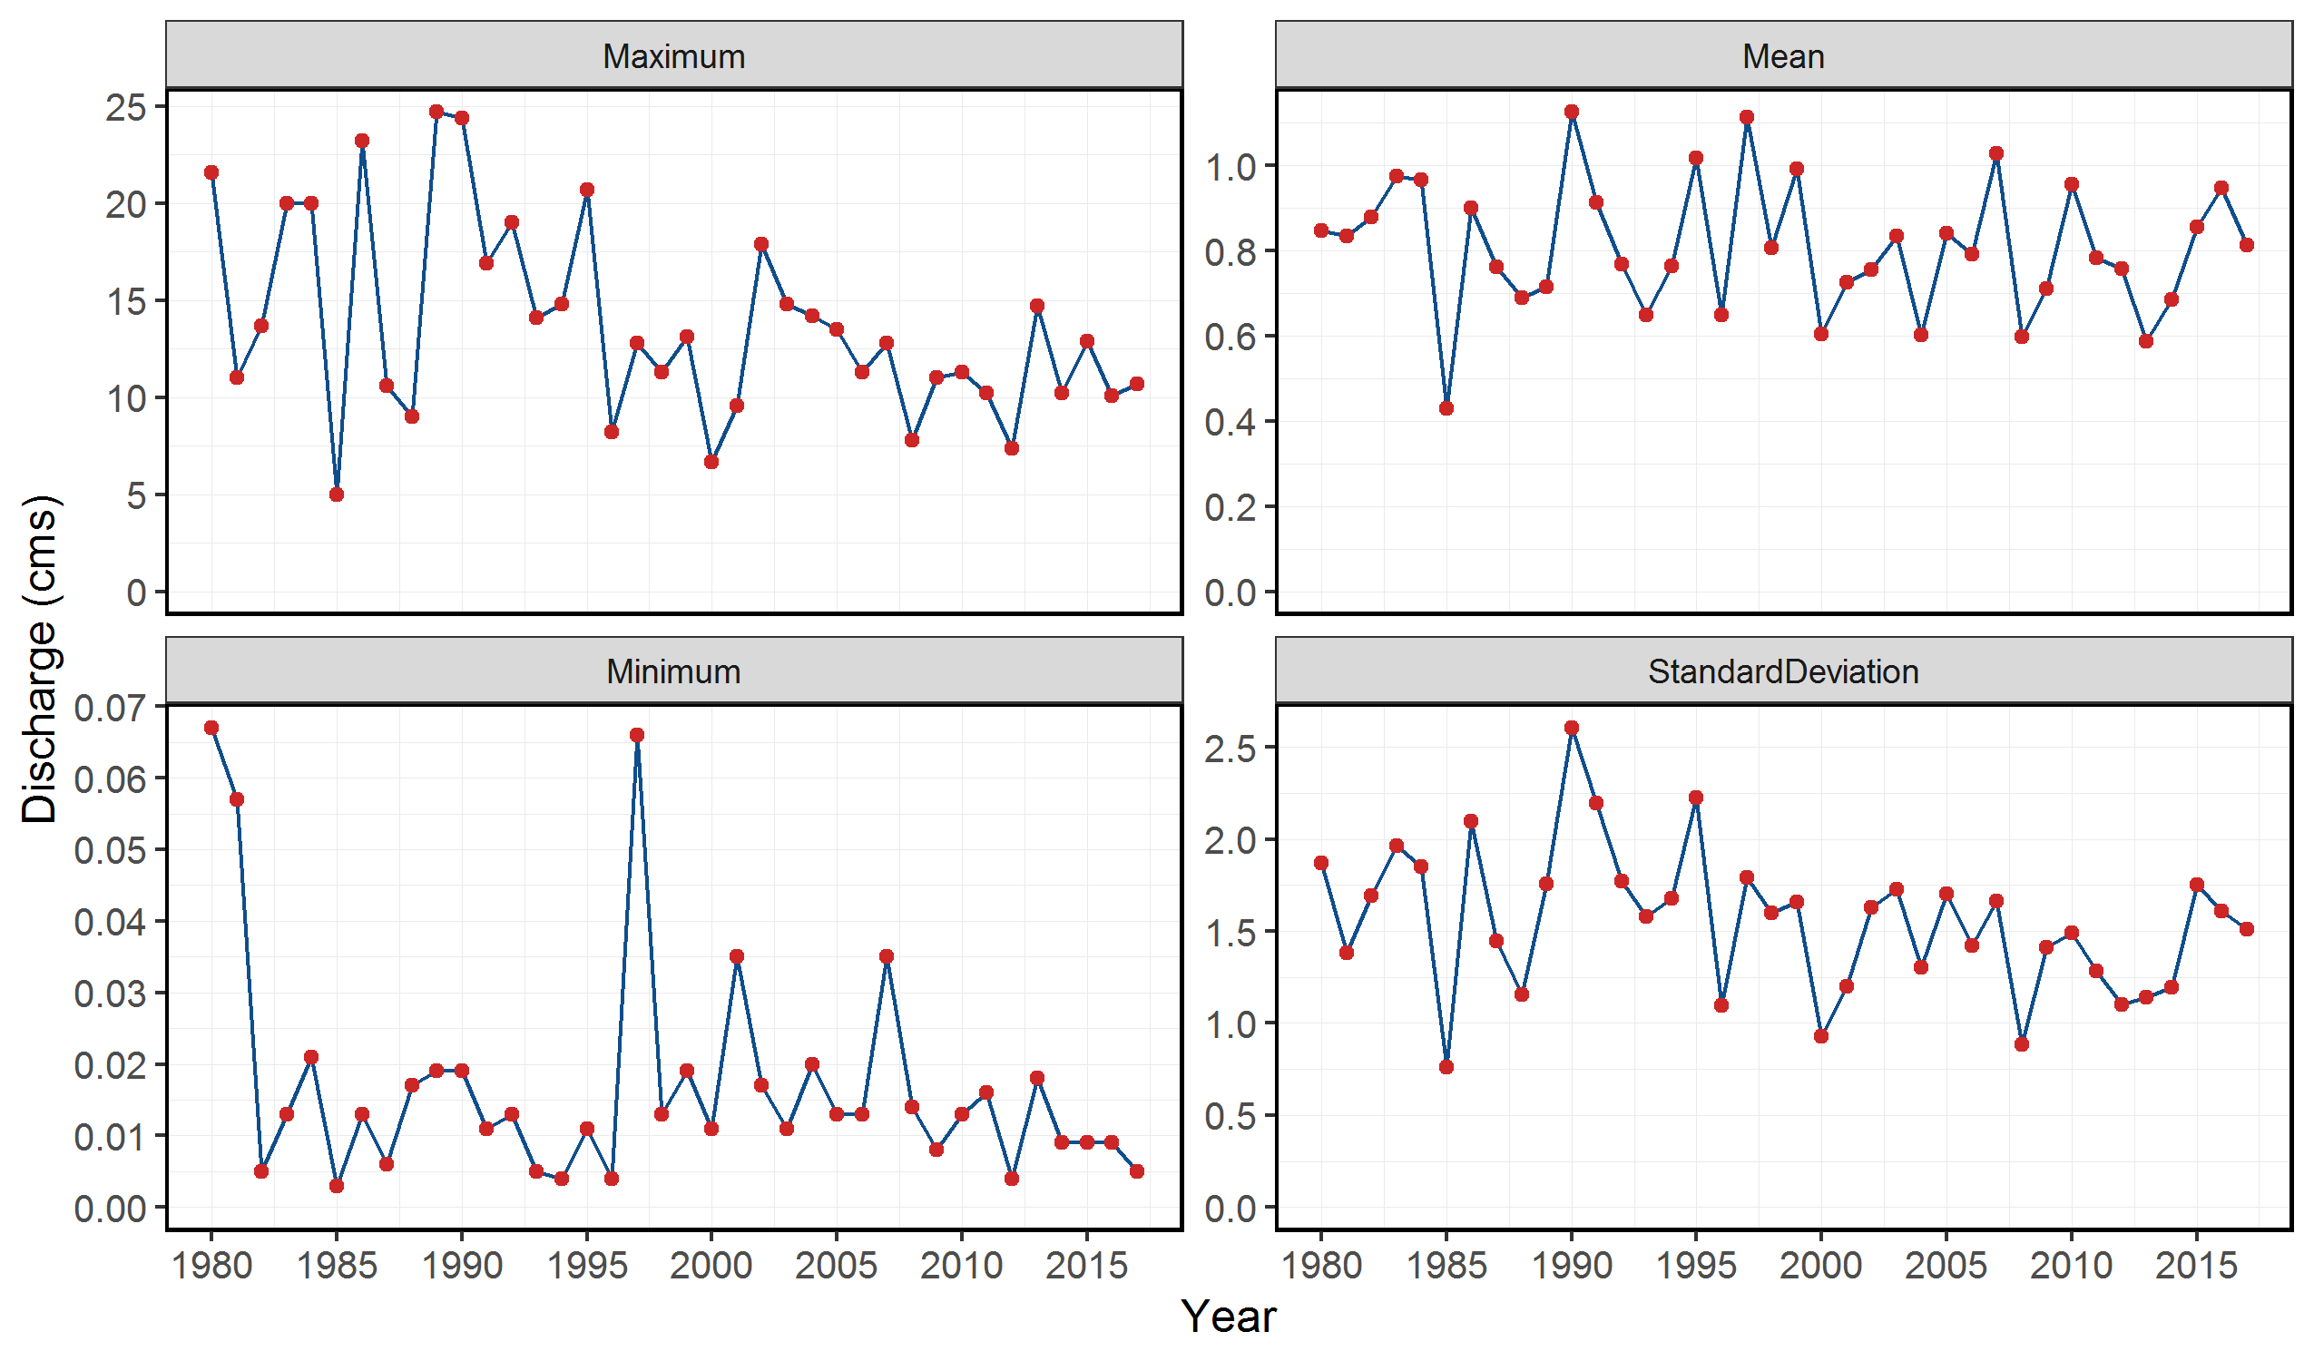
Aug_missing_Q | Sep_missing_Q | Oct_missing_Q | Nov_missing_Q | Dec_missing_Q
0 | 0 | 0 | 0 | 0
0 | 0 | 0 | 0 | 0
0 | 0 | 0 | 0 | 0
0 | 0 | 0 | 0 | 0
0 | 0 | 0 | 0 | 0
0 | 0 | 0 | 0 | 0
0 | 0 | 0 | 0 | 0
0 | 0 | 0 | 0 | 0
0 | 0 | 0 | 0 | 0
0 | 0 | 0 | 0 | 0
0 | 0 | 0 | 0 | 0
0 | 0 | 0 | 0 | 0
0 | 0 | 0 | 0 | 0
0 | 0 | 0 | 0 | 0
0 | 0 | 0 | 0 | 0
0 | 0 | 0 | 0 | 0
0 | 0 | 0 | 0 | 0
0 | 0 | 0 | 0 | 0
0 | 0 | 0 | 0 | 0
0 | 0 | 0 | 0 | 0
0 | 0 | 0 | 0 | 0
0 | 0 | 0 | 0 | 0
0 | 0 | 0 | 0 | 0
0 | 0 | 0 | 0 | 0
0 | 0 | 0 | 0 | 0
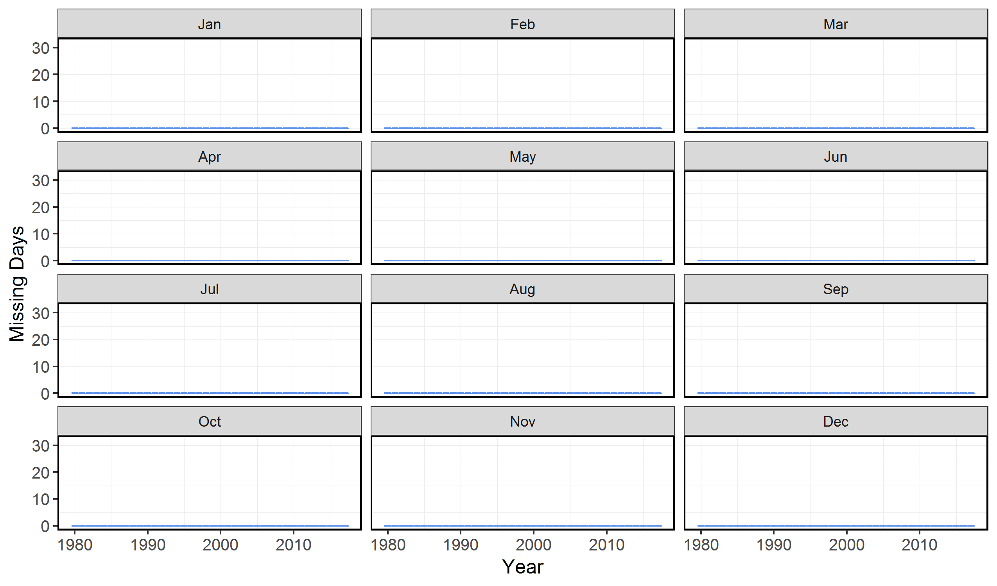
0 | 0 | 0 | 0 | 0
0 | 0 | 0 | 0 | 0
0 | 0 | 0 | 0 | 0
0 | 0 | 0 | 0 | 0
0 | 0 | 0 | 0 | 0
0 | 0 | 0 | 0 | 0
0 | 0 | 0 | 0 | 0
0 | 0 | 0 | 0 | 0
0 | 0 | 0 | 0 | 0
0 | 0 | 0 | 0 | 0
0 | 0 | 0 | 0 | 0
0 | 0 | 0 | 0 | 0
0 | 0 | 0 | 0 | 0

Longterm Statistics
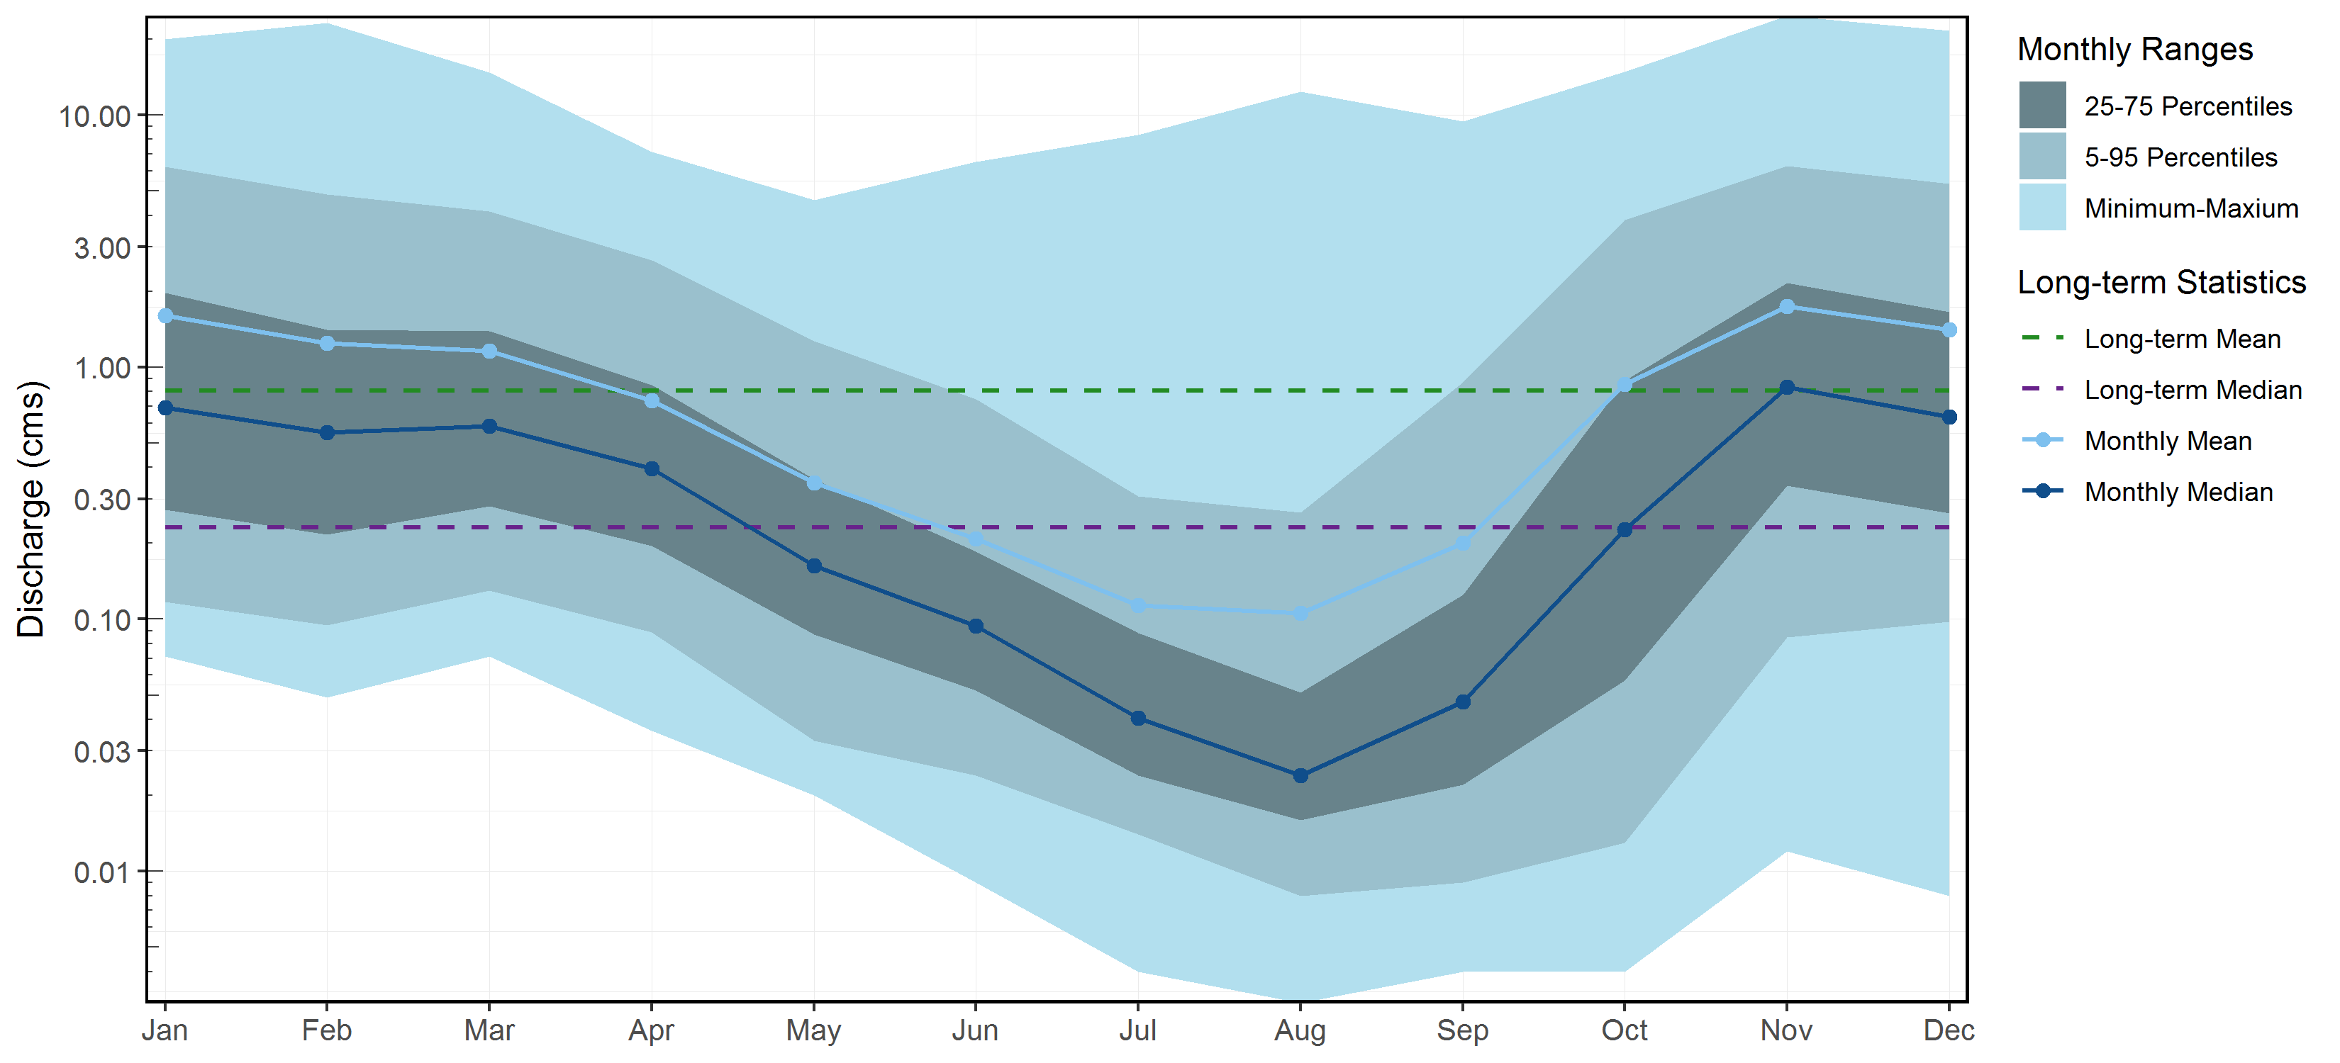
Sep | Oct | Nov | Dec | Long-term
0.2005456141 | 0.8565865908 | 1.7408447392 | 1.4035382008 | 0.8069743521
0.0469999984 | 0.2264999971 | 0.8324999809 | 0.6350000203 | 0.2305000052
9.4499998093 | 14.800000191 | 24.700000763 | 21.600000381 | 24.700000763
0.0040000002 | 0.0040000002 | 0.0120000001 | 0.0080000004 | 0.003
0.0060000001 | 0.0060000001 | 0.0383899996 | 0.037390001 | 0.0080000004
0.0070000002 | 0.0070000002 | 0.0557800013 | 0.0655399987 | 0.0109999999
0.0080000004 | 0.0089999996 | 0.067170002 | 0.0763099982 | 0.0130000003
0.0080000004 | 0.0099999998 | 0.0759999976 | 0.0910799983 | 0.0140000004
0.0089999996 | 0.0130000003 | 0.0849500008 | 0.0978499983 | 0.0160000008
0.0099999998 | 0.0156200003 | 0.0900000036 | 0.1030000001 | 0.0179999992
0.0107299999 | 0.0189999994 | 0.0984600004 | 0.1099999994 | 0.0189999994
0.0109999999 | 0.0199999996 | 0.112240003 | 0.1159999967 | 0.0209999997
0.0120000001 | 0.0219999999 | 0.1345100044 | 0.1209999993 | 0.0219999999
0.0120000001 | 0.023 | 0.1509999931 | 0.1299999952 | 0.0240000002
0.0130000003 | 0.0250000004 | 0.1652900028 | 0.1360000074 | 0.0250000004
0.0140000004 | 0.0260000005 | 0.1766800004 | 0.1432400036 | 0.0270000007
0.0149999997 | 0.0270000007 | 0.1850700025 | 0.1550000012 | 0.0289999992
0.0149999997 | 0.0280000009 | 0.1949999928 | 0.1635600036 | 0.0309999995
0.0160000008 | 0.0299999993 | 0.2080000043 | 0.1735499941 | 0.0329999998
0.0160000008 | 0.0309999995 | 0.2182399952 | 0.1793200058 | 0.0350000001
0.0170000009 | 0.0329999998 | 0.2319999933 | 0.1930000037 | 0.0379999988
0.0179999992 | 0.0350000001 | 0.2450000048 | 0.2008600047 | 0.0399999991
0.0184099993 | 0.0376299994 | 0.2594099981 | 0.2080000043 | 0.0439999998
0.0189999994 | 0.0414000005 | 0.2683999956 | 0.2179999948 | 0.0480000004
0.0199999996 | 0.0439999998 | 0.2821900028 | 0.2310000062 | 0.050999999
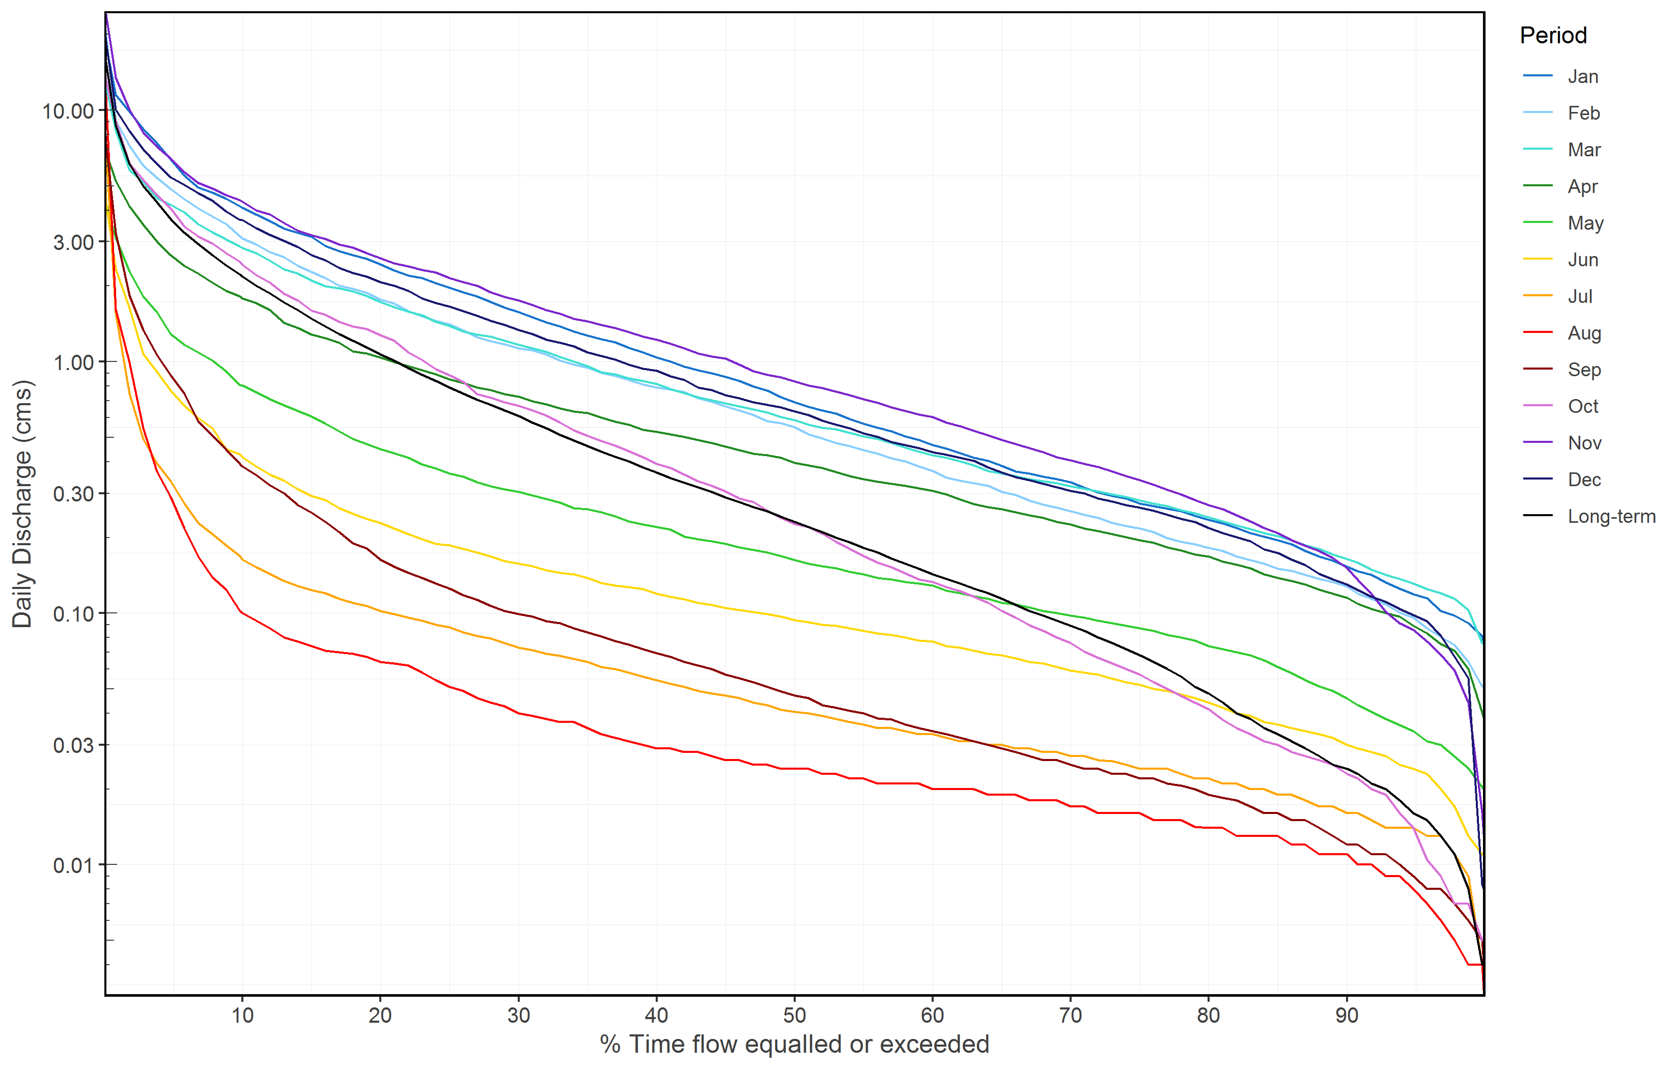
0.0205799996 | 0.0469399985 | 0.2961599892 | 0.2368800032 | 0.0560000017
0.0209999997 | 0.0500000007 | 0.3089999855 | 0.2457100062 | 0.0599999987
0.0219999999 | 0.0529999994 | 0.3240800107 | 0.2554800034 | 0.064000003
0.0219999999 | 0.057 | 0.3382499889 | 0.2630000114 | 0.0680000037
0.023 | 0.0599999987 | 0.3511400092 | 0.2690199941 | 0.0719999969
0.023 | 0.063000001 | 0.3655300027 | 0.2777899998 | 0.0759999976
0.0240000002 | 0.0665600008 | 0.3810000122 | 0.2855600059 | 0.0799999982
0.0240000002 | 0.070330001 | 0.392309995 | 0.298999995 | 0.0850000009
0.0250000004 | 0.0759999976 | 0.4059999883 | 0.3061999947 | 0.0890000015
0.0260000005 | 0.0798699989 | 0.4160900074 | 0.3170000017 | 0.0934899995
0.0260000005 | 0.0850000009 | 0.4359600043 | 0.327640003 | 0.0979999974
0.0270000007 | 0.0894100024 | 0.4528700069 | 0.3374100071 | 0.1019999981
0.0280000009 | 0.0961800012 | 0.4703000104 | 0.3467199874 | 0.1080000028
0.0289999992 | 0.1019999981 | 0.4876499996 | 0.3619499892 | 0.1140000001
0.0299999993 | 0.1099999994 | 0.5090000033 | 0.3797199988 | 0.1199999973
0.0309999995 | 0.1164899977 | 0.5310000181 | 0.4034900054 | 0.125
0.0320000015 | 0.1222600019 | 0.554100008 | 0.4152599961 | 0.1309999973
0.0329999998 | 0.1270300041 | 0.5730000138 | 0.4260599992 | 0.1369999945
0.0340000018 | 0.1328000009 | 0.601000011 | 0.4370000064 | 0.1430000067
0.0350000001 | 0.1360000074 | 0.6159899968 | 0.4530000091 | 0.150000006
0.0359999985 | 0.1439999938 | 0.6372799838 | 0.4670000076 | 0.1570000052
0.0377699992 | 0.1521099953 | 0.6567700082 | 0.4782199857 | 0.1650000066
0.0381599991 | 0.1589999944 | 0.6867999887 | 0.503000021 | 0.173999995
0.0399999991 | 0.1686499991 | 0.708100003 | 0.5196499854 | 0.1819999963
0.0410000011 | 0.1800000072 | 0.7368799901 | 0.5440000296 | 0.1909999996
0.0419999994 | 0.1921900021 | 0.7609999776 | 0.5603799975 | 0.200000003
0.0430000015 | 0.2070000023 | 0.7847200131 | 0.5839599919 | 0.2099999934
0.0460000001 | 0.2197299983 | 0.8029999733 | 0.6124599826 | 0.2199999988
0.0469999984 | 0.2264999971 | 0.8324999809 | 0.6350000203 | 0.2305000052
0.0488899989 | 0.2388100031 | 0.8677799737 | 0.6592699921 | 0.2419999987
0.050999999 | 0.2560000122 | 0.8871199799 | 0.6719999909 | 0.2540000081
0.0529999994 | 0.2760500109 | 0.9179999828 | 0.6908099872 | 0.2639999986
0.0550599998 | 0.2857400042 | 0.9743599796 | 0.7143200171 | 0.2759999931
0.057 | 0.3053500026 | 1.0299999714 | 0.737349984 | 0.2890000045
0.0598399989 | 0.3210000098 | 1.0499999523 | 0.7693599963 | 0.3030000031
0.061999999 | 0.3348900065 | 1.0800000429 | 0.79089001 | 0.3160000145
0.064000003 | 0.3556600004 | 1.1299999952 | 0.8473199987 | 0.3300000131
0.0670000017 | 0.3770000041 | 1.1799999475 | 0.8740000129 | 0.3440000117
0.0693999991 | 0.3923999906 | 1.2200000286 | 0.9219999909 | 0.3619999886
0.0719999969 | 0.4157900086 | 1.2599999905 | 0.9378500235 | 0.3799999952
0.075000003 | 0.4407400101 | 1.3099999428 | 0.9747400117 | 0.4009999931
0.0775700007 | 0.46455001 | 1.3600000143 | 1.0199999809 | 0.4189999998
0.0809600002 | 0.4832800066 | 1.3999999762 | 1.0527999496 | 0.4390000105
0.0839999989 | 0.506099984 | 1.4435000539 | 1.0900000334 | 0.4613500014
...

Annual Statistics
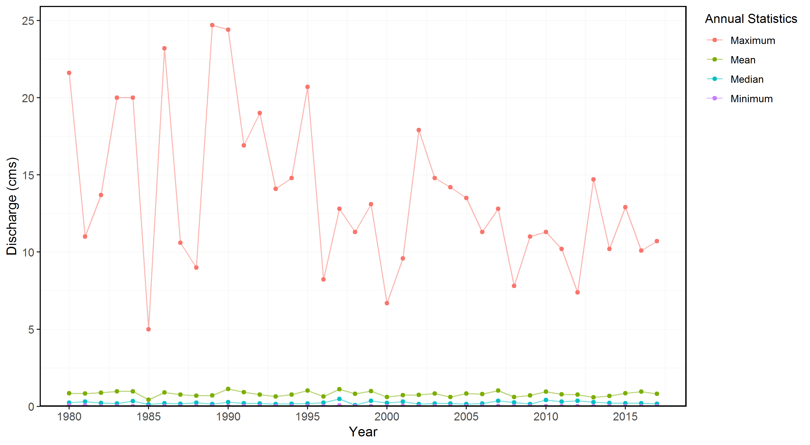
Median | Maximum | Minimum | P10 | P90
0.2424999997 | 21.600000381 | 0.0670000017 | 0.0949999988 | 2.2599999905
0.3129999936 | 11 | 0.057 | 0.0828000009 | 2.1199998856
0.2199999988 | 13.699999809 | 0.0049999999 | 0.0124000002 | 2.8340000629
0.1850000024 | 20 | 0.0130000003 | 0.0328000017 | 2.7979999542
0.3369999975 | 20 | 0.0209999997 | 0.0449999999 | 2.3999999762
0.1400000006 | 4.9899997711 | 0.003 | 0.0093999997 | 1.1080000162
0.2109999955 | 23.200000763 | 0.0130000003 | 0.0223999999 | 2.1980000496
0.173999995 | 10.600000381 | 0.0060000001 | 0.0099999998 | 2.4
0.2479999959 | 9 | 0.0170000009 | 0.0260000005 | 1.8899999857
0.150000006 | 24.700000763 | 0.0189999994 | 0.0320000015 | 1.89599998
0.2809999883 | 24.399999619 | 0.0189999994 | 0.0260000005 | 2.7999999523
0.1959999949 | 16.899999619 | 0.0109999999 | 0.0309999995 | 2.3259999275
0.1904999986 | 19 | 0.0130000003 | 0.0240000002 | 1.9849999547
0.1519999951 | 14.100000381 | 0.0049999999 | 0.0134000003 | 1.3019999504
0.1710000038 | 14.800000191 | 0.0040000002 | 0.0120000001 | 1.8899999857
0.1909999996 | 20.700000763 | 0.0109999999 | 0.0234000001 | 2.7579999924
0.2430000007 | 8.2299995422 | 0.0040000002 | 0.0184999993 | 1.7599999905
0.4869999886 | 12.800000191 | 0.0659999996 | 0.0864000008 | 2.878000021
0.0829999968 | 11.300000191 | 0.0130000003 | 0.0219999999 | 2.4500000477
0.3659999967 | 13.100000381 | 0.0189999994 | 0.0280000009 | 2.5879999161
0.2180000022 | 6.6799998283 | 0.0109999999 | 0.0280000009 | 1.8350000381
0.3039999902 | 9.5900001526 | 0.0350000001 | 0.0723999977 | 1.5760000467
0.1560000032 | 17.899999619 | 0.0170000009 | 0.0250000004 | 1.8279999971
0.1860000044 | 14.800000191 | 0.0109999999 | 0.0203999996 | 2.1800000668
0.1845000014 | 14.199999809 | 0.0199999996 | 0.0309999995 | 1.4099999666
0.1589999944 | 13.5 | 0.0130000003 | 0.023 | 2.2940001011
0.1899999976 | 11.300000191 | 0.0130000003 | 0.0164000008 | 2.271999979
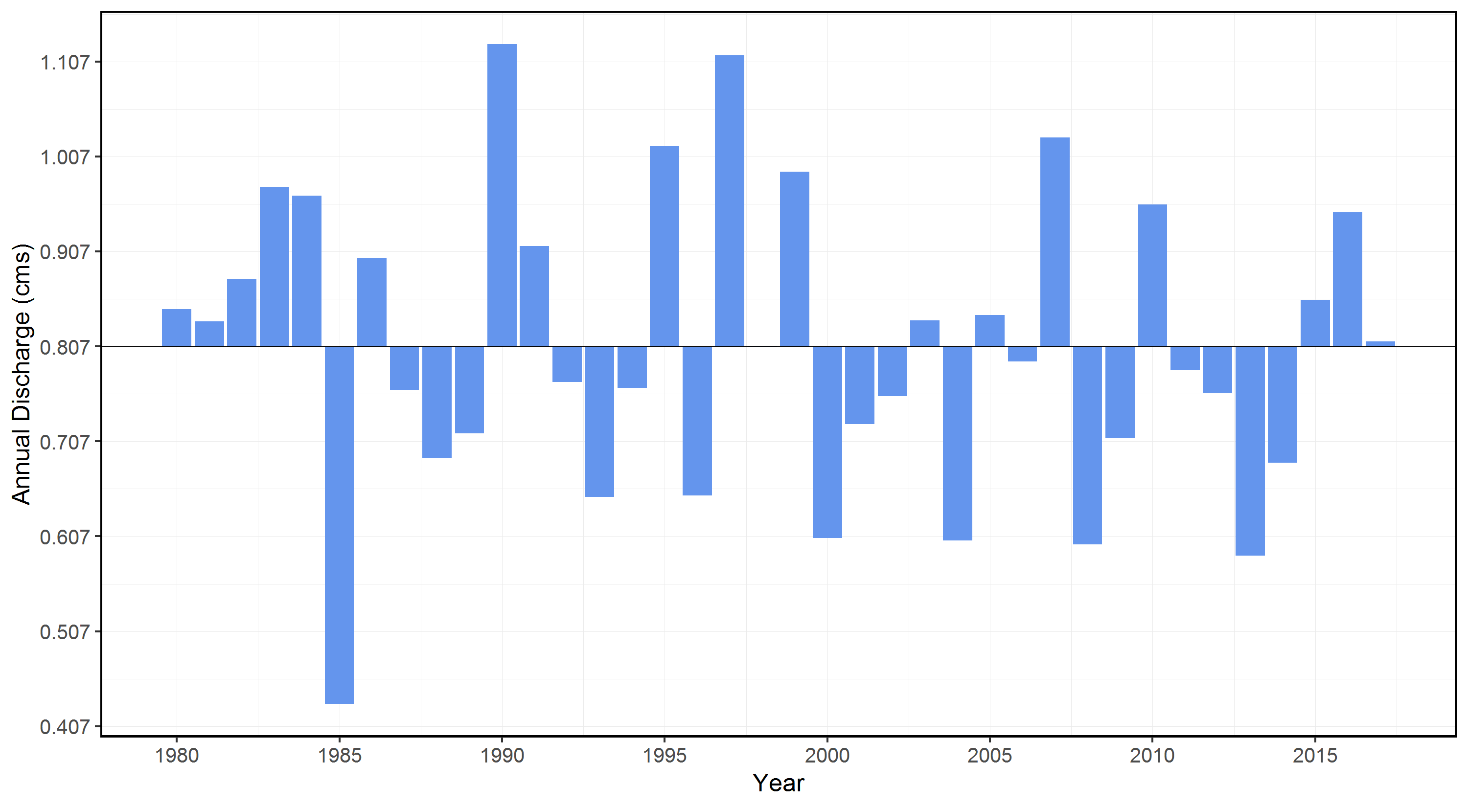
0.3600000143 | 12.800000191 | 0.0350000001 | 0.0460000001 | 2.9160000801
0.2549999952 | 7.8099999428 | 0.0140000004 | 0.0395 | 1.5149999857
0.1550000012 | 11 | 0.0080000004 | 0.0170000009 | 2.1320000172
0.4059999883 | 11.300000191 | 0.0130000003 | 0.0189999994 | 2.4420000553
0.3039999902 | 10.199999809 | 0.0160000008 | 0.0379999988 | 2.1920000553
0.3610000014 | 7.3800001144 | 0.0040000002 | 0.0140000004 | 2.1150000095
0.2660000026 | 14.699999809 | 0.0179999992 | 0.0463999994 | 1.2559999943
0.2210000008 | 10.199999809 | 0.0089999996 | 0.023 | 1.8720000029
0.202000007 | 12.899999619 | 0.0089999996 | 0.0130000003 | 2.3740000248
0.1989999935 | 10.100000381 | 0.0089999996 | 0.0219999999 | 2.8049999475
0.172999993 | 10.699999809 | 0.0049999999 | 0.0109999999 | 2.5799999237

Frequency Analysis
...
Year | Measure | Value | Probability | Return Period | Distribution | Probability | Return Period | 1-Day | 3-Day | 7-Day | 30-Day
2012 | 1-Day | 0.0040000002 | 0.1025641026 | 9.75 | PIII | 0.2 | 5 | 0.0067 | 0.0071 | 0.0077 | 0.0124
1982 | 1-Day | 0.0049999999 | 0.1282051282 | 7.8 | PIII | 0.5 | 2 | 0.0122 | 0.0125 | 0.0135 | 0.02
1993 | 1-Day | 0.0049999999 | 0.1538461538 | 6.5 | PIII | 0.8 | 1.25 | 0.0236 | 0.0226 | 0.0241 | 0.0326
2017 | 1-Day | 0.0049999999 | 0.1794871795 | 5.5714285714 | PIII | 0.9 | 1.1111 | 0.034 | 0.0313 | 0.0328 | 0.0423
1987 | 1-Day | 0.0060000001 | 0.2051282051 | 4.875 | PIII | 0.95 | 1.0526 | 0.0465 | 0.0412 | 0.0426 | 0.0524
2009 | 1-Day | 0.0080000004 | 0.2307692308 | 4.3333333333 | PIII | 0.975 | 1.0256 | 0.0616 | 0.0525 | 0.0536 | 0.0632
2014 | 1-Day | 0.0089999996 | 0.2564102564 | 3.9 | PIII | 0.98 | 1.0204 | 0.067 | 0.0565 | 0.0574 | 0.0668
2015 | 1-Day | 0.0089999996 | 0.2820512821 | 3.5454545455 | PIII | 0.99 | 1.0101 | 0.0862 | 0.0701 | 0.0703 | 0.0787
2016 | 1-Day | 0.0089999996 | 0.3076923077 | 3.25
1991 | 1-Day | 0.0109999999 | 0.3333333333 | 3
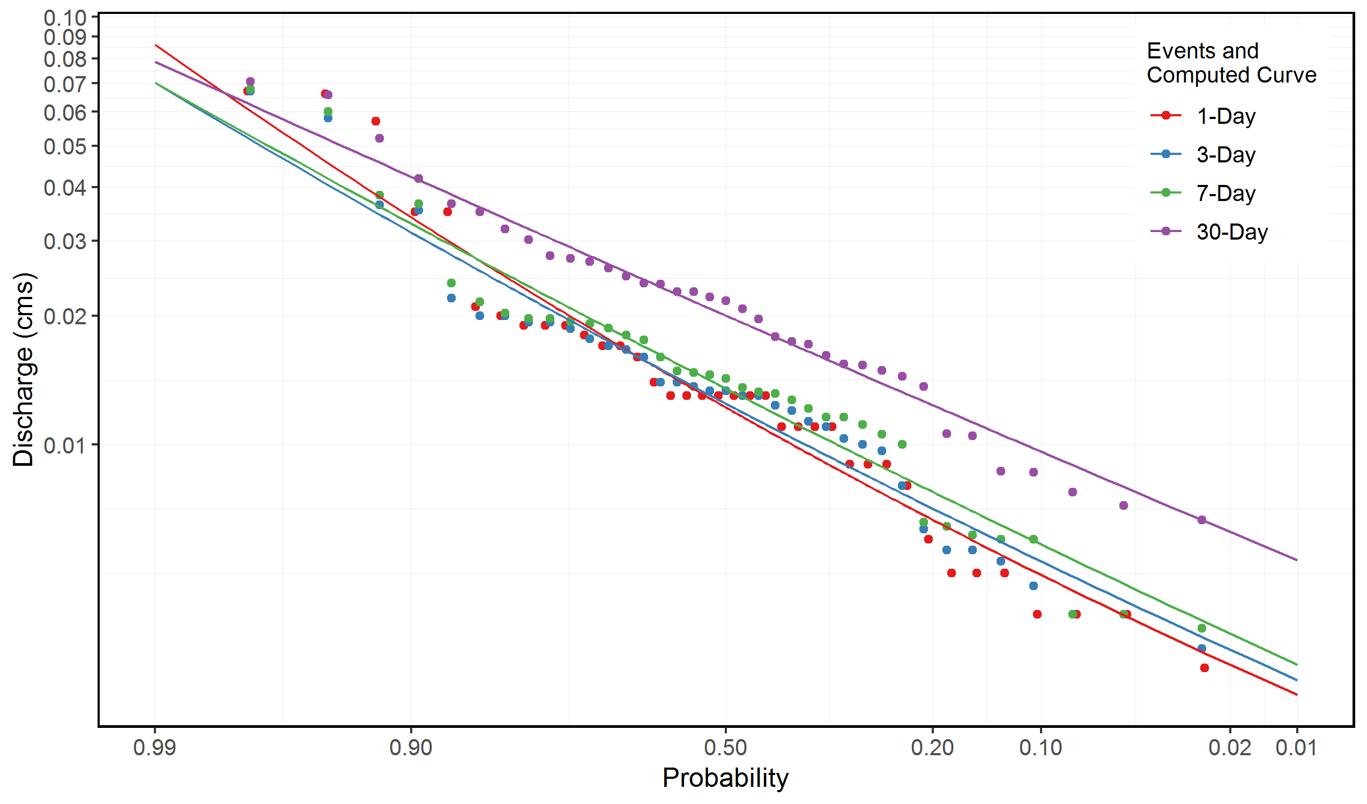
1995 | 1-Day | 0.0109999999 | 0.358974359 | 2.7857142857
2000 | 1-Day | 0.0109999999 | 0.3846153846 | 2.6
2003 | 1-Day | 0.0109999999 | 0.4102564103 | 2.4375
1983 | 1-Day | 0.0130000003 | 0.4358974359 | 2.2941176471
1986 | 1-Day | 0.0130000003 | 0.4615384615 | 2.1666666667
1992 | 1-Day | 0.0130000003 | 0.4871794872 | 2.0526315789
1998 | 1-Day | 0.0130000003 | 0.5128205128 | 1.95
2005 | 1-Day | 0.0130000003 | 0.5384615385 | 1.8571428571
2006 | 1-Day | 0.0130000003 | 0.5641025641 | 1.7727272727
2010 | 1-Day | 0.0130000003 | 0.5897435897 | 1.6956521739
2008 | 1-Day | 0.0140000004 | 0.6153846154 | 1.625
2011 | 1-Day | 0.0160000008 | 0.641025641 | 1.56
1988 | 1-Day | 0.0170000009 | 0.6666666667 | 1.5
2002 | 1-Day | 0.0170000009 | 0.6923076923 | 1.4444444444
2013 | 1-Day | 0.0179999992 | 0.7179487179 | 1.3928571429
1989 | 1-Day | 0.0189999994 | 0.7435897436 | 1.3448275862
1990 | 1-Day | 0.0189999994 | 0.7692307692 | 1.3
1999 | 1-Day | 0.0189999994 | 0.7948717949 | 1.2580645161
2004 | 1-Day | 0.0199999996 | 0.8205128205 | 1.21875
1984 | 1-Day | 0.0209999997 | 0.8461538462 | 1.1818181818
2001 | 1-Day | 0.0350000001 | 0.8717948718 | 1.1470588235
2007 | 1-Day | 0.0350000001 | 0.8974358974 | 1.1142857143
1981 | 1-Day | 0.057 | 0.9230769231 | 1.0833333333
1997 | 1-Day | 0.0659999996 | 0.9487179487 | 1.0540540541
1980 | 1-Day | 0.0670000017 | 0.9743589744 | 1.0263157895
1985 | 3-Day | 0.0033333334 | 0.0263157895 | 38
...

