Tabelle1
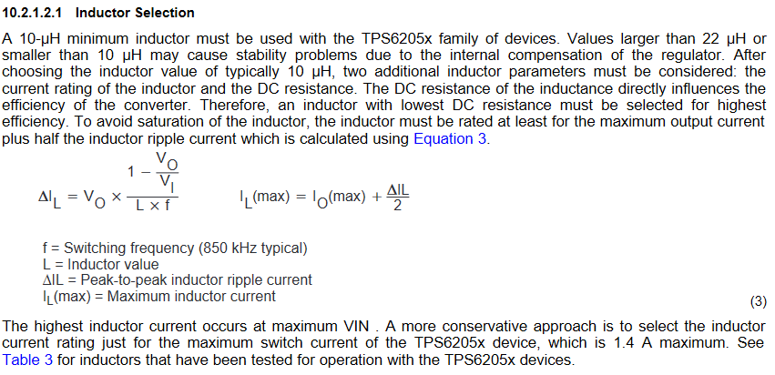
 | Power Supply |  | Battery Charger & Power Management |  |  | 3V3 Switching Regulator
Max. 8.4V | 6.0 | V |  | 6.00 | V |  |  | 3.30 | V | 1 | 40.0 | mA | ESP32 Modul |  | L = | 10-22 uH
 | 4.55 | A |  | 136.05 | mA | Efficency | 95 | 235.00 | mA | 1 | 15.0 | mA | MAX USB Master |  | >>> | 15uH
 | 27.31 | W |  | 816.32 | mW |  |  | 775.50 | mW | 4 | 20.0 | mA | LEDs
 |  |  |  | 40.82 | mW | Power loss |  |  |  | 5 | 20.0 | mA | Taster
 | 2.73 | W Power loss | Efficency |  |  | Link: | https://www.digikey.de/product-detail/de/texas-instruments/TPS62056DGS/296-14212-5-ND/526047
 |  |  | 90

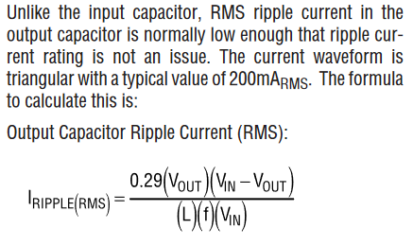
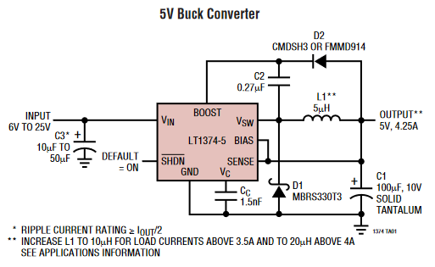
 |  |  |  |  |  | 5V Switching Regulator
 |  |  | Link: | 6.00 | V |  |  | 5.00 | V
 |  |  |  | 3960.78 | mA | Efficency | 85 | 4040.00 | mA | 2 | 1920 | mA | Motors | (6V/1,6A) | L = | 5.869047619E-06
 |  |  |  | 23764.71 | mW |  |  | 20200.00 | mW | 1 | 200 | mA | Pololu Mainboard | ??? | >>> | 22uH
 |  |  |  | 3564.71 | mW | Power loss
 |  |  | Battery & Protection Circuit |  |  | Link: | https://www.digikey.de/product-detail/de/analog-devices-inc/LT1374CS8-5-PBF/LT1374CS8-5-PBF-ND/888771
 | Power Supply
Max. 8.4V | 6.0 | V
 | 4.10 | A
 | 24.58 | W
 |  |  | Efficency
 | 0.00 | W Power loss | 100

 |  |  | Link:

 | Power loss total
 | 6.34 | W

