OMB_FY13-23
OMB
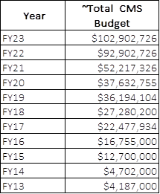

 | FY | CMS budget | deflator | 2023$
 | 2023 | $102,902,726 | 1.000 | $102,902,726
 | 2022 | $92,902,726 | 1.041 | $96,727,021
 | 2021 | $52,217,326 | 1.124 | $58,717,658
 | 2020 | $37,632,755 | 1.177 | $44,305,596
 | 2019 | $36,194,104 | 1.192 | $43,137,547
 | 2018 | $27,280,200 | 1.213 | $33,102,747
 | 2017 | $22,477,934 | 1.243 | $27,941,708
 | 2016 | $16,755,000 | 1.270 | $21,271,388
 | 2015 | $12,700,000 | 1.286 | $16,326,742
 | 2014 | $4,702,000 | 1.287 | $6,051,926
 | 2013 | $4,187,000 | 1.308 | $5,476,493
 | 2012 |  | 1.327 |  | $455,961,552
 | 2011 |  | 1.355 |  | $2,903,040,000
 | 2010 |  | 1.397 |  |  | 2.898
 | 2009 |  | 1.420
 | 2008 |  | 1.415
 | 2007 |  | 1.470
 | 2006 |  | 1.511
 | *CPI-U (annual numbers, series id CUUR0000SA0)

