Azure2
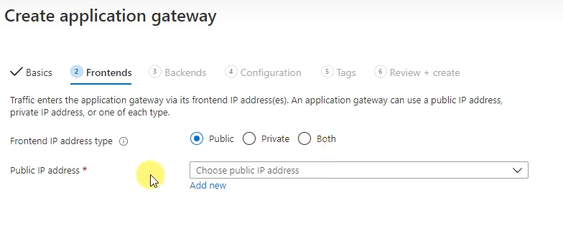
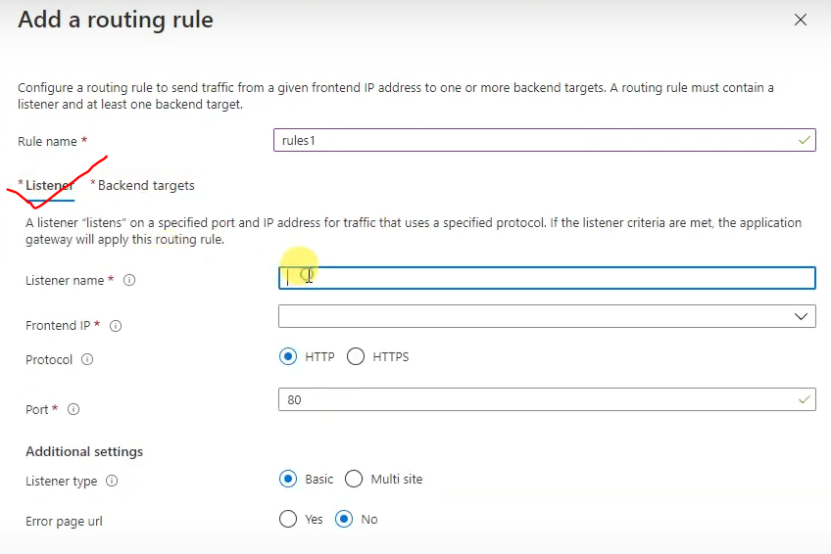
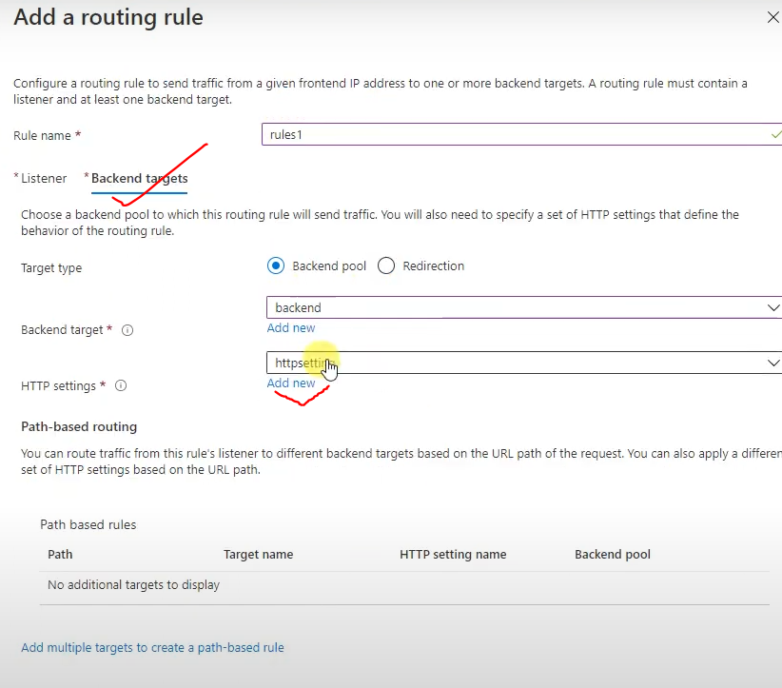
Azure NSG & Firewall
NSG (Network Security Group) : It is allow you to control the inbound and outbound traffic by using the IP,Port & Protocol. for this we need to create the NSG rule. Traffic Control: IP: You can allow or deny traffic based on the source and destination IP addresses. Port: You can control traffic based on ports (TCP/UDP). For example, allowing traffic on port 80 (HTTP) and denying on others. Protocol: You can specify the protocol (TCP/UDP). Limitations: NSGs do not directly filter by URL.

Azure Firewall is a managed, cloud-based network security service designed to protect Azure Virtual Network resources. IP: You can allow or deny traffic based on source or destination IP addresses, just like NSGs. Port: You can filter traffic based on TCP/UDP ports. Protocol: Traffic can be controlled based on different protocols (TCP/UDP, etc.). URL: Azure Firewall allows you to filter based on FQDN (Fully Qualified Domain Names) and even control access to specific URLs. Note : You can associate mutiple public IP address (0 to 250) with your firewall 1. Required swprate subnet for firewall (AzureFirewallSubnet) 2. resgion based working firewall 3. Need to create route table

Step 1. Create a firewall (5 to 10 min take to create) * Name: * Region: * Availability zone: * Firewall SKU: Basic/Standard/Premiun * Firewall Policy: * Select VNET: * Public IP: * Select mgt subnet: * Mgt PIP: Step 2. Create Route Table ( For Firewall) Step 3. Configure Route Table: * Open the route table * Click on Routs * Click on add * fill the details - addreess prefix - 0.0.0.0/0 --ye internet ko allow karta hai - next hope type : virtual appliance - next hope type : Firewall Private IP Step 4. Subnet Associate with Route table: * Open the route table * Click on subnets * Click on Associate - Select VNet & Subnet (VM ka) Note: route table bannae ke time propagate by default yes rehta hai ... Ydi hum log VPN gateway, site to site configyre kar rakhe hai to us condition me No kar dege. |  |  |  | Dono subnet hona chahiye |  | AzureFirewallManagementSubnet
 |  |  |  |  |  | AzureFirewallSubnet

 |  |  |  |  |  | Kya hai Firewall Manager?

 |  |  |  |  |  | Firewall Manager ek centralized management portal hai jaha se tu:

 |  |  |  |  |  | Multiple Azure Firewalls
 |  |  |  |  |  | Firewall Policies
 |  |  |  |  |  | Web Application Firewall (WAF) Policies
 |  |  |  |  |  | DDoS Protection Plans
 |  |  |  |  |  | manage kar sakta hai — sab ek jagah se.

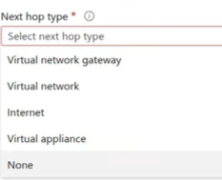

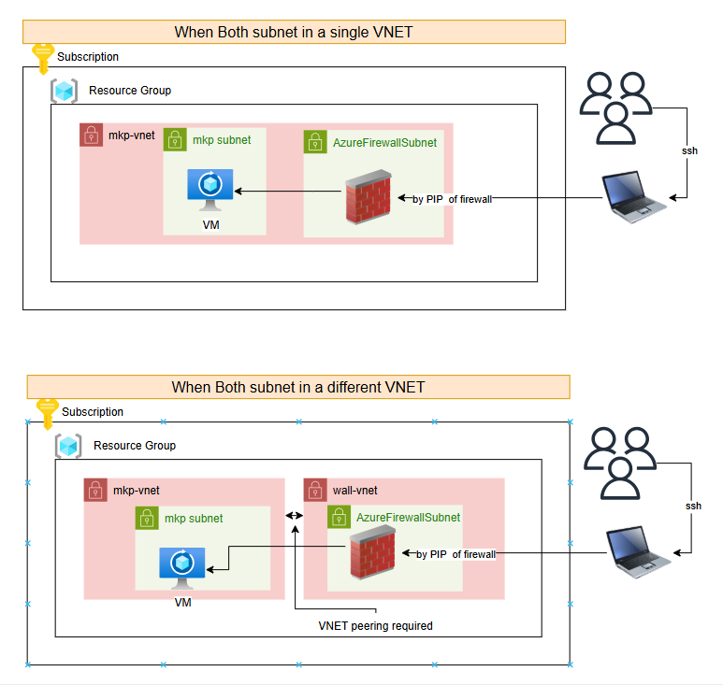
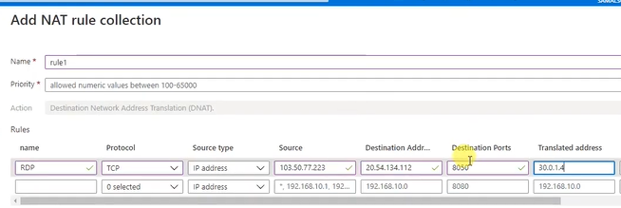 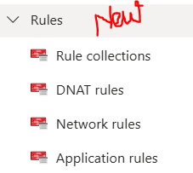 Firewalls Rule Type: Firewall ke under rule define karege 1. NAT Rule Collection : Network Address Translation --Ydi kisi port ko kisi custom port ke through connect karna chahte hai to NAT ka use karege 2. Network Rule Collection : Simlar as NSG 3. Application Rule Collection : URL ya Domain based pe kisi v application ko allow ya deny kar sakte hai Step - 1 : Open firewlls Step - 1 : click on rules

Apna Laptop ki PIP ya * (source kuchh v ho)
Firewall ki PIP
VM ki Private IP

custom port

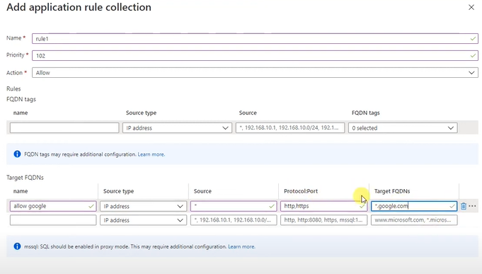

What is an ACL (Access Control List) in a firewall?

Answer:
An ACL (Access Control List) is a set of rules that defines which network traffic is allowed or denied based on specific parameters like source IP, destination IP, port, and protocol. ACLs are used to filter traffic and enforce security policies within firewalls, routers, and switches. They can be applied to both inbound and outbound traffic.

What is port forwarding in firewalls?
 |  |  |  |  |  | 9 | LB
Answer: |  |  |  |  |  | 13 | App Gateway
Port forwarding is the process of forwarding a network port from the external network (internet) to an internal network or device. This is commonly used to allow remote access to services behind a firewall, such as a web server or game server. For example, if you want to make a web server (hosted inside a private network) accessible over the internet, you can forward incoming HTTP (port 80) traffic to the server's private IP address. |  |  |  |  |  | 11 | Traffic
 |  |  |  |  |  | 29 | Front Door

Azure Basic LoadBlancer |  |  |  |  | Azure Standard LoadBlancer

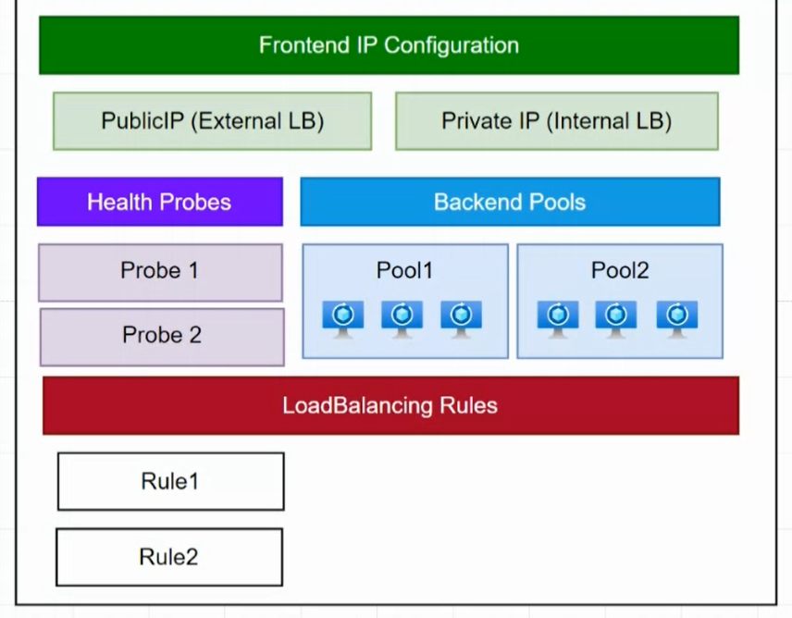
 |  |  |  |  |  |  |  | Step 1: Create a LB
 |  |  |  |  |  |  |  | Step 2: Backend Pool setup
 |  |  |  |  |  |  |  | Step 3: Configure Helth Probe

 |  |  |  |  |  |  |  | Step 4: Configure Load Blancing Rule
 |  |  |  |  |  |  |  |  | -name:
 |  |  |  |  |  |  |  |  | -Frontend IP Address: LB ka PIP
 |  |  |  |  |  |  |  |  | -Protocol: TCP/UDP
 |  |  |  |  |  |  |  |  | -Port:
 |  |  |  |  |  |  |  |  | -Backend Port:
 |  |  |  |  |  |  |  |  | -Backend Pool:
 |  |  |  |  |  |  |  |  | -Helth Probe:
 |  |  |  |  |  |  |  |  | -Session persistence:
 |  |  |  |  |  |  |  |  |  | none
 |  |  |  |  |  |  |  |  |  | client
 |  |  |  |  |  |  |  |  |  | clind & Protocol

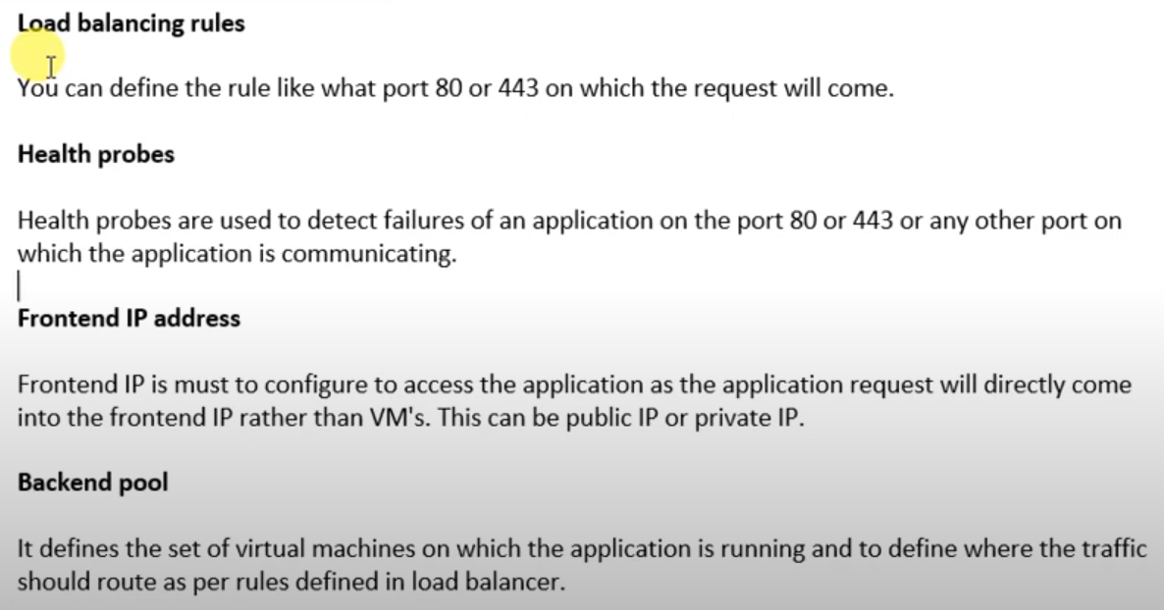

Step 1: Create a LB |  |  | (SKU -- Basic me 2 option milta hai IP ki Dynamic & Static Lekin Standard me only one by default Static milta hai and NSG ka used hota hai )
Step 2: Backend Pool setup |  |  | (Is me hum VNET/IP version/Associated to ko select karege (vms) phir add vms krege)
Step 3: Configure Helth Probe |  |  | (Is me hum name/protocol/VM port/interval (is me jitna v hm second dalege like 5s utna second tak o check kaega ki us port pe o application cha rha hai ya nahi)/unhealthy threshold (is me hm jinta count dalege utne failure ke baad traffic ko dusre vm pe dal dega)

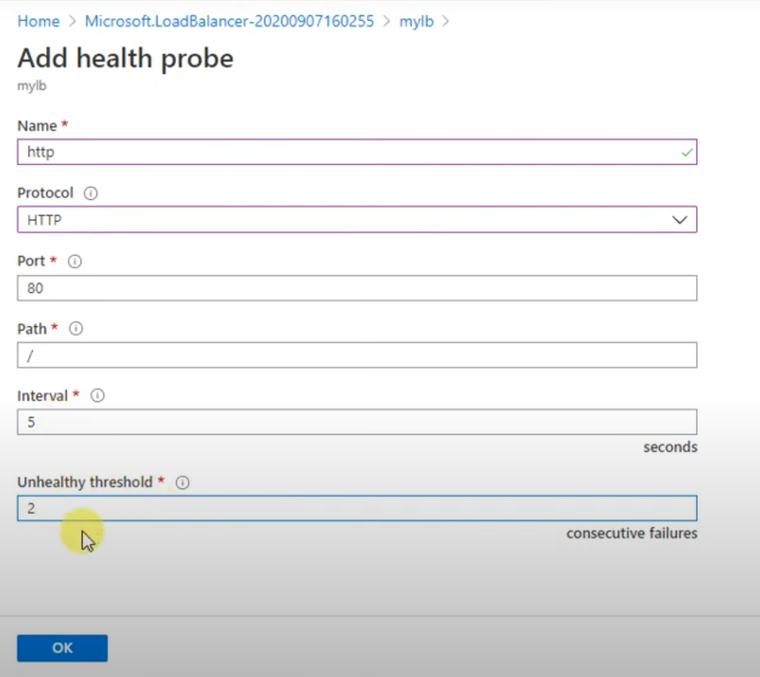
Step 4: Configure Load Blancing Rule
 | -name:
 | -Frontend IP Address: LB ka PIP
 | -Protocol: TCP/UDP
 | -Port:
 | -Backend Port:
 | -Backend Pool:
 | -Helth Probe:
 | -Session persistence:
 |  | none
 |  | client
 |  | clind & Protocol

Azure Application Gateway

Kubernetes
1. What is Kubernetes? Answer: Kubernetes is an open-source container orchestration platform that automates the deployment, scaling, and management of containerized applications. It allows developers to manage applications across a cluster of machines efficiently. |  |  |  |  | Scenario : You have deployed a new application to your Kubernetes cluster, but it is not working as expected. How would you troubleshoot the issue? 1. Check the deployment logs: The first step is to check the logs of the deployment to see if there are any errors or warnings. You can use the kubectl logs command to view the logs of a pod. 2. Check the pod status: You can also use the kubectl get pods command to check the status of the pods in the deployment. Make sure that all of the pods are running and that they are in a healthy state. 3. Check the service status: If the pods are healthy, but the application is still not working, you can check the status of the service that exposes the application. Make sure that the service is running and that it is configured correctly. 4. Check the ingress controller: If you are using an ingress controller to route traffic to your application, you can check the logs of the ingress controller to see if there are any errors. 5. Use kubectl exec: If you need to troubleshoot the application further, you can use the kubectl exec command to run a command inside of a container.

What is difference between Docker Swarm and Kubernetes
Docker Swarm It is Clustering for Docker Container Setup is Easy Auto scaling is Not Possible It has no GUI Dashboard |  | Kubernetes It is Container Orchestration Setup is Hard Auto scaling is possible It has GUI Dashboard

feature of k8s: • Orchestration (clustering of any no of cluster running on different n/w) • autoscaling • load balancing • platform independent (cloud / virtual / physical) • fault tolerance (node / pod failure) • rollback • health monitoring of pod • batch execution

 |  |  |  |  | Scenario : Your application is experiencing a surge of traffic and you need to scale it up quickly. How would you do this? 1. Horizontal Pod Autoscaling (HPA): If you have configured HPA for your deployment, it will automatically scale the number of pods up based on the CPU or memory usage of the application. 2. Manual scaling: If you do not have HPA configured, you can manually scale your deployment by editing the .yaml file and increasing the number of replicas. 3. Blue-green deployment: If you want to avoid downtime during a scaling operation, you can use a blue-green deployment strategy. This involves deploying a new version of your application to a separate set of pods and then switching traffic to the new pods once they are ready.

Kubernetes Object: Kubernetes object are entities provided by k8s for deploying, maintaining, and scalling application on k8s cluster. Ex: POD, Services, Deployments, ConfigMap, Secrets, Accounts, Volumes, etc. To See the Object: # kubectl api-resources

 |  |  |  |  | Scenario : One of the nodes in your Kubernetes cluster has failed. How would you recover from this? 1. Kubelet will restart pods: The Kubelet on the failed node will detect that the node is down and will restart the pods that were running on that node on other healthy nodes in the cluster. 2. Services will continue to function: The services that expose the application will continue to function, even if some of the pods are down. This is because Kubernetes uses a service mesh to handle communication between pods, and the service mesh will automatically route traffic to the healthy pods. 3. New node can be added: Once the failed node has been replaced, the Kubelet on the new node will report to the master node and join the cluster. The master node will then reschedule the pods that were running on the failed node to the new node.

2. What are the main components of Kubernetes architecture? Master Node: Controls the cluster and manages the API server, scheduler, and controller manager. Worker Nodes: Run the containerized applications and include components like kubelet, kube-proxy, and container runtime. API Server: --Serves as the front end for the Kubernetes control plane. --It interact directly with users Etcd: --This is kind of storage. --its Store the data in key value format. --Its storing the nodes, pods, services, deployments, etc. configurations of cluster. -- Its also storing the ConfigMaps, Secrets, state of nodes ,RBAC,Persistent Volumes (PV & PVC) Scheduler: --Its schedule the job. --When user make a request for creation or management of pods , it is going to take the action on his request. --If any mismatch occurs in number of pods runs then it will make them as desired no pods Controller Manager: --Make sure actual state equals to desired state --

 |  |  |  |  | Scenario : How does service discovery work in Kubernetes, and how can services communicate with each other? Kubernetes uses DNS for service discovery. Each service gets a DNS entry formatted as <service-name>.<namespace>.svc.cluster.local. Pods within the same namespace can communicate using this DNS. To enable communication between services in different namespaces, use the full DNS name, including the namespace. Kubernetes Services abstract the underlying pods, providing a stable endpoint for communication.

 |  |  |  |  | How do you achive istio sidecar injection on a kubernetes deployment? by Ans--applying istio-injuction=enabled Sidecar injection ka matlab hai ki jab aap apne pod ko deploy karte hain, toh Istio ka Envoy proxy automatically us pod mein inject ho jata hai taaki Istio service mesh us pod ko manage kar sake. Istio Sidecar Injection Enable Karne ka Process 1. Istio Download karo (Istio website pe jaa ke curl command se ) 2. Istio Install karo: (istioctl install --set profile=demo -y) 3. Enable Sidecar Injection for the Namespace / default namespace 4. Deploy Your Application 5. Verify Sidecar Injection <kubectl get pod <pod-name> -o jsonpath='{.spec.containers[*].name}'> 6. Verify Istio Injection <kubectl get pods -n istio-system> 7. Check if sidecar is injected <kubectl describe pod <pod-name> | grep istio-proxy>

3. What is a Pod? Answer: A Pod is the smallest deployable unit in Kubernetes, representing a single instance of a running process in your cluster. Pods can contain one or more containers that share the same network namespace and storage.

4. What are Deployments in Kubernetes? Answer: A Deployment is a Kubernetes resource that provides declarative updates to Pods. It manages the creation and scaling of a set of Pods, ensuring the desired state is maintained, and provides features like rolling updates and rollbacks.

5. How does Kubernetes handle scaling? Answer: Kubernetes allows you to scale applications both manually and automatically. You can use the kubectl scale command to change the number of replicas for a deployment or configure the Horizontal Pod Autoscaler (HPA) to automatically adjust the number of Pods based on CPU utilization or other metrics.

 |  |  |  |  | Scenario: A Pod is stuck in "CrashLoopBackOff" state. How would you troubleshoot and fix the issue?
6. What is a Service in Kubernetes? -- In Kubernetes Service is an abstraction layer. --that expose one or more then one group PODs. or --Service is like a middleman that helps you connect to your application, no matter where it is running. --Since the Pods can change or restart, their addresses (IP addresses) change too. So, the Service gives a stable address for your app, so you can always access it, even if the Pods are moving around. Type of service in Kubernetes -ClusterIP : Yeh default service type hota hai, jo sirf cluster ke andar communication allow karta hai. Bahar ke clients is service ko directly access nahi kar sakte. -NodePort : Isme har node ka ek fixed port expose kiya jata hai (30000–32767 range), jo cluster ke bahar se bhi accessible hota hai. -LoadBalancer : Creates an external load balancer to distribute traffic to your service. -ExternalName : Is service type ka use aap jab karte ho jab aapko ek external DNS name ko Kubernetes service ke roop mein map karna ho.( We can use this service when you want to map an external DNS name as a Kubernetes service.) Example use-case: Agar aapko koi external API ya service (jaise 3rd party service) ko apne application se map karna ho -Headless Service : A Headless Service in Kubernetes is a special type of service that has no load balancing and no cluster IP. Its main purpose is to expose pod-level access without any abstraction (meaning no virtual IP).
 |  |  |  |  | Answer:

 |  |  |  |  | Logs Check: Sabse pehle, main kubectl logs <pod-name> command ka use karunga taaki pod ke logs dekh sakein aur identify kar sakein ki koi error ya exception toh nahi aa rahi.
 |  |  |  |  | Describe Pod: kubectl describe pod <pod-name> command se pod ke status ko dekhoonga aur events dekhunga jo pod crash hone ka reason bata sakte hain, jaise resource limits (CPU/RAM) ya permissions issues.
 |  |  |  |  | Resource Limits: Agar pod resource limits exceed kar raha hai, toh pod configuration mein resources section ko adjust karunga taaki CPU/RAM limits badhaye jaa sakein.
 |  |  |  |  | Image Issues: Agar pod container image mein issue hai (e.g., image not found), toh image ke tag ko verify karunga ya image ko rebuild karne ki zarurat hogi.
 |  |  |  |  | Check Dependencies: Agar pod kisi external service ya database pe depend karta hai, toh un services ko bhi check karunga ki woh running hain ya nahi.
 |  |  |  |  | Solution: Agar necessary ho, toh pod ko restart karunga, ya pod configuration ko update karunga aur phir se deploy karunga.

 |  |  |  |  | Scenario: One of the nodes in your Kubernetes cluster is down, and some of the pods are not scheduled. How would you handle this?

 |  |  |  |  | Answer:

 |  |  |  |  | Node Status: Sabse pehle, main kubectl get nodes command se node ki status check karunga. Agar node NotReady hai, toh main node logs ko dekhunga aur uske issues diagnose karunga (e.g., network problems, disk pressure).
 |  |  |  |  | Pod Scheduling: Agar pods unscheduled hain, toh main taints aur tolerations ko check karunga. Ho sakta hai ki node pe taint applied ho jo pods ko schedule hone se rok raha ho.
 |  |  |  |  | Evacuate Pods: Agar node fail ho gaya hai, toh main manually pods ko kubectl drain <node-name> command se evict karunga aur phir kubectl uncordon <node-name> se node ko re-enable karunga.
 |  |  |  |  | Scale Deployment: Agar pods nahi schedule ho rahe hain, toh main kubectl scale command ka use karunga taaki unke replicas ko manually scale kar sakoon ya autoscaler ko configure karunga.
 |  |  |  |  | Auto-scaling: Agar yeh problem cluster-wide ho, toh main Horizontal Pod Autoscaler (HPA) aur Cluster Autoscaler ko configure karunga taaki cluster automatically scaling manage kar sake aur resources efficiently use ho sakein.

7. What is the difference between a StatefulSet and a Deployment? Answer: A StatefulSet is used for managing stateful applications, providing guarantees about the ordering and uniqueness of Pods. Deployments, on the other hand, are used for stateless applications and do not maintain such guarantees.

8. What is a Namespace in Kubernetes? Answer: A Namespace is a way to divide cluster resources between multiple users or teams. It provides a scope for names, allowing resources to be organized and managed separately within the same cluster.

10. What is a Volume in Kubernetes? --Volume is a storage resource that is used to store data for a container in a pod. --Volumes provide persistent storage for applications,

11. How do you perform rolling updates in Kubernetes? Answer: Rolling updates can be performed using Deployments by changing the Pod template (e.g., updating the container image) and applying the new configuration. Kubernetes gradually replaces old Pods with new ones, ensuring that the application remains available during the update.

1. What is the difference between a Kubernetes Deployment and a StatefulSet? Answer: Deployment stateless applications ke liye use hota hai, jisme har pod independent hota hai, aur pod ko kabhi bhi restart karne pe koi bhi pod aaye to koi farq nahi padta. StatefulSet stateful applications ke liye use hota hai, jisme har pod ka ek unique identity hota hai aur agar koi pod restart hota hai to usi pod ko replace karna zaroori hota hai, kyunki state maintain hoti hai. Example: Deployment ka use stateless applications ke liye hota hai jaise web servers. StatefulSet ka use databases jaise MongoDB, MySQL ke liye hota hai jisme data consistency important hoti hai.

2.How does Kubernetes handle secrets and sensitive information? Answer: Kubernetes me Secrets ek object type hota hai jo sensitive data (jaise passwords, OAuth tokens, SSH keys) store karne ke liye use hota hai. Tum kubectl ke through secrets create kar sakte ho aur pod me environment variables ya volume ke through mount kar sakte ho. Example: Ek secret create karte ho with command: kubectl create secret generic db-secret --from-literal=password=MyPassword Uske baad tum is secret ko pod me use kar sakte ho:

3. Type of Kubernetes Deployments? -Recreate Deployment : Old version ke pods ko remove karke naya version deploy karta hai. Jab application ko update karne par downtime acceptable ho, jaise maintenance windows. -Rolling Update Deployment :Gradually old pods ko replace karta hai naya version ke sath. -Blue-Green Deployment: Do identical environments (blue aur green) create karta hai, aur traffic ko ek se dusre me route karta hai. -Canary Deployment: Naya version ke pods ko limited traffic diya jata hai, baaki pods purane version ke hote hain. -A/B Testing Deployment : Different versions ko users ke alag groups me test karta hai.

4. DaemonSet in Kubernetes? Kubernetes me DaemonSet ek important concept hai jo clusters me ek ya zyada nodes par specific pods ko schedule karta hai. DaemonSet ka use un tasks ko handle karne ke liye hota hai jo har node par run karne chahiye, jaise ki monitoring agents, log collection agents, network proxies, etc. (DaemonSet is a concept that ensures specific pods are scheduled on one or more nodes in a cluster. ) DaemonSet Kaise Kaam Karta Hai? Pod Distribution: Jab aap DaemonSet create karte hain, Kubernetes automatically us DaemonSet ke pod ko har available node par deploy karne ki koshish karta hai. Node Addition: Jab naye nodes cluster me add hote hain, DaemonSet apne pod ko automatically naye node par bhi schedule kar deta hai. Node Deletion: Jab nodes delete hote hain, unke corresponding pods bhi remove ho jaate hain. DaemonSet Kab Jarurat Hoti Hai? DaemonSet ka use tab hota hai jab aapko ek specific task ko har node par run karna ho. Kuch examples yeh ho sakte hain: Monitoring Agents (Jaise Prometheus, Datadog) Log Collectors (Jaise Fluentd, ELK stack) Network Proxies (Jaise Istio sidecar proxy) Security Agents (Jaise Falco) Note: Agar aapko ek service ko har node par run karna ho, jo node specific information ko gather kare ya node ke environment ko manage kare, toh aap DaemonSet ka use kar sakte hain.

DaemonSet ki Limitations: Scaling Issues: Node Count Dependency: DaemonSet ek pod ko har node par schedule karta hai. Agar aapke cluster me bahut zyada nodes hain, toh DaemonSet ka management complex ho sakta hai, aur resource consumption bhi high ho sakta hai. Agar aapko ek service ko ek ya kuch specific nodes par run karwana ho, toh aapko apni DaemonSet ko fine-tune karna padega ya selectors ka use karna padega. Limited Control Over Pod Placement: DaemonSet automatically pods ko har node par place karta hai. Agar aapko specific nodes ya node types (jaise GPU-enabled nodes ya taint-based nodes) par pods ko place karna ho, toh aapko additional configurations (taints, tolerations, affinity, etc.) ki zarurat padti hai. Aap directly pod ko specific node par schedule nahi kar sakte, unless aap proper node selectors ya affinity rules apply karein. Resource Overhead: Har node par pod chalane se cluster me resource consumption badh sakta hai. Agar aapke paas bahut nodes hain, toh har node par ek pod run karna resource-intensive ho sakta hai. Jab node add hote hain, toh DaemonSet automatically new pods schedule karta hai, jo kuch cases me resource contention (CPU, Memory) ka karan ban sakta hai.

What is Taints in k8s? Taints ek node ke upar lagaye jate hain aur yeh batate hain ki kisi specific pod ko us node par schedule karne se rokna hai, unless us pod ke paas matching Toleration ho. Taints ka use aap us waqt karte hain jab aapko kuch specific nodes par pods ko restrict ya allow karna ho. kubectl taint nodes <node-name> <key>=<value>:<effect> Example of Taint: Agar aap chahein ki ek node sirf GPU-enabled pods ke liye available ho, toh aap us node par ek taint laga sakte hain: kubectl taint nodes gpu-node key=gpu:NoSchedule Iska matlab hai ki koi bhi pod jo "key=gpu" ko match nahi karta, wo gpu-node par schedule nahi hoga.

 |  |  |  |  | NoSchedule: Pod ko node par schedule nahi hone deta, jab tak matching toleration na ho.

 |  |  |  |  | NoExecute: Pod ko node par schedule hone se rokta hai aur already running pods ko bhi evict kar sakta hai agar matching toleration nahi ho.

 |  |  |  |  | PreferNoSchedule: Ye "prefer" karta hai ki pod us node par na schedule ho, lekin agar toleration hai, toh schedule ho sakta hai.

What is Tolerations in K8s? Tolerations wo properties hote hain jo aap pod configuration me define karte hain. Tolerations ka kaam yeh hota hai ki agar pod ko kisi taint ke saath match karna ho, toh pod ko us node par schedule karne ki permission milti hai. Toleration Syntax: tolerations: - key: <key> operator: <operator> # "Equal" ya "Exists" value: <value> effect: <effect> # NoSchedule, NoExecute, PreferNoSchedule value: Taint ka value jo pod ko match karna hota hai.

Kubernetes ConfigMap? - ConfigMap Kubernetes ka ek object hai jo configuration data ko ek centralized location par store karta hai. Is data ko phir aap apne application ke pods me environment variables, command-line arguments, ya volume ke roop me inject kar sakte hain. - Kubernetes me aap generally ConfigMap ka use tab karte hain jab aapko apne containers ko configuration parameters provide karne ho jo bar-bar change ho sakte hain, aur aap nahi chahte ki har baar aapko apne application code ko modify karna pade. ConfigMap Kaise Kaam Karta Hai? Creation: Aap kubectl command ya YAML configuration file ke through ConfigMap create karte hain. Mounting: ConfigMap ko container me mount karte hain taaki application ko configuration data access ho sake. Update: ConfigMap ko update karne par, agar aapne application ko volume ya environment variable ke through mount kiya hai, toh aapko container ko manually restart nahi karna padta (agar proper update mechanism implement ho). ConfigMap Ke Benefits: Decoupling Configuration: Aap apne application ko configuration se alag rakh sakte hain. Isse configuration changes bina code changes ke easily manage kiye ja sakte hain. Easy Management: Agar configuration values change karni ho, toh aap directly ConfigMap ko update kar sakte hain. Flexibility: Configuration ko environment variables, files ya command line arguments ke through pods me inject kiya ja sakta hai.

ConfigMap Ka Example: Maan lijiye aapke paas ek web application hai jo database ke credentials, port numbers, ya other configurations ko read karta hai. Aap in configurations ko ek ConfigMap me store kar sakte hain aur unko container me inject kar sakte hain. Step 1: ConfigMap Create Karna 1. Kubectl Command se ConfigMap Create Karna or 2. YAML File se ConfigMap Create Karna Step 2: ConfigMap ko Pod me Use Karna 1. Environment Variables ke roop me Inject Karna or 2. Volume ke roop me Inject Karna Step 3: ConfigMap Update Karna

Kubernetes Secrets ek resource object hai jo sensitive information jaise passwords, tokens, API keys, SSH keys, aur other confidential data ko securely store karne ke liye use hota hai. Secrets ko aap apne applications me securely inject kar sakte hain taaki sensitive data ko pod me environment variables, volumes, ya directly application code me access kiya ja sake. Kubernetes Secrets Kaise Kaam Karte Hai? Secret Creation: Aap Secrets ko kubectl command line tool se create kar sakte hain ya YAML file se. Secrets me keys aur values store kiye jaate hain. Secret Mounting: Secrets ko container me environment variables, files, ya volume mounts ke roop me inject kiya ja sakta hai. Access Control: Secrets ko access karne ke liye proper RBAC (Role-Based Access Control) policies apply karte hain, jo ensure karte hain ki sensitive data sirf authorized users aur applications ke liye available ho. Secret Encryption: Kubernetes me secrets ko default roop se base64 encoding me store kiya jata hai, lekin aap encryption-at-rest enable kar sakte hain taaki data disk par encrypted ho. Step 1: Secret Create Karna 1. Kubectl Command se Secret Create Karna or 2. YAML File se Secret Create Karna Step 2: Secret ko Pod me Use Karna 1. Environment Variables ke roop me Inject Karna or 2. Volume ke roop me Inject Karna

What are Init Containers in Kubernetes? How are they different from regular containers? Init Containers Kubernetes me special containers hote hain jo ek pod ke andar main containers ke run hone se pehle execute hote hain. Ye containers typically ek tarah ke pre-processing tasks ke liye use kiye jate hain, jaise ki configuration setup, secrets fetching, dependency checks, data initialization, ya kisi external system ke saath connection establish karna. Regular containers Aap ke main application chalate hain. --Ek pod me multiple init containers ho sakte hain, aur yeh sequentially execute hote hain. // Pod me ek ya zyada regular containers ho sakte hain, jo parallelly run karte hain. --Init containers apne task complete hone ke baad terminate ho jate hain. // Regular containers pod ke lifecycle ke dauran chalne ke liye active rahte hain.

What is the difference between a ReplicaSet and a Deployment? Answer: ReplicaSet ka main purpose yeh hota hai ki yeh ensure kare ki tumhare cluster me specified number of pod replicas running ho rahe hain. Deployment, on the other hand, ReplicaSet ko manage karta hai aur tumhare application ka rolling updates ya rollbacks ko handle karta hai. Deployment tumhare application ki versioning aur scaling bhi handle karta hai. Example: Tum kubectl apply command se deployments ka use karke apne pods ko update karte ho, aur Kubernetes automatic rolling updates ko handle karta hai.

What is Role-Based Access Control (RBAC) in Kubernetes? Answer: Kubernetes me Role-Based Access Control (RBAC) ek security mechanism hai jo users ko roles assign karta hai aur un roles ke basis par unko resources access karne ki permissions deta hai. Isme 3 main components hote hain: Role: A set of permissions within a namespace (e.g., read or write access). ClusterRole: A set of permissions across the entire cluster (e.g., cluster-wide access). RoleBinding / ClusterRoleBinding: Yeh bindings define karte hain ki kaun se user/group ko kis role ke saath associated karna hai.

What are Network Policies in Kubernetes? Answer: Network Policies Kubernetes me traffic ko restrict karne ke liye use ki jaati hain. Ye policies define karti hain ki kis pod ko kis pod se connect karne ki permission milegi. Network Policies allow karte hain: Pod-to-pod communication ko control karna. Namespace-level traffic ko restrict karna. External traffic ko restrict karna ya allow karna.

What are the different ways to access the Kubernetes cluster? Answer: Kubernetes cluster ko access karne ke liye kuch common methods hain: kubectl: kubectl command-line tool ka use cluster ko access karne ke liye kiya jata hai. Aap kubectl ko configure karne ke liye kubeconfig file ka use karte hain. Kubernetes Dashboard: Web-based UI jisme aap pods, services, deployments aur other cluster resources ko manage kar sakte hain. API Server: Aap Kubernetes cluster ke resources ko directly Kubernetes API server ke through access kar sakte hain.

How does Kubernetes handle multi-tenancy? Answer: Kubernetes me multi-tenancy handle karne ke liye Namespaces ka use kiya jata hai. Each namespace logically isolated resources create karne ke liye use hota hai. Kubernetes me multi-tenancy ko secure aur manageable banane ke liye aap: RBAC (Role-Based Access Control) policies apply karte hain. Network Policies set karte hain. Resource Quotas define karte hain.

What is CNI (Container Network Interface) in Kubernetes? Answer: CNI (Container Network Interface) ek standard interface hai jo container networking ko manage karta hai. Kubernetes me CNI plugins use kiye jate hain taaki pods ke liye networking configuration aur connectivity ko manage kiya ja sake. Popular CNI plugins me Calico, Flannel, Weave, Cilium, etc. shamil hain. CNI Plugins: CNI plugins pod ke liye networking setup karte hain, IP allocation, packet routing, aur policy enforcement ka kaam karte hain.

Kubernetes Volumes : Kubernetes mein volumes storage ke tarike hain jo pods ko data store karne aur access karne mein madad karte hain. Yahan kuch common volumes ka zikr hai -emptyDir : Temporary storage, jo pod ke saath hota hai. Pod delete hone par data bhi chala jata hai. -hostPath : Host machine ke filesystem se ek folder ko use karne ki permission deta hai. -persistentVolume (PV) : Cluster ke liye ek stable storage, jo alag se manage hota hai aur multiple pods use kar sakte hain. -persistentVolumeClaim (PVC) -nfs (Network File System) : Remote server se storage access karta hai, taaki multiple pods use kar saken. -azureDisk : Microsoft Azure par managed disk ko mount karta hai.

PV & PVC ? : PVC: Storage ki Maang: Jab aapko apne application ke liye storage chahiye hota hai, to aap PVC banate hain. Ye basically batata hai ki aapko kitna storage chahiye. Kaise kaam karta hai? Request: Aap PVC create karte hain, jisme aap specify karte hain ki aapko kitna storage chahiye (jaise 10GB). Binding: Kubernetes phir is request ko check karta hai aur available PersistentVolume (PV) ko dhundta hai jo aapki requirement se match karta hai. Agar mil jata hai, to PVC us PV ke sath bind ho jata hai. Use: Ab aapka pod is PVC ko use karke data store kar sakta hai. Ye data tab tak rahega jab tak aap PVC ko delete nahi karte. Kyon use karein? Data Preservation: Agar pod restart ya delete hota hai, to bhi aapka data safe rahega, kyunki ye storage PV mein hota hai. Flexibility: Aap easily different pods ke sath is PVC ko use kar sakte hain, jo storage ko share karne ki facility deta hai.

PVC Claim ke liye Steps: 1. Persistent Volume (PV) Create Karna (Agar required ho) PVC kaam karta hai ek available Persistent Volume ke saath. Agar aapke cluster me already ek suitable PV available nahi hai, toh pehle aapko ek PV create karna hoga. PV ko aap manually ya dynamically create kar sakte hain. 2. Persistent Volume Claim (PVC) Create Karna Ab aapko PVC create karna hoga. PVC me aap request karenge ki aapko kitni storage space ki zarurat hai aur kis type ki access mode ki zarurat hai. 3. PVC Bind Ho Jana Jab aap PVC create karte hain, Kubernetes automatically PVC ko ek matching Persistent Volume (PV) ke saath bind kar deta hai. Agar koi matching PV available nahi hota, toh PVC "Pending" state me chala jata hai. 4. PVC Use Karna (Pod me Mount Karna) Jab aapka PVC bind ho jata hai, tab aap isko pod ke andar volume ke roop me mount kar sakte hain.

(PV) Create Karna apiVersion: v1 kind: PersistentVolume metadata: name: my-pv spec: capacity: storage: 5Gi volumeMode: Filesystem accessModes: - ReadWriteOnce persistentVolumeReclaimPolicy: Retain storageClassName: standard hostPath: path: /mnt/data | (PVC) Create Karna apiVersion: v1 kind: PersistentVolumeClaim metadata: name: my-pvc spec: accessModes: - ReadWriteOnce resources: requests: storage: 5Gi storageClassName: standard |  | Pod me Mount Karna apiVersion: v1 kind: Pod metadata: name: web-app spec: containers: - name: web-app-container image: my-web-app volumeMounts: - name: storage-volume mountPath: /mnt/data volumes: - name: storage-volume persistentVolumeClaim: claimName: my-pvc

How does Kubernetes handle scaling of applications? --Kubernetes me scaling ka matlab hai ki aap apne application ke resources ko dynamically badha ya ghata sakte ho, jaise ki number of pods ko increase ya decrease karna, taaki aapki application efficiently run ho sake. Kubernetes scaling kaafi flexible aur automated hota hai, jo traffic ya load ke hisaab se adjust hota hai. 1. Horizontal Pod Autoscaling (HPA) 2. Vertical Pod Autoscaling (VPA) 3. Manual Scaling 4. Cluster Autoscaling 1. Horizontal Pod Autoscaling (HPA)--HPA ka use karke aap apne pods ka number automatically scale kar sakte hain. Jaise hi CPU usage ya memory usage ek certain threshold se zyada ho jata hai, HPA pods ko automatically scale up (increase) kar deta hai.Agar load kam ho jata hai, toh yeh pods ko scale down (decrease) kar deta hai 2. Vertical Pod Autoscaling (VPA):--VPA ka use karke aap pods ko scale kar sakte ho, lekin yeh horizontally nahi, balki resource allocation ko adjust karta hai jaise ki CPU aur memory.Agar aapka pod resource utilization zyada ho raha hai, toh VPA us pod ko aur CPU/memory allocate karega. 3. Manual Scaling-- Agar aap chahen toh aap manually bhi pods ko scale kar sakte ho using kubectl scale command. >>>>>>>>>>>>>>>kubectl scale deployment my-app --replicas=5<<<<<<<<<<<<<<<< 4. Cluster Autoscaling-- Agar aapke cluster me resources (jaise nodes) kam pad rahe hain, toh Cluster Autoscaler automatically new nodes add karta hai taaki pods ko schedule kiya ja sake. Agar kuch pods ko schedule nahi kiya ja sakta due to resource limitations, cluster autoscaler naye nodes launch karta hai.

Cluster Autoscaler Deployment : This is not for AKS Kubernetes cluster me Cluster Autoscaler ko deploy karna hota hai, jo automatically nodes ko scale karega. Cluster Autoscaler YAML File: Cluster Autoscaler ko install karne ke liye aapko ek deployment YAML file create karna padta hai. Is file me aapko Cluster Autoscaler ki configuration specify karni hoti hai.

What is the difference between pod and deployment in Kubernetes? Pod is scheduling unit in Kubernetes, it consists of one or more container. With the help of pod we can deploy one or more container. Deployment is an object in Kubernetes, using Deployment we can create and manage pods using replica set from template.

What are the different types of Ingress Controller in Kubernetes Below are some most used Ingress controllers on Kubernetes Cluster. 1. Nginx Ingress Controller 2. AWS ALB 3. Traefik 4. Azure Application Gateway 5. HA Proxy 6. Contour 7. Istio

What is ReplicaSet’s in Kubernetes ? ReplicaSet ka main purpose hai ki wo ek stable set of replica Pods ko maintain kare, jo ek specific number me running ho. Iska matlab hai ki agar aap chahte hain ki aapke paas hamesha ek specific number of identical Pods ho, toh aap ReplicaSet ka use kar sakte hain. Ye ensure karta hai ki jab tak aapke desired number of Pods chal rahe hain, tab tak wo running rahe.

How does Kubernetes handle networking for applications? Kubernetes uses a service mesh to provide networking for applications. A service mesh is a dedicated infrastructure layer for handling communication between microservices.

What are the different ways to manage persistent storage in Kubernetes? Kubernetes supports a number of different ways to manage persistent storage, including using PersistentVolumes (PVs), PersistentVolumeClaims (PVCs), and CSI drivers.

How does Kubernetes handle log collection and monitoring? Kubernetes me log collection aur monitoring ko efficiently handle karne ke liye tools jaise Prometheus, Grafana, Elasticsearch, Fluentd, aur Loki ka use hota hai. Logs aur metrics ko collect karna, alerting setup karna, aur performance ko monitor karna essential steps hote hain to ensure that your Kubernetes applications are running smoothly and any potential issues are caught early.

What is difference between Kubectl Describe vs kubectl get Get vs kubectl Explain 1. The kubectl describe command is used to display detailed information about specific Kubernetes resources. eg. kubectl describe pod my-pod -n my-namespace 2. The kubectl get command is used to retrieve a curated list of Kubernetes resources of a particular type of resource in the cluster. It provides a view of the current state of multiple resources. eg. kubectl get pods -n my-namespace 3. The kubectl explain command is used to retrieve detailed information about the structure and properties of Kubernetes resources. eg. kubectl explain pod

What is a headless service? Headless Service Kubernetes mein ek special type ka service hota hai jo ClusterIP ke bina kaam karta hai. Iska main purpose hai ki aap directly pods ke saath interact kar sakein bina kisi proxy ya load balancer ke. Headless Service kaise kaam karta hai: No ClusterIP: Normal service mein ek ClusterIP hoti hai, jo service ko ek specific IP address assign karti hai. Lekin headless service mein ClusterIP nahi hoti. Iska matlab hai ki service ko ek single IP address nahi milta. Direct Pod Access: Jab aap headless service create karte hain, toh aap directly pods ko access kar sakte hain. Service discovery ka mechanism DNS ke through pod addresses provide karta hai. Isme traffic ko pods tak directly route kiya jata hai, na ki proxy ya load balancer ke through. No Load Balancing: Kyunki headless service ka ek single IP nahi hota, isliye load balancing ka feature nahi hota. Aapko manually ya application level pe decide karna padta hai ki kaunsa pod use karna hai. Use Case: Stateful Applications-- ex. Databases (e.g., Cassandra, MongoDB) Service Discovery

What are the best security measures that you can take while using Kubernetes? 1. RBAC (Role-Based Access Control) Implement Karna--Kubernetes mein RBAC ka use karke aap specific users ko specific actions (jaise read, write, delete) execute karne ki permission de sakte hain. 2. Network Policies Apply Karna:--Network Policies use karte hue aap pods ke beech traffic ko restrict kar sakte hain. Aap specify kar sakte hain ki kaunse pods ek doosre se communicate kar sakte hain. 3. Secrets Management:-- Kubernetes Secrets ka use kar ke sensitive information (jaise API keys, passwords) securely store aur manage ki ja sakti hai. 4. Pod Security Policies:--Pod Security Policies (PSP) enable karen, jo aapko restrict karne ki ability dete hain ki kis type ke pods cluster mein run ho sakte hain. Aap restrict kar sakte hain 5. Secure Your etcd:-- etcd Kubernetes ka distributed key-value store hai jisme cluster ka configuration aur state information store hoti hai. Isse highly secure rakhna bahut zaroori hai. 6. Use images from authorized repository . 7. Limit Resource Requests and Limits: Resource Requests and Limits set karen taaki pods overuse na karein resources jaise CPU aur memory. 8. Backup and Disaster Recovery Plan: Kubernetes ke configuration aur data ka regular backup lena zaroori hai. Agar kuch unexpected hota hai toh aap easily restore kar sakein.

What are federated clusters? Multiple Kubernetes clusters can be managed as a single cluster with the help of federated clusters. So, you can create multiple Kubernetes clusters within a data center/cloud and use federation to control/manage them all at one place.

What is ingress in Kubernetes ? Ingress it is a Kubernetes objects which allows access to your Kubernetes services from outside/external. Using Ingress we can expose pod’s port like 80 ,443 from outside network of Kubernetes over internet.

Kubernetes Ingress Use -Load Balancing: Multiple services ke liye traffic ko distribute karna. -TLS/SSL (Secure Sockets Layer) ya TLS (Transport Layer Security) Termination: HTTPS requests ko manage karna aur SSL certificates ka istemal karna. -Path-based Routing: URL paths ke adhar par traffic ko alag services me route karna. Path-based routing me, aap traffic ko alag-alag paths ke basis par route karte hain. Isme aap URL path ko use karte hain, jaise /app1, /app2, etc., taaki requests ko different services ya resources tak forward kiya ja sake. ex: /app1 — Application 1 /app2 — Application 2 -Host-based Routing: Alag hostnames ke adhar par traffic ko alag services me route karna. Host-based routing me, aap traffic ko alag-alag domains ya subdomains ke basis par route karte hain. Isme aap hostname ya subdomain ko use karte hain, jaise app1.example.com, app2.example.com, etc., taaki requests ko alag-alag services tak forward kiya ja sake. ex: app1.example.com — Application 1 app2.example.com — Application 2 Note : Jab external client (user) aapki service se HTTPS (secure) request karta hai, toh request ko encrypt kiya jata hai. Ingress Controller ya Load Balancer SSL/TLS handshake complete karta hai aur encrypted request ko decrypt karta hai. SSL/TLS termination/decrypt ke baad, Backend services ko deta hai. Jab backend service response bhejti hai, toh response ko HTTP me send kiya jata hai, jo Ingress Controller ya Load Balancer ke through client tak return hota hai

Ingress work kaise karta hai? Step 1: Ingress Controller Install Karna Step 2: Ingress Resource Define Karna (YAML likhna hoga) Step 3: Domain Name Configuration Step 4: SSL/TLS Configuration (Optional) Step 5: External Traffic Routing Step 6: Access Kubernetes Services Externally

Differences Between Ingress and Ingress Controller: -Ingress ek Kubernetes resource hai jo HTTP aur HTTPS traffic ko manage karta hai. Yeh ek logical entry point provide karta hai jisme aapke cluster ke multiple services ko ek hi external IP ya domain name ke through access kiya ja sakta hai. -Ingress Controller ek component hai jo Kubernetes me Ingress resource ko implement karta hai. Jab aap Ingress create karte hain, tab Ingress Controller us request ko process karta hai aur external traffic ko appropriate service tak route karta hai.

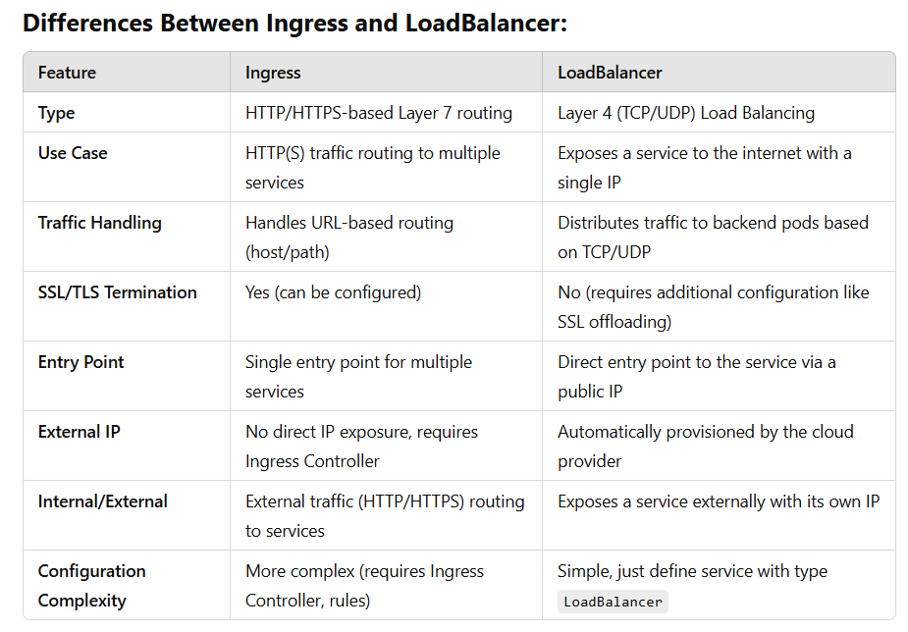

Types of Probes in Kubernetes: 1. Liveness Probe : Liveness probe yeh check karta hai ki container abhi bhi chal raha hai ya nahi. Agar container ka liveness probe fail hota hai, toh Kubernetes us container ko restart kar deta hai. Use Case: Agar container kisi reason se stuck ho gaya ho (jaise crash ho jana ya responsive na hona), toh liveness probe use karke usko restart kiya jaa sakta hai. 2. Readiness Probe : Readiness probe yeh check karta hai ki container traffic ke liye ready hai ya nahi. Agar readiness probe fail hota hai, toh Kubernetes us container ko traffic nahi bhejta (matlab wo container services ke through accessible nahi hota). Use Case: Agar container abhi fully initialize nahi hua hai, toh readiness probe use karke hum ensure karte hain ki container ready hone ke baad hi traffic ko accept kare. 3. Startup Probe : Startup probe yeh check karta hai ki container start ho gaya hai ya nahi. Agar container time se start nahi ho raha ya start hone mein delay ho raha hai, toh startup probe usko restart karne ki action leta hai. Use Case: Agar koi container long time lagata hai start hone mein (for example, database ya heavy app), toh startup probe is delay ko handle karne ke liye use hota hai. Ye ensure karta hai ki Kubernetes container ko unnecessarily restart na kare jab wo abhi startup phase mein ho.

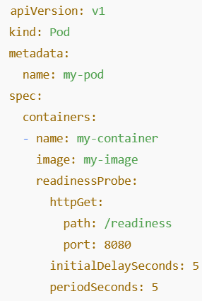
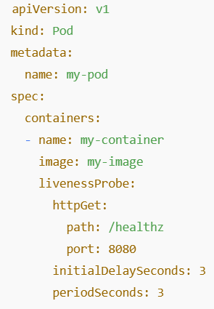 |  |  |  | 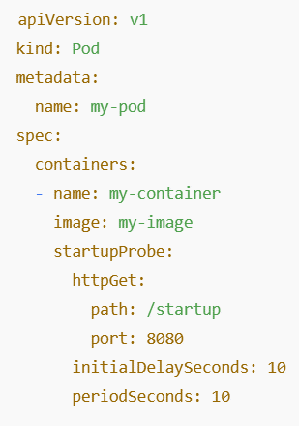

Prometheus + Node Exporter Setup on K8s : 1. Create monitoring Namespace 2. Deploy Node Exporter as a DaemonSet

Terraform
What is Terraform? | 1.Q-What are the possible reasons for the Terraform plan showing "no changes" even when you've modified your infrastructure configuration?
 | 2. Tf loging

Q1- What is Terraform providers & Example? Terraform providers are plugins that enable Terraform to interact with various APIs and services. Providers are responsible for managing the lifecycle of a resource: create, read, update, and delete

Q1- What is Terraform Backend? A Terraform Backend is where Terraform stores the state file (terraform.tfstate) and handles remote operations like locking and state management.

Q2- What is Terraform state and Terraform file? Terraform State : - It records the state of your infrastructure - It created after 1st terraform apply command - with file name terraform.tfstate Terraform File : - Terraform files are the configuration files that define your infrastructure - These files describe the desired state of your infrastructure and are used by Terraform to plan and apply changes. Ex : main.tf, variable.tf, terraform.tfvars, provider.tf, output.tf

What is Terraform modules? - Terraform modules are a way to organize and reuse configuration code in Terraform you can create a module once and reuse it in different places. This helps keep your code clean, efficient, and easier to maintain. • Root Module: The main entry point for Terraform, located in the directory where terraform apply is run. • Child Module: Modules called by another module, usually stored in a subdirectory or sourced remotely. • Remote Module: Modules sourced from remote locations such as Git repositories, Terraform Registry, or other remote storage.

How do you handle secrets in terraform? To handle secrets in Terraform, you use variables to store sensitive information like passwords or API keys securely. You can keep these secrets in environment variables or use tools like Azure Key Vault or HashiCorp Vault for better security. This ensures sensitive data is not hard-coded into your Terraform files and remains protected.

How do you handle explicit dependency in terraform? To handle explicit dependencies in Terraform, you use depends_on to specify which resources must be created or updated before others. This ensures Terraform processes resources in the correct order and avoids issues caused by missing dependencies. It’s like giving clear instructions on the sequence of tasks to be completed.

How do you handle Implicit Dependency in terraform? An implicit dependency is a dependency that Terraform automatically understands based on resource references. If one resource refers to another, Terraform automatically manages the execution order of these resources.

What is terraform resource graph? The Terraform Resource Graph is a visual representation of your infrastructure. It helps Terraform understand the order in which resources should be created, updated, or destroyed. Think of it as a roadmap that guides Terraform in managing your infrastructure.

What is terraform refresh? Terraform Refresh updates Terraform’s state file to reflect any changes made to your infrastructure outside of Terraform. It checks the real-world status of your resources and synchronizes it with the state file. This helps ensure Terraform has the most current information before making further changes.

What is null resource in terraform? In Terraform, a null_resource is a special kind of resource that doesn't actually create any infrastructure, but can be used for running actions or scripts as part of your Terraform configuration. It’s essentially a placeholder resource that you can use to trigger certain actions during the provisioning process.

Someone deleted resources manually in portal how can you recover that through terraform? To recover manually deleted resources, you can run terraform apply to re-create them according to your configuration files. Terraform will notice the missing resources and recreate them to match your desired state. This relies on having accurate Terraform configurations that describe the resources you want to restore.

Explain Terraform workspace? Terraform Workspaces allow you to manage multiple environments (like development, staging, and production) within the same Terraform configuration. Each workspace maintains its own state file, so changes in one environment don’t affect others. It’s like having separate work areas for different stages of your project.

Explain commands of terraform? 1. terraform init : Initializes a Terraform working directory by downloading the necessary provider plugins and setting up the backend configuration. 2. terraform validate : Validates the syntax and configuration of your Terraform files 3. terraform fmt: It formats Terraform code to match the canonical style, including indentation, alignment, and spacing 4. terraform plan: hows you a preview of the changes Terraform will make to your infrastructure based on your current configuration files and the existing state. 5. terraform apply : Applies the changes to your infrastructure based on the plan. It creates, updates, or destroys resources according to your configuration files. 6. terraform destroy : Destroys all resources managed by Terraform. 7. terraform show : Displays details about the Terraform state or plan. 8. terraform output : Retrieves output values from Terraform-managed infrastructure. 9. terraform refresh : Syncs Terraform state with actual infrastructure. 10. terraform taint : Marks a resource for destruction and recreation. 11. terraform untaint : Removes the taint from a resource. 12. terraform state : Manages and inspects the Terraform state file. 13. terraform providers : Lists all providers in use within the configuration. 14. terraform import : Imports existing resources into Terraform's state. 15. terraform console : Opens an interactive console for evaluating expressions. 16. terraform workspace : Manages Terraform workspaces for multiple environments. 17. terraform apply -target=<resource_type.resource_name> target to Apply a Single Resource

What is the use of IAC? Infrastructure as Code (IaC) automates the setup and management of IT infrastructure using code, making it easier to deploy and update resources consistently. It reduces manual errors, speeds up deployment, and allows you to version control your infrastructure just like software code. This helps ensure your environment is reproducible and reliable.

What is terraform taint ? Terraform Taint marks a resource as needing to be recreated. When you run terraform taint, Terraform will destroy the resource and then recreate it during the next apply. This is useful if a resource is malfunctioning or needs to be refreshed to correct issues.

How can we import a resource ? To import a resource into Terraform, use the terraform import command followed by the resource type and ID. This command adds the existing resource to Terraform’s state file without creating a new one. After importing, you should update your Terraform configuration to match the imported resource’s settings. terraform import <resource_type>.<resource_name> <resource_id> ex: terraform import azurerm_resource_group.my_rg /subscriptions/xxxxxxxx-xxxx-xx Find the Resource Group ID az group show --name my-resource-group --query "id" -o tsv

What is the perpose of lockfile ? Terraform uses a lock file (.terraform.lock.hcl) to ensure dependency consistency and prevent unexpected provider version changes. This helps avoid problems from using different versions when running Terraform. It helps maintain consistency and reliability across different runs and environments.

What is locking concept in terraform Locking in Terraform stops two people from changing the infrastructure at the same time. When you run Terraform commands, it locks the state file to ensure that only one operation is applied at a time. This avoids conflicts and ensures consistency in managing your resources.

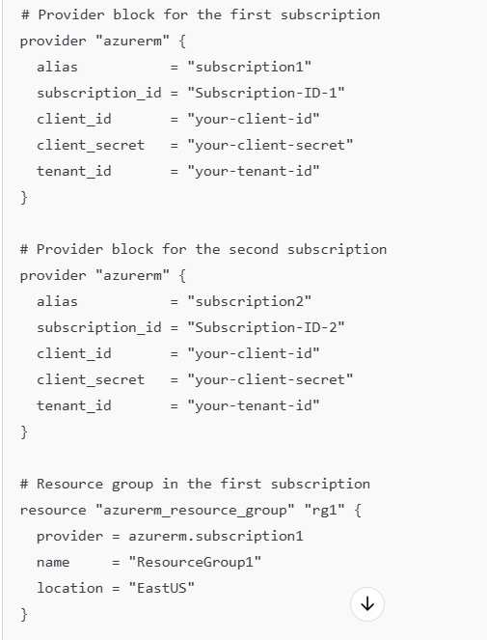
How can we deploy multiple subscription using same terraform code ?

What is data Block ? To call data of an existing resource, use the data block in your Terraform configuration. This block allows you to retrieve and reference information about resources that are already deployed. For example, you can fetch details about an existing virtual network or database to use in your Terraform setup. Ex: data "<provider>_<resource>" "<name>" { # Arguments to fetch data } ---------------------------------------------------------------------------------------------------------- data "azurerm_virtual_network" "existing_vnet" { name = "my-vnet" resource_group_name = "my-resource-group" } resource "azurerm_subnet" "example_subnet" { name = "my-subnet" resource_group_name = data.azurerm_virtual_network.existing_vnet.resource_group_name virtual_network_name = data.azurerm_virtual_network.existing_vnet.name address_prefixes = ["10.0.2.0/24"] }

When the plugins download in terraform ? Terraform downloads plugins during the terraform init command. This command initializes your working directory, including downloading the necessary provider plugins specified in your configuration files. The plugins are then used to manage and interact with your infrastructure resources.

What is difference between terraform refresh and terraform plan. terraform refresh updates Terraform’s state file to reflect any changes made to your infrastructure outside of Terraform, ensuring the state is current. terraform plan shows a preview of what changes Terraform will make based on your configuration compared to the current state. Refresh updates the state, while plan predicts changes.

What type of automation tools you have used other than terraform. Besides Terraform, I’ve used Ansible for automating configuration management and software provisioning, Puppet for managing and automating infrastructure with a declarative language, and Chef for automating infrastructure setup and application deployment. These tools help streamline and manage complex IT environments efficiently.

Which types of resources you have created in Azure. In Azure, I've created Virtual Machines for running applications and services, Azure SQL Databases for storing and managing data, and Azure Kubernetes Service (AKS) for orchestrating containerized applications. These resources help build, deploy, and manage applications in the cloud efficiently.

Suppose a resourse is created using terraform and someone made changes manually using portal, How to sync the changes with terraform state file To sync changes made manually with the Terraform state file, run terraform refresh to update the state file with the current real-world status of your resources. Then, use terraform plan to review what changes Terraform will make to align the state file with your configuration. This process ensures Terraform’s state file matches the actual state of your resources.

what are the Types of modules Root Module: The main module in your Terraform configuration where you define resources directly. Child Modules: Reusable modules that are called by the root module or other modules to organize and manage related resources. External Modules: Pre-built modules shared by the community or organizations, which you can include in your setup to avoid reinventing the wheel. These modules help organize and reuse your Terraform code efficiently."

What are locals in terraform Locals in Terraform are variables defined within your configuration to simplify and reuse values across multiple resources. They allow you to store commonly used values, like IP addresses or names, in one place, making your configuration cleaner and easier to manage. It’s like defining shortcuts for frequently used terms in your code. Ex: locals { rg_name = "my-resource-group" location = "East US" } resource "azurerm_resource_group" "example" { name = local.rg_name location = local.location }

What steps you take to deploy a resourse using Terraform "To deploy a resource using Terraform, follow these steps: 1.)Write Configuration: Define the desired resource in a .tf file using Terraform's configuration language. 2.)Initialize: Run terraform init to set up your working directory and download necessary plugins. 3.)Apply: Use terraform apply to create or update the resource based on your configuration files. This process sets up and manages your infrastructure as defined in your Terraform files."

What is Landing Zones. Landing Zones in Azure are predefined environments or templates designed to quickly set up and configure a secure and compliant foundation for deploying resources. They include best practices for governance, security, and networking. Think of them as ready-made setups that ensure your cloud environment starts off well-organized and secure.

What is terraform flow ? Terraform Flow refers to the sequence of steps Terraform follows to manage infrastructure. It typically involves writing configurations, initializing the setup, planning changes to see what will be altered, applying changes to create or update resources, and refreshing the state to ensure it matches the real-world setup. This flow ensures Terraform effectively manages and updates your infrastructure.

What will happen when we run terraform destroy command. When you run terraform destroy, Terraform will remove all the resources defined in your configuration files. It first plans the destruction of these resources and then applies those changes, effectively deleting the infrastructure you’ve set up. This command is useful for cleaning up and removing everything when you no longer need the resources.

When a statefile will be created ? A state file is created when you run terraform apply for the first time. Terraform generates this file to keep track of the resources it manages and their current status. The state file ensures Terraform knows what’s been created and allows it to make updates or changes accurately.

Provisioners in Terraform In Terraform, a provisioner is a mechanism that allows you to execute actions on your resources after they have been created. Types of Provisioners remote-exec: Executes commands on the remote resource (e.g., a VM or server). local-exec: Executes commands on the machine running Terraform. file: Ye provisioner local machine se file ko remote resource (jaise VM) par copy karta hai Ex: resource "azurerm_resource_group" "example" { name = "example-resources" location = "East US" provisioner "local-exec" { inline = [ "echo Resource Group 'example-resources' has been created!", "echo Another command to run after creation" ] } }

What is terraform Lifecycle lifecycle refers to how Terraform manages resources throughout their existence. It controls how Terraform handles resource creation, updates, and deletion, and you can use it to manage these actions in more specific ways. # Resource Group Block with Lifecycle Block resource "azurerm_resource_group" "example" { name = "example-rg" # Name of the resource group location = "East US" # Location (Azure region) for the resource group tags = { # Optional: Tags to assign to the resource group environment = "Production" department = "IT" } lifecycle { create_before_destroy = true # Ensures the resource is created before it is destroyed prevent_destroy = true # Prevents the resource group from being destroyed ignore_changes = [tags] # Ignores changes to tags, so they won't trigger a re-deployment } }

What is Move Block in terraform? move block Terraform me resources ya modules ko rename/move karne ke liye hota hai bina unko destroy kiye. Yeh Terraform ko batata hai ki resource ka location/state change ho raha hai, lekin resource wahi ka wahi rahega. Ex1: Resource Group ka naam change karna Maan lo tumhare Terraform code me pehle Resource Group ka naam old_rg tha: resource "azurerm_resource_group" "old_rg" { name = "my-old-resource-group" location = "East US" } Ab tumne iska naam new_rg kar diya: resource "azurerm_resource_group" "new_rg" { name = "my-old-resource-group" # Azure me same naam rahega location = "East US" } Agar bina move block ke terraform apply kiya, to Terraform old_rg delete karke new_rg create karega! 🚨 moved { from = azurerm_resource_group.old_rg to = azurerm_resource_group.new_rg }

How many Blocks are in the Terraform 🏗️ 1️⃣ Provider Block 2️⃣ Resource Block 3️⃣ Data Block 4️⃣ Output Block 5️⃣ Variable Block 6️⃣ Module Block 7️⃣ Terraform Block 8️⃣ Locals Block 9️⃣ Provisioner Block 🔟 Backend Block 1️⃣1️⃣ Lifecycle Block 1️⃣2️⃣ Depends_on Block

How you will use RBAC policy through code resource "azurerm_role_assignment" "example" { principal_id = "<USER_OR_SERVICE_PRINCIPAL_OBJECT_ID>" # Ye user ya service principal ka object ID h role_definition_name = "Reader" # Role jo aap assign karna chahte hain scope = "/subscriptions/<subscription_id>" # Scope of assignment (resource group, subscription, etc.) }

How we can apply RPO and RTO with Terraform? RPO (Recovery Point Objective) - Data Loss Control ka matlab: Kitna recent data aap loss hone se bacha sakte ho. (Example: Agar RPO = 15 min hai, toh har 15 min me backup lena hoga). --It defines how much recent data you can afford to lose in the event of a failure or disaster. resource "azurerm_backup_vault" "vault" { name = "my-backup-vault" resource_group_name = "my-rg" location = "East US" sku = "Standard" } resource "azurerm_backup_policy_vm" "policy" { name = "backup-policy" resource_group_name = "my-rg" vault_name = azurerm_backup_vault.vault.name backup { frequency = "Every 15 Minutes" # RPO = 15 min (Backup har 15 min me hoga) time = "12:00" } } ✅ Matlab: Agar system crash ho gaya, toh max 15 minutes ka data loss hoga, usse pehle ka restore kar sakte ho.

RTO (Recovery Time Objective) - Downtime Control ka matlab: Disaster hone ke baad kitne time me system restore ho sakta hai. (Example: Agar RTO = 1 hour hai, toh 1 ghante ke andar system up ho jana chahiye). ✅ Terraform se Multi-Region Failover Setup (RTO Control Karna) Agar Azure pe application host kar rahe ho aur failover automation chahte ho, Traffic Manager (Azure) ka use kar sakte ho. Example: Agar primary region down ho jaye, toh automatically secondary region pe traffic shift ho jaye. ✅ Matlab: Agar Primary Region down hota hai, toh automatically traffic Secondary Region pe chala jayega, isse downtime minimize hoga aur RTO maintain rahega.

Azure DevOps
What is Azure DevOps? Azure DevOps is a set of development tools and services provided by Microsoft for software development teams. It provides tools for project management, version control, continuous integration, continuous delivery (CI/CD), and more. Here are some of the key components and features: | Question: Aapko ek Azure DevOps pipeline setup karni hai jo Dev, QA, aur Prod environments me deploy kare, lekin Prod me manual approval chahiye. Aap kaise implement karenge? Ans : 1. Prerequisites ✅ Azure DevOps Account & Project ✅ Azure Subscription (Linked with DevOps) ✅ React App ka Git Repository (Azure Repos ya GitHub) ✅ Azure Web Apps (Dev, QA, Prod) already created ✅ Service Connection (Azure DevOps → Azure Web Apps link karne ke liye) 2. Azure DevOps Me Environments Create Karna : Azure DevOps me 3 environments banane honge: Azure DevOps → Pipelines → Environments → "New Environment" Environment Names: Dev QA Prod (Isme manual approval enable karenge) Environments create karne ke baad Deployment approvals set karni hogi (Step 5 dekho). 3. Variable Groups Create Karna (Environment-specific Variables) :Azure DevOps me Library section me variable groups create karo. 1.Azure DevOps → Pipelines → Library → Variable Groups → "New Variable Group" 2.Variable Group Name: ReactAppVariables 3.Variables Add Karo (Dev, QA, Prod ke liye alag values rakh sakte ho) 4. Pipeline Permissions Enable Karo "Allow access to all pipelines" ko enable karo. 5. Save kar do. 4. YAML Pipeline Create Karna (azure-pipelines.yml) 5. Manual Approval Enable Karna (Prod ke liye) Azure DevOps → Pipelines → Environments → Prod Environment open karo 1. "Approvals and Checks" section me jao 2. "Approvals" enable karo 3. Approvers add karo (e.g. tumhari team ka koi member ya khud ka email) 4. Save changes Iske baad jab Prod deployment start hoga to approval ke bina nahi chalega. 6. Pipeline Run Karna Ab jab tum main branch me push karoge ya manually pipeline run karoge: ✅ Dev environment me automatic deploy hoga ✅ QA environment me automatic deploy hoga ✅ Prod deployment ruk jayega jab tak manual approval na mile

What is key component of Azure DevOps? 1. Azure Boards 2. Azure Repos 3. Azure Pipelines 4. Azure Test Plans 5. Azure Artifacts

1. Azure Boards: Used for project management and tracking. Supports work items, backlogs, sprints, and Kanban boards. Provides tools for planning, tracking, and discussing work across the team. 2. Azure Repos: Provides version control for your code. Supports both Git and Team Foundation Version Control (TFVC). Git is a distributed version control system, while TFVC is a centralized version control system. Offers code collaboration features like pull requests, code reviews, and branch policies. 3. Azure Pipelines: Facilitates continuous integration and continuous delivery (CI/CD). Supports building, testing, and deploying code to any platform and cloud. Integrates with various tools and services, including GitHub, Docker, Kubernetes, and more. Provides YAML pipelines for pipeline as code. 4. Azure Test Plans: Provides tools for manual and exploratory testing. Allows creating and running test plans, test suites, and test cases. Supports integration with Azure Pipelines for automated testing. 5. Azure Artifacts: Allows managing and sharing packages. Supports various package types such as NuGet, npm, Maven, Python, and Universal Packages. Facilitates creating, hosting, and sharing packages across the development team.
...
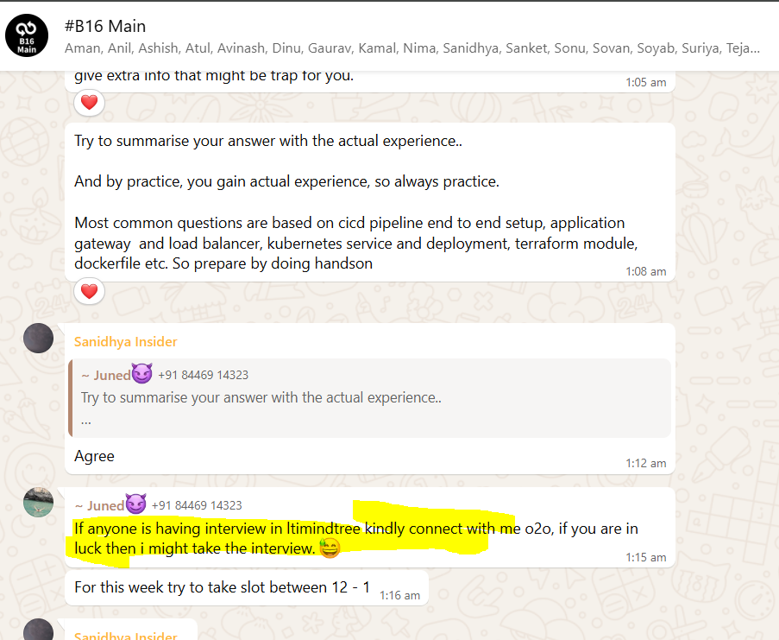
...
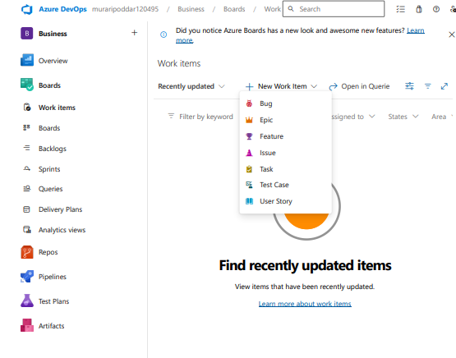
...

ArgoCD
...
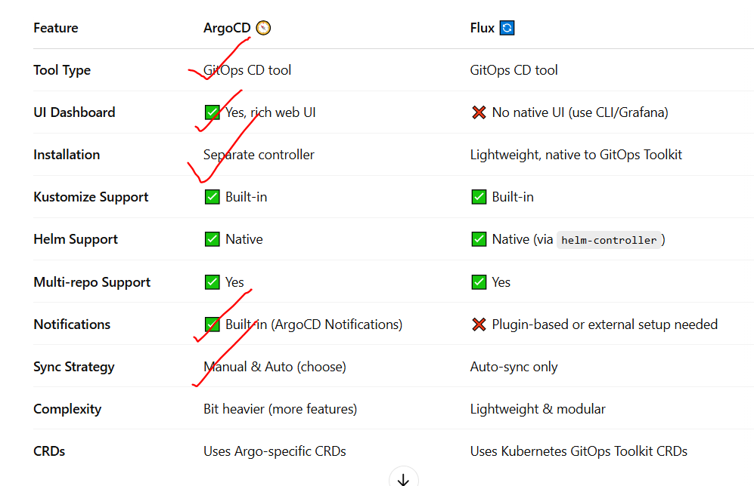
...

Data Bricks
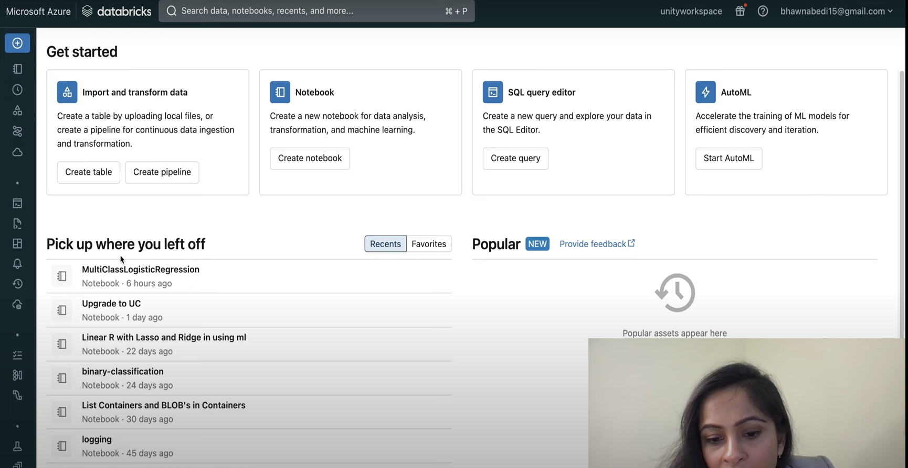
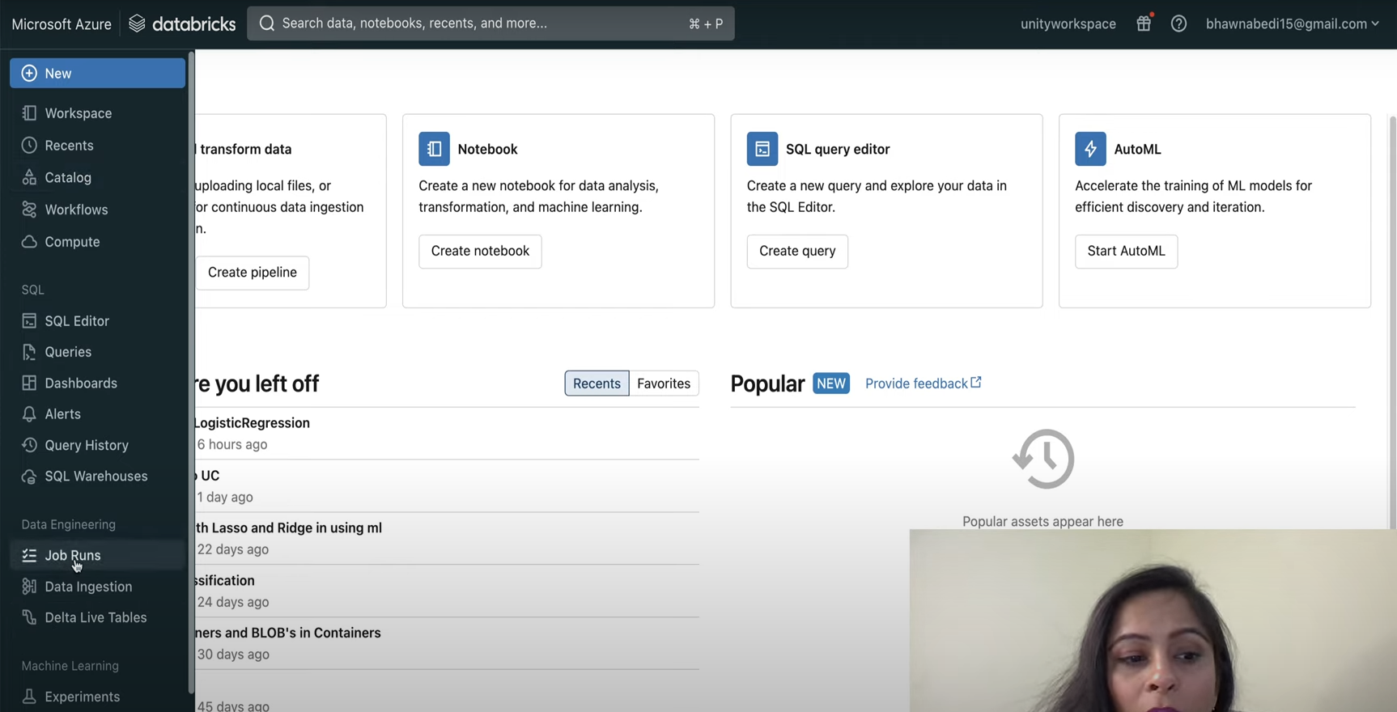

d_nEXT
