Terraform
S.NO | QUESTION | Answer
1 | How to create a VM via terraform with external disk attached?
2 | What is backend, types of backend, advantage of using remote backend. | In Terraform, a backend defines how and where the Terraform state is stored. The state keeps track of the resources created and managed by Terraform. Using backends enables remote state storage and provides additional features like state locking and collaboration.
3 | What is state lock? how to force unlock the state lock using cli command and using portal.? | A state lock is a mechanism used to prevent concurrent modifications to the Terraform state file. It ensures that only one user or process can modify the state at a time, preventing conflicts, race conditions, and potential state corruption. State locking is especially important when multiple users or systems are working with Terraform. terraform force-unlock <LOCK_ID>
4 | What is zero drift ? | Zero Drift means the infrastructure matches exactly with the Terraform configuration. if code written in config file = resources available in tfstate = infra available on cloud, it is called zero drift.
5 | When is the state file created for the first time? | after 1st time terraform apply
6 | What is dynamic block ? and advantages of using dynamic block ? | A dynamic block in Terraform allows you to generate multiple nested blocks dynamically based on a list or map. Reduces Code Duplication. Improves Scalability. Reduces Manual Management, Conditional Resource Creation.
7 | What is Data block and why do we use ? | In Terraform, a data block is used to fetch existing resources from a cloud provider without creating or modifying them. which
8 | list all resources in a subscription | az resource list --output table
9
10 | Terraform taint ? | The terraform taint command was used in Terraform before v0.15 to mark a resource for recreation in the next terraform apply run. However, it is now deprecated and replaced by terraform apply -replace. terraform apply -replace="azurerm_resource_group.rg" "OR" terraform taint azurerm_resource_group.rg terraform apply
11 | How you migrate data from cloud init to terraform | Cloud-init से डेटा कलेक्ट करें और उसे JSON या CSV में एक्सपोर्ट करें। 2. Terraform का उपयोग करें, ताकि आप उस डेटा को अपने क्लाउड इंफ्रास्ट्रक्चर (जैसे S3, डेटाबेस) में माइग्रेट कर सकें। 3. Terraform Provisioners का उपयोग करके Cloud-init द्वारा बनाए गए डेटा को Terraform स्टेट में लाएं। 4. Terraform Import का उपयोग करके डेटा को Terraform में इंटीग्रेट करें। 5. डेटा को Terraform रिसोर्सेज में माइग्रेट करें और ऑटोमेट करें। यह प्रक्रिया आपको Cloud-init से डेटा को Terraform में माइग्रेट करने में मदद करेगी।
12 | Terraform import command ? | The terraform import command is used to import existing infrastructure resources into Terraform’s state. This is useful if you want to manage resources that were created outside of Terraform or if you are migrating an existing infrastructure to be managed by Terraform. when to use terraform import ? azure portal pe resource h but terraform statefile se delete ho gaya hai ... terraform import <resource type.block><resource ID> azure portal pe resource created outside the terraform (manually or through arm template etc..) and i want terraform to mange these resources... add resource in configuration file and then run terraform import command. command formate : terraform import <resource type.block><resource ID> example : terraform import azurerm_resource_group.rg /subscriptions/9117002a-2308-428d-993b-9f46dfdfd10c/resourceGroups/test-RG in above example .. resource type: azurerm_resource_group resource block: rg resource ID : /subscriptions/9117002a-2308-428d-993b-9f46dfdfd10c/resourceGroups/test-RG resource id portal pe resource group me json view me dikhta h ya fir setting-properties me milta hai.
13 | Terraform refresh ? | to refresh the state file. Syncing state file with real resource data. in case a resource is created using terraform and someone deleted from portal, so we can just refresh the state to sync and in next terraform plan/apply it will show 1 to add.
14 | what is command to use update cloud provider (azurerm, aws etc ) | jis version pe jana hi provider.tf me wo version daal denge fir below command run. terraform init -upgrade
15 | there are 10 resources on cloud and i want to delete one of them. how can you achieve that ? | terraform destroy -target=azurerm_virtual_machine.example example : terraform destroy -target=azurerm_storage_account.stg
16 | what is terraform lifecycle block.? | The lifecycle block is used inside a resource block to define special behavior like: ✅ Preventing resource deletion ✅ Forcing resource recreation ✅ Ignoring certain changes
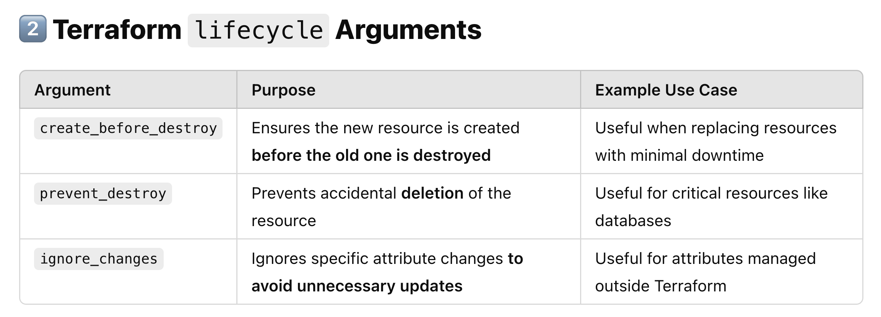
17
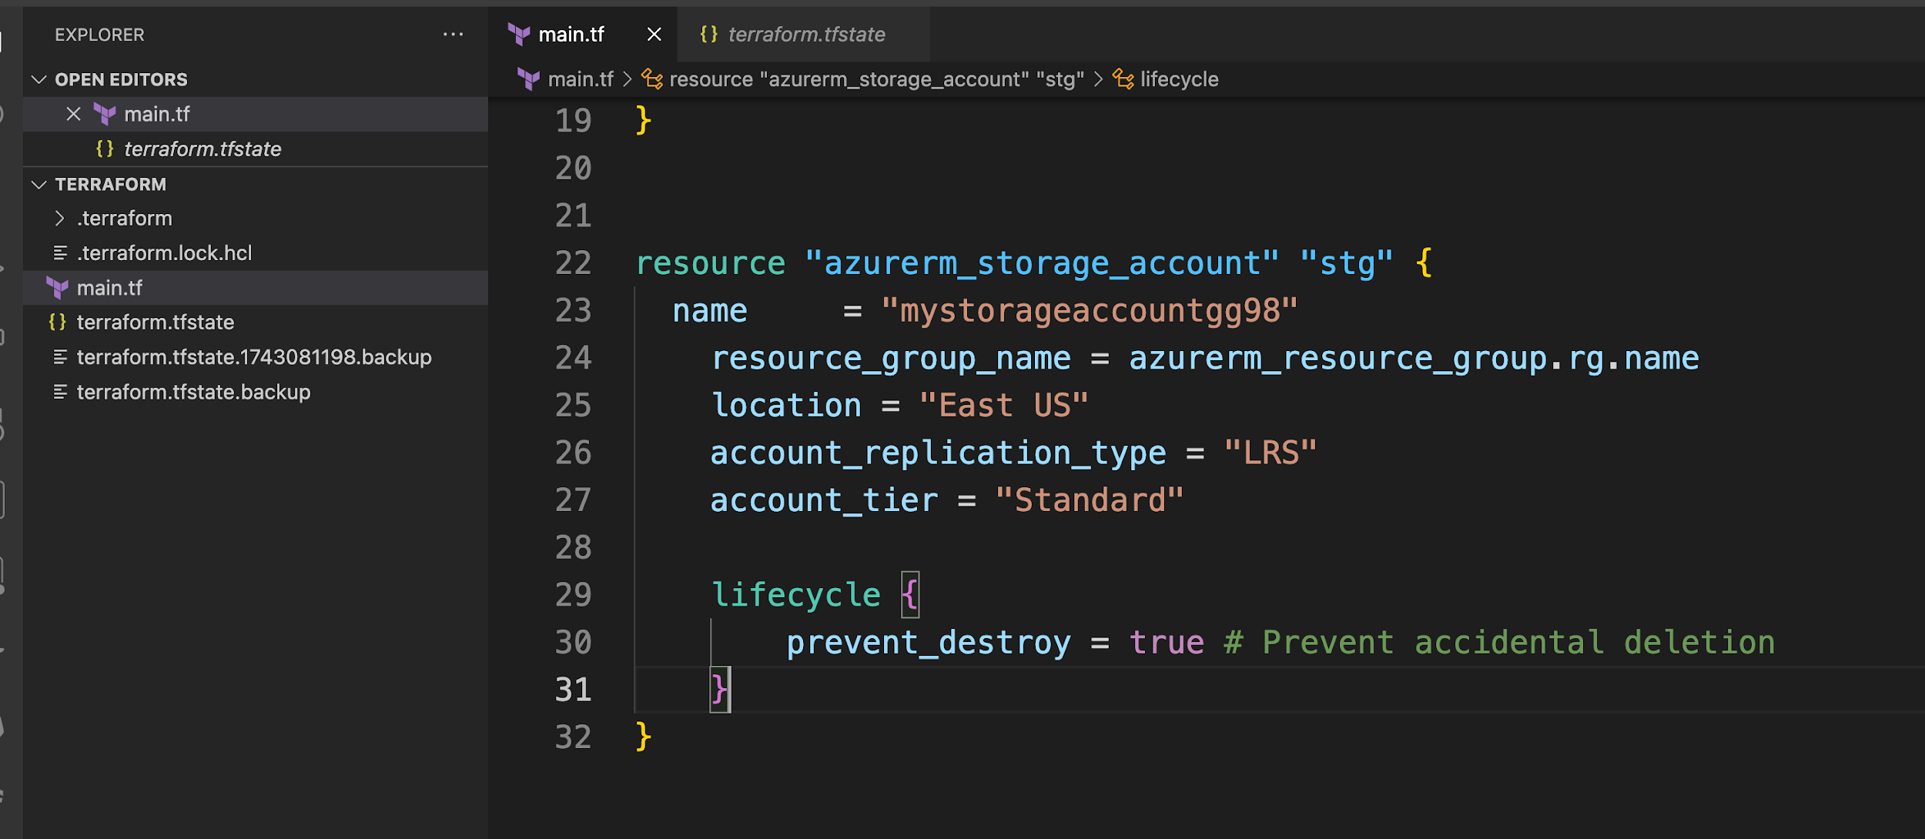
18
19 |  | terraform destroy -target=azurerm_storage_account.stg above command will throw an error as ... instance cannot be destroy
20
21 | What are different types of modules in terraform ? | 1. Route module: where we actually call the child module. 2. Child module: where we write all resource configuration 3: Published module : if configuration file stored on github or other repo and we want to call it in route module.
22 | terraform work space ? | Allow to manage seperate statefile for each workspace. We can manage multiple environments using workspace
23 | how to secure terraform statefile ? | Regular backup, remote backend, set the policy, enable versioning for blobs.
24 | how to enable terraform statefile versioning so that in case if statefile is deleted so we can recover it. | storage account-->>Data protection---->>Tracking---->>enable versioning for blobs --->>
25 | Explain the lifecycle of terraform. | Terraform init, validate, fmt, plan, refresh, destroy
26 | Execution order of terraform blocks. | Order Terraform Block Execution Behavior 1️⃣ Terraform Block (terraform {}) Defines backend, provider versions, and requirements. 2️⃣ Provider Block (provider {}) Configures cloud providers like Azure, AWS, GCP. 3️⃣ Data Source Block (data {}) Fetches external information (e.g., existing VMs, networks). 4️⃣ Resource Block (resource {}) Creates, updates, or deletes cloud resources. 5️⃣ Module Block (module {}) Calls external Terraform modules for modular infrastructure. 6️⃣ Output Block (output {}) Displays useful resource information (e.g., IP address).
27 | Terraform provisioners | Use Case Best Provisioner Run a command on the local machine local-exec Run a command inside a virtual machine remote-exec Copy a file to a virtual machine file provisoner Run a script without creating resources null_resource provisioner "remote-exec" { inline = [ "scp -i /path/to/your/private_key local_file.txt user@${self.public_ip}:/remote/path/" ]
28 | Null resource ? | Run the scripts without creating a resource. resource "null_resource" "example" { provisioner "local-exec" { command = "echo Hello, World!" } }
29 | dirrerence between null resource and provisoner ?
30 | A DevOps Engineer manually created infrastructure on AWS, and now there is a requirement to use Terraform to manage it. How would you import these resources in Terraform code? | 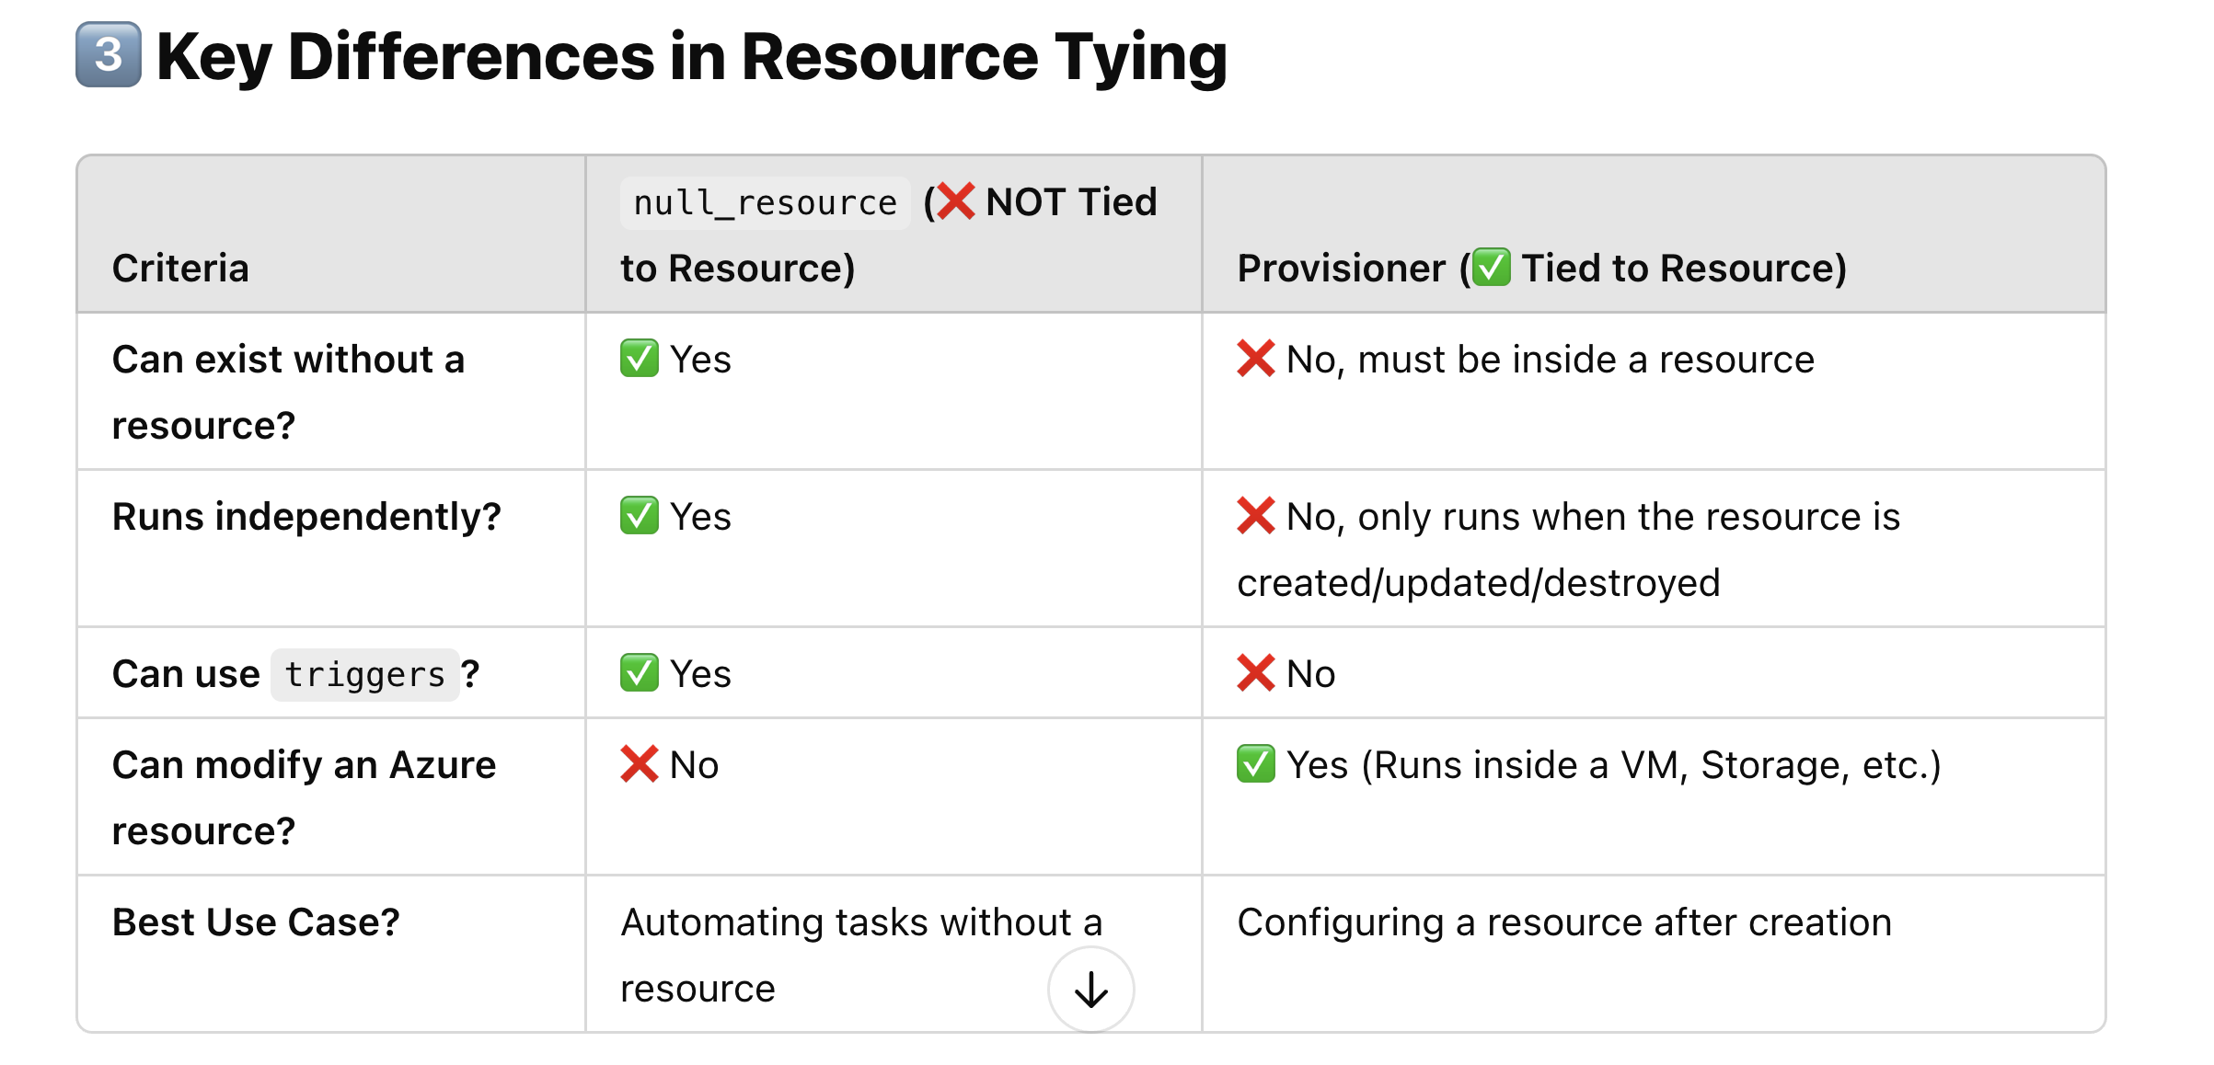 To import existing AWS resources into Terraform, you can follow these steps: 1. Write Terraform configuration for the resources you want to manage. 2. Run terraform import command for each resource, specifying the resource type and its unique identifier in AWS. For example: terraform import aws_instance.example i-1234567890abcdef0 Repeat this process for each resource you want to manage with Terraform.
31 | How can you implement automated testing for Terraform code? | Tools: 1. Unit Testing: Validate individual modules with terraform-compliance or terratest . 2. Integration Testing: Use Terratest or Kitchen-Terraform for real/simulated environment tests. 3. Linting: Ensure code quality with TFLint or Checkov . 4. Static Analysis: Detect security issues using tfsec . 5. CI Integration: Automate testing in CI pipelines (Jenkins, GitLab CI, GitHub Actions). 6. Mocking: Simulate dependencies with Mockery or Terratest Mocking . 7. Parameterized Testing: Test various scenarios with different input parameters. 8. Environment Management: Manage environments with Terraform Workspaces or Terraform Cloud/Enterprise .
32 | You are taskeds with migrating your existing infrastructure from terraform version 1.7 to version 1.8 so what kind of considerations and steps would you take? | Review the upgrade guide to understand changes, deprecations, and new features. Terraform Scenario based Interview Questions 15 Update configuration files to match new syntax and handle deprecated features. Address any breaking changes introduced in the new Terraform version. Ensure thorough testing in a non-production environment before applying changes in production. Document any changes and provide training to team members as needed.
33 | remote migration of the state to local | terraform init -migrate-state
34 | what happen when state file deleted and we fire apply command | Error: A resource with the ID "/subscriptions/9117002a-2308-428d-993b-9f46dfdfd10c/resourceGroups/myResourceGroup" already exists - to be managed via Terraform this resource needs to be imported into the State. Please see the resource documentation for "azurerm_resource_group" for more information.
35 | what are the meta argument ? | In Terraform, meta arguments are special settings that help you manage how Terraform handles resources and modules. They allow you to control things like resource dependencies, how many resources to create, and how to handle changes to those resources. depends_on, for_each, list, count ,
36 | Teraform state rollback ?
37 | local block ? | 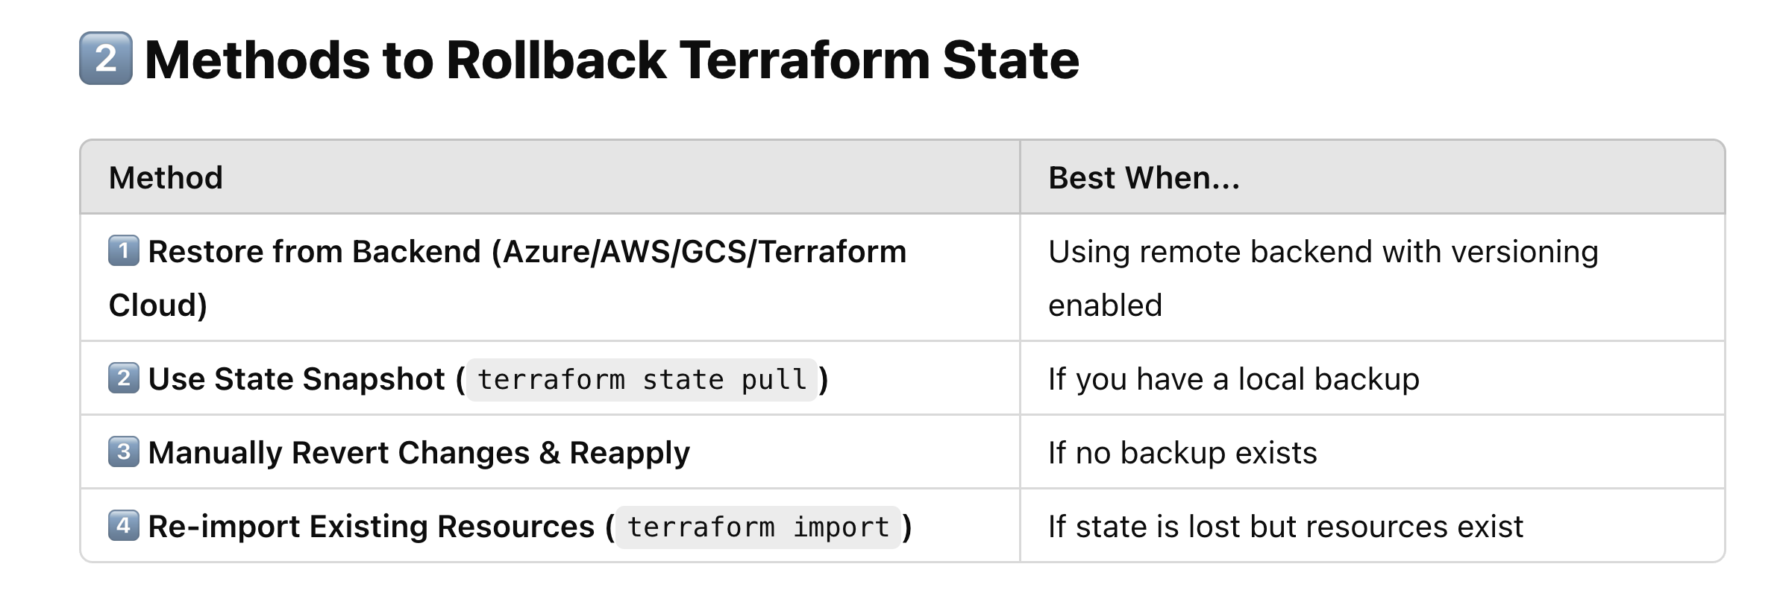 The locals block in Terraform is used to define reusable values inside your Terraform configuration. see below example...... use repetative arguments of resource block inside the local block... locals { resource_group_name = "my-resource-group" location = "East US" vm_size = "Standard_B1s" } resource "azurerm_resource_group" "example" { name = local.resource_group_name location = local.location } resource "azurerm_virtual_machine" "example" { name = "my-vm" location = local.location resource_group_name = local.resource_group_name vm_size = local.vm_size }
38 | Terraform resource graph ? | Visual representation of all the resources configuration. terraform graph | dot -Tpng > graph.png graphviz must be installed in your pc. choco install graphviz [for window pc] sudo apt update && sudo apt install graphviz -y [for ubuntu] brew install graphviz [for Mac]
39 | How to select right VM Sise ? | General purpose - A, B and D Memory optimized - E series Compute optimized- F series
40 | What is difference between arm template and and terraform ?
41 | How can you pass the .tfvars file in terraform at runtime. | terraform apply -var-file=abcd.tfvars
42 | Terraform moved block ? | to rename the resource name. or move the resource from one module to another. 🔹 Why Use moved in Azure? ✅ Rename a resource (e.g., Virtual Machine, Storage Account, etc.) ✅ Move a resource inside a module ✅ Avoid unnecessary deletion and recreation of resources moved { from = azurerm_resource_group.rg to = azurerm_resource_group.rg_new } resource "azurerm_resource_group" "rg_new" { name = "myResourceGroup_new" location = "East US" }
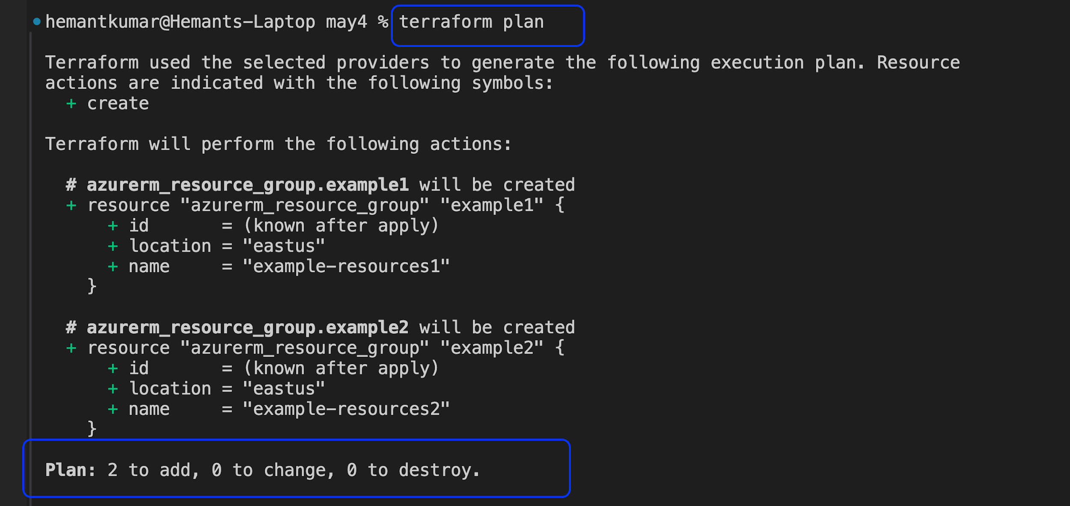
43 | Two resource created and managed by terraform, now someone deleted statefile. and now what will be the output of terraform plan ?
44 | Two resource created and managed by terraform, now someone deleted statefile. and now what will be the output of terraform apply ?
45 | Now how will you import created resources from portal to statefile ? | terraform import <resource type.block><resource ID> Ex: terraform import azurerm_resource_group.my_rg /subscriptions/xxxx/resourceGroups/my-resource-group
46
47 | How do you handle working with different Terraform versions across projects? | 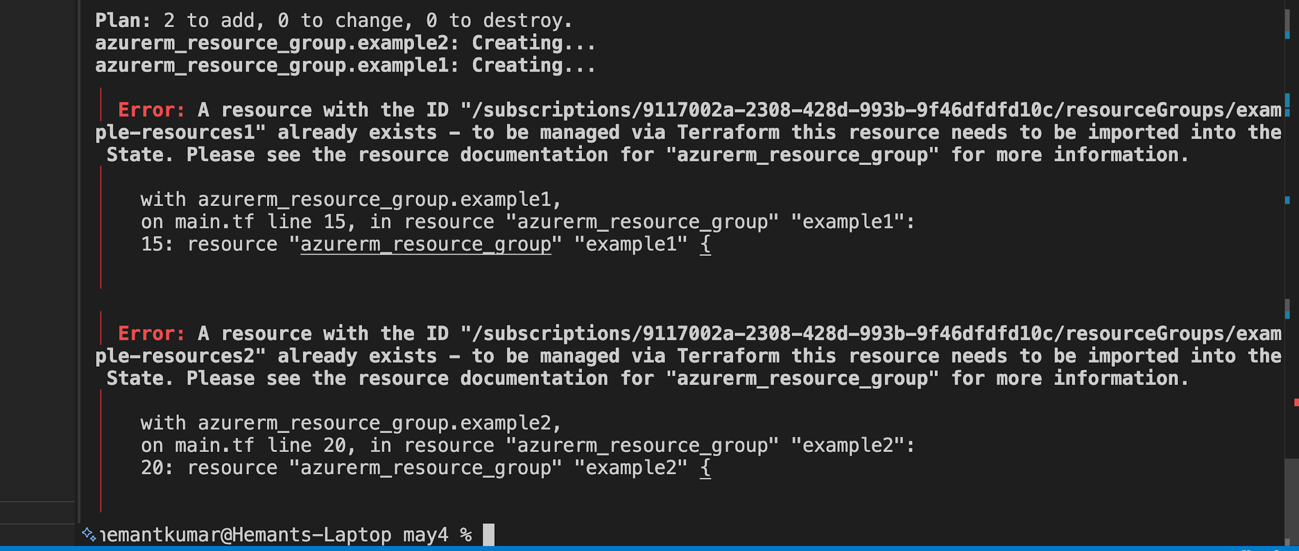 "In our projects, we often deal with multiple clients using different Terraform versions. To manage this efficiently, I use a tool called tfenv, which allows me to install and switch between specific Terraform versions easily. For each project, I maintain a .terraform-version file in the root directory. This ensures that the correct version is automatically selected when I enter that project’s folder. Additionally, in CI/CD pipelines, I make sure the version is explicitly installed and used to prevent compatibility issues. When migrating from an older version to a newer one, I follow Terraform’s upgrade guides step-by-step, clean the .terraform directory, reinitialize with terraform init, and validate the code to ensure everything works correctly with the new version."
48 | Two resource created and managed by terraform, now someone deleted one resource manualy from portal. and now what will be the output of terraform plan ? | one to add
49 | Two resource created and managed by terraform, now someone deleted one resource manualy from portal. and now what will be the output of terraform apply ? | resouces will be created
50 | which command used for terraform plan to save the execution plan to a file? | terraform plan -out=FILENAME
51 | remote migration of the state to local | terraform state mv terraform state list terraform state pull /push terraform state show <resource_name>
52 | terraform dependencies | In Terraform, execution of block done parallely . Two type of dependencies:- 1. Implicit :-These dependencies in terraform are automatically determined by the order of resource reference.Terraform build a dependencies graph based on these references and ensure resource are created or destroyed in correct order . 2. Explicit :- These dependencies are manually specified using the "depend_on" meta argument .
53 | count vs for_each
54 | list Vs set
55 | How we can apply RPO and RTO with Terraform
56
57
58
59
60
61
62
63
64
65
66
67
68
69
70
71
72
73
74
75

