01_Project & Citation
Instacart Grocery Basket Analysis

Project Name: Instacart Grocery Basket Analysis
Date: 9/11/25
Analyst Name: Neway Mamo
Data Sources: Instacart open-source dataset
Description: This analysis explores customer ordering behavior and purchasing trends based on Instacart transaction data.

Contents:
Population Flow
Consistency checks
Wrangling steps
Column derivations
Visualizations
Recommendations

Citation:
“The Instacart Online Grocery Shopping Dataset 2017”, Accessed from www.instacart.com/datasets/grocery-shopping-2017 via Kaggle on July 25, 2025.

Note: Instacart is a real company that’s made their data available online. However, the contents of this project brief have been fabricated for the purpose of this Achievement. CareerFoundry Data Sets: • Customers Data Set

02_Population Flow
Title page

Population flow

Exclusion flag
Condition: max_order < 1
Obervations to be removed: 1,459
Final total count of order_products_all: 32,433,030

Orders_products_combined
Orders_products_merged
Orders_products_all

Total: 32,433,030
Total: 32,434,489
Total: 32,433,030

1.) The grey boxes in the first row of the population flow represent the original data sets as they were when you downloaded them. In the Total fields you need to add the count of the rows when you imported the data set into Jupyter.
2.) The second row of boxes (coloured) represents the data sets after you manipulated them, e.g., removed missing values and duplicates. In the Total fields you need to add the count of the rows after conducting these operations. This offers a visual oveview of how the data flows throughout the data consistency checks.
3.) The third row, where also the arrows are coloured, represents the merges you performed between the datasets. In the Total fields you need to add the count of the rows in the merged datasets, so that you end up with the final dataset (in the red box). Keep in mind the final dataset should be without exclusions (based on the exclusion flag).

03_Consistency Checks
 |  |  |  | Title page
Consistency checks

Dataset | Missing values | Missing values treatment | Duplicates
orders | 206.209 | Left as-is (first orders naturally have missing values) | 0
products | 4 | 4 rows removed | 0
orders_products_prior | 0 | N/A | 54,219 removed
customers | 0 | N/A | 0

04_Wrangling & Security
 |  |  |  | Title page
Wrangling steps

Columns dropped | Columns renamed | Columns' type changed | Comment/Reason
Unnamed: 0 |  |  | Index column created automatically during CSV import; dropped as it's unnecessary.
 | product_name → product |  | For clarity and consistency with naming conventions.
 |  | user_id → str | Converted to string to avoid numeric formatting and allow categorical analysis.
 |  | order_hour_of_day → category | Converted to category to optimize memory and processing for groupby ops.

05_Derived Columns
 |  |  |  | Title page

Column derivations and aggregations

In this tab you should add tables below that the frequences of flags/label variables that you produced after deriving them. NB: don't do this for continuous variables, only for flags.
Dataset | New column | Column/s it was derived from | Conditions
ords_prods_merge | price_range_loc | prices | ≤ 5: 'Low range'; 5–15: 'Mid range'; >15: 'High range' based on unit price of each product to categorize affordability levels.
ords_prods_merge | busiest_day | order_dow | Day with highest number of orders labeled 'Busiest day'; others = 'Not busiest day' determined by counting total orders per weekday.
ords_prods_merge | busiest_days | order_dow | Top 2 weekdays by order volume = 'Busiest days'; bottom 2 = 'Slowest days'; others = 'Regular' categorizes weekly demand pattern.
ords_prods_merge | busiest_period_of_day | order_hour_of_day | order_hour_of_day mapped to: Most (hours 10–15), Average (8–9 & 16–18), Fewest (others) reflects hourly ordering trends.
ords_prods_merged | loyalty_flag | max_order | Based on max_order: >40 = 'Loyal', 10–40 = 'Regular', ≤10 = 'New' categorizes customer retention level.
ords_prods_merged | spender_flag | Mean of prices per user | Based on mean product price per user: <10 = 'Low spender', ≥10 = 'High spender' measures typical spending behavior.
ords_prods_merged | order_freq_flag | Median of days_since_prior_order | Based on median of days_since_prior_order: >20 = 'Non-frequent', 10–20 = 'Regular', <10 = 'Frequent' segments customers by order regularity.

loyalty_flag | Count
Loyal | 34.213
Regular | 28.109
New | 15.708

order_freq_flag | Count
Non-frequent | 22.301
Regular | 37.219
Frequent | 18.51

spender_flag | Count
Low spender | 42.891
High spender | 35.139

06_Visualizations
 |  | Title page

Visualisations

In this tab you should include all the visualtions from Exercises 4.9 and 4.10, alongside the questions from the project brief that they answer. Include any commentary on the relationship between different variables.

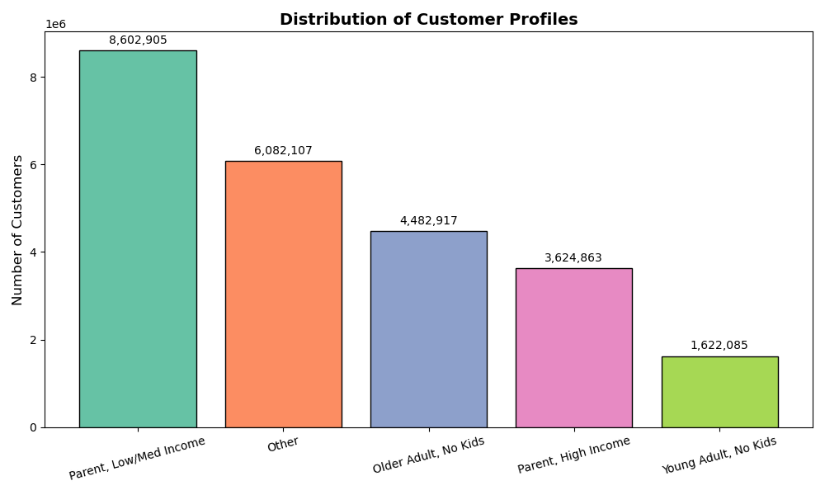
Question
What are the dominant segments in each region?
 | Customer Segment Distribution This bar chart highlights the overall distribution of customer segments. The "Parent, Low/Med Income" segment is clearly dominant, suggesting targeted marketing strategies for this group.

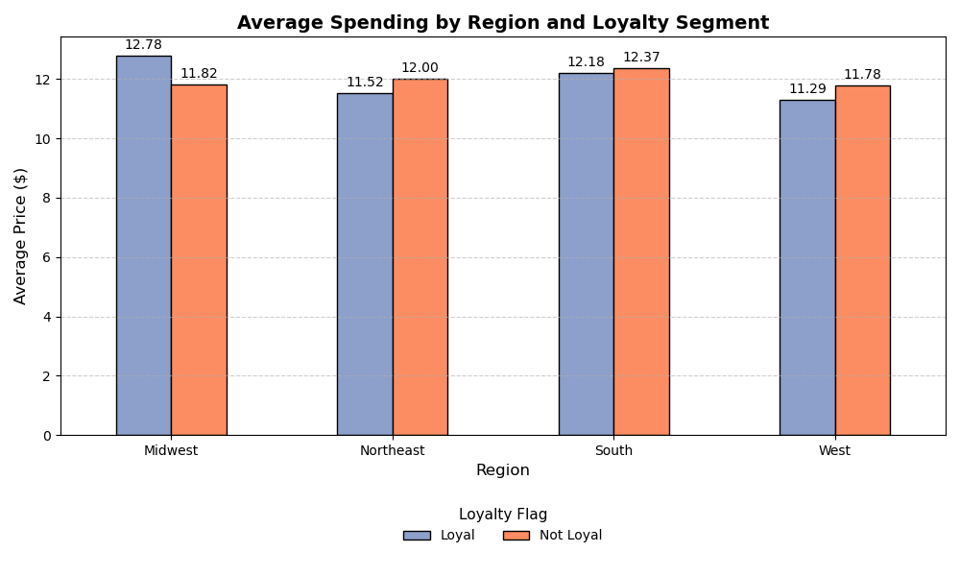
Question
Which region has the highest loyalty score?
 | Average Spending by Region and Loyalty This grouped bar chart compares average spending across loyalty segments and regions. Surprisingly, in some regions, non-loyal customers spend more on average than loyal ones — indicating potential for loyalty program optimization.

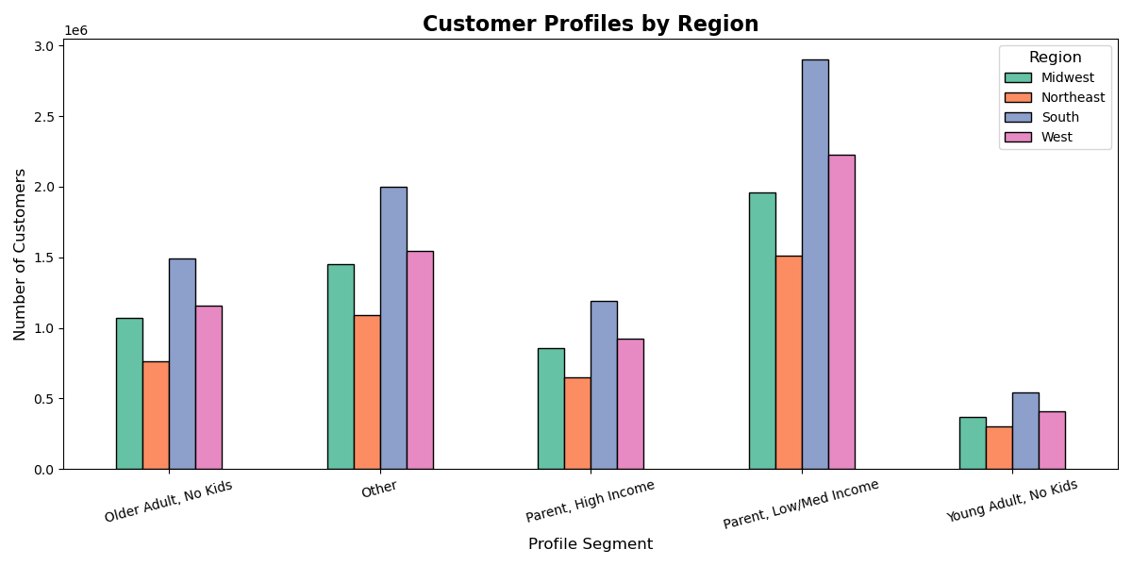
Question
How does average spending vary across regions?
 | Customer Profile by Region This bar chart shows the distribution of customer profiles across different regions. The "Parent, Low/Med Income" segment is most common in the South, while the "Young Adult, No Kids" group appears less frequently across all regions.

Question
How does purchase behavior differ by time of day and region?
Heatmap – Profiles by Region
This heatmap visualizes the concentration of customer profiles by region. Darker shades indicate higher counts. The South region shows a strong presence of parents with lower to medium income levels.
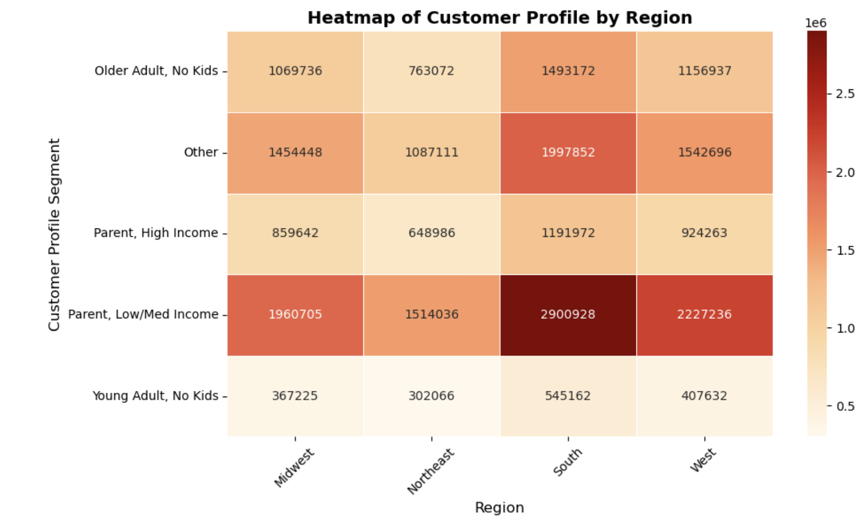

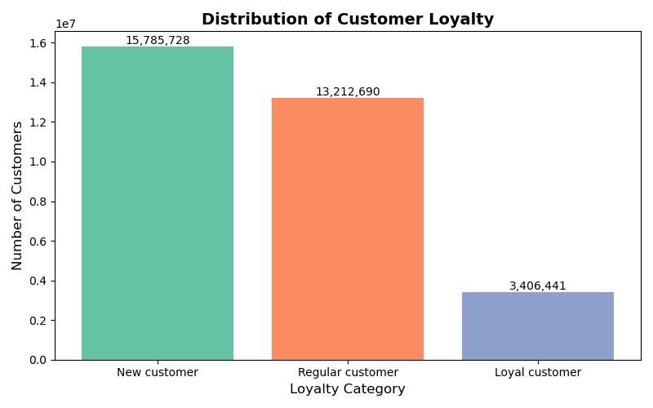
Question
What is the distribution of customers by loyalty category?
 | Loyalty Category Distribution Shows the distribution of customers by loyalty category (new, regular, loyal). Highlights customer retention challenges.

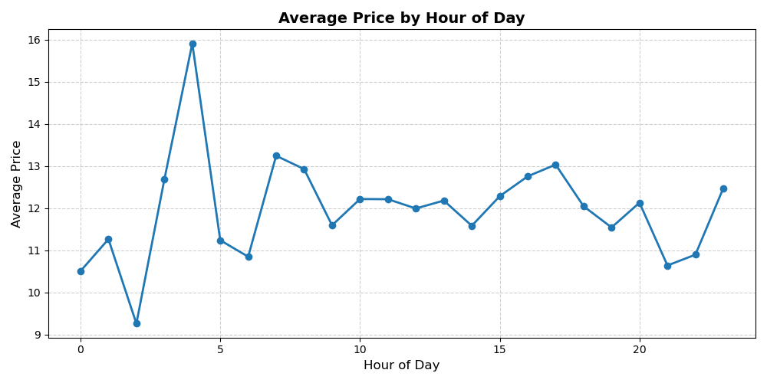
Question
During which hours are order prices the highest?
 | Average Order Price by Hour Depicts average order price throughout the day. Identifies premium shopping hours for potential marketing opportunities.

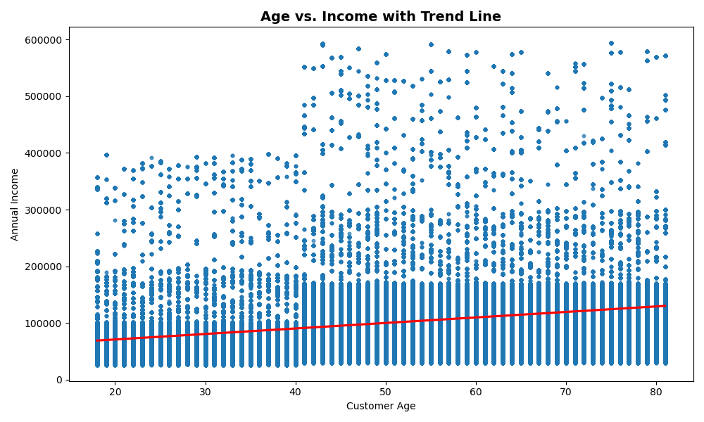
Question
Is there a correlation between age and income?
 | Shows the relationship between customer age and annual income, with a trend line indicating a positive correlation. Useful for identifying high-income older customer segments.

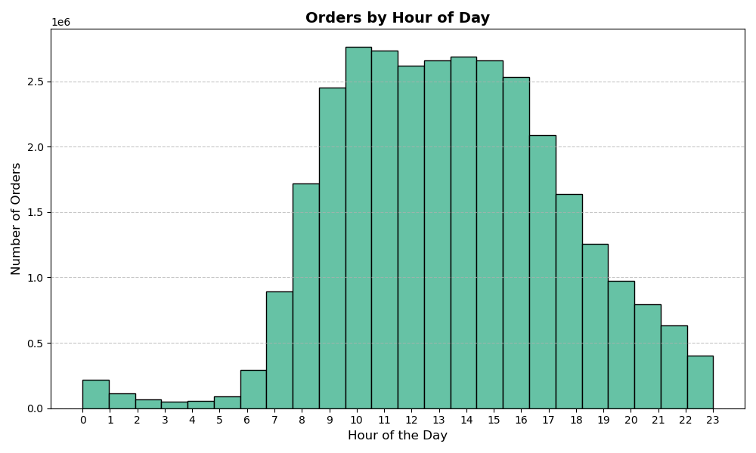
Question
When are the most popular hours to place orders?
 | Displays the distribution of order volume across hours of the day. Helps identify peak shopping periods for scheduling campaigns and optimizing system load.

Question
How do age and number of dependants relate?

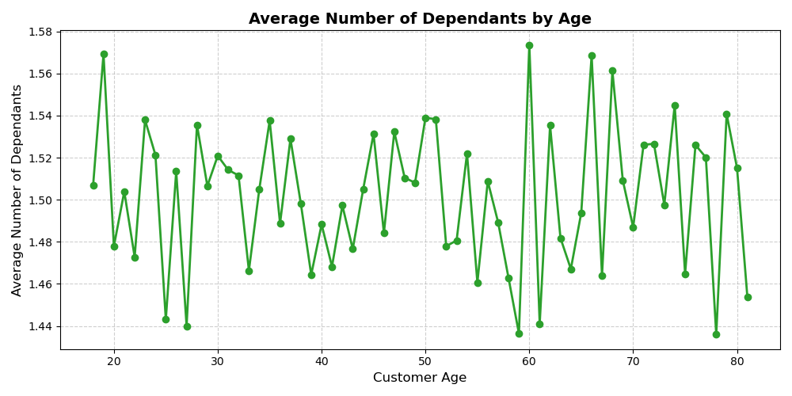
 | Visualizes the average number of dependants by customer age. Highlights age ranges with greater family responsibilities, informing product targeting strategies.

