Executive Dashboard
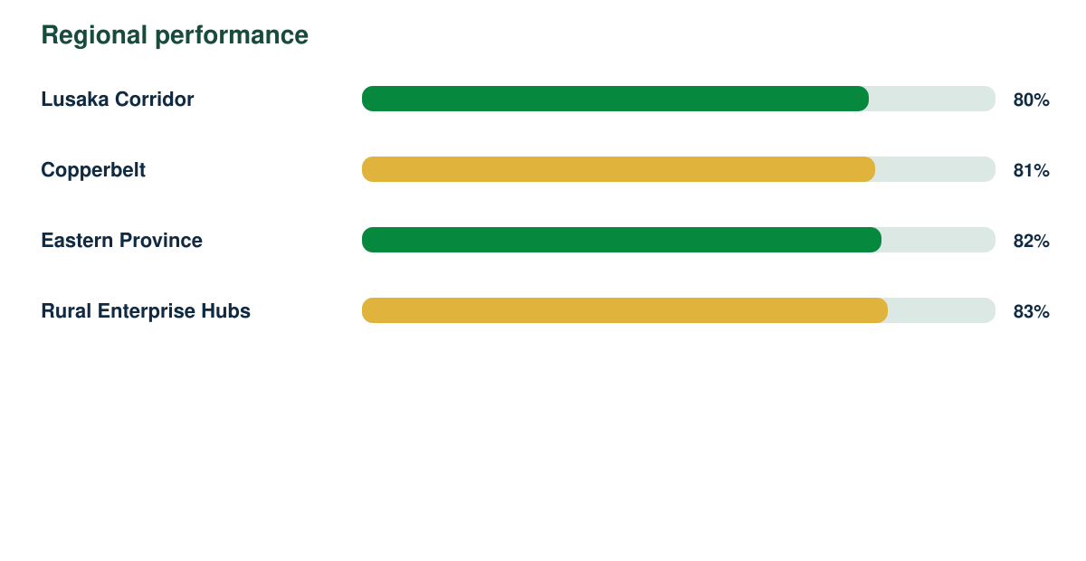
Annual Impact Report

Synthetic responses | Response rate | Regions | Demonstration readiness
4819 | 88% | 4 | 82%

