Executive Dashboard
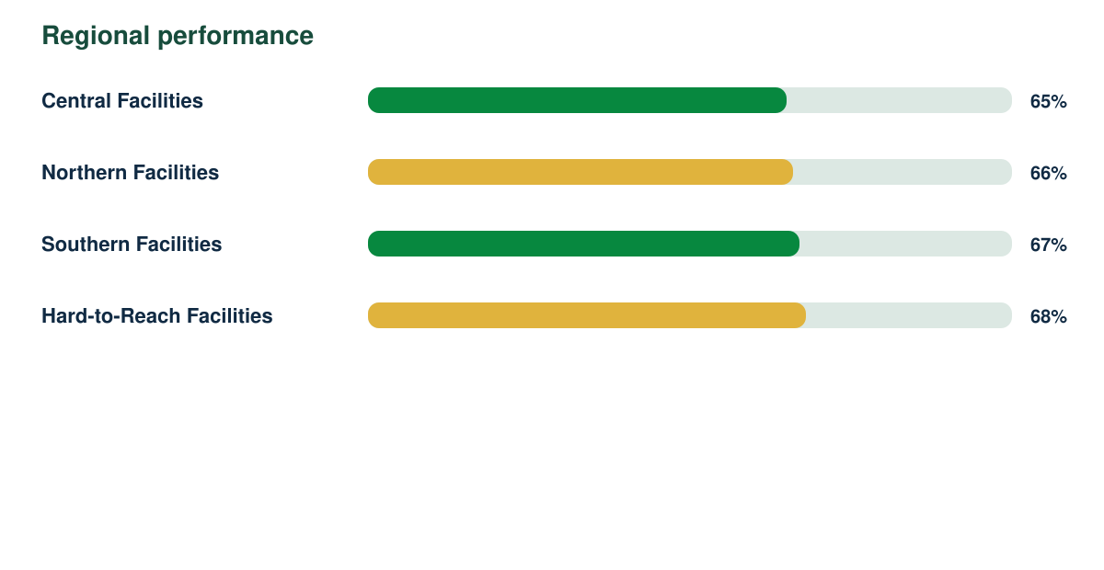
Community Scorecard Intelligence Report

Synthetic responses | Response rate | Regions | Demonstration readiness
2437 | 86% | 4 | 82%

