Executive Dashboard
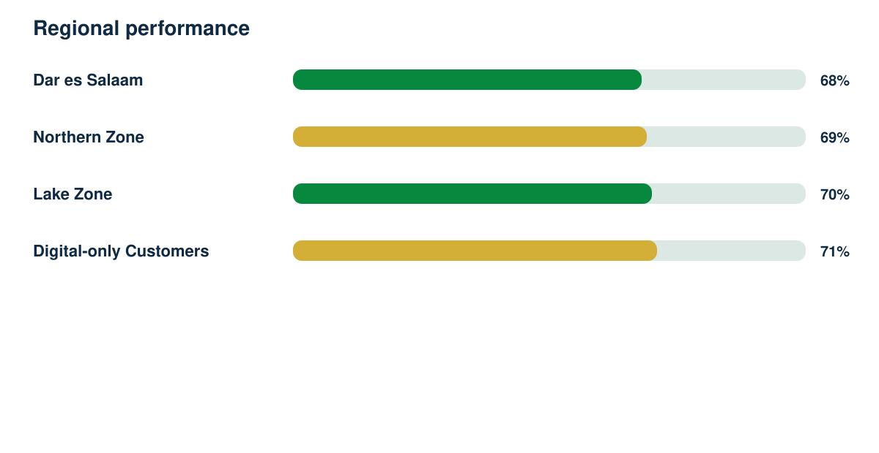
Customer Experience Intelligence Report

Synthetic responses | Response rate | Regions | Demonstration readiness
1636 | 84% | 4 | 82%

