Executive Dashboard
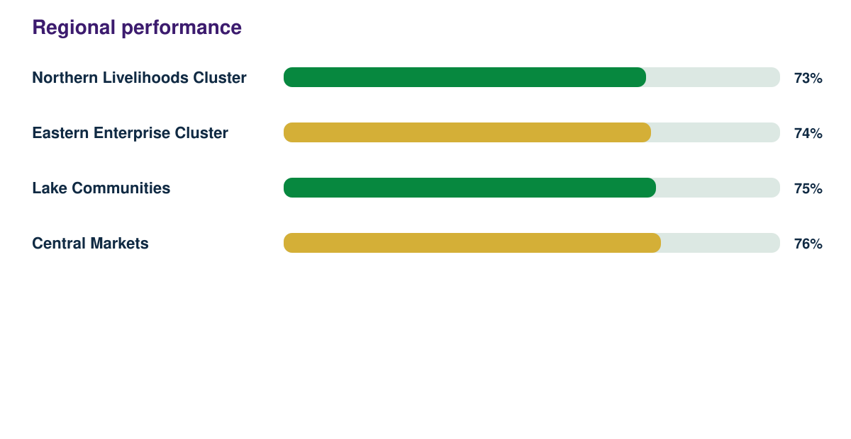
Donor Impact Evaluation Report

Synthetic responses | Response rate | Regions | Demonstration readiness
1728 | 91% | 4 | 82%

