Executive Dashboard
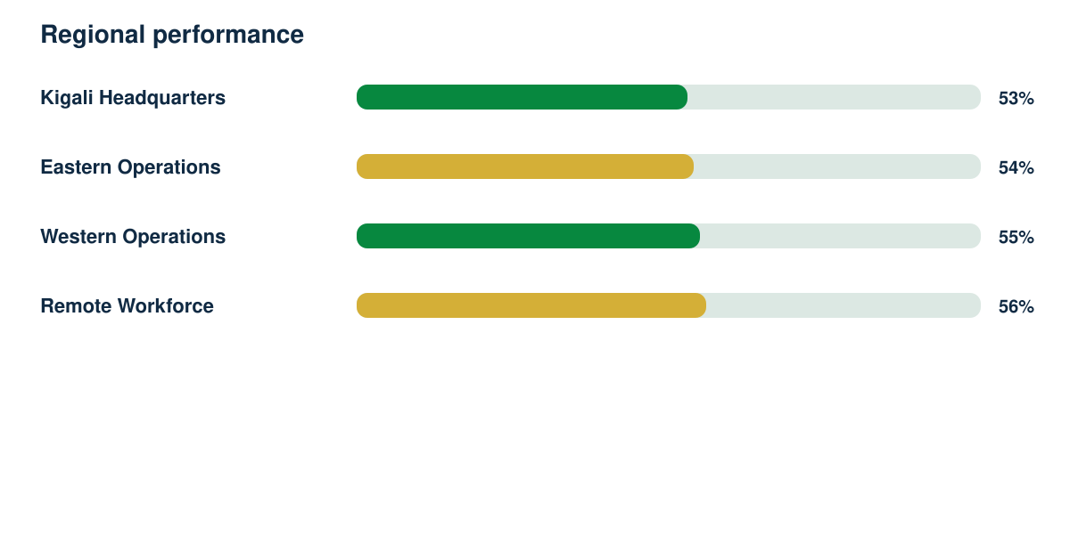
Employee Experience Intelligence Report

Synthetic responses | Response rate | Regions | Demonstration readiness
4609 | 82% | 4 | 82%

