Executive Dashboard
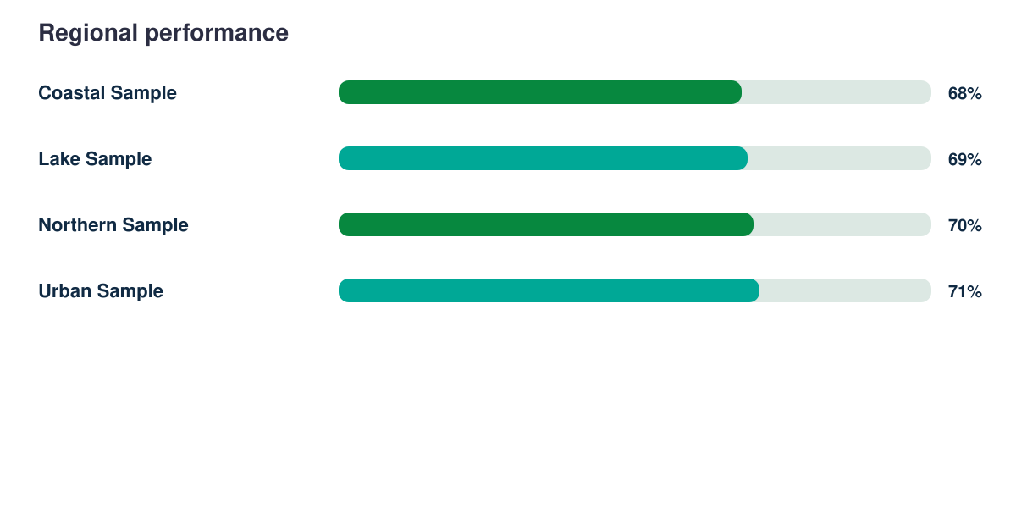
Evidence Explorer Report

Synthetic responses | Response rate | Regions | Demonstration readiness
2353 | 87% | 4 | 82%

