Executive Dashboard
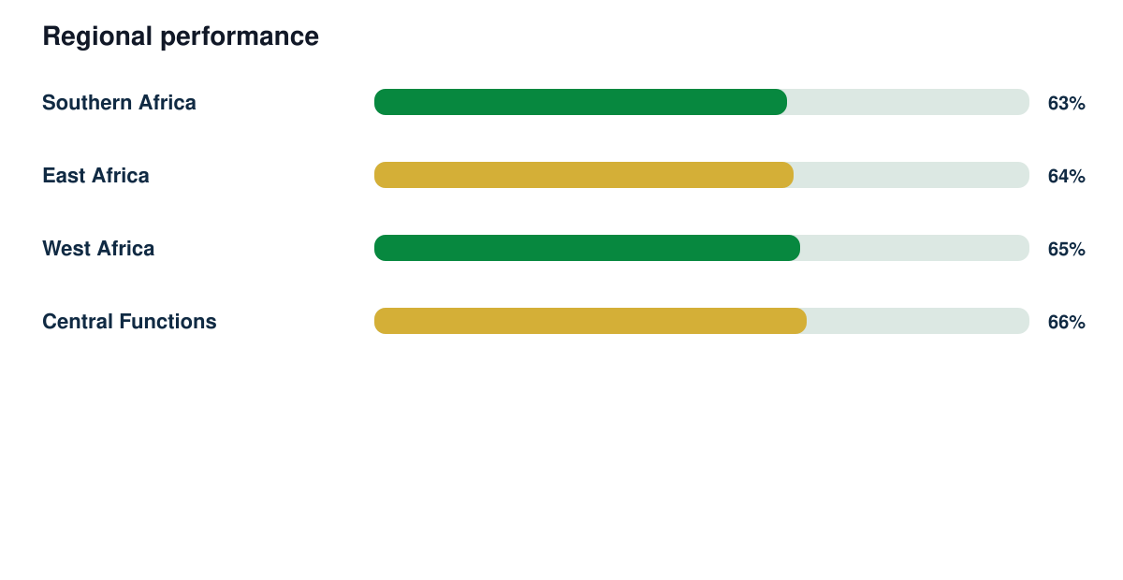
Executive Board Intelligence Report

Synthetic responses | Response rate | Regions | Demonstration readiness
1433 | 85% | 4 | 82%

