Executive Dashboard
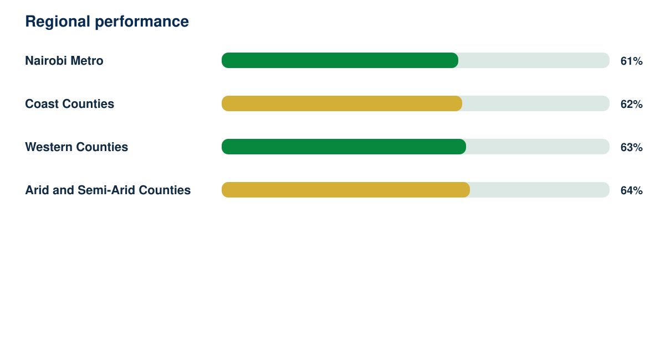
Government Policy Intelligence Report

Synthetic responses | Response rate | Regions | Demonstration readiness
4629 | 85% | 4 | 82%

