Executive Dashboard
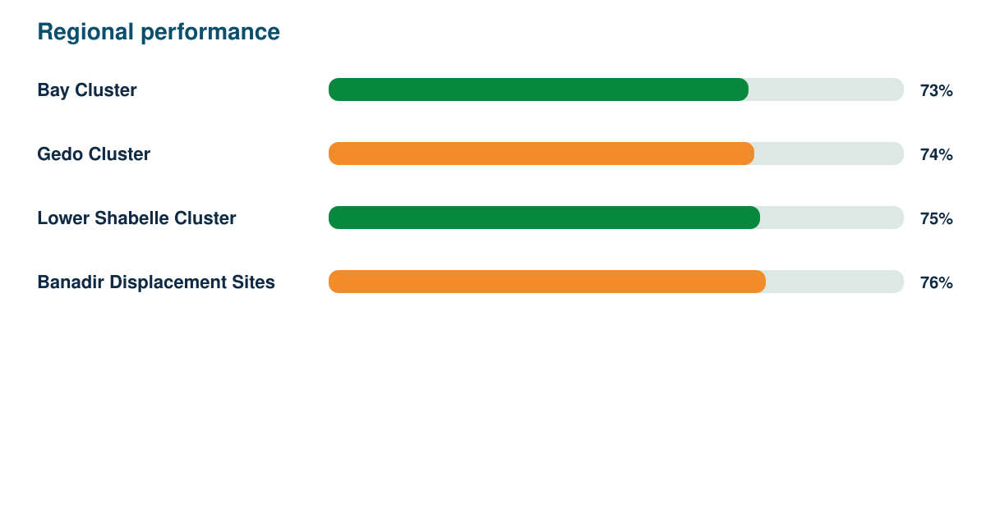
Humanitarian Needs Assessment Report

Synthetic responses | Response rate | Regions | Demonstration readiness
1281 | 86% | 4 | 82%

