Executive Dashboard
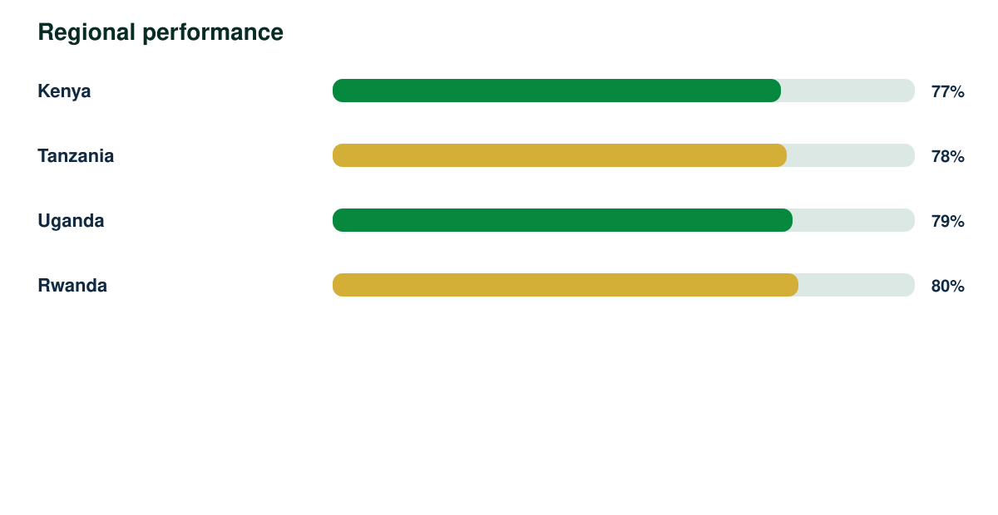
Interactive Intelligence Report

Synthetic responses | Response rate | Regions | Demonstration readiness
4840 | 92% | 4 | 82%

