Executive Dashboard
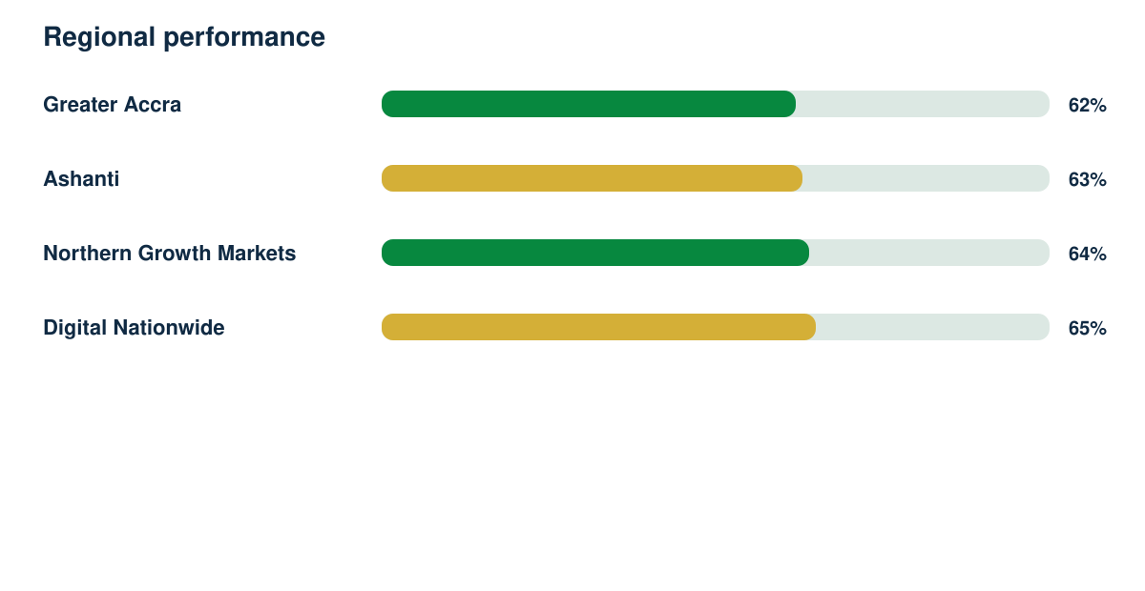
Market Intelligence Report

Synthetic responses | Response rate | Regions | Demonstration readiness
2398 | 81% | 4 | 82%

