Executive Dashboard
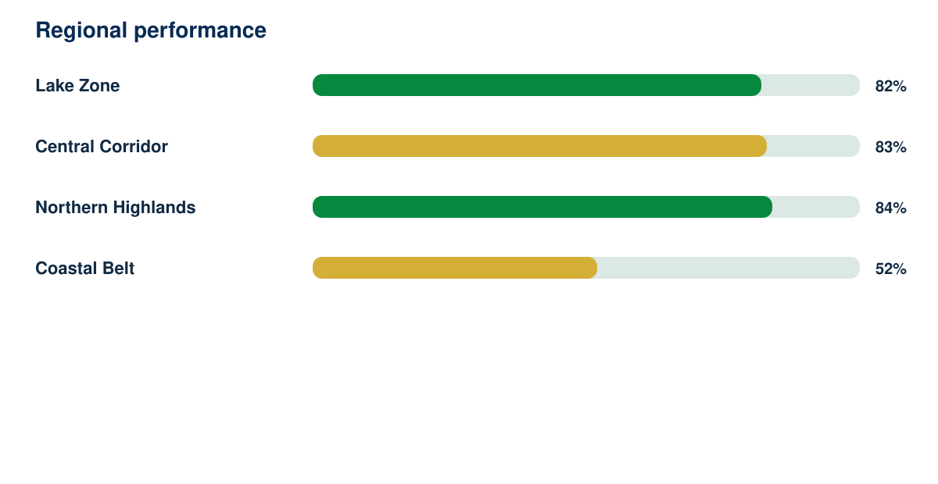
National Human Development Intelligence Report

Synthetic responses | Response rate | Regions | Demonstration readiness
3342 | 90% | 4 | 82%

