Executive Dashboard
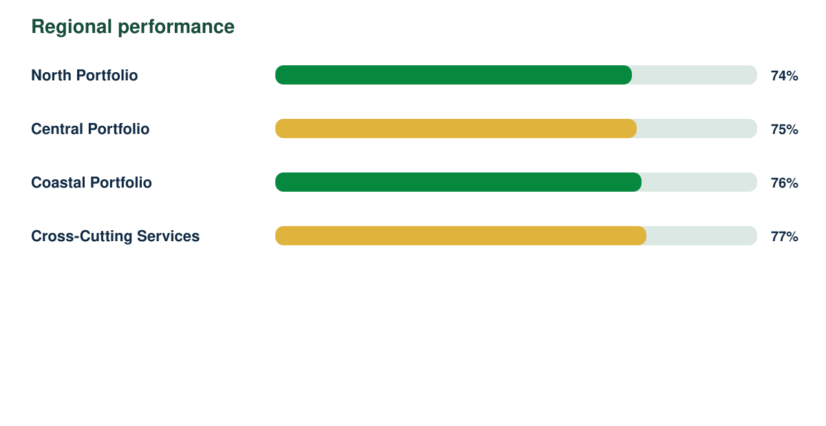
Quarterly Performance Intelligence Report

Synthetic responses | Response rate | Regions | Demonstration readiness
3976 | 78% | 4 | 82%

