Executive Dashboard
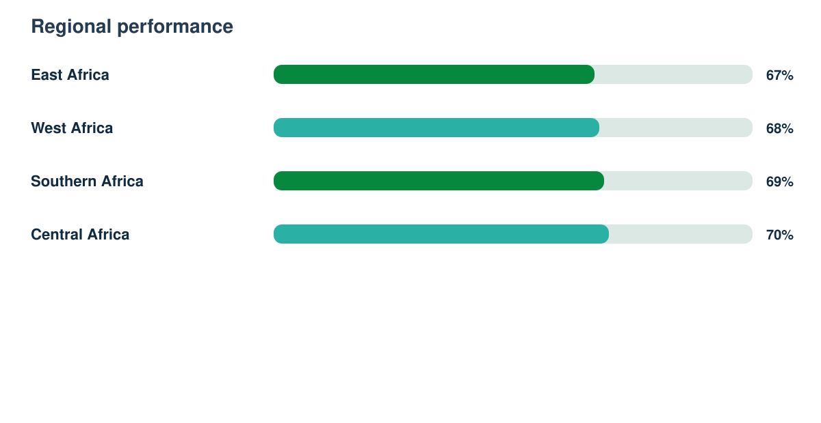
SDG Progress Intelligence Report

Synthetic responses | Response rate | Regions | Demonstration readiness
3279 | 78% | 4 | 82%

