Executive Dashboard
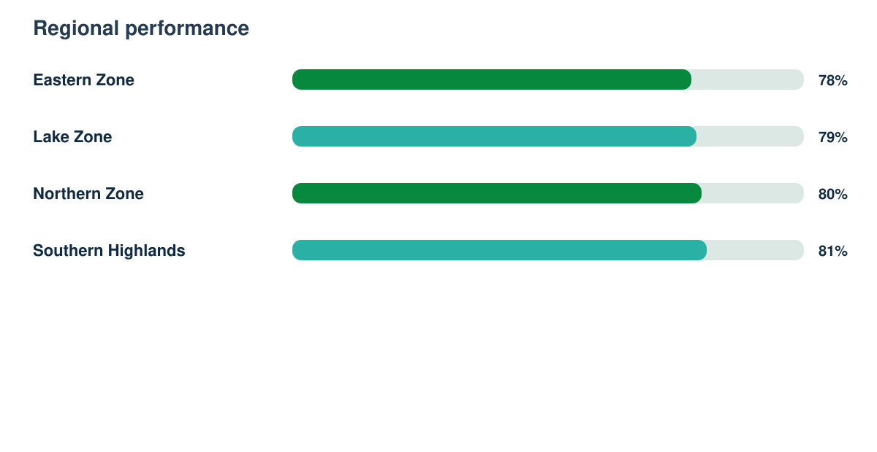
Statistical Intelligence Report

Synthetic responses | Response rate | Regions | Demonstration readiness
4532 | 90% | 4 | 82%

