Executive Dashboard
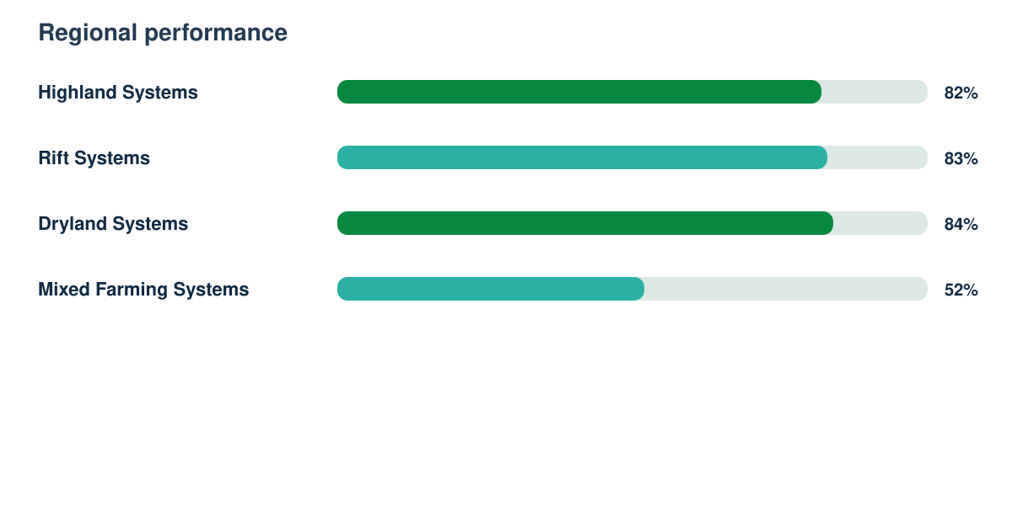
Technical Research Report

Synthetic responses | Response rate | Regions | Demonstration readiness
3936 | 89% | 4 | 82%

