trialMap
 | A | A | A | A | A | A | B | B | B | B | B | B
Rep | 1 | 2 | 3 | 4 | 5 | 6 | 7 | 8 | 9 | 10 | 11 | 12
1 | BC177 | BC161 | BC145 | BC129 | BC113 | BC97 | BC81 | BC65 | BC49 | BC33 | BC17 | BC1
1 | 1001 | 1050 | 1051 | 1100 | 1101 | 1150 | 1151 | 1200 | 1201 | 1250 | 1251 | 1300 | planting rule for each barcode
1 | 1002 | 1049 | 1052 | 1099 | 1102 | 1149 | 1152 | 1199 | 1202 | 1249 | 1252 | 1299
1 | 1003 | 1048 | 1053 | 1098 | 1103 | 1148 | 1153 | 1198 | 1203 | 1248 | 1253 | 1298 | Lenth for each barcode: 650cm |  |  |  |  |  | 1 bardode plant 2 rows
1 | 1004 | 1047 | 1054 | 1097 | 1104 | 1147 | 1154 | 1197 | 1204 | 1247 | 1254 | 1297
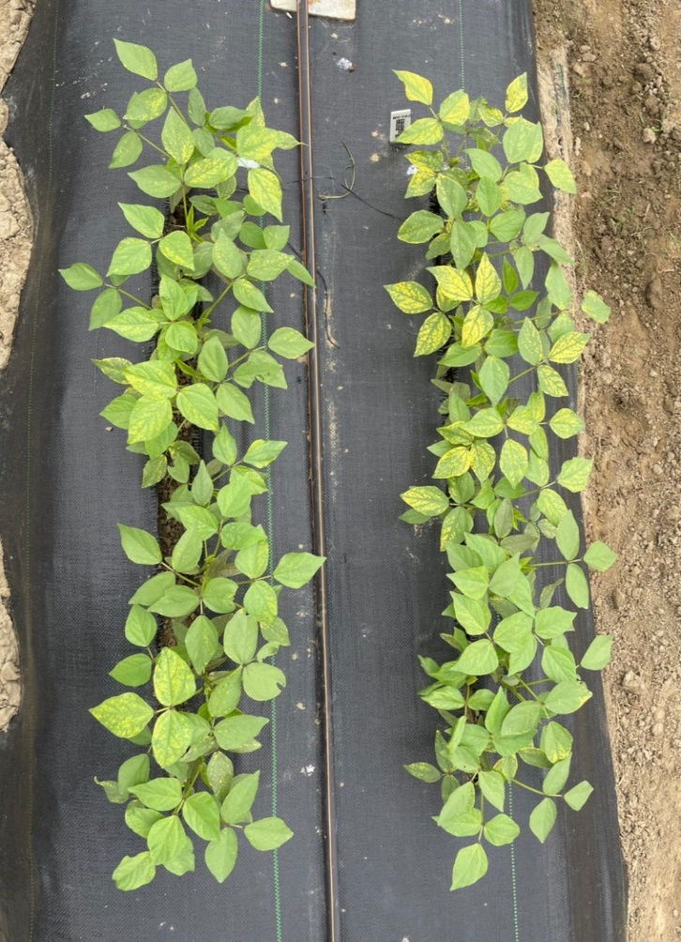
1 | 1005 | 1046 | 1055 | 1096 | 1105 | 1146 | 1155 | 1196 | 1205 | 1246 | 1255 | 1296 |  |  | 35cm
 | BC178 | BC162 | BC146 | BC130 | BC114 | BC98 | BC82 | BC66 | BC50 | BC34 | BC18 | BC2 |  |  | 80cm
1 | 1006 | 1045 | 1056 | 1095 | 1106 | 1145 | 1156 | 1195 | 1206 | 1245 | 1256 | 1295
1 | 1007 | 1044 | 1057 | 1094 | 1107 | 1144 | 1157 | 1194 | 1207 | 1244 | 1257 | 1294 |  |  | 45cm
1 | 1008 | 1043 | 1058 | 1093 | 1108 | 1143 | 1158 | 1193 | 1208 | 1243 | 1258 | 1293 |  |  | 80cm
1 | 1009 | 1042 | 1059 | 1092 | 1109 | 1142 | 1159 | 1192 | 1209 | 1242 | 1259 | 1292
1 | 1010 | 1041 | 1060 | 1091 | 1110 | 1141 | 1160 | 1191 | 1210 | 1241 | 1260 | 1291 |  |  | 45cm
 | BC179 | BC163 | BC147 | BC131 | BC115 | BC99 | BC83 | BC67 | BC51 | BC35 | BC19 | BC3 |  |  | 80cm
1 | 1011 | 1040 | 1061 | 1090 | 1111 | 1140 | 1161 | 1190 | 1211 | 1240 | 1261 | 1290
1 | 1012 | 1039 | 1062 | 1089 | 1112 | 1139 | 1162 | 1189 | 1212 | 1239 | 1262 | 1289 |  |  | 45cm
1 | 1013 | 1038 | 1063 | 1088 | 1113 | 1138 | 1163 | 1188 | 1213 | 1238 | 1263 | 1288 |  |  | 80cm
1 | 1014 | 1037 | 1064 | 1087 | 1114 | 1137 | 1164 | 1187 | 1214 | 1237 | 1264 | 1287
1 | 1015 | 1036 | 1065 | 1086 | 1115 | 1136 | 1165 | 1186 | 1215 | 1236 | 1265 | 1286 |  |  | 45cm
 | BC180 | BC164 | BC148 | BC132 | BC116 | BC100 | BC84 | BC68 | BC52 | BC36 | BC20 | BC4 |  |  | 80cm
1 | 1016 | 1035 | 1066 | 1085 | 1116 | 1135 | 1166 | 1185 | 1216 | 1235 | 1266 | 1285
1 | 1017 | 1034 | 1067 | 1084 | 1117 | 1134 | 1167 | 1184 | 1217 | 1234 | 1267 | 1284 |  |  | 35cm
1 | 1018 | 1033 | 1068 | 1083 | 1118 | 1133 | 1168 | 1183 | 1218 | 1233 | 1268 | 1283
1 | 1019 | 1032 | 1069 | 1082 | 1119 | 1132 | 1169 | 1182 | 1219 | 1232 | 1269 | 1282
1 | 1020 | 1031 | 1070 | 1081 | 1120 | 1131 | 1170 | 1181 | 1220 | 1231 | 1270 | 1281 | BC177 | BC161 | BC145 | BC129 | BC113 | BC97 | BC81 | BC65 | BC49 | BC33 | BC17 | BC1
 | BC181 | BC165 | BC149 | BC133 | BC117 | BC101 | BC85 | BC69 | BC53 | BC37 | BC21 | BC5 | BC178 | BC162 | BC146 | BC130 | BC114 | BC98 | BC82 | BC66 | BC50 | BC34 | BC18 | BC2
1 | 1021 | 1030 | 1071 | 1080 | 1121 | 1130 | 1171 | 1180 | 1221 | 1230 | 1271 | 1280 | BC179 | BC163 | BC147 | BC131 | BC115 | BC99 | BC83 | BC67 | BC51 | BC35 | BC19 | BC3
1 | 1022 | 1029 | 1072 | 1079 | 1122 | 1129 | 1172 | 1179 | 1222 | 1229 | 1272 | 1279 | BC180 | BC164 | BC148 | BC132 | BC116 | BC100 | BC84 | BC68 | BC52 | BC36 | BC20 | BC4
1 | 1023 | 1028 | 1073 | 1078 | 1123 | 1128 | 1173 | 1178 | 1223 | 1228 | 1273 | 1278 | BC181 | BC165 | BC149 | BC133 | BC117 | BC101 | BC85 | BC69 | BC53 | BC37 | BC21 | BC5
1 | 1024 | 1027 | 1074 | 1077 | 1124 | 1127 | 1174 | 1177 | 1224 | 1227 | 1274 | 1277 | BC182 | BC166 | BC150 | BC134 | BC118 | BC102 | BC86 | BC70 | BC54 | BC38 | BC22 | BC6
1 | 1025 | 1026 | 1075 | 1076 | 1125 | 1126 | 1175 | 1176 | 1225 | 1226 | 1275 | 1276 | BC183 | BC167 | BC151 | BC135 | BC119 | BC103 | BC87 | BC71 | BC55 | BC39 | BC23 | BC7
 | BC182 | BC166 | BC150 | BC134 | BC118 | BC102 | BC86 | BC70 | BC54 | BC38 | BC22 | BC6 | BC184 | BC168 | BC152 | BC136 | BC120 | BC104 | BC88 | BC72 | BC56 | BC40 | BC24 | BC8
2 | 2001 | 2050 | 2051 | 2100 | 2101 | 2150 | 2151 | 2200 | 2201 | 2250 | 2251 | 2300 | BC185 | BC169 | BC153 | BC137 | BC121 | BC105 | BC89 | BC73 | BC57 | BC41 | BC25 | BC9
2 | 2002 | 2049 | 2052 | 2099 | 2102 | 2149 | 2152 | 2199 | 2202 | 2249 | 2252 | 2299 | BC186 | BC170 | BC154 | BC138 | BC122 | BC106 | BC90 | BC74 | BC58 | BC42 | BC26 | BC10
2 | 2003 | 2048 | 2053 | 2098 | 2103 | 2148 | 2153 | 2198 | 2203 | 2248 | 2253 | 2298 | BC187 | BC171 | BC155 | BC139 | BC123 | BC107 | BC91 | BC75 | BC59 | BC43 | BC27 | BC11
2 | 2004 | 2047 | 2054 | 2097 | 2104 | 2147 | 2154 | 2197 | 2204 | 2247 | 2254 | 2297 | BC188 | BC172 | BC156 | BC140 | BC124 | BC108 | BC92 | BC76 | BC60 | BC44 | BC28 | BC12
2 | 2005 | 2046 | 2055 | 2096 | 2105 | 2146 | 2155 | 2196 | 2205 | 2246 | 2255 | 2296 | BC189 | BC173 | BC157 | BC141 | BC125 | BC109 | BC93 | BC77 | BC61 | BC45 | BC29 | BC13
 | BC183 | BC167 | BC151 | BC135 | BC119 | BC103 | BC87 | BC71 | BC55 | BC39 | BC23 | BC7 | BC190 | BC174 | BC158 | BC142 | BC126 | BC110 | BC94 | BC78 | BC62 | BC46 | BC30 | BC14
2 | 2006 | 2045 | 2056 | 2095 | 2106 | 2145 | 2156 | 2195 | 2206 | 2245 | 2256 | 2295 | BC191 | BC175 | BC159 | BC143 | BC127 | BC111 | BC95 | BC79 | BC63 | BC47 | BC31 | BC15
2 | 2007 | 2044 | 2057 | 2094 | 2107 | 2144 | 2157 | 2194 | 2207 | 2244 | 2257 | 2294 | BC192 | BC176 | BC160 | BC144 | BC128 | BC112 | BC96 | BC80 | BC64 | BC48 | BC32 | BC16
2 | 2008 | 2043 | 2058 | 2093 | 2108 | 2143 | 2158 | 2193 | 2208 | 2243 | 2258 | 2293
2 | 2009 | 2042 | 2059 | 2092 | 2109 | 2142 | 2159 | 2192 | 2209 | 2242 | 2259 | 2292
2 | 2010 | 2041 | 2060 | 2091 | 2110 | 2141 | 2160 | 2191 | 2210 | 2241 | 2260 | 2291
 | BC184 | BC168 | BC152 | BC136 | BC120 | BC104 | BC88 | BC72 | BC56 | BC40 | BC24 | BC8
2 | 2011 | 2040 | 2061 | 2090 | 2111 | 2140 | 2161 | 2190 | 2211 | 2240 | 2261 | 2290
2 | 2012 | 2039 | 2062 | 2089 | 2112 | 2139 | 2162 | 2189 | 2212 | 2239 | 2262 | 2289
2 | 2013 | 2038 | 2063 | 2088 | 2113 | 2138 | 2163 | 2188 | 2213 | 2238 | 2263 | 2288
2 | 2014 | 2037 | 2064 | 2087 | 2114 | 2137 | 2164 | 2187 | 2214 | 2237 | 2264 | 2287
2 | 2015 | 2036 | 2065 | 2086 | 2115 | 2136 | 2165 | 2186 | 2215 | 2236 | 2265 | 2286
 | BC185 | BC169 | BC153 | BC137 | BC121 | BC105 | BC89 | BC73 | BC57 | BC41 | BC25 | BC9
2 | 2016 | 2035 | 2066 | 2085 | 2116 | 2135 | 2166 | 2185 | 2216 | 2235 | 2266 | 2285
2 | 2017 | 2034 | 2067 | 2084 | 2117 | 2134 | 2167 | 2184 | 2217 | 2234 | 2267 | 2284
2 | 2018 | 2033 | 2068 | 2083 | 2118 | 2133 | 2168 | 2183 | 2218 | 2233 | 2268 | 2283
2 | 2019 | 2032 | 2069 | 2082 | 2119 | 2132 | 2169 | 2182 | 2219 | 2232 | 2269 | 2282
2 | 2020 | 2031 | 2070 | 2081 | 2120 | 2131 | 2170 | 2181 | 2220 | 2231 | 2270 | 2281
 | BC186 | BC170 | BC154 | BC138 | BC122 | BC106 | BC90 | BC74 | BC58 | BC42 | BC26 | BC10
2 | 2021 | 2030 | 2071 | 2080 | 2121 | 2130 | 2171 | 2180 | 2221 | 2230 | 2271 | 2280
2 | 2022 | 2029 | 2072 | 2079 | 2122 | 2129 | 2172 | 2179 | 2222 | 2229 | 2272 | 2279
2 | 2023 | 2028 | 2073 | 2078 | 2123 | 2128 | 2173 | 2178 | 2223 | 2228 | 2273 | 2278
2 | 2024 | 2027 | 2074 | 2077 | 2124 | 2127 | 2174 | 2177 | 2224 | 2227 | 2274 | 2277
2 | 2025 | 2026 | 2075 | 2076 | 2125 | 2126 | 2175 | 2176 | 2225 | 2226 | 2275 | 2276
 | BC187 | BC171 | BC155 | BC139 | BC123 | BC107 | BC91 | BC75 | BC59 | BC43 | BC27 | BC11
3 | 3001 | 3050 | 3051 | 3100 | 3101 | 3150 | 3151 | 3200 | 3201 | 3250 | 3251 | 3300
3 | 3002 | 3049 | 3052 | 3099 | 3102 | 3149 | 3152 | 3199 | 3202 | 3249 | 3252 | 3299
3 | 3003 | 3048 | 3053 | 3098 | 3103 | 3148 | 3153 | 3198 | 3203 | 3248 | 3253 | 3298
3 | 3004 | 3047 | 3054 | 3097 | 3104 | 3147 | 3154 | 3197 | 3204 | 3247 | 3254 | 3297
3 | 3005 | 3046 | 3055 | 3096 | 3105 | 3146 | 3155 | 3196 | 3205 | 3246 | 3255 | 3296
 | BC188 | BC172 | BC156 | BC140 | BC124 | BC108 | BC92 | BC76 | BC60 | BC44 | BC28 | BC12
3 | 3006 | 3045 | 3056 | 3095 | 3106 | 3145 | 3156 | 3195 | 3206 | 3245 | 3256 | 3295
3 | 3007 | 3044 | 3057 | 3094 | 3107 | 3144 | 3157 | 3194 | 3207 | 3244 | 3257 | 3294
3 | 3008 | 3043 | 3058 | 3093 | 3108 | 3143 | 3158 | 3193 | 3208 | 3243 | 3258 | 3293
3 | 3009 | 3042 | 3059 | 3092 | 3109 | 3142 | 3159 | 3192 | 3209 | 3242 | 3259 | 3292
3 | 3010 | 3041 | 3060 | 3091 | 3110 | 3141 | 3160 | 3191 | 3210 | 3241 | 3260 | 3291
 | BC189 | BC173 | BC157 | BC141 | BC125 | BC109 | BC93 | BC77 | BC61 | BC45 | BC29 | BC13
3 | 3011 | 3040 | 3061 | 3090 | 3111 | 3140 | 3161 | 3190 | 3211 | 3240 | 3261 | 3290
3 | 3012 | 3039 | 3062 | 3089 | 3112 | 3139 | 3162 | 3189 | 3212 | 3239 | 3262 | 3289
3 | 3013 | 3038 | 3063 | 3088 | 3113 | 3138 | 3163 | 3188 | 3213 | 3238 | 3263 | 3288
3 | 3014 | 3037 | 3064 | 3087 | 3114 | 3137 | 3164 | 3187 | 3214 | 3237 | 3264 | 3287
3 | 3015 | 3036 | 3065 | 3086 | 3115 | 3136 | 3165 | 3186 | 3215 | 3236 | 3265 | 3286
 | BC190 | BC174 | BC158 | BC142 | BC126 | BC110 | BC94 | BC78 | BC62 | BC46 | BC30 | BC14
3 | 3016 | 3035 | 3066 | 3085 | 3116 | 3135 | 3166 | 3185 | 3216 | 3235 | 3266 | 3285
3 | 3017 | 3034 | 3067 | 3084 | 3117 | 3134 | 3167 | 3184 | 3217 | 3234 | 3267 | 3284
3 | 3018 | 3033 | 3068 | 3083 | 3118 | 3133 | 3168 | 3183 | 3218 | 3233 | 3268 | 3283
3 | 3019 | 3032 | 3069 | 3082 | 3119 | 3132 | 3169 | 3182 | 3219 | 3232 | 3269 | 3282
3 | 3020 | 3031 | 3070 | 3081 | 3120 | 3131 | 3170 | 3181 | 3220 | 3231 | 3270 | 3281
 | BC191 | BC175 | BC159 | BC143 | BC127 | BC111 | BC95 | BC79 | BC63 | BC47 | BC31 | BC15
3 | 3021 | 3030 | 3071 | 3080 | 3121 | 3130 | 3171 | 3180 | 3221 | 3230 | 3271 | 3280
3 | 3022 | 3029 | 3072 | 3079 | 3122 | 3129 | 3172 | 3179 | 3222 | 3229 | 3272 | 3279
3 | 3023 | 3028 | 3073 | 3078 | 3123 | 3128 | 3173 | 3178 | 3223 | 3228 | 3273 | 3278
3 | 3024 | 3027 | 3074 | 3077 | 3124 | 3127 | 3174 | 3177 | 3224 | 3227 | 3274 | 3277
3 | 3025 | 3026 | 3075 | 3076 | 3125 | 3126 | 3175 | 3176 | 3225 | 3226 | 3275 | 3276
 | BC192 | BC176 | BC160 | BC144 | BC128 | BC112 | BC96 | BC80 | BC64 | BC48 | BC32 | BC16

