Sheet1
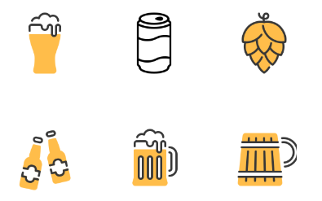
Id | Name | Price
1 | Heineken | 19000
2 | Tiger | 18000

