Cover

Cover

 |  |  |  | #003e83
 |  |  |  | #0085f0
 |  |  |  | #2cdcff

 | Functional Specification Document

 |  | Project Number | P001
 |  | Project Name | Truyenthieu
 |  | Project Manager | DuongNH
 |  | System ID
 |  | System Name
 |  | Creator | DuongNH
 |  | Creation Date | 2026-07-27

Screen name
Epic | Truyenthieu
Screen name | MD-01 Book's Detail
Status | Done

Purpose
Book's Details displays complete information and reading state for the selected document without leaving the current list screen. The modal allows the user to change favorite state, resume reading, edit metadata or source, save a remote document for offline reading, delete the document, or close the modal. Displayed fields and available actions depend on sourceType and offline-copy availability.

Wireframes/Design

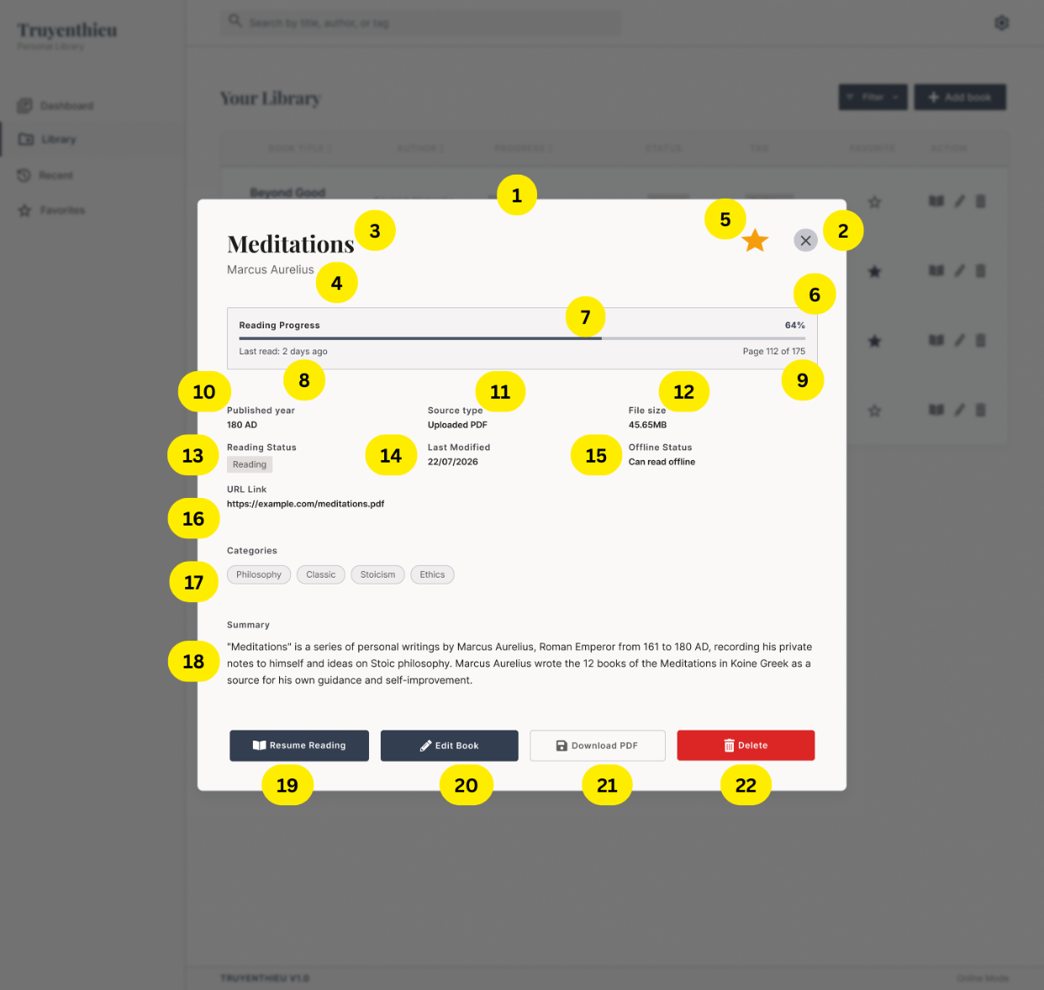
Diagrams/Screens flow

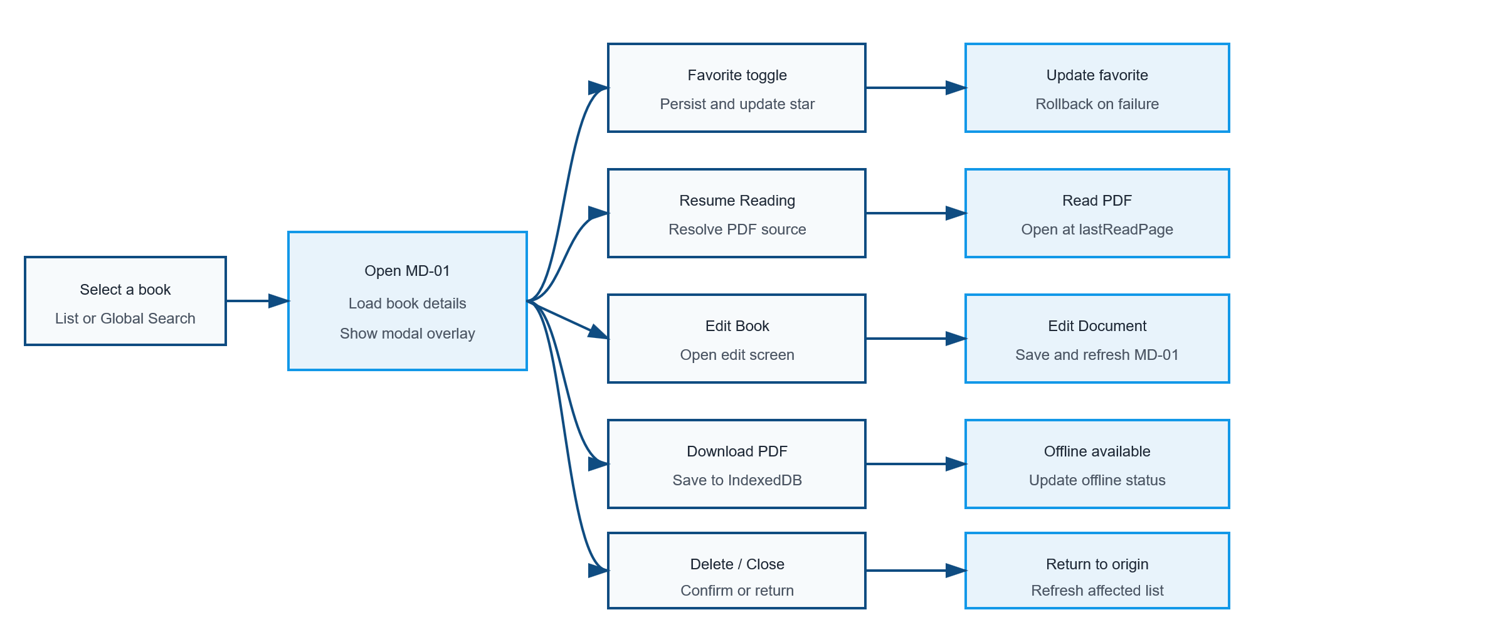

Components
ID | Main | Sub | Description | Note/ Assumption | Ticket link
MD-01-001 | Open modal | Trigger | Open MD-01 when the user selects a document from a list row, Book Title, action icon or Global Search dropdown. | The origin screen remains mounted behind the modal.
MD-01-002 | Modal | Close button | When the close icon is selected, close MD-01 and return to the origin screen without changing data. | Return keyboard focus to the control that opened the modal.
MD-01-003 | Header | Title | Display the document title. | Long titles wrap or truncate without overlapping the Favorite and Close controls.
MD-01-004 | Header | Author | Display the author below the title.
MD-01-005 | Favorite | Current state | Display a filled star when favorite = true and an outlined star when favorite = false.
MD-01-006 | Reading progress | Percentage | Calculate and display lastReadPage / totalPages × 100. | If totalPages is null or zero, display “—”; clamp the result to 0–100%.
MD-01-007 | Reading progress | Progress bar | Display a progress bar corresponding to the calculated percentage. | The bar and percentage must represent the same value.
MD-01-008 | Reading progress | Last read | Display relative last-reading time such as “Last read: 2 days ago”. | Requires lastReadAt. If unavailable, this field will be hidden
MD-01-009 | Reading progress | Page information | Display current and total pages in the format “Page X of Y”. | lastReadPage must be within 0 and totalPages.
MD-01-010 | Metadata | Published year | Display publishYear. | Use a consistent label: “Published year”.
MD-01-011 | Metadata | Source type | Display the original source type of the selected document. Display Local Upload when sourceType = LOCAL_UPLOAD; display Remote URL when sourceType = REMOTE_URL. | Source Type represents the document’s original source and does not change when a remote PDF is downloaded to IndexedDB.
MD-01-012 | Metadata | File size | Display fileSize using an appropriate unit. | Hide or display “—” when size is unavailable; do not show misleading size.
MD-01-013 | Metadata | Reading status | Display UNREAD, READING or COMPLETED. | UNREAD = 0%; READING = 1–99%; COMPLETED = 100%.
MD-01-014 | Metadata | Last modified | Display updatedAt in the project date format. | Recommended format: dd/MM/yyyy.
MD-01-015 | Offline | Offline status | Display whether the selected document can be read offline on the current browser/device. | Values: Can read offline, Not available offline, Downloading, and Download failed. Offline Status is determined from the file’s availability in application-managed storage or IndexedDB.
MD-01-016 | Metadata | URL link | Always display the URL Link field in the modal. If sourceType = REMOTE_URL, display the document’s source URL. If sourceType = LOCAL_UPLOAD, display N/A | Displaying Source Type, Offline Status and URL Link at the same time is allowed. Their values must be consistent with the document source.
MD-01-017 | Metadata | Categories | Display all document tags as chips. | Wrap chips to additional lines when necessary.
MD-01-018 | Metadata | Summary | Display the document summary. | If summary is empty, hide the section or display a defined placeholder consistently.
MD-01-019 | Action | Resume Reading | When selected, resolve the available document source and open the PDF Reader at lastReadPage. If no accessible source exists, disable Resume Reading and display the reason. | Prefer IndexedDB; otherwise use the Backend copy for LOCAL_UPLOAD or the URL for REMOTE_URL.
MD-01-020 | Action | Edit Book | When selected, close or suspend MD-01 and open Add/Edit Document in edit mode. | The selected document data is prefilled. Screen ID is TBD.
MD-01-021 | Offline | Download PDF | If sourceType = REMOTE_URL and Offline Status is Not available offline, display the Download PDF button. When selected, download the PDF and store it in IndexedDB for the current browser/device. | Downloading the file does not change sourceType; it remains REMOTE_URL.
MD-01-022 | Action | Delete | If sourceType = REMOTE_URL and an IndexedDB copy exists, allow the user to remove the offline copy. After removal, update Offline Status to Not available offline and display Download PDF again. If sourceType = LOCAL_UPLOAD, delete the file in the backend folder When selected, display a confirmation dialog describing the deletion impact. | Delete must not execute before explicit confirmation.

Events
ID | Main | Sub | Description | Note/ Assumption | Ticket link
MD-01-E001 | Modal | Overlay | Dim the origin screen and keep focus inside MD-01 while it is open. | Background content must not be operable by keyboard or pointer.
MD-01-E002 | Open modal | Trigger | Open MD-01 when the user selects a document from a list row, Book Title, action icon or Global Search dropdown. | The origin screen remains mounted behind the modal.
MD-01-E003 | Open modal | Loading | Display a loading state while retrieving the selected document details. | Prevent actions until required data is available.
MD-01-E004 | Open modal | Load success | Display the modal overlay with the selected document's current metadata and reading state. | Use the selected Book ID; never reuse stale details from a previously opened document.
MD-01-E005 | Modal | Overlay | Dim the origin screen and keep focus inside MD-01 while it is open. | Background content must not be operable by keyboard or pointer.
MD-01-E006 | Modal | Alternative close | Allow the user to close MD-01 with Escape. Clicking the overlay also close it | Do not close while a confirmation dialog or blocking operation is active.
MD-01-E007 | Favorite | Toggle | When the star is selected, update favorite and immediately reflect the new state. | On failure, restore the previous state and display a non-blocking error.
MD-01-E008 | Action | Return from edit | After a successful save, return to MD-01 or the origin screen and refresh the displayed details. | Choose one navigation pattern consistently; recommended: return to refreshed MD-01.
MD-01-E009 | Offline | Offline Action Visibility | Determine the offline action according to Source Type and Offline Status. | The action changes dynamically and must not conflict with the current offline state.
MD-01-E010 | Offline | Download execution | When selected, download the remote PDF and store it in IndexedDB for the current browser/device. | Do not change sourceType; the database record remains REMOTE_URL.
MD-01-E011 | Offline | Download progress | While downloading, display the Downloading status or progress indicator and disable repeated download actions. | Prevent multiple simultaneous downloads for the same document.
MD-01-E012 | Offline | Download success | After a successful download, update Offline Status to Can read offline. Replace Download PDF with Remove Offline Copy, Downloaded, or disable the download action. | Recommended action: display Remove Offline Copy so the user can manage local storage.
MD-01-E013 | Offline | Download failure | If downloading fails, update Offline Status to Download failed, remove incomplete IndexedDB data and display Retry Download. | The original remote URL and Book record remain unchanged.
MD-01-E014 | Offline | Local Upload Availability | If sourceType = LOCAL_UPLOAD and the application-managed PDF exists, display Offline Status as Can read offline and do not display Download PDF. | URL Link displays N/A or —. The application must not delete the original file from the user’s device.
MD-01-E015 | Offline | Offline State Scope | Manage Offline Status separately for each browser/device. | A PDF downloaded on one device is not automatically available offline on another device because IndexedDB is device- and browser-specific.
MD-01-E016 | Error handling | Load failure | If details cannot be loaded, show an error state with Retry and Close actions. | Do not show stale details as current data.
MD-01-E017 | Responsive | Mobile layout | On mobile, display MD-01 as a full-screen or near-full-screen scrollable sheet and stack action buttons. | Keep the Close action visible and avoid horizontal scrolling.
MD-01-E018 | Accessibility | Keyboard and labels | Use focus trapping, visible focus indicators and accessible names for star, close and icon buttons. | Reading progress must have a text equivalent.

Full screen flow
