Cover

Cover

 |  |  |  | #003e83
 |  |  |  | #0085f0
 |  |  |  | #2cdcff

 | Functional Specification Document

 |  | Project Number | P001
 |  | Project Name | Truyenthieu
 |  | Project Manager | DuongNH
 |  | System ID
 |  | System Name
 |  | Creator | DuongNH
 |  | Creation Date | 2026-07-25

Screen name
Epic | Truyenthieu
Screen name | SCR-01 Dashboard
Status | Done

Purpose
Dashboard cung cấp cái nhìn tổng quan cấp cao về thư viện PDF cá nhân. Nó hiển thị tổng số tài liệu, tài liệu đã đọc xong và tài liệu yêu thích, đồng thời cho phép người dùng nhanh chóng tiếp tục đọc các tài liệu đã đọc gần đây. Màn hình cũng cung cấp các điều hướng đến Thư viện, Đã đọc gần đây và Sách yêu thích, cùng với chức năng tìm kiếm tài liệu có trong thư viện

Wireframes/Design

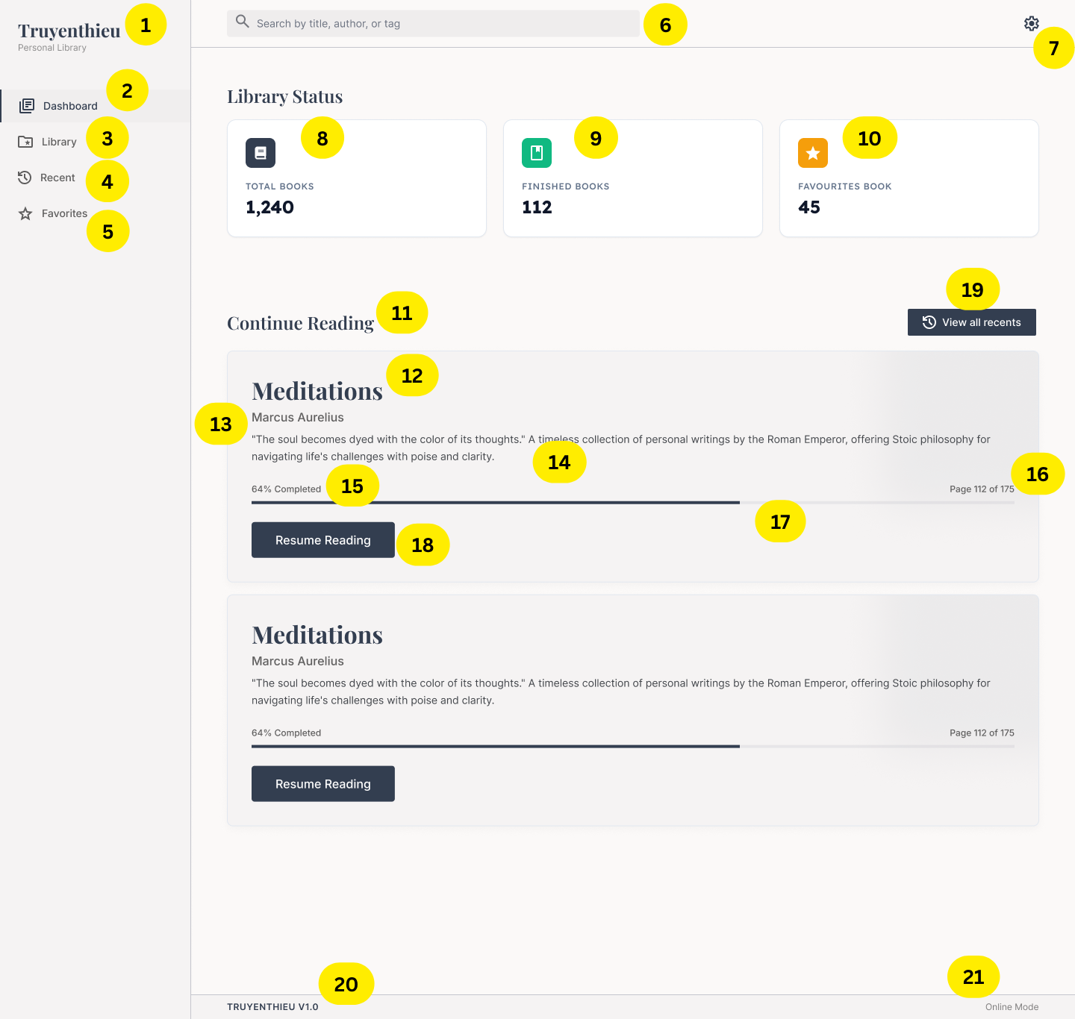 |  | 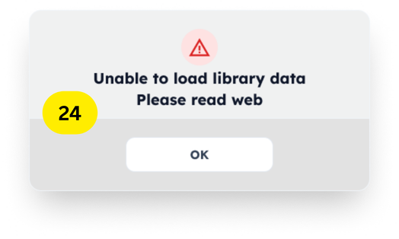
Diagrams/Screens flow

Open Book's Detail Modal
Open Search dropdownlist

SCR-05 Read PDF

Requirements
ID | Main | Sub | Description | Note/ Assumption | Ticket link
SCR-01-001 | Common layout | Application logo | Display the application name “Truyenthieu” and subtitle “Personal Library” in the left navigation area. | Display only; no click action is required in this version.
SCR-01-002 | Navigation | Dashboard menu | Highlight Dashboard as the active menu item while SCR-01 is displayed. | Only one navigation item may be active at a time.
SCR-01-003 | Navigation | Library menu | When the user selects Library, navigate to the Library screen. | Target screen ID shall follow the project screen list.
SCR-01-004 | Navigation | Recent menu | When the user selects Recent, navigate to the Recent Screen (list of recently read documents). | Recent documents are ordered by the latest reading activity.
SCR-01-005 | Navigation | Favorites menu | When the user selects Favorites, navigate to the Favourite (list of documents where favorite = true). | Favorite state is stored in SQL Server.
SCR-01-006 | Search | Global search box | Allow the user to search documents by title, author or tag. | Search is case-insensitive. Empty keyword does not start a search. When the user enter a keyword, display dropdownlist with the filtered result.
SCR-01-007 | Common layout | Settings icon | Display the Settings icon at the top-right of the screen. | If Settings is outside the current scope, the icon shall be hidden or disabled.
SCR-01-008 | Library Status | Total Books | Display the total number of documents in the library. | Count all Book records.
SCR-01-009 | Library Status | Finished Books | Display the number of documents whose readingStatus is COMPLETED. | Do not calculate from progress percentage if readingStatus is available.
SCR-01-010 | Library Status | Favourite Books | Display the number of documents whose favorite value is true. | Label should be “Favourite Books” or “Favorite Books” consistently.
SCR-01-011 | Continue Reading | Recent document list | Display a limited list of documents that have been started but not completed, ordered by most recent reading activity. | Recommended display limit: 2 items. Requires a reliable recent-reading timestamp; otherwise use updatedAt as a temporary assumption.
SCR-01-012 | Continue Reading | Document title | Display the title of each recent document. | Long titles are truncated according to responsive rules.
SCR-01-013 | Continue Reading | Author | Display the author of each recent document.
SCR-01-014 | Continue Reading | Summary | Display a short summary of each recent document. | If summary is empty, hide the summary area rather than displaying blank text.
SCR-01-015 | Continue Reading | Progress percentage | Calculate and display reading progress as lastReadPage / totalPages × 100. | If totalPages is null or zero, display progress as unavailable.
SCR-01-016 | Continue Reading | Current page | Display the last read page and total pages in the format “Page X of Y”. | Page number must be within 1 and totalPages.
SCR-01-017 | Continue Reading | Progress bar | Display a visual progress bar corresponding to the calculated reading percentage. | Clamp the displayed value to the range 0–100%.
SCR-01-018 | Continue Reading | Resume Reading button | When selected, open the PDF Reader for the document at lastReadPage. | If an offline copy exists, prefer IndexedDB; otherwise use the configured source.
SCR-01-019 | Continue Reading | View all recents | When selected, navigate to the Recent screen and display the complete recent-document list. | When there are no recent documents, click button will do nothing
SCR-01-020 | Empty state | No documents | When the library has no documents, display an empty-state message | Status totals are displayed as zero.
SCR-01-021 | Empty state | No recent documents | When there are no recently read documents, display a message indicating that no reading activity exists. | Do not display empty document cards.
SCR-01-022 | Error handling | Load failure | When dashboard data cannot be loaded, display an error message and provide a Retry action. | The screen shall not display stale counts as current values.
SCR-01-023 | Footer | Version information | Display the application version in the footer. | Example: TRUYENTHIEU V1.0.
SCR-01-024 | Footer | Connection mode | Display whether the application is currently online or offline. | Connection mode reflects browser connectivity; document offline availability is managed separately per document.

Full screen flow
