Cover

Cover

 |  |  |  | #003e83
 |  |  |  | #0085f0
 |  |  |  | #2cdcff

 | Functional Specification Document

 |  | Project Number | P001
 |  | Project Name | Truyenthieu
 |  | Project Manager | DuongNH
 |  | System ID
 |  | System Name
 |  | Creator | DuongNH
 |  | Creation Date | 2026-07-26

Screen name
Epic | Truyenthieu
Screen name | SCR-02 Library
Status | Done

Purpose
Library displays and manages all documents in the user's personal library. The screen allows the user to search, filter and sort documents; view reading progress and status; open document details; add or remove a favorite; read, edit or delete a document; and navigate to other main screens. It supports both LOCAL_UPLOAD and REMOTE_URL sources and indicates the current application connection mode.

Wireframes/Design

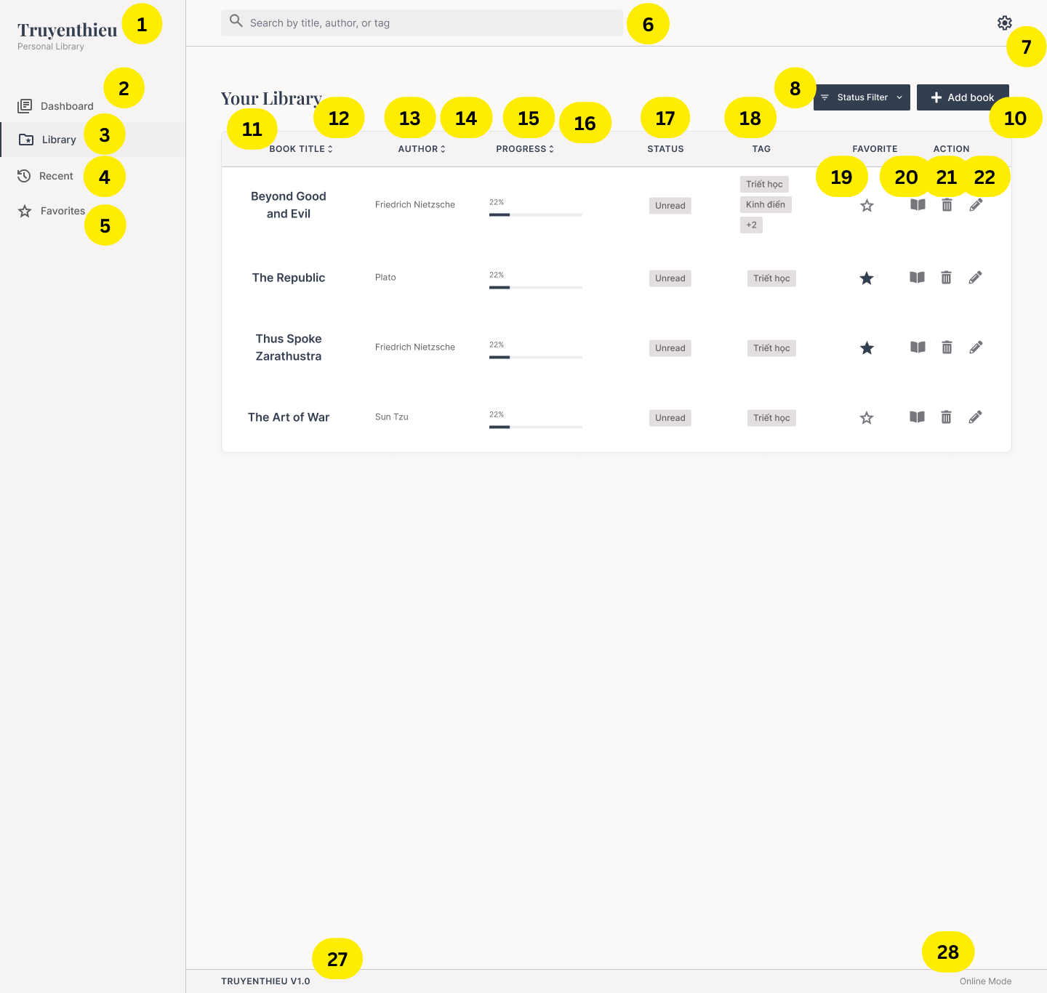 |  | 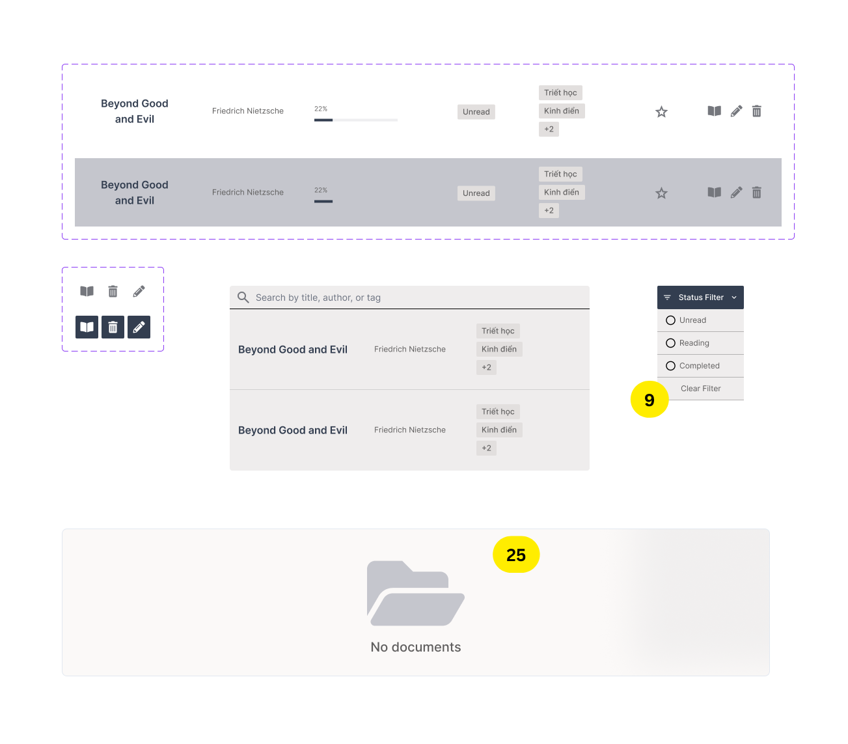 |  | 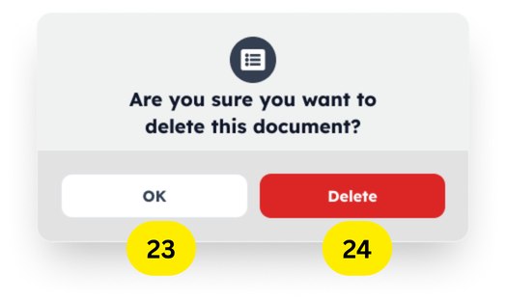 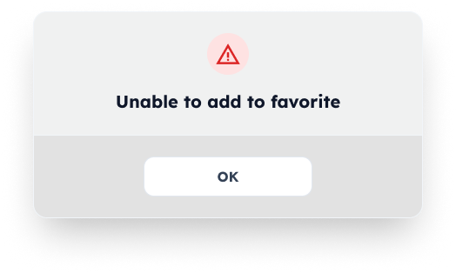 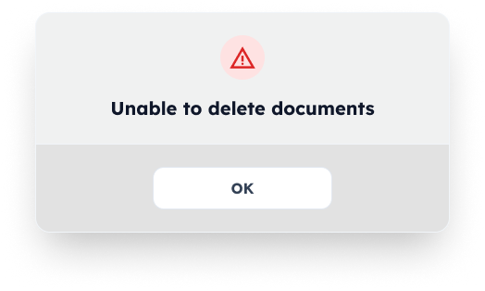
Diagrams/Screens flow

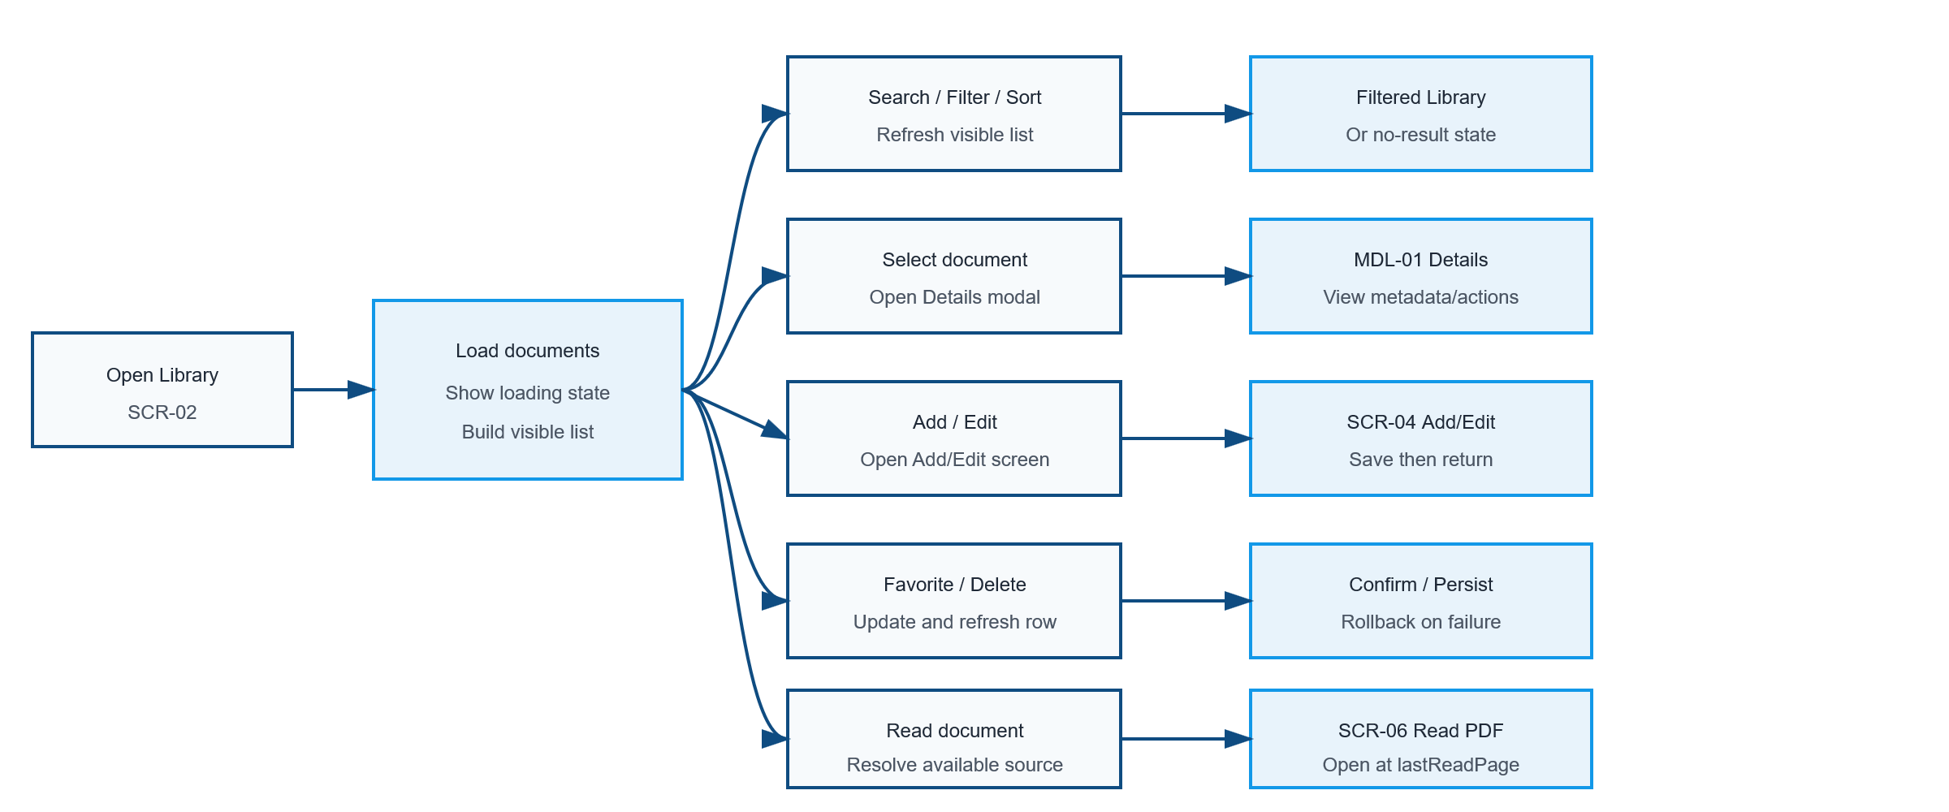

MD-01 Book Detail

SD-06 Add Documents

SD-05 Read PDF

Requirements
ID | Main | Sub | Description | Note/ Assumption | Ticket link
SCR-02-001 | Common layout | Application logo | Display the application name and subtitle in the left navigation area. | Display only; no click action is required in this version.
SCR-02-002 | Navigation | Library menu | Highlight Library as the active navigation item while SCR-02 is displayed. | Only one menu item may be active.
SCR-02-003 | Navigation | Dashboard menu | When selected, navigate to SCR-01 Dashboard. | Preserving Library conditions is optional.
SCR-02-004 | Navigation | Recent menu | When selected, navigate to SCR-03 Recent. | Recent items are ordered by latest reading activity.
SCR-02-005 | Navigation | Favorites menu | When selected, navigate to SCR-05 Favorites. | Display documents where favorite = true.
SCR-02-006 | Search | Search box | Allow search by title, author or tag. | Case-insensitive; trim leading/trailing spaces.
SCR-02-007 | Common layout | Settings icon | Display the Settings icon at the top-right. | Hide or disable it if Settings is outside the project scope.
SCR-02-008 | Filter | Open filter | When Filter is selected, display available filter conditions. Auto apply selected conditions and refresh the visible list. | Filter conditions: reading status Multiple conditions use AND; multiple values within one condition use OR.
SCR-02-009 | Filter | Reset filter button | Provide a way to clear all filter conditions. | The sort condition remain unchanged.
SCR-02-010 | Document | Add book | When Add book is selected, navigate to SCR-06 Add Document
SCR-02-011 | Table | Book title | Display the document title. Selecting the title or row opens MDL-01 Book Details. | Long text is truncated with a tooltip; modal behavior may be specified separately.
SCR-02-012 | Sorting | Book title | Selecting BOOK TITLE cycles between ascending and descending title order. | Show the active direction in the header.
SCR-02-013 | Table | Author | Display the document author. | If empty, display “Unknown author” only when author is optional.
SCR-02-014 | Sorting | Author | Selecting AUTHOR cycles between ascending and descending author order. | Show the active direction in the header.
SCR-02-015 | Table | Progress | Display lastReadPage / totalPages as a percentage and progress bar. | If totalPages is null or zero, display “—”; clamp to 0–100%.
SCR-02-016 | Sorting | Progress | Selecting PROGRESS cycles between ascending and descending progress order. | Show the active direction in the header. Unavailable progress values are placed last.
SCR-02-017 | Table | Reading status | Display UNREAD, READING or COMPLETED. | UNREAD = 0%; READING = 1–99%; COMPLETED = 100%.
SCR-02-018 | Table | Tags | Display up to two tag chips; when more tags exist, display “+N”.
SCR-02-019 | Favorite | Current state | Display an outlined star when favorite = false and a filled star when favorite = true. When the star is selected, update favorite in SQL Server and immediately reflect the new state. | Provide an accessible label and tooltip. On failure, rollback the icon and show error message.
SCR-02-020 | Action | Read | When the book icon is selected, open SCR-05 Read PDF at lastReadPage. | Prefer an IndexedDB copy when available; otherwise use LOCAL_UPLOAD or REMOTE_URL source.
SCR-02-021 | Action | Delete | When the trash icon is selected, display a confirmation dialog before deletion. | No deletion occurs until the user confirms.
SCR-02-022 | Action | Edit | When the pencil icon is selected, open SCR-07 Edit Document | The selected document data is prefilled.
SCR-02-023 | Action | Delete confirmed | Delete the Book record and any application-managed copy, then remove the row from the list. | LOCAL_UPLOAD: do not delete the user's original device file. REMOTE_URL: do not delete the remote source. Remove the current browser's IndexedDB copy when present.
SCR-02-024 | Action | Delete cancelled | Close the confirmation dialog and keep all data unchanged. | Return focus to the delete action.
SCR-02-025 | List state | No documents | If the library contains no documents, display an empty-state message and an Add book action. | Do not display empty table rows.
SCR-02-026 | Error handling | Mutation failure | When favorite or delete operations fail, keep/restore the previous row state and show a non-blocking error message. | Do not silently discard the user's action.
SCR-02-027 | Footer | Version information | Display the application version in the footer. | Example: TRUYENTHIEU V1.0.
SCR-02-028 | Footer | Connection mode | Display Online Mode or Offline Mode based on browser connectivity. | Connection mode does not guarantee that every document is available offline.

Full screen flow
