Cover

Cover

 |  |  |  | #003e83
 |  |  |  | #0085f0
 |  |  |  | #2cdcff

 | Functional Specification Document

 |  | Project Number | P001
 |  | Project Name | Truyenthieu
 |  | Project Manager | DuongNH
 |  | System ID
 |  | System Name
 |  | Creator | DuongNH
 |  | Creation Date | 2026-07-27

Screen name
Epic | Truyenthieu
Screen name | SCR-04 Favorite
Status | Done

Purpose
Favourite displays documents marked as favorite in the user's personal library. The screen allows the user to search, filter by reading status, sort, view progress, open document details, remove a document from favorites, read, edit or delete a document, and navigate to other main screens. Both LOCAL_UPLOAD and REMOTE_URL documents may appear when favorite = true.

Wireframes/Design

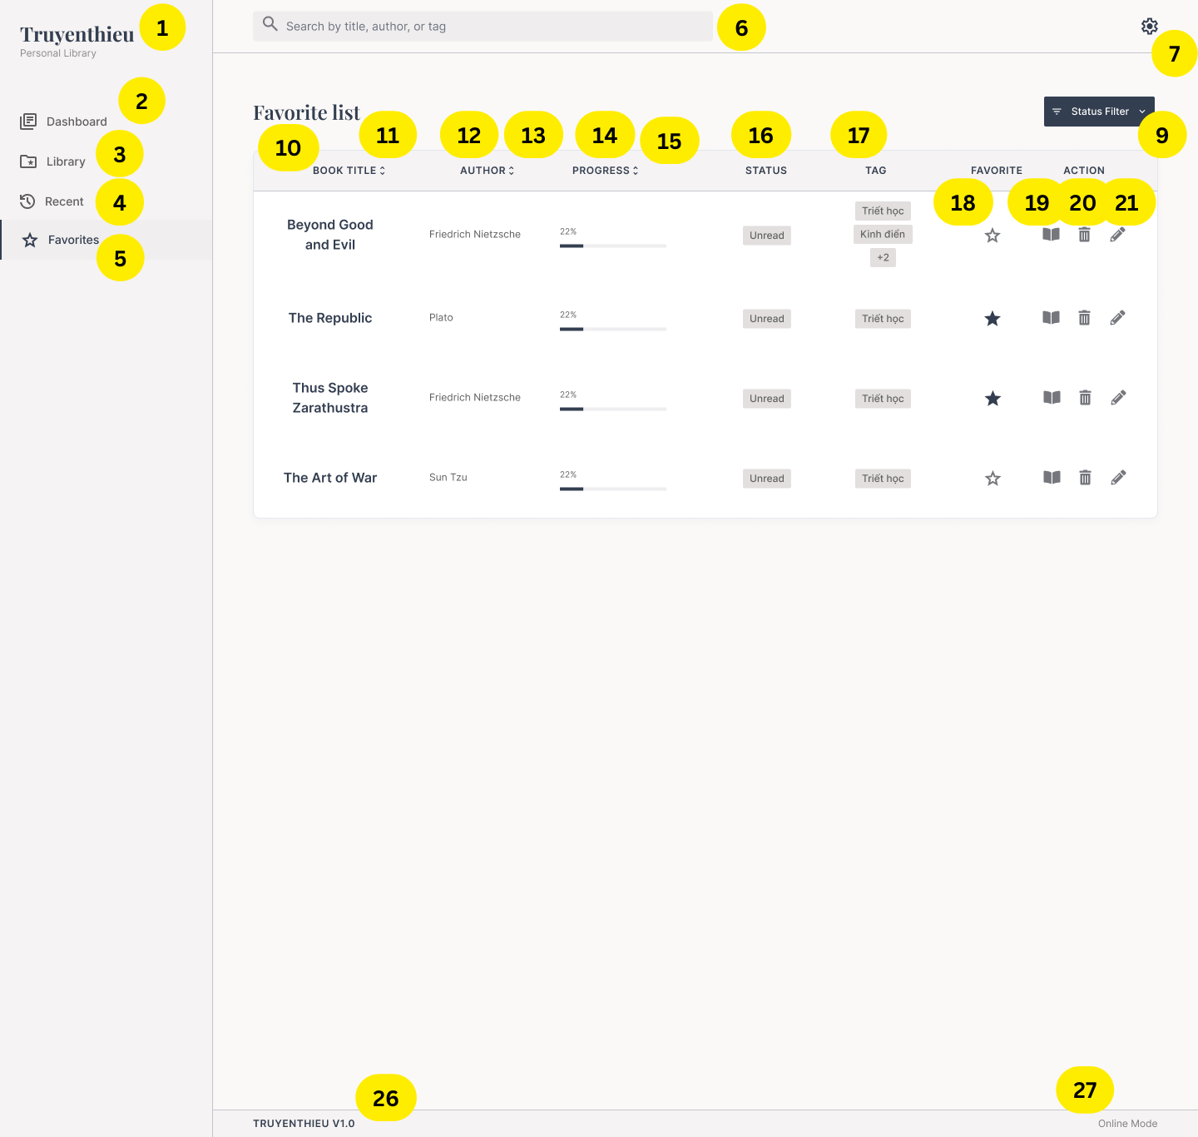 |  | 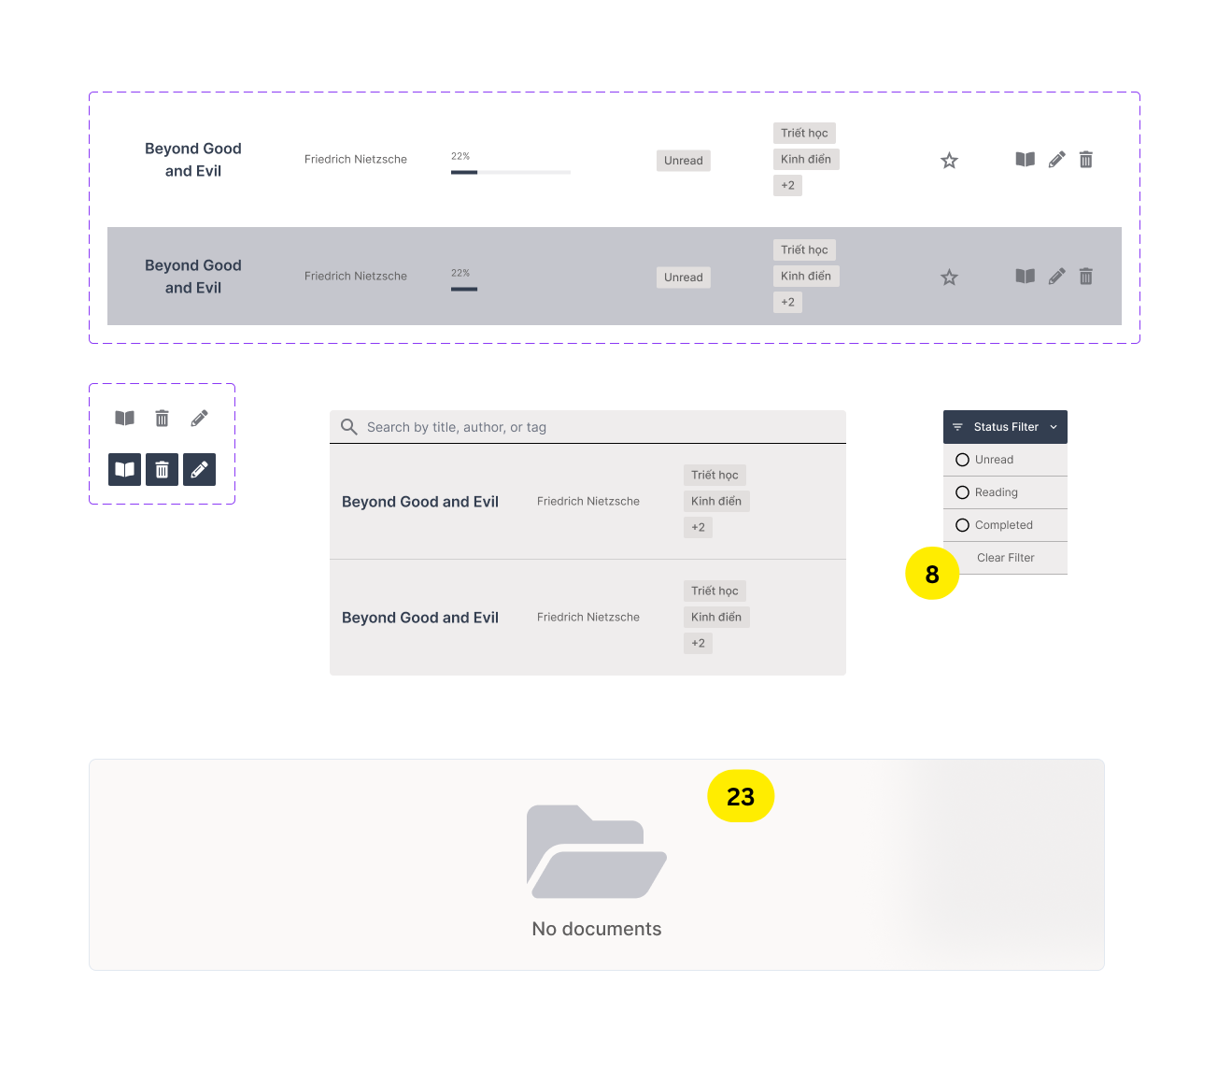 |  | 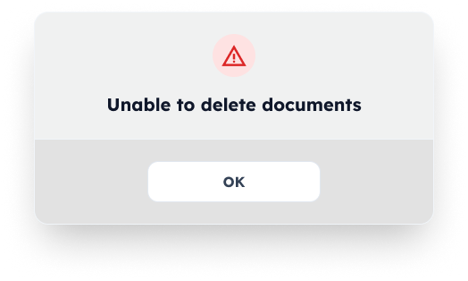 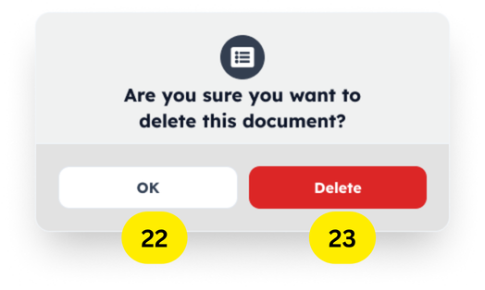 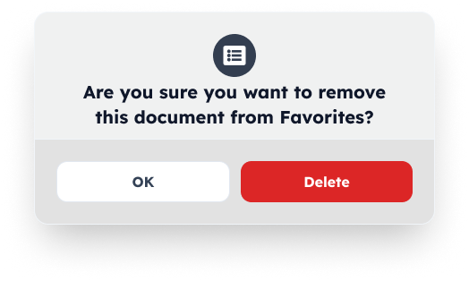
Diagrams/Screens flow

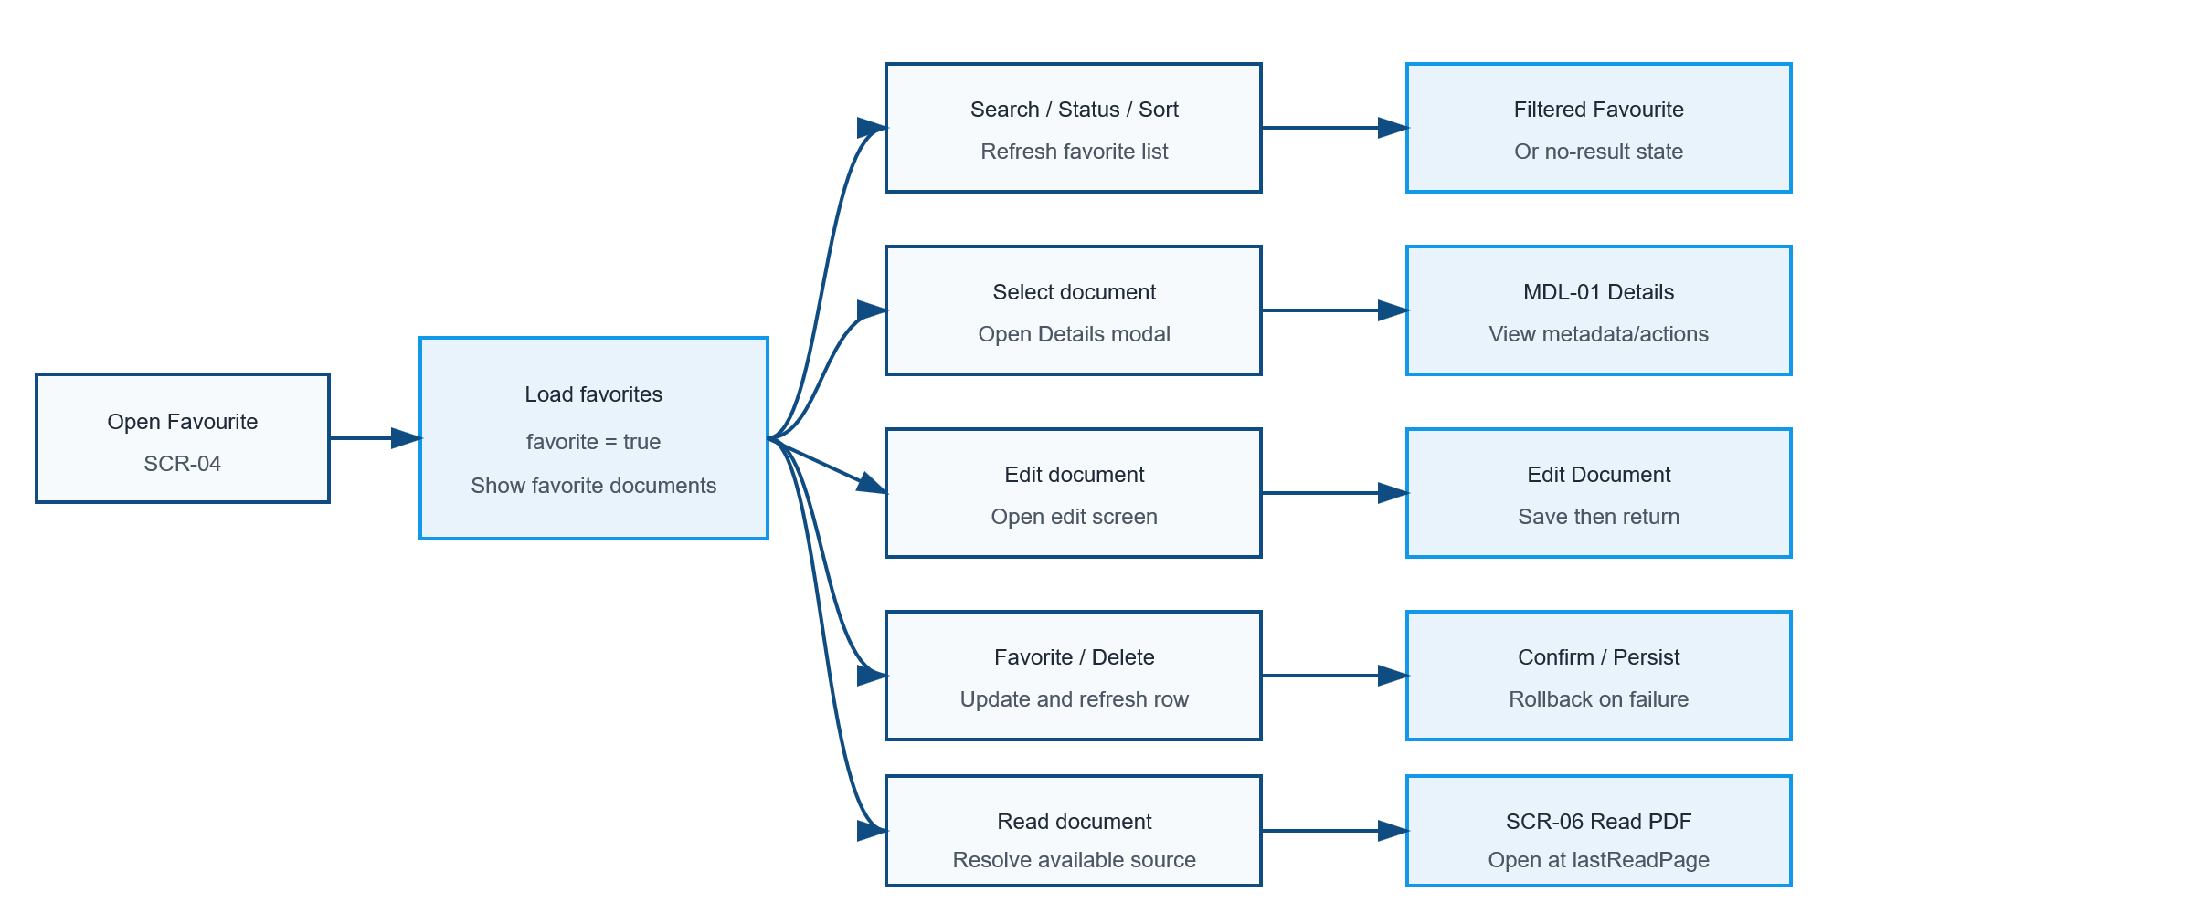

MD-01 Book Detail

SD-07 Edit Documents

SD-05 Read PDF

Requirements
ID | Main | Sub | Description | Note/ Assumption | Ticket link
SCR-03-001 | Common layout | Application logo | Display the application name and subtitle in the left navigation area. | Display only; no click action is required in this version.
SCR-03-002 | Navigation | Library menu | When selected, navigate to SCR-02 Library. | Only one menu item may be active.
SCR-03-003 | Navigation | Dashboard menu | When selected, navigate to SCR-01 Dashboard. | Preserving Library conditions is optional.
SCR-03-004 | Navigation | Recent menu | When selected, navigate to SCR-03 Recent. | Recent items are ordered by latest reading activity.
SCR-03-005 | Navigation | Favorites menu | Highlight Recent as the active navigation item while SCR-04 is displayed. | Display documents where favorite = true.
SCR-03-006 | Search | Search box | Allow search by title, author or tag. | Case-insensitive; trim leading/trailing spaces.
SCR-03-007 | Common layout | Settings icon | Display the Settings icon at the top-right. | Hide or disable it if Settings is outside the project scope.
SCR-03-008 | Filter | Open filter | When Filter is selected, display available filter conditions. Auto apply selected conditions and refresh the visible list. | Filter conditions: reading status Multiple conditions use AND; multiple values within one condition use OR.
SCR-03-009 | Filter | Reset filter button | Provide a way to clear all filter conditions. | The sort condition remain unchanged.
SCR-03-010 | Table | Recent inclusion | Display only documents whose reading history exists. | The screen has no Add book button. New documents are added from SCR-02 Library.
SCR-03-011 | Table | Book title | Display the document title. Selecting the title or row opens MDL-01 Book Details. | Long text is truncated with a tooltip; modal behavior may be specified separately.
SCR-03-012 | Sorting | Book title | Selecting BOOK TITLE cycles between ascending and descending title order. | Show the active direction in the header.
SCR-03-013 | Table | Author | Display the document author. | If empty, display “Unknown author” only when author is optional.
SCR-03-014 | Sorting | Author | Selecting AUTHOR cycles between ascending and descending author order. | Show the active direction in the header.
SCR-03-015 | Table | Progress | Display lastReadPage / totalPages as a percentage and progress bar. | If totalPages is null or zero, display “—”; clamp to 0–100%.
SCR-03-016 | Sorting | Progress | Selecting PROGRESS cycles between ascending and descending progress order. | Show the active direction in the header. Unavailable progress values are placed last.
SCR-03-017 | Table | Reading status | Display UNREAD, READING or COMPLETED. | UNREAD = 0%; READING = 1–99%; COMPLETED = 100%.
SCR-03-018 | Table | Tags | Display up to two tag chips; when more tags exist, display “+N”.
SCR-03-019 | Favorite | Current state | Display a filled star for every document on this screen. When the filled star is selected, display a comfirmation message, if user choose Yes, set favorite = false and remove the document from the current list, if user choose No, remove the message and return to list screen | On failure, restore the filled star and keep the row visible. A brief Undo notification is recommended.
SCR-03-020 | Action | Read | When the book icon is selected, open SCR-05 Read PDF at lastReadPage. | Prefer an IndexedDB copy when available; otherwise use LOCAL_UPLOAD or REMOTE_URL source.
SCR-03-021 | Action | Delete | When the trash icon is selected, display a confirmation dialog before deletion. | No deletion occurs until the user confirms.
SCR-03-022 | Action | Edit | When the pencil icon is selected, open SCR-07 Edit Document | The selected document data is prefilled.
SCR-03-023 | Action | Delete confirmed | Delete the Book record and any application-managed copy, then remove the row from the list. | LOCAL_UPLOAD: do not delete the user's original device file. REMOTE_URL: do not delete the remote source. Remove the current browser's IndexedDB copy when present.
SCR-03-024 | Action | Delete cancelled | Close the confirmation dialog and keep all data unchanged. | Return focus to the delete action.
SCR-03-025 | List state | No documents | If no document has reading history, display an empty-state message | Do not display empty table rows.
SCR-03-026 | Error handling | Mutation failure | When favorite or delete operations fail, keep/restore the previous row state and show a non-blocking error message. | Do not silently discard the user's action.
SCR-03-027 | Footer | Version information | Display the application version in the footer. | Example: TRUYENTHIEU V1.0.
SCR-03-028 | Footer | Connection mode | Display Online Mode or Offline Mode based on browser connectivity. | Connection mode does not guarantee that every document is available offline.

Full screen flow
