Cover

Cover

 |  |  |  | #003e83
 |  |  |  | #0085f0
 |  |  |  | #2cdcff

 | Functional Specification Document

 |  | Project Number | P001
 |  | Project Name | Truyenthieu
 |  | Project Manager | DuongNH
 |  | System ID
 |  | System Name
 |  | Creator | DuongNH
 |  | Creation Date | 2026-07-27

Screen name
Epic | Truyenthieu
Screen name | SCR-05 Read PDF
Status | Done

Purpose
Read PDF provides online and offline PDF reading for the selected document. It renders the PDF, restores the last read page, supports page navigation, zoom and fit controls, displays the document outline when available, automatically stores reading progress, and provides device-specific offline actions including Save for offline, Read offline and Remove offline copy.

Wireframes/Design

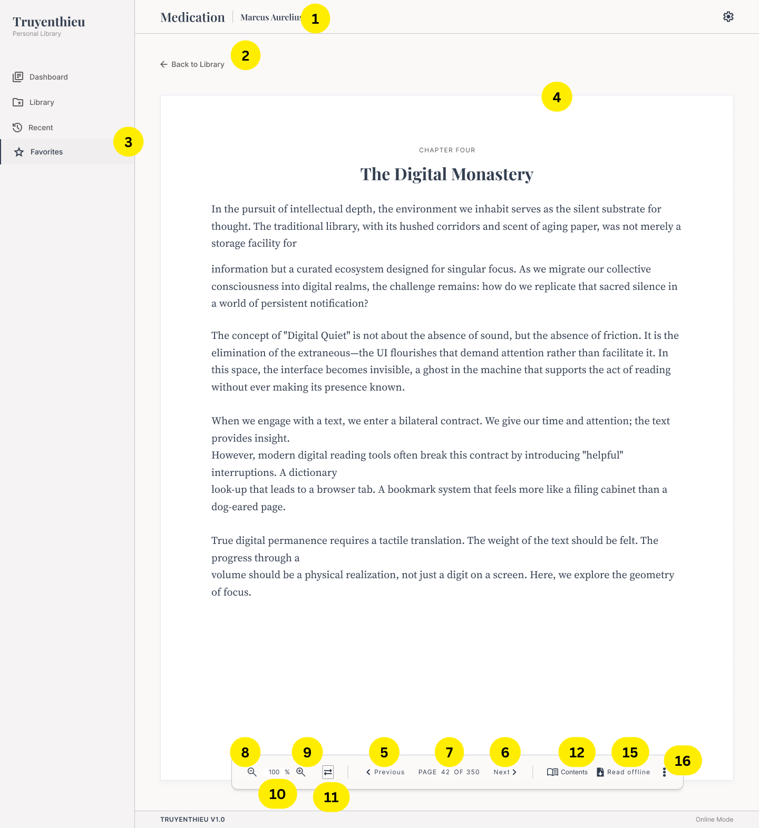 |  | 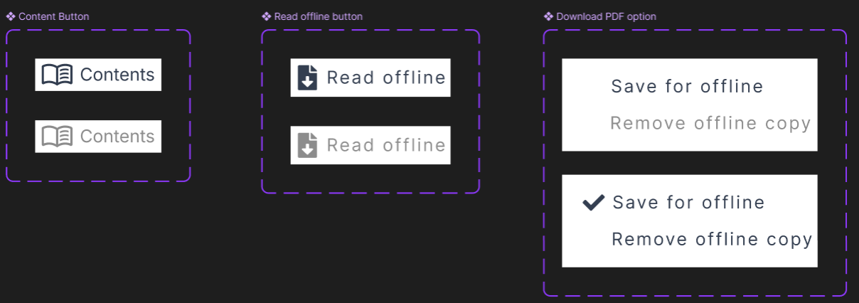
Diagrams/Screens flow
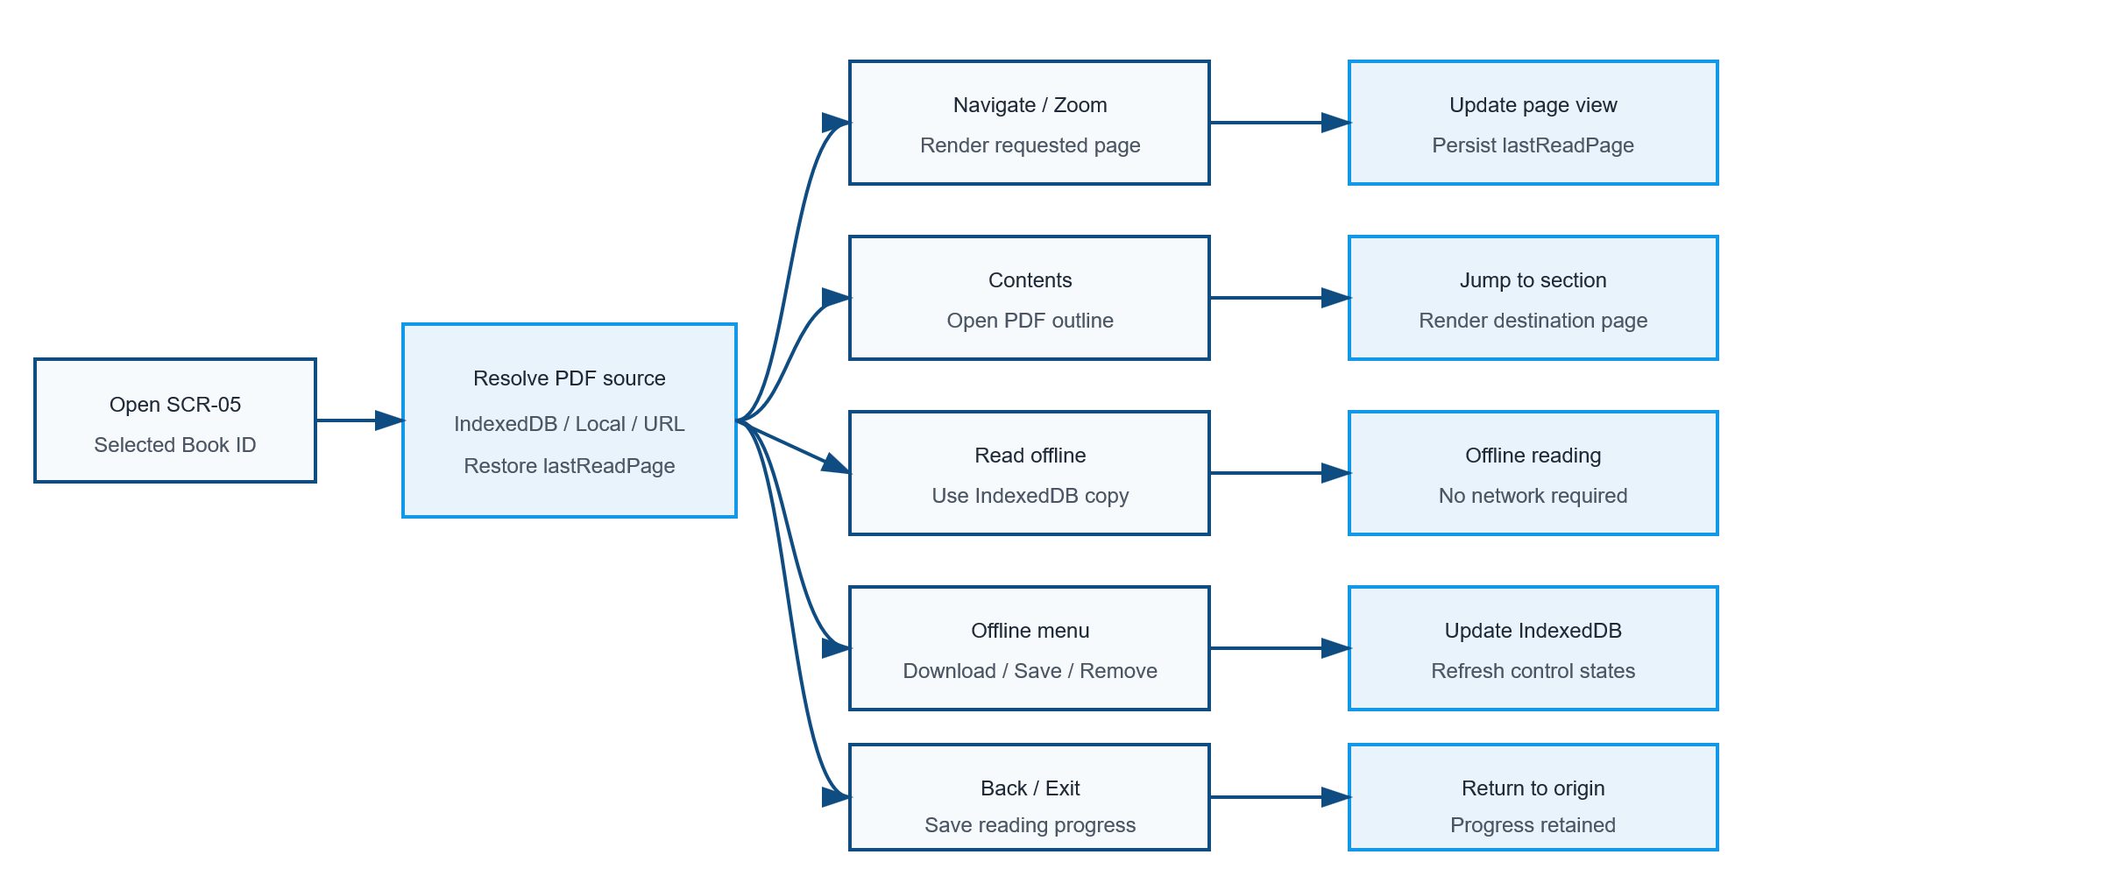

Components
ID | Main | Sub | Description | Note/ Assumption | Ticket link
SCR-05-001 | Header | Book information | Display the selected document title and author in the header. | The design text “Medication” should be corrected if the actual title is “Meditations”.
SCR-05-002 | Navigation | Back action | When Back is selected, save reading progress and return to the origin screen. | Although the mockup says Back to Library, returning to the actual origin is recommended.
SCR-05-003 | Navigation | Sidebar | Display common navigation according to the desktop layout. | Do not incorrectly highlight Favorites unless it is the origin/current navigation context.
SCR-05-004 | PDF display | Initial page | After the PDF loads, open lastReadPage; if it is unavailable or invalid, open page 1. Render the selected PDF page inside the reader area. | Clamp lastReadPage to the range 1–totalPages. Show a per-page loading indicator when rendering takes noticeable time.
SCR-05-005 | Page navigation | Previous | Move to the previous page when Previous is selected. | Disable on page 1.
SCR-05-006 | Page navigation | Next | Move to the next page when Next is selected. | Disable on the last page.
SCR-05-007 | Page navigation | Direct page input | Allow the user to enter a page number and navigate after Enter or confirmation. | Reject non-numeric values and values outside 1–totalPages.
SCR-05-008 | Zoom | Zoom out | Decrease the zoom level when Zoom Out is selected. | Recommended range: 50–200% with defined increments.
SCR-05-009 | Zoom | Zoom in | Increase the zoom level when Zoom In is selected. | Disable when the maximum zoom level is reached.
SCR-05-010 | Zoom | Zoom value | Display the current zoom percentage. | Default value may be 100% or Fit Width according to product decision.
SCR-05-011 | Zoom | Fit mode | Toggle or select a fit mode such as Fit Width or Fit Page. | The icon between zoom and page navigation requires a tooltip because its meaning is not self-evident.
SCR-05-012 | Contents | Availability | Enable Contents only when the PDF contains a usable outline/table of contents. | Display the disabled state shown in the control specification when no outline exists.
SCR-05-013 | Contents | Open panel | When Contents is selected, open a side panel or popover containing the PDF outline. | Keep the current page visible where possible.
SCR-05-014 | Contents | Select item | When an outline item is selected, close or retain the panel according to responsive rules and navigate to its destination page. | Update current page and reading progress.
SCR-05-015 | Offline | Read offline | Enable Read offline when an offline PDF copy is available on the current browser/device. Disable Read offline when no offline copy exists. | Offline availability is determined from IndexedDB or equivalent application-managed local storage. Use the disabled state shown in the control specification and provide a tooltip explaining how to save the PDF offline.
SCR-05-016 | More menu | Open menu | When the user selects the More icon, display the offline-copy actions applicable to the current document. | The menu does not contain Download PDF.
SCR-05-017 | More menu | Save for offline availability | Display and enable Save for offline when no IndexedDB copy exists and the PDF source is currently accessible. | The PDF may come from REMOTE_URL or an application-managed LOCAL_UPLOAD source.
SCR-05-018 | More menu | Remove offline copy | Display and enable Remove offline copy only when a complete PDF copy exists in IndexedDB. | Save for offline and Remove offline copy must not be enabled simultaneously.
SCR-05-019 | Offline | Read offline | When Read offline is selected, load the PDF from IndexedDB and continue from the current or last read page. | The action is enabled only when a complete IndexedDB copy exists.

Events
ID | Main | Sub | Description | Note/ Assumption | Ticket link
SCR-05-E001 | Open reader | Trigger | Open SCR-05 with the selected Book ID when the user chooses Read or Resume Reading. | The reader may be opened from MD-01, Library, Recent, Favourite or Dashboard.
SCR-05-E002 | Open reader | Loading | Display a loading state while resolving the PDF source and loading document metadata. | Reader controls are disabled until the PDF is ready.
SCR-05-E003 | PDF source | Resolution priority | Resolve the PDF using this priority: IndexedDB offline copy, application-managed LOCAL_UPLOAD copy, then REMOTE_URL. | If the browser is offline, REMOTE_URL cannot be used unless an IndexedDB copy exists.
SCR-05-E004 | PDF source | Load failure | If no accessible source exists or PDF loading fails, display an error with Retry and Back actions. | Do not display an empty reader as a successful state.
SCR-05-E005 | Page navigation | Keyboard | Support Page Up/Page Down or arrow-key navigation when focus is not inside an input. | Do not override browser shortcuts unexpectedly.
SCR-05-E006 | Reading progress | Automatic save | Automatically save lastReadPage and lastReadAt when the current page changes. | Use debounce to avoid excessive API calls; also flush on Back or page unload when possible.
SCR-05-E007 | Reading progress | Save failure | If progress saving fails, keep reading available and retry silently or show a non-blocking warning. | Do not interrupt PDF reading for a temporary progress-sync error.
SCR-05-E008 | Reading progress | Reading status | Update readingStatus consistently with progress. | UNREAD = 0%; READING = 1–99%; COMPLETED = 100%.
SCR-05-E009 | Offline | Read offline execution | When selected, load the PDF from the offline copy and continue from the current or last read page. | No network connection is required after the local copy has been resolved.
SCR-05-E010 | More menu | Save for offline execution | When Save for offline is selected, retrieve the PDF and store it in IndexedDB for the current browser/device. | This action does not create a user-managed file in the device Downloads folder.
SCR-05-E011 | More menu | Saving progress | While saving the PDF, display a progress indicator and prevent duplicate save operations. | Temporarily disable Save for offline until the operation succeeds or fails.
SCR-05-E012 | More menu | Save success | After the PDF is stored successfully, enable Read offline, disable or hide Save for offline, and enable Remove offline copy. | Offline availability is limited to the current browser/device.
SCR-05-E013 | More menu | Save failure | If saving fails, remove incomplete IndexedDB data, keep Read offline disabled and display a retryable error. | Do not change sourceType or delete the original PDF source.
SCR-05-E014 | More menu | Remove offline copy execution | When selected, display a confirmation dialog. After confirmation, delete the selected PDF copy from IndexedDB. | Do not delete the Book record, Backend file or remote URL.
SCR-05-E015 | More menu | Remove success | After successful removal, disable Read offline, hide or disable Remove offline copy, and enable Save for offline again. | Recalculate the control states after deletion.
SCR-05-E016 | More menu | Remove failure | If removal fails, keep the previous offline state and display a non-blocking error message. | The PDF must remain available through Read offline if its IndexedDB copy still exists.
SCR-05-E017 | Control state | No offline copy | When no IndexedDB copy exists, enable Save for offline, disable Read offline, and hide or disable Remove offline copy. | An accessible source and online connection may be required to save the PDF.
SCR-05-E018 | Control state | Offline copy exists | When a complete IndexedDB copy exists, enable Read offline and Remove offline copy, and hide or disable Save for offline. | This state applies regardless of the original sourceType.
SCR-05-E019 | Connectivity | Offline mode | When the browser is offline, allow reading only if a complete IndexedDB copy exists. Disable Save for offline because the source cannot be retrieved through the network. | For LOCAL_UPLOAD, the action may remain available only if its application-managed source can be accessed without a network connection.
SCR-05-E020 | Accessibility | Reader controls | Provide keyboard focus, accessible names and tooltips for icon-only controls and disabled-state explanations. | Announce page changes and loading errors appropriately.
SCR-05-E021 | Performance | Page loading | Render pages on demand and release unnecessary page resources when appropriate. | Avoid loading and rendering all pages simultaneously for large PDFs.

Full screen flow
