Cover

Cover

 |  |  |  | #003e83
 |  |  |  | #0085f0
 |  |  |  | #2cdcff

 | Functional Specification Document

 |  | Project Number | P001
 |  | Project Name | Truyenthieu
 |  | Project Manager | DuongNH
 |  | System ID
 |  | System Name
 |  | Creator | DuongNH
 |  | Creation Date | 2026-07-28

Screen name
Epic | Truyenthieu
Screen name | SCR-06 Add Book
Status | Done

Purpose
Add Book allows the user to register a new PDF document in the personal library using exactly one source method: uploading a PDF from the device or providing a remote PDF URL. The user enters document metadata, validates the selected source and required fields, then creates a new Book record and application-managed PDF source.

Wireframes/Design

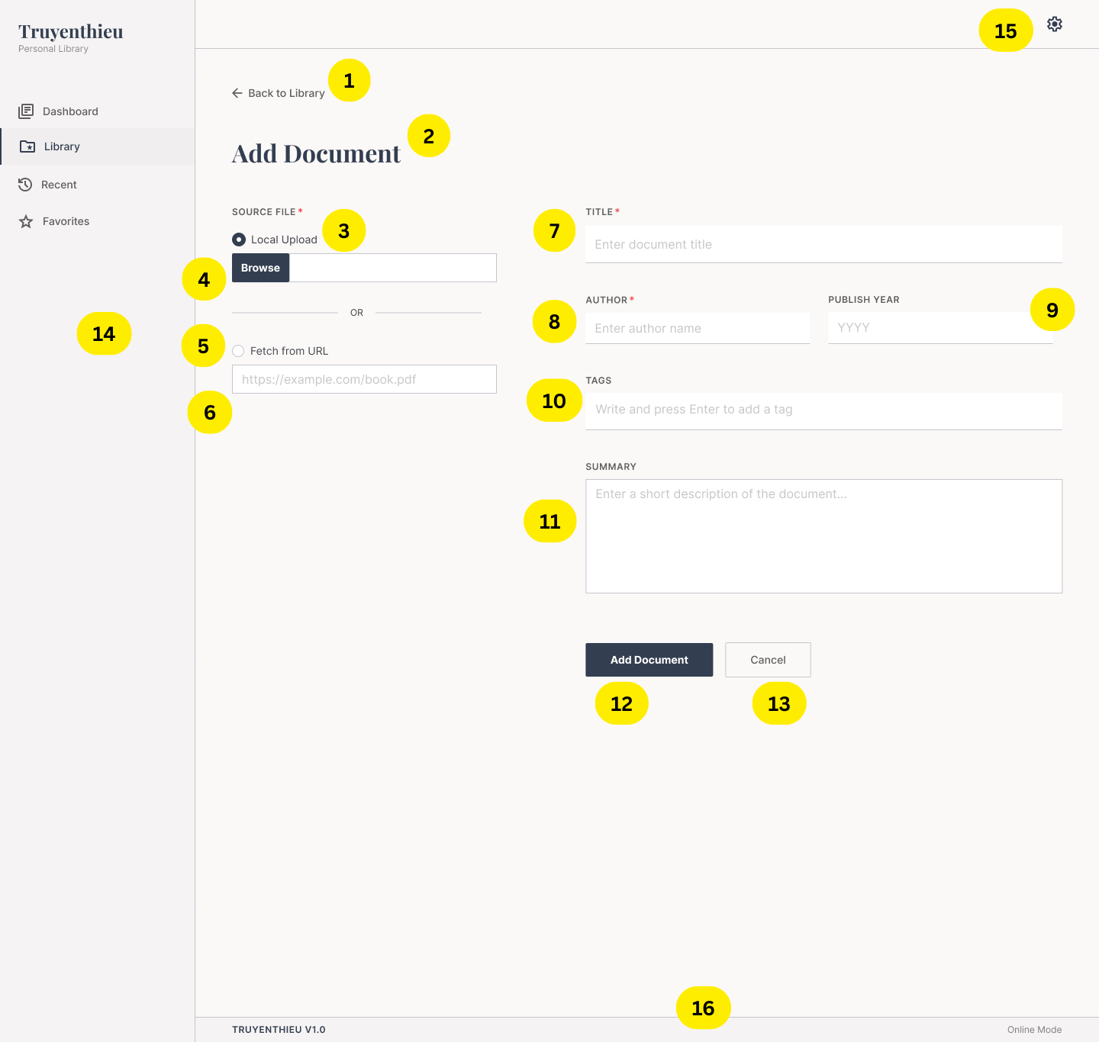 |  |  | 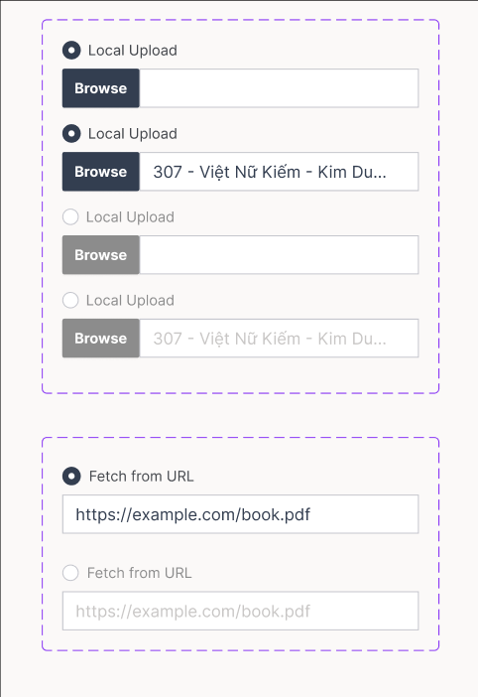 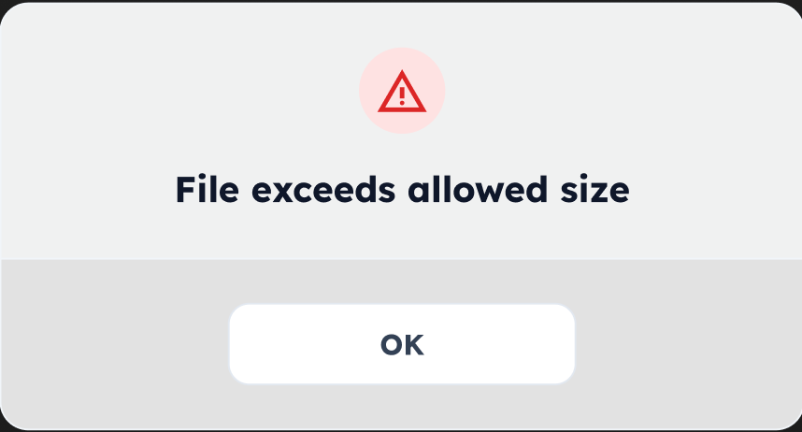 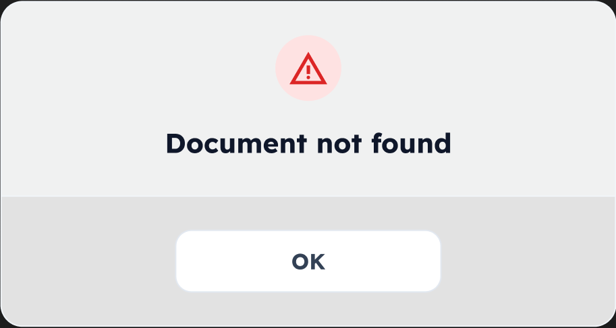 | 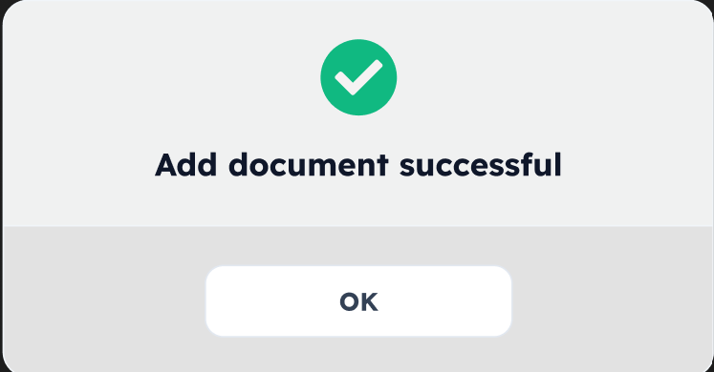 | 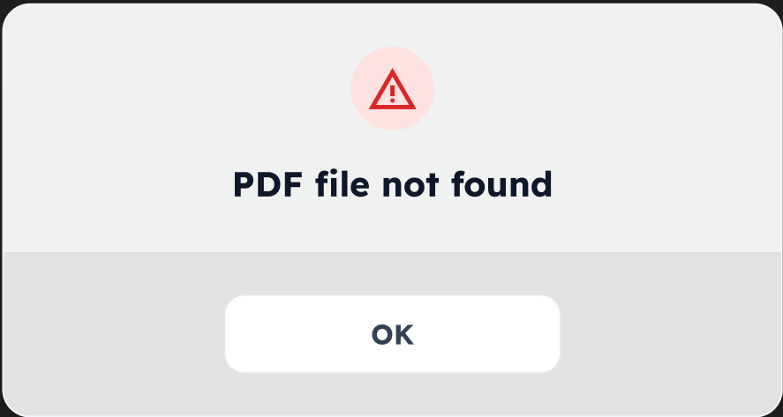 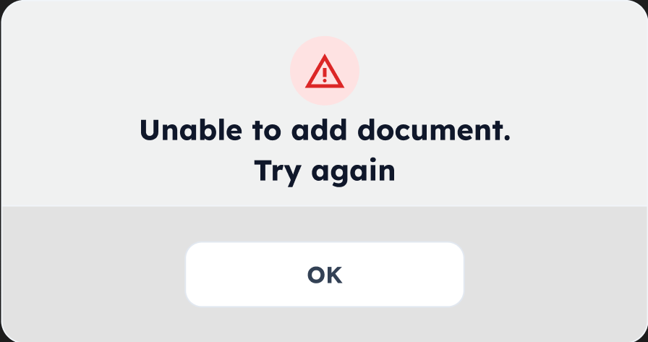
Diagrams/Screens flow
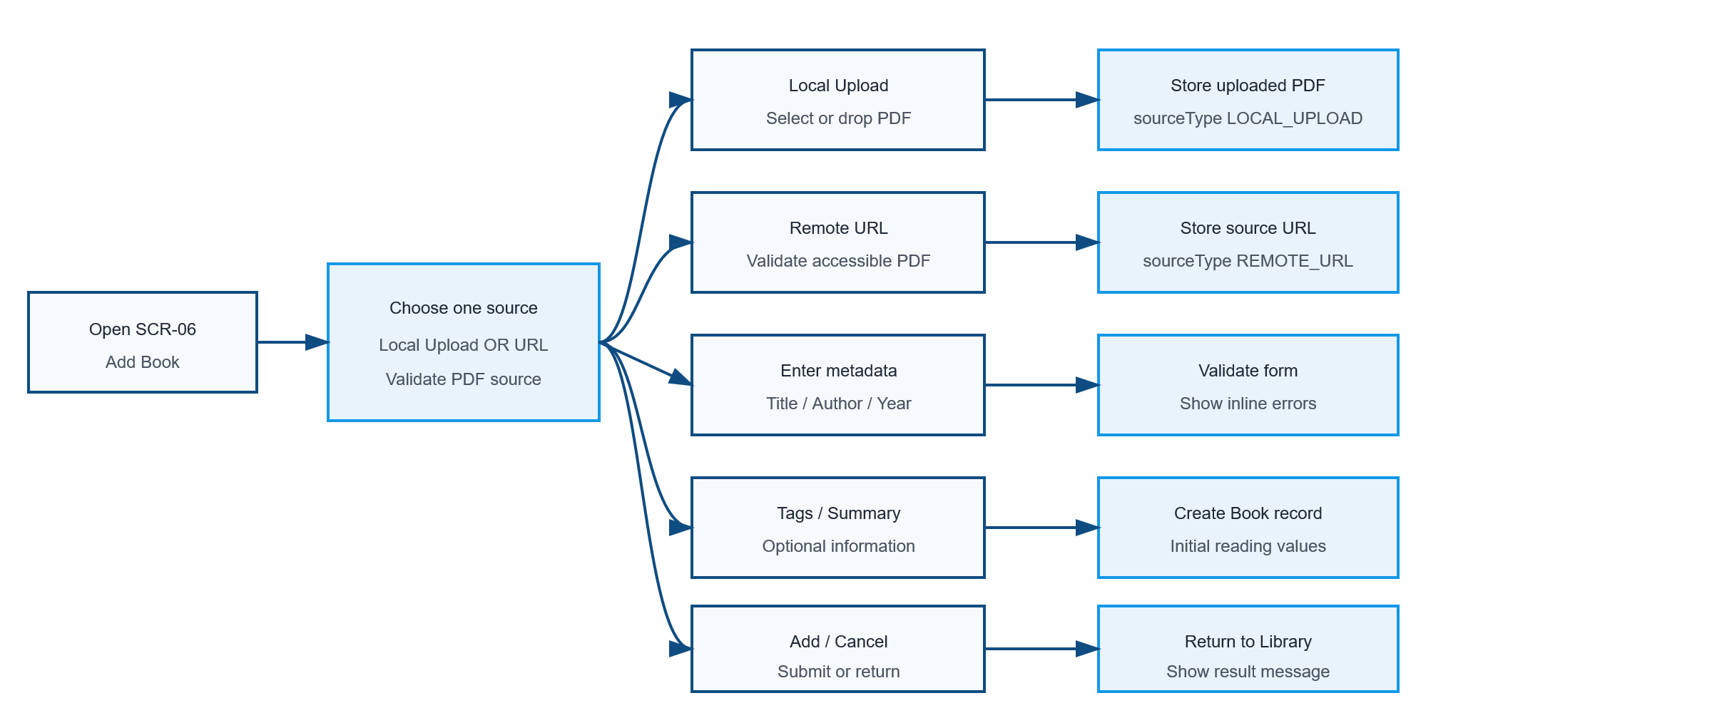

Components
ID | Main | Sub | Description |  | Note/ Assumption | Ticket link
SCR-06-C001 | Navigation | Back to Library | Display a Back to Library action above the page title. |  | Returns without creating a Book record.
SCR-06-C002 | Header | Page title | Display the title “Add Document”. |  | Use Add Book or Add Document consistently across UI and documents.
SCR-06-C003 | Source file | Local Upload radio | Select Local Upload as the active source method. |  | Selected by default. Only one source-method radio may be selected.
SCR-06-C004 | Source file | Browse control | Open the device file picker and display the selected PDF file name. |  | Enabled only when Local Upload is selected; disabled styling follows the state specification.
SCR-06-C005 | Source file | Fetch from URL radio | Select Fetch from URL as the active source method. |  | Selecting it disables Browse and enables the URL input.
SCR-06-C006 | Source file | Remote URL input | Allow entry of an HTTP/HTTPS PDF URL. |  | Enabled only when Fetch from URL is selected.
SCR-06-C008 | Metadata | Title | Required text input for the document title. |  | Trim whitespace; recommended maximum 255 characters.
SCR-06-C009 | Metadata | Author | Required text input for the author. |  | Trim whitespace; recommended maximum 255 characters.
SCR-06-C010 | Metadata | Publish year | Provide an optional text input allowing the user to enter the publication year, including years before the Common Era. |  | Database type: NVARCHAR(10). Accepted examples: 2024, 180 BC, 300 BCE.
SCR-06-C011 | Metadata | Tags | Optional multi-value tag input; Enter creates a tag chip. |  | Trim values, prevent duplicates and support removing a chip.
SCR-06-C012 | Metadata | Summary | Optional multi-line description input. |  | Recommended maximum 2,000 characters with a counter if enforced.
SCR-06-C013 | Action | Add Document | Submit the selected source and metadata. |  | Disable while submitting to prevent duplicate records.
SCR-06-C014 | Action | Cancel | Discard the current operation and return to Library. |  | Prompt for confirmation when unsaved data exists.
SCR-06-C015 | Common layout | Sidebar | Display Dashboard, Library, Recent and Favorites; highlight Library. |  | Only one navigation item is active.
SCR-06-C016 | Common layout | Settings | Display the Settings icon according to the common header specification. |  | Hide or disable if Settings is outside scope.
SCR-06-C017 | Footer | Version and mode | Display application version and current Online/Offline mode. |  | Remote URL validation and submission require Online mode.

Events
ID | Main | Sub | Description |  | Note/ Assumption | Ticket link
SCR-06-E001 | Initial display | Open screen | Initialize an empty form with Local Upload selected, Browse enabled and Remote URL input disabled. |  | The default selected radio determines the pending sourceType.
SCR-06-E002 | Local upload | Browse file | When Browse is selected, open the file picker; after selection, validate the PDF and display its file name. |  | Accept one .pdf file only; validate MIME type, extension and size.
SCR-06-E003 | Local upload | Invalid file | Reject unsupported, empty, corrupted or oversized files and display an inline error. |  | Maximum file size must be configurable; suggested learning-project limit: 50 MB.
SCR-06-E004 | Local upload | Replace file | When Browse is enabled, allow the selected PDF to be replaced and update the displayed file name. |  | Replacing does not create or delete a Book record.
SCR-06-E005 | Source selection | Select Local Upload | Set pending sourceType = LOCAL_UPLOAD, enable Browse and disable the Remote URL input. |  | A previously entered URL may remain visible but disabled; it is not submitted.
SCR-06-E006 | Source selection | Select Fetch from URL | Set pending sourceType = REMOTE_URL, disable Browse and enable the Remote URL input. |  | A previously selected file name may remain visible but disabled; the file is not uploaded.
SCR-06-E007 | Remote URL | Validate syntax | Validate that the URL uses HTTP or HTTPS and is syntactically valid. |  | Reject unsupported protocols and whitespace-only input.
SCR-06-E008 | Remote URL | Validate PDF | Verify that the remote resource is accessible and represents a PDF. |  | Handle redirects, timeout, HTTP errors and content-type mismatch. Browser CORS limitations may require backend validation.
SCR-06-E009 | Remote URL | Offline mode | Disable remote validation/submission and explain that an online connection is required. |  | Local Upload remains available if the application can receive the file.
SCR-06-E010 | Metadata | Enter tags | Pressing Enter with a non-empty tag creates a chip; selecting its remove icon deletes it. |  | Do not submit the form merely because Enter is used in the tag field.
SCR-06-E011 | Validation | Required fields | On submit, validate only the currently selected source method together with required Title and Author. |  | Ignore the disabled source control even if it retains a previous value; focus the first error.
SCR-06-E012 | Validation | Publish year | If entered, trim leading/trailing spaces and validate the value according to the supported publication-year format. |  | Maximum length: 10 characters. Accept YYYY, YYYY BC and YYYY BCE, case-insensitively. Reject unsupported characters and values containing only spaces.
SCR-06-E013 | Data processing | Normalize publish year | Before saving, normalize the publication year by trimming spaces, converting the era suffix to uppercase and using a single space between the year and suffix. |  | Examples: 180 bc → 180 BC; 180BC → 180 BC. Store the normalized value in publishYear NVARCHAR(10).
SCR-06-E014 | Submit | Local Upload | If Local Upload is selected, upload only the selected PDF and create the Book record with sourceType = LOCAL_UPLOAD. |  | Do not submit a disabled URL value. Store originalFileName, fileSize and application filePath.
SCR-06-E015 | Submit | Remote URL | If Fetch from URL is selected, create the Book record with sourceType = REMOTE_URL and pdfUrl after validation. |  | Do not upload a retained disabled local file or automatically save the remote PDF to IndexedDB.
SCR-06-E016 | Submit | Initial values | Initialize favorite = false, lastReadPage = 0, readingStatus = UNREAD and timestamps. |  | totalPages may be extracted during validation/upload or populated after first PDF load.
SCR-06-E017 | Submit | Success | Show a success message and navigate to SCR-02 Library or open MD-01 for the created Book. |  | Recommended simple flow: return to Library and highlight the new record.
SCR-06-E018 | Submit | Failure | Keep entered metadata, show an error and allow Retry. |  | Clean up an uploaded application file if Book creation fails after file storage.
SCR-06-E019 | Submit | Duplicate prevention | Prevent repeated submission while the request is running. |  | Use server-side protection in addition to disabling the button.
SCR-06-E020 | Cancel | No changes | Return to Library immediately when the form is empty. |  | No confirmation is required.
SCR-06-E021 | Cancel | Unsaved changes | When form data exists, ask the user to confirm discarding it. |  | Canceling the confirmation returns to the form with all data retained.
SCR-06-E022 | Responsive | Mobile layout | Stack source and metadata sections vertically and keep actions reachable without horizontal scrolling. |  | File drop may become a standard file picker on mobile.
SCR-06-E023 | Accessibility | Form operation | Associate labels and errors with inputs, expose required state and support keyboard file selection. |  | Do not communicate validation only by color.

Full screen flow
