Cover

Cover

 |  |  |  | #003e83
 |  |  |  | #0085f0
 |  |  |  | #2cdcff

 | Functional Specification Document

 |  | Project Number | P001
 |  | Project Name | Truyenthieu
 |  | Project Manager | DuongNH
 |  | System ID
 |  | System Name
 |  | Creator | DuongNH
 |  | Creation Date | 2026-07-28

Screen name
Epic | Truyenthieu
Screen name | SCR-07 Edit Book
Status | Done

Purpose
Edit Book loads an existing document and allows the user to update metadata or replace its PDF source using Local Upload or Fetch from URL. Metadata-only changes preserve reading progress and offline data. Replacing the source requires confirmation, invalidates source-dependent reading data and must be completed transactionally. The screen also provides a clearly separated permanent Delete Document action.

Wireframes/Design

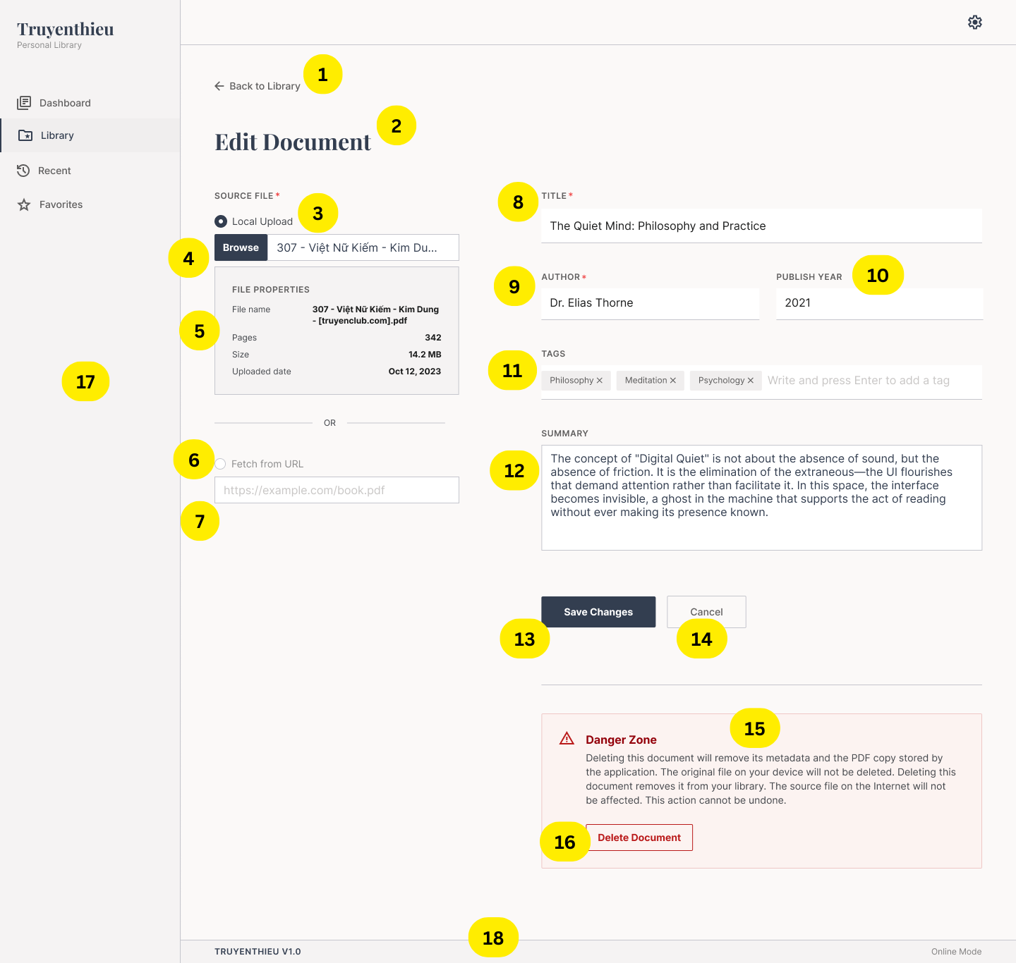 |  |  | 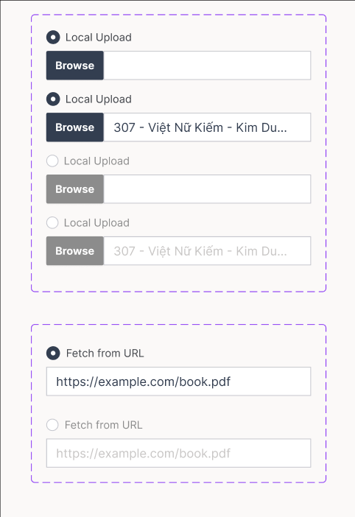 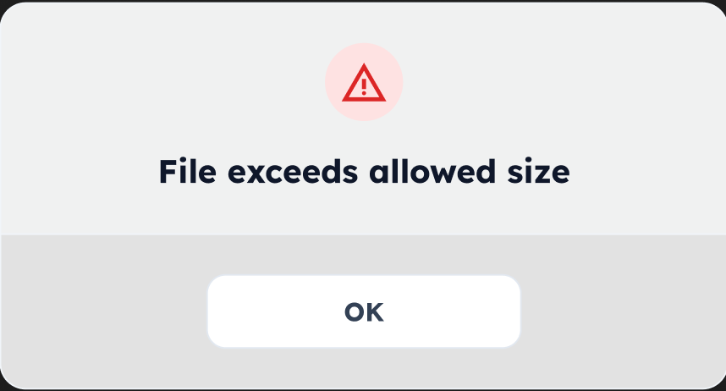 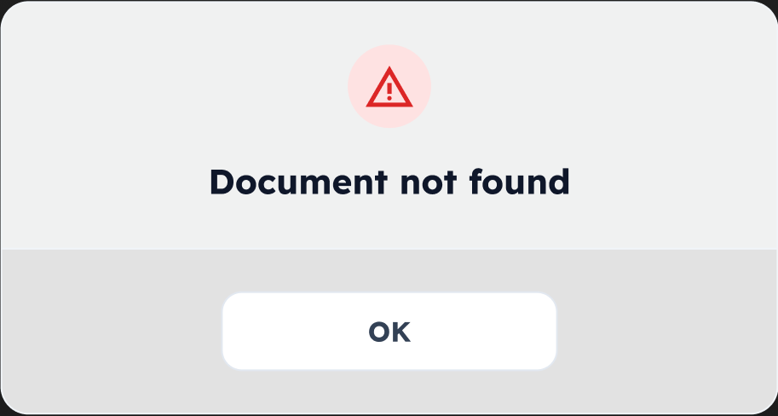 | 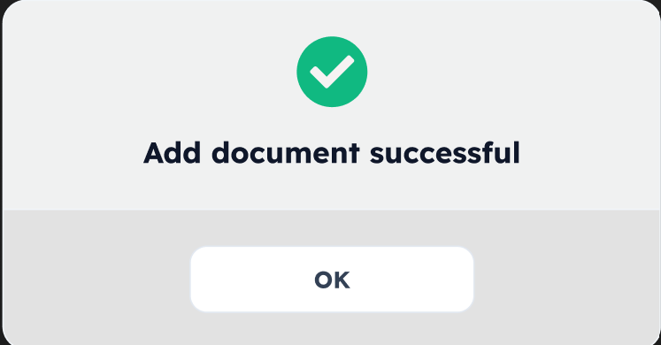 | 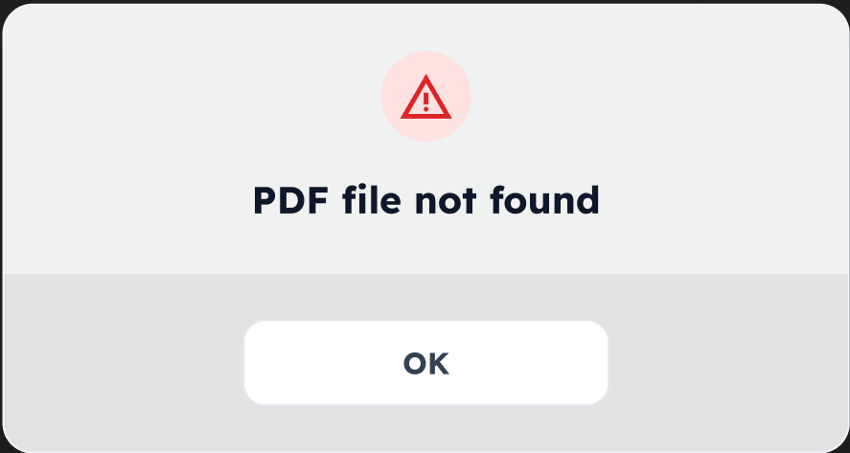 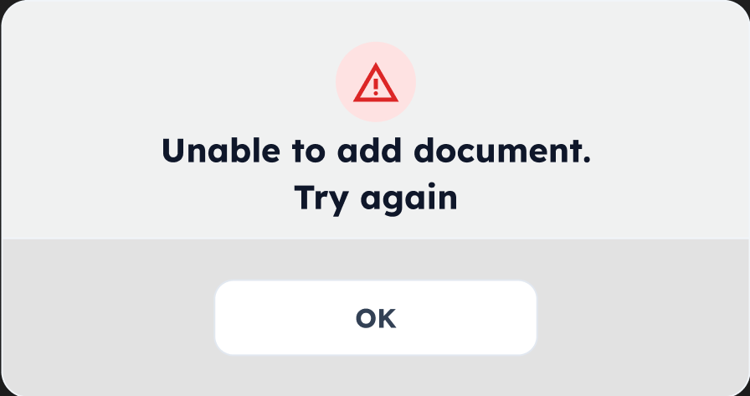
Diagrams/Screens flow

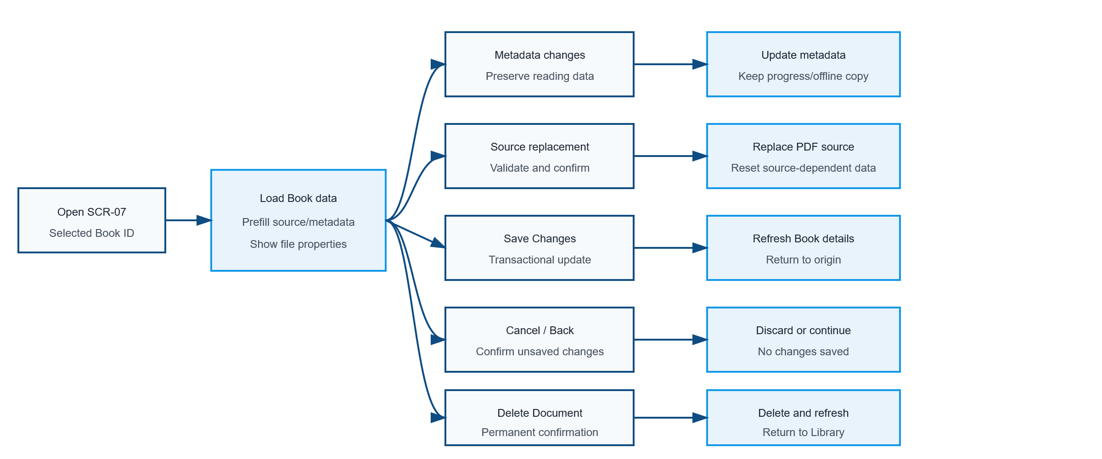

Components
ID | Main | Sub | Description |  | Note/ Assumption | Ticket link
SCR-07-C001 | Navigation | Back to Library | Display a Back to Library action above the page title. |  | If unsaved changes exist, use the same discard confirmation as Cancel.
SCR-07-C002 | Header | Page title | Display the title “Edit Document”. |  | The screen operates on the Book ID supplied by the origin screen.
SCR-07-C003 | Source file | Local Upload radio | Select Local Upload as the active source method. |  | Its initial state reflects the existing sourceType.
SCR-07-C004 | Source file | Browse control | Allow selection of a replacement PDF and display its file name. |  | Enabled only when Local Upload is selected.
SCR-07-C005 | Source file | File properties | Display properties of the currently stored or newly selected local PDF. |  | Recommended fields: file name, pages, size and uploaded date; hide for REMOTE_URL when not applicable.
SCR-07-C006 | Source file | Fetch from URL radio | Select Remote URL as the active source method. |  | Selecting it disables Browse and enables URL input.
SCR-07-C007 | Source file | Remote URL input | Display and allow editing of the PDF source URL. |  | Enabled only when Fetch from URL is selected.
SCR-07-C008 | Metadata | Title | Required text input prefilled with the current title. |  | Trim whitespace; recommended maximum 255 characters.
SCR-07-C009 | Metadata | Author | Required text input prefilled with the current author. |  | Trim whitespace; recommended maximum 255 characters.
SCR-07-C010 | Metadata | Publish year | Optional text input supporting Common Era and BCE years. |  | Database type NVARCHAR(10); examples: 2021, 180 BC and 300 BCE.
SCR-07-C011 | Metadata | Tags | Display existing tags as removable chips and allow new tags. |  | Trim values and prevent duplicates.
SCR-07-C012 | Metadata | Summary | Optional multi-line summary prefilled with the current value. |  | Recommended maximum 2,000 characters.
SCR-07-C013 | Action | Save Changes | Validate and persist modified source and/or metadata. |  | Disable when nothing changed or while saving.
SCR-07-C014 | Action | Cancel | Discard unsaved changes and return to the origin screen. |  | Require confirmation when the form is dirty.
SCR-07-C015 | Danger Zone | Warning | Explain the permanent effects of Delete Document. |  | Keep visually separated from Save/Cancel actions.
SCR-07-C016 | Danger Zone | Delete Document | Start permanent document deletion. |  | Always requires explicit confirmation.
SCR-07-C017 | Common layout | Sidebar | Display main navigation and highlight Library. |  | Only one navigation item is active.
SCR-07-C018 | Footer | Version and mode | Display application version and Online/Offline mode. |  | Remote URL validation and source replacement require Online mode.

Events
ID | Main | Sub | Description |  | Note/ Assumption | Ticket link
SCR-07-E001 | Initial display | Load Book | Retrieve the selected Book and prefill source, metadata, tags and summary. |  | Show loading until required data is available.
SCR-07-E002 | Initial display | Load failure | If the Book does not exist or loading fails, show Retry and Back actions. |  | Do not display stale data from another Book.
SCR-07-E003 | Source state | LOCAL_UPLOAD | Select Local Upload, enable Browse, display current file name/properties and disable URL input. |  | The current stored PDF remains unchanged until Save succeeds.
SCR-07-E004 | Source state | REMOTE_URL | Select Fetch from URL, enable and prefill URL input, and disable Browse. |  | Hide local file properties unless a retained local copy must be shown separately.
SCR-07-E005 | Local upload | Select replacement | Validate the newly selected PDF and show its name and properties as pending data. |  | Accept one PDF within the configured size limit.
SCR-07-E006 | Local upload | Invalid replacement | Reject unsupported, empty, corrupted or oversized files and retain the existing source. |  | The stored PDF is never replaced before successful Save.
SCR-07-E007 | Source selection | Switch method | Enable controls for the selected radio and disable the other method. |  | Retained disabled values are not validated or submitted.
SCR-07-E008 | Remote URL | Validate URL | Validate HTTP/HTTPS syntax, accessibility and PDF content for a changed URL. |  | Handle redirect, timeout, HTTP errors and content-type mismatch; backend validation may be required.
SCR-07-E009 | Remote URL | Offline mode | Prevent changing to or validating a new Remote URL while offline. |  | Existing metadata may still be edited when permitted.
SCR-07-E010 | Metadata | Publish year | Trim and normalize optional publishYear; accept YYYY, YYYY BC and YYYY BCE up to 10 characters. |  | Examples: 180bc → 180 BC. Reject unsupported text and values longer than NVARCHAR(10).
SCR-07-E011 | Metadata | Tags | Allow adding and removing tag chips without submitting the form on Enter. |  | Prevent blank and duplicate tags.
SCR-07-E012 | Change tracking | Dirty form | Mark the form dirty when source or metadata differs from the loaded Book. |  | Disable Save Changes when no effective change exists.
SCR-07-E013 | Validation | Save validation | Validate Title, Author, Publish Year and only the currently selected source. |  | Show inline errors and focus the first invalid control.
SCR-07-E014 | Save | Metadata only | Update metadata and updatedAt without changing reading progress, favorite state or offline copy. |  | No PDF storage operation is required.
SCR-07-E015 | Save | Detect source change | Treat changed sourceType, local PDF or remote URL as a source replacement. |  | A URL changed to another URL is also a source replacement.
SCR-07-E016 | Save | Confirm source replacement | Before saving a replacement source, warn that page count, progress and offline data may be reset. |  | Canceling the confirmation returns to the edit form.
SCR-07-E017 | Save | Upload replacement | For LOCAL_UPLOAD replacement, upload the new PDF to temporary/application storage before updating the Book. |  | Do not remove the old application copy until the database update succeeds.
SCR-07-E018 | Save | Remote replacement | For REMOTE_URL replacement, store the validated URL and sourceType = REMOTE_URL. |  | Do not automatically save the new PDF to IndexedDB.
SCR-07-E019 | Save | Reset reading data | After successful source replacement, set lastReadPage = 0, readingStatus = UNREAD, clear lastReadAt and recalculate totalPages. |  | Favorite and metadata remain unchanged unless explicitly edited.
SCR-07-E020 | Save | Invalidate offline copy | Remove the old IndexedDB copy from the current browser after source replacement. |  | Other devices cannot be cleaned automatically; offline copies must be versioned or detected as stale.
SCR-07-E021 | Save | Transactional success | After the Book update succeeds, remove the obsolete application-managed source, show success and return/refresh. |  | Recommended destination: refreshed MD-01 or Library.
SCR-07-E022 | Save | Failure and rollback | On failure, keep the old Book/source valid, remove incomplete new storage and retain form values for Retry. |  | Do not leave the record pointing to a missing file.
SCR-07-E023 | Save | Concurrent update | Detect if the Book was changed after the edit form loaded. |  | Use updatedAt/version for optimistic locking and ask the user to reload.
SCR-07-E024 | Cancel | Unsaved changes | When Cancel or Back is used with a dirty form, confirm discarding changes. |  | Declining returns to the form unchanged.
SCR-07-E025 | Delete | Open confirmation | When Delete Document is selected, display a confirmation describing all affected application data. |  | No deletion occurs before confirmation.
SCR-07-E026 | Delete | Confirmed | Delete Book metadata, the application-managed PDF and the current browser's IndexedDB copy, then return to Library. |  | Do not delete the user's original device file or any remote Internet source.
SCR-07-E027 | Delete | Failure | If deletion fails, keep the user on SCR-07 and display an actionable error. |  | Avoid partial deletion where possible; reconcile storage if it occurs.
SCR-07-E028 | Responsive | Mobile layout | Stack source, metadata and Danger Zone sections and keep actions accessible. |  | Use a standard file picker on mobile.
SCR-07-E029 | Accessibility | Form operation | Associate labels/errors with inputs and expose radio, disabled and destructive-action states. |  | Do not communicate validation or danger only by color.

Full screen flow
