MD-01 Book Details
Epic | Truyenthieu
Screen name | MD-01 Book's Details
Status | Done

Purpose
Purpose of this screen/function
Book's Details displays complete information and reading state for the selected document without leaving the current list screen. The modal allows the user to change favorite state, resume reading, edit metadata or source, save a remote document for offline reading, delete the document, or close the modal. Displayed fields and available actions depend on sourceType and offline-copy availability.

Wireframes/Design
Book's Details modal showing metadata, reading progress, source/offline state and document actions.

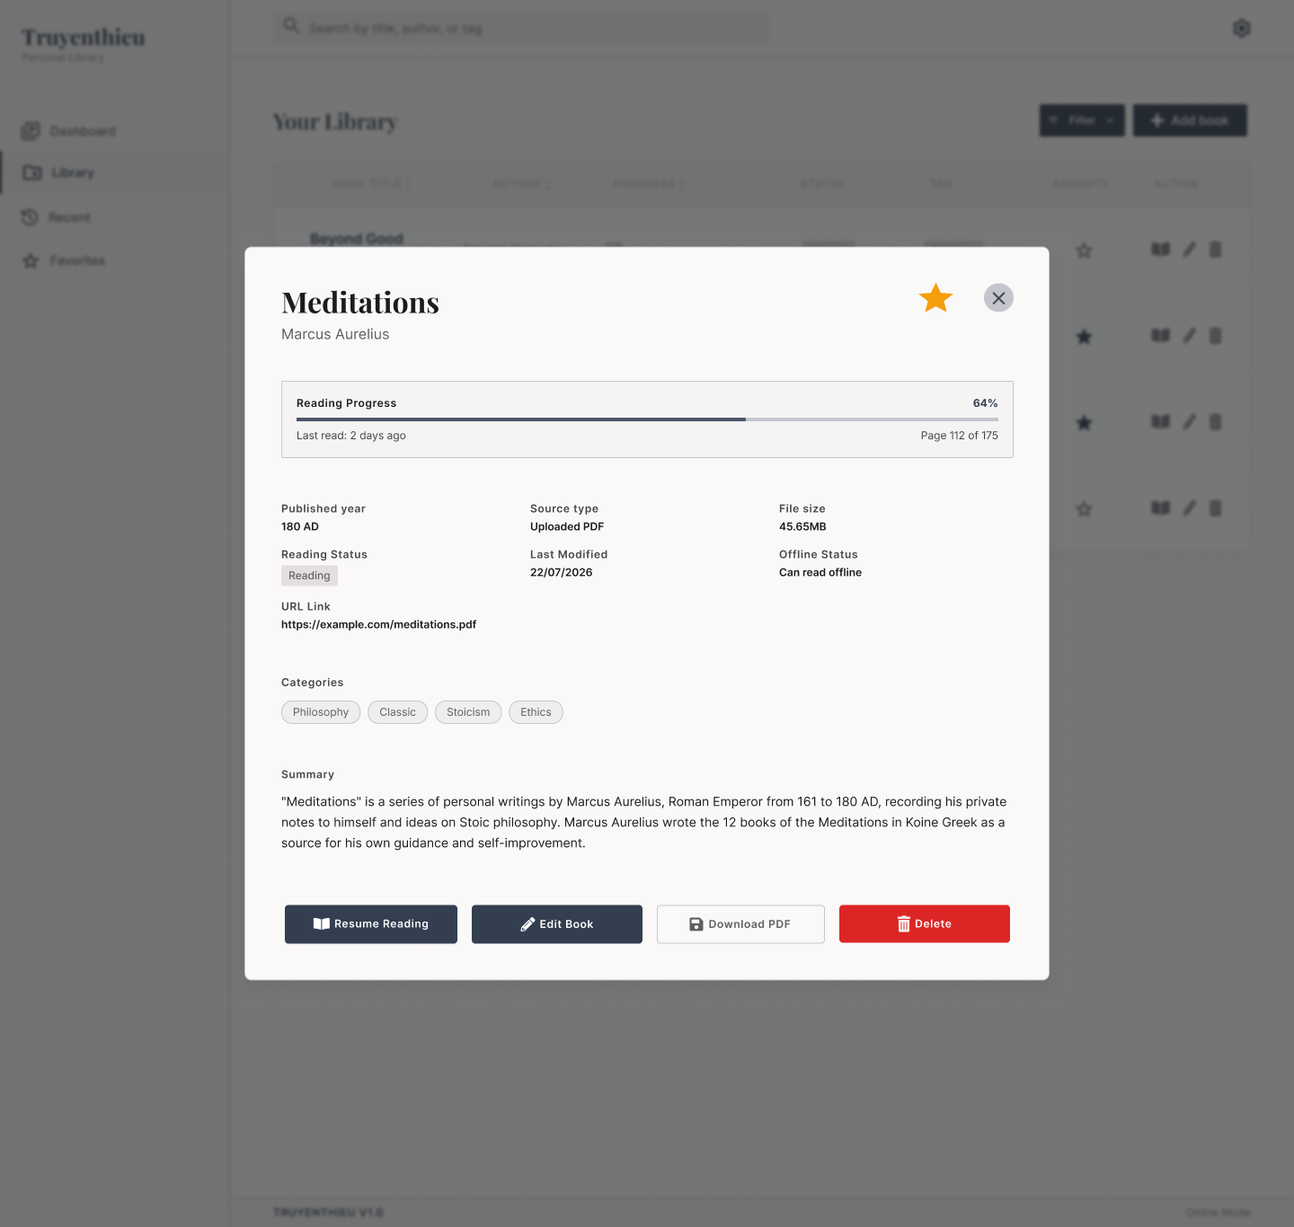

Diagrams/Screens flow
Overview of modal loading, conditional actions and close/return behavior.

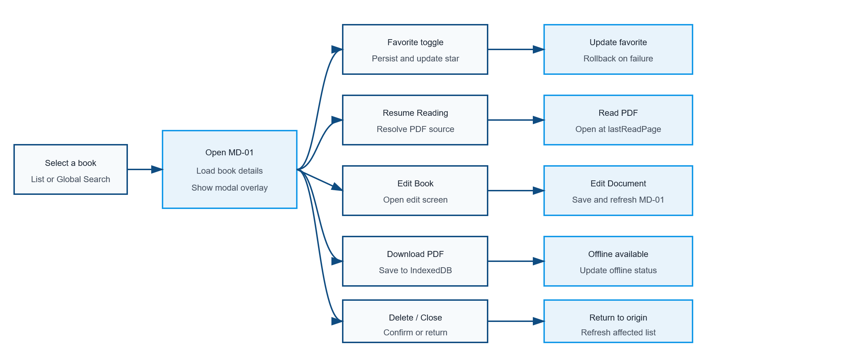

Requirements
ID | Main | Sub | Description | Note/ Assumption | Ticket link
MD-01-001 | Open modal | Trigger | Open MD-01 when the user selects a document from a list row, Book Title, action icon or Global Search dropdown. | The origin screen remains mounted behind the modal.
MD-01-002 | Open modal | Loading | Display a loading state while retrieving the selected document details. | Prevent actions until required data is available.
MD-01-003 | Open modal | Load success | Display the modal overlay with the selected document's current metadata and reading state. | Use the selected Book ID; never reuse stale details from a previously opened document.
MD-01-004 | Modal | Overlay | Dim the origin screen and keep focus inside MD-01 while it is open. | Background content must not be operable by keyboard or pointer.
MD-01-005 | Modal | Close button | When the close icon is selected, close MD-01 and return to the origin screen without changing data. | Return keyboard focus to the control that opened the modal.
MD-01-006 | Modal | Alternative close | Allow the user to close MD-01 with Escape. Clicking the overlay may also close it if the project adopts this behavior. | Do not close while a confirmation dialog or blocking operation is active.
MD-01-007 | Header | Title | Display the document title. | Long titles wrap or truncate without overlapping the Favorite and Close controls.
MD-01-008 | Header | Author | Display the author below the title. | If author is optional and empty, display “Unknown author”.
MD-01-009 | Favorite | Current state | Display a filled star when favorite = true and an outlined star when favorite = false. | The supplied image represents the favorite = true state.
MD-01-010 | Favorite | Toggle | When the star is selected, update favorite and immediately reflect the new state. | On failure, restore the previous state and display a non-blocking error.
MD-01-011 | Reading progress | Percentage | Calculate and display lastReadPage / totalPages × 100. | If totalPages is null or zero, display “—”; clamp the result to 0–100%.
MD-01-012 | Reading progress | Progress bar | Display a progress bar corresponding to the calculated percentage. | The bar and percentage must represent the same value.
MD-01-013 | Reading progress | Last read | Display relative last-reading time such as “Last read: 2 days ago”. | Requires lastReadAt. If unavailable, this field should be hidden rather than inferred from updatedAt.
MD-01-014 | Reading progress | Page information | Display current and total pages in the format “Page X of Y”. | lastReadPage must be within 0 and totalPages.
MD-01-015 | Metadata | Published year | Display publishYear. | Use a consistent label: “Published year”.
MD-01-016 | Metadata | Reading status | Display UNREAD, READING or COMPLETED. | UNREAD = 0%; READING = 1–99%; COMPLETED = 100%.
MD-01-017 | Metadata | Source type | Display the document source as Uploaded PDF or Remote URL. | Map internal values LOCAL_UPLOAD and REMOTE_URL to user-friendly labels.
MD-01-018 | Metadata | File size | Display fileSize using an appropriate unit. | Hide or display “—” when size is unavailable; do not show misleading size.
MD-01-019 | Metadata | Last modified | Display updatedAt in the project date format. | Recommended format: dd/MM/yyyy.
MD-01-020 | Offline | Offline status | Display whether the selected document can be read offline on the current browser/device. | Offline availability is determined from IndexedDB, not only from sourceType or SQL Server.
MD-01-021 | Metadata | URL link | Display the source URL only when sourceType = REMOTE_URL. | The supplied mockup shows Uploaded PDF together with URL Link; these states are inconsistent and must not appear together.
MD-01-022 | Metadata | Local file name | For sourceType = LOCAL_UPLOAD, display originalFileName instead of URL Link when useful. | Do not display the user's original absolute device path.
MD-01-023 | Metadata | Categories | Display all document tags as chips. | Wrap chips to additional lines when necessary.
MD-01-024 | Metadata | Summary | Display the document summary. | If summary is empty, hide the section or display a defined placeholder consistently.
MD-01-025 | Action | Resume Reading | When selected, resolve the available document source and open the PDF Reader at lastReadPage. | Prefer IndexedDB; otherwise use the Backend copy for LOCAL_UPLOAD or the URL for REMOTE_URL.
MD-01-026 | Action | Read unavailable | If no accessible source exists, disable Resume Reading and display the reason. | Examples: remote URL unavailable while offline; local application copy missing.
MD-01-027 | Action | Edit Book | When selected, close or suspend MD-01 and open Add/Edit Document in edit mode. | The selected document data is prefilled. Screen ID is TBD.
MD-01-028 | Action | Return from edit | After a successful save, return to MD-01 or the origin screen and refresh the displayed details. | Choose one navigation pattern consistently; recommended: return to refreshed MD-01.
MD-01-029 | Offline | Download PDF visibility | Show Download PDF only when sourceType = REMOTE_URL and no IndexedDB copy exists. | For LOCAL_UPLOAD already managed by the application, hide the button unless a device-specific offline copy is explicitly required.
MD-01-030 | Offline | Download execution | When selected, download the remote PDF and store it in IndexedDB for the current browser/device. | Do not change sourceType; the database record remains REMOTE_URL.
MD-01-031 | Offline | Download progress | Display downloading progress and prevent duplicate download actions. | Disable the button until the operation completes or fails.
MD-01-032 | Offline | Download success | On success, update Offline Status to “Can read offline” and replace or disable Download PDF. | Offline state is device-specific and may not be synchronized to other devices.
MD-01-033 | Offline | Download failure | On failure, keep the previous offline state and display a retryable error. | Remove incomplete IndexedDB data.
MD-01-034 | Action | Delete | When selected, display a confirmation dialog describing the deletion impact. | Delete must not execute before explicit confirmation.
MD-01-035 | Action | Delete confirmed | Delete the Book record and application-managed copies, close MD-01 and refresh the origin list. | Do not delete the user's original device file or the remote source. Remove the current browser's IndexedDB copy when present.
MD-01-036 | Action | Delete cancelled | Close the confirmation dialog and return to MD-01 without changing data. | Return focus to the Delete button.
MD-01-037 | Error handling | Load failure | If details cannot be loaded, show an error state with Retry and Close actions. | Do not show stale details as current data.
MD-01-038 | Responsive | Mobile layout | On mobile, display MD-01 as a full-screen or near-full-screen scrollable sheet and stack action buttons. | Keep the Close action visible and avoid horizontal scrolling.
MD-01-039 | Accessibility | Keyboard and labels | Use focus trapping, visible focus indicators and accessible names for star, close and icon buttons. | Reading progress must have a text equivalent.

