SCR-02 Library
Epic | Truyenthieu
Screen name | SCR-02 Library
Status | Done

Purpose
Purpose of this screen/function
Library displays and manages all documents in the user's personal library. The screen allows the user to search, filter and sort documents; view reading progress and status; open document details; add or remove a favorite; read, edit or delete a document; and navigate to other main screens. It supports both LOCAL_UPLOAD and REMOTE_URL sources and indicates the current application connection mode.

Wireframes/Design
Library screen design showing navigation, search/filter controls and document table.

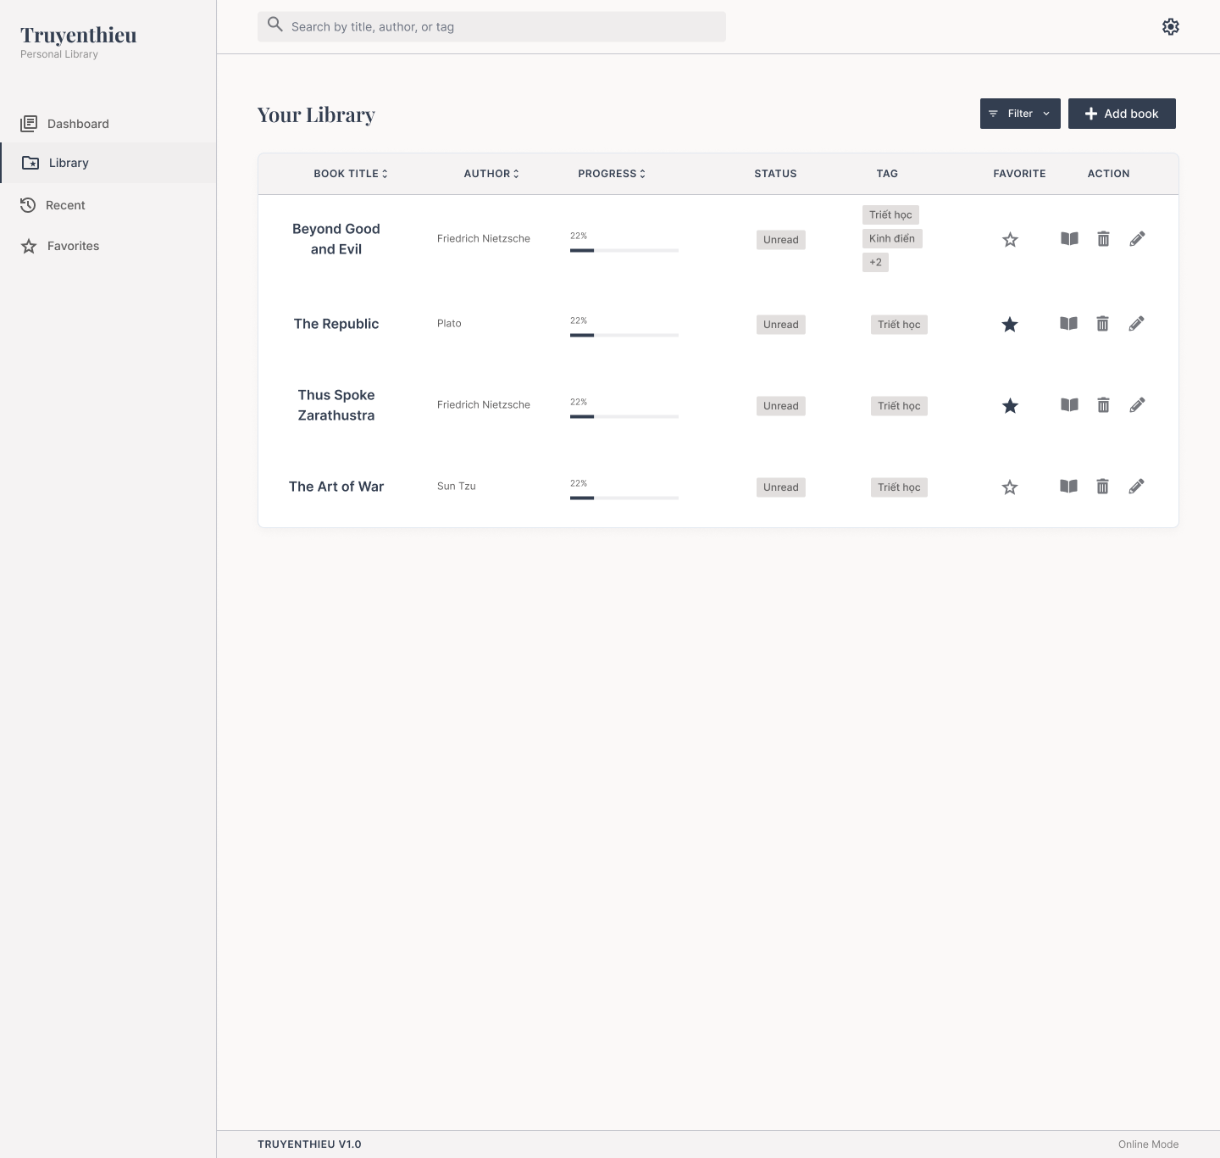

Diagrams/Screens flow
Overview of Library loading, list operations and document actions.

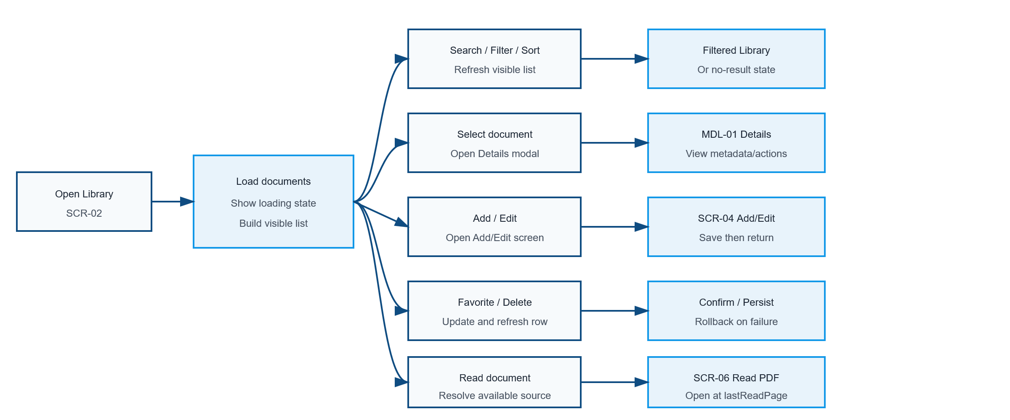

Requirements
ID | Main | Sub | Description | Note/ Assumption | Ticket link
SCR-02-001 | Initial display | Library loading | When the user opens Library, retrieve the document list and display a loading state until the request is completed. | Default order: title ascending unless a previously selected condition is retained.
SCR-02-002 | Initial display | Load success | On success, display the document table and all available list controls. | Only documents belonging to the current personal library are displayed.
SCR-02-003 | Common layout | Application logo | Display the application name and subtitle in the left navigation area. | Display only; no click action is required in this version.
SCR-02-004 | Navigation | Library menu | Highlight Library as the active navigation item while SCR-02 is displayed. | Only one menu item may be active.
SCR-02-005 | Navigation | Dashboard menu | When selected, navigate to SCR-01 Dashboard. | Preserving Library conditions is optional.
SCR-02-006 | Navigation | Recent menu | When selected, navigate to SCR-03 Recent. | Recent items are ordered by latest reading activity.
SCR-02-007 | Navigation | Favorites menu | When selected, navigate to SCR-05 Favorites. | Display documents where favorite = true.
SCR-02-008 | Search | Search box | Allow search by title, author or tag. | Case-insensitive; trim leading/trailing spaces.
SCR-02-009 | Search | Search execution | Apply the keyword when the user presses Enter or after an agreed debounce period, then refresh the visible list. | Recommended debounce: 300–500 ms if searching while typing.
SCR-02-010 | Search | Clear keyword | When the keyword is cleared, restore the list using the remaining filter and sort conditions. | Search, filter and sort conditions may be combined.
SCR-02-011 | Common layout | Settings icon | Display the Settings icon at the top-right. | Hide or disable it if Settings is outside the project scope.
SCR-02-012 | Filter | Open filter | When Filter is selected, display available filter conditions. | Assumed conditions: reading status, favorite, tag, source type and offline availability.
SCR-02-013 | Filter | Apply filter | Apply selected conditions and refresh the visible list. | Multiple conditions use AND; multiple values within one condition use OR.
SCR-02-014 | Filter | Reset filter | Provide a way to clear all filter conditions. | The search keyword and sort condition remain unchanged.
SCR-02-015 | Document | Add book | When Add book is selected, navigate to SCR-04 Add/Edit Document in add mode. | No existing document data is prefilled.
SCR-02-016 | Table | Book title | Display the document title. Selecting the title or row opens MDL-01 Book Details. | Long text is truncated with a tooltip; modal behavior may be specified separately.
SCR-02-017 | Table | Author | Display the document author. | If empty, display “Unknown author” only when author is optional.
SCR-02-018 | Table | Progress | Display lastReadPage / totalPages as a percentage and progress bar. | If totalPages is null or zero, display “—”; clamp to 0–100%.
SCR-02-019 | Table | Reading status | Display UNREAD, READING or COMPLETED. | UNREAD = 0%; READING = 1–99%; COMPLETED = 100%. Mock data showing Unread with 22% must be corrected.
SCR-02-020 | Table | Tags | Display up to two tag chips; when more tags exist, display “+N”. | Selecting +N may show all tags in a tooltip/popover.
SCR-02-021 | Favorite | Current state | Display an outlined star when favorite = false and a filled star when favorite = true. | Provide an accessible label and tooltip.
SCR-02-022 | Favorite | Toggle favorite | When the star is selected, update favorite in SQL Server and immediately reflect the new state. | On failure, rollback the icon and show an error message.
SCR-02-023 | Action | Read | When the book icon is selected, open SCR-06 Read PDF at lastReadPage. | Prefer an IndexedDB copy when available; otherwise use LOCAL_UPLOAD or REMOTE_URL source.
SCR-02-024 | Action | Edit | When the pencil icon is selected, open SCR-04 Add/Edit Document in edit mode. | The selected document data is prefilled.
SCR-02-025 | Action | Delete | When the trash icon is selected, display a confirmation dialog before deletion. | No deletion occurs until the user confirms.
SCR-02-026 | Action | Delete confirmed | Delete the Book record and any application-managed copy, then remove the row from the list. | LOCAL_UPLOAD: do not delete the user's original device file. REMOTE_URL: do not delete the remote source. Remove the current browser's IndexedDB copy when present.
SCR-02-027 | Action | Delete cancelled | Close the confirmation dialog and keep all data unchanged. | Return focus to the delete action.
SCR-02-028 | Sorting | Book title | Selecting BOOK TITLE cycles between ascending and descending title order. | Show the active direction in the header.
SCR-02-029 | Sorting | Author | Selecting AUTHOR cycles between ascending and descending author order. | Null/empty values are placed last.
SCR-02-030 | Sorting | Progress | Selecting PROGRESS cycles between ascending and descending progress order. | Unavailable progress values are placed last.
SCR-02-031 | List state | No documents | If the library contains no documents, display an empty-state message and an Add book action. | Do not display empty table rows.
SCR-02-032 | List state | No search result | If no document matches the active conditions, display a no-result message and Reset filter/Clear search actions. | Do not treat this state as a load error.
SCR-02-033 | Error handling | Load failure | When loading fails, display an error message and a Retry action. | Do not show stale data as newly loaded data.
SCR-02-034 | Error handling | Mutation failure | When favorite or delete operations fail, keep/restore the previous row state and show a non-blocking error message. | Do not silently discard the user's action.
SCR-02-035 | Responsive | Desktop layout | On desktop, display the sidebar, controls and full table layout shown in the design. | Reference design width is approximately 1440 px or greater.
SCR-02-036 | Responsive | Mobile layout | On mobile, collapse navigation and convert each row to a card without horizontal page scrolling. | Place secondary actions in a More menu; maintain touch-friendly targets.
SCR-02-037 | Accessibility | Icon actions | Provide tooltips, keyboard focus and accessible names for Favorite, Read, Delete and Edit icons. | Icons must not be the only programmatic label.
SCR-02-038 | Footer | Version information | Display the application version in the footer. | Example: TRUYENTHIEU V1.0.
SCR-02-039 | Footer | Connection mode | Display Online Mode or Offline Mode based on browser connectivity. | Connection mode does not guarantee that every document is available offline.

