SCR-03 Recent
Epic | Truyenthieu
Screen name | SCR-03 Recent
Status | Done

Purpose
Purpose of this screen/function
Recent displays documents that the user has previously opened for reading, ordered by the most recent reading activity. The screen allows the user to search, filter by reading status, sort, view progress, open document details, change favorite state, resume reading, edit or delete a document, and navigate to other main screens. Both LOCAL_UPLOAD and REMOTE_URL documents may appear when reading history exists.

Wireframes/Design
Recent Read screen design showing navigation, search, status filter and recently read document table.

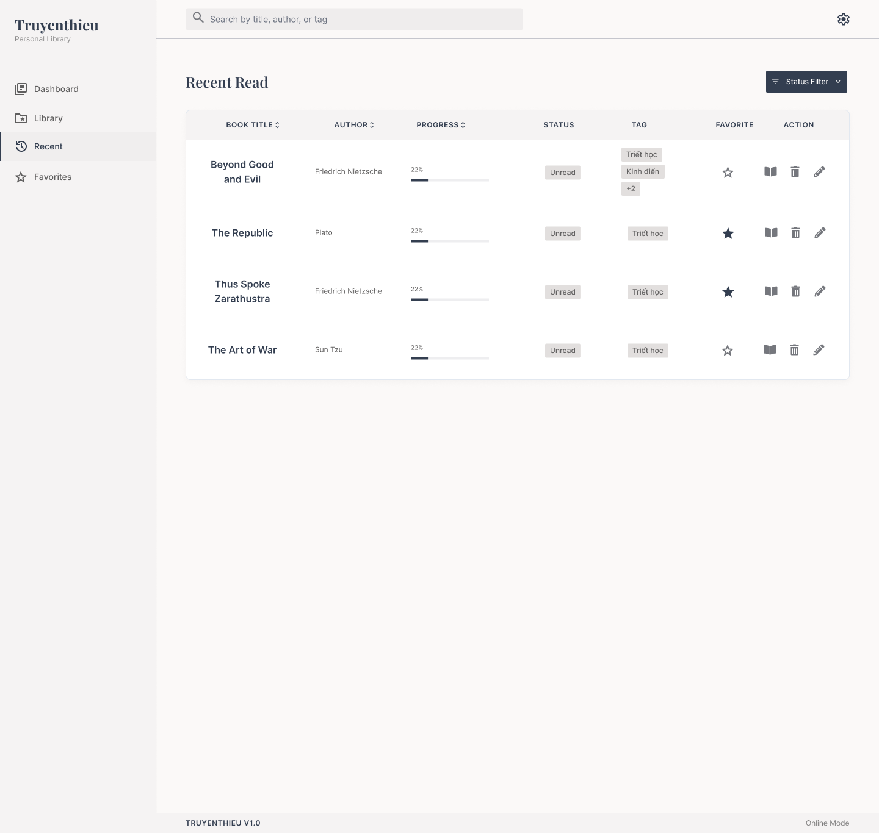

Diagrams/Screens flow
Overview of Recent Read loading, filtering and document actions.

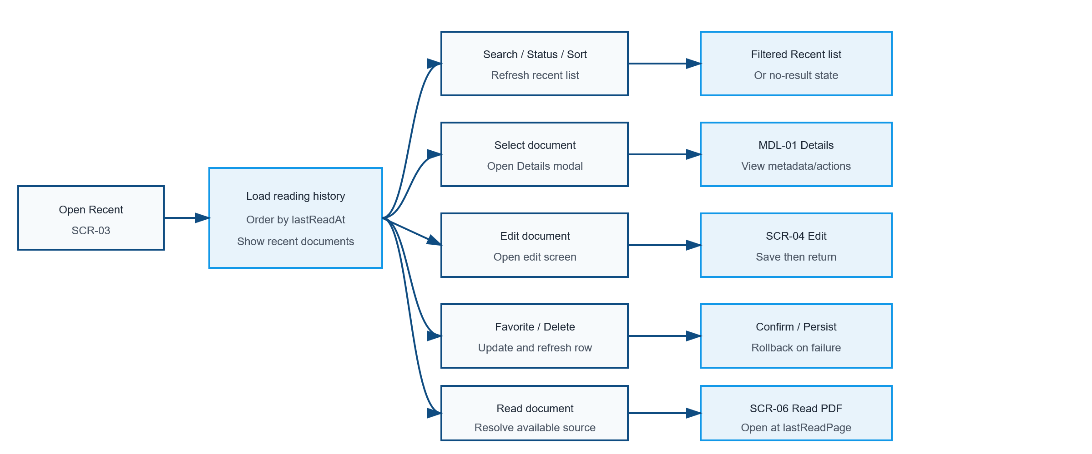

Requirements
ID | Main | Sub | Description | Note/ Assumption | Ticket link
SCR-03-001 | Initial display | Recent loading | When the user opens Recent, retrieve documents that have reading history and display a loading state until the request is completed. | A document is recent when lastReadAt is not null. If lastReadAt is not implemented, updatedAt may be used only as a temporary assumption.
SCR-03-002 | Initial display | Load success | On success, display recently read documents ordered by lastReadAt descending. | The latest reading activity appears first. This requires adding or maintaining lastReadAt for reliable ordering.
SCR-03-003 | Common layout | Application logo | Display the application name and subtitle in the left navigation area. | Display only; no click action is required in this version.
SCR-03-004 | Navigation | Recent menu | Highlight Recent as the active navigation item while SCR-03 is displayed. | Only one menu item may be active.
SCR-03-005 | Navigation | Dashboard menu | When selected, navigate to SCR-01 Dashboard. | Preserving Recent conditions is optional.
SCR-03-006 | Navigation | Library menu | When selected, navigate to SCR-02 Library. | Library displays all documents, including documents with no reading history.
SCR-03-007 | Navigation | Favorites menu | When selected, navigate to SCR-05 Favorites. | Display documents where favorite = true.
SCR-03-008 | Search | Search box | Allow recent documents to be searched by title, author or tag. | Case-insensitive; trim leading/trailing spaces; do not search documents outside the recent set.
SCR-03-009 | Search | Search execution | Apply the keyword when the user presses Enter or after an agreed debounce period, then refresh the recent list. | Recommended debounce: 300–500 ms if searching while typing.
SCR-03-010 | Search | Clear keyword | When the keyword is cleared, restore the list using the remaining filter and sort conditions. | Search, filter and sort conditions may be combined.
SCR-03-011 | Common layout | Settings icon | Display the Settings icon at the top-right. | Hide or disable it if Settings is outside the project scope.
SCR-03-012 | Status filter | Open filter | When Status Filter is selected, display the available reading statuses. | Values: All, UNREAD, READING and COMPLETED. Normally a recently read document should be READING or COMPLETED.
SCR-03-013 | Status filter | Apply filter | Apply the selected reading status and refresh the recent list. | Only one status is assumed in the current design.
SCR-03-014 | Status filter | Reset filter | Selecting All clears the status condition and displays all recent documents. | The search keyword and sort condition remain unchanged.
SCR-03-015 | Table | Recent inclusion | Display only documents whose reading history exists. | The screen has no Add book button. New documents are added from SCR-02 Library.
SCR-03-016 | Table | Book title | Display the document title. Selecting the title or row opens MDL-01 Book Details. | Long text is truncated with a tooltip; modal behavior may be specified separately.
SCR-03-017 | Table | Author | Display the document author. | If empty, display “Unknown author” only when author is optional.
SCR-03-018 | Table | Progress | Display lastReadPage / totalPages as a percentage and progress bar. | If totalPages is null or zero, display “—”; clamp to 0–100%.
SCR-03-019 | Table | Reading status | Display UNREAD, READING or COMPLETED. | UNREAD = 0%; READING = 1–99%; COMPLETED = 100%. Mock data showing Unread with 22% must be corrected.
SCR-03-020 | Table | Tags | Display up to two tag chips; when more tags exist, display “+N”. | Selecting +N may show all tags in a tooltip/popover.
SCR-03-021 | Favorite | Current state | Display an outlined star when favorite = false and a filled star when favorite = true. | Provide an accessible label and tooltip.
SCR-03-022 | Favorite | Toggle favorite | When the star is selected, update favorite in SQL Server and immediately reflect the new state. | On failure, rollback the icon and show an error message.
SCR-03-023 | Action | Resume reading | When the book icon is selected, open SCR-06 Read PDF at lastReadPage. | Prefer an IndexedDB copy when available; otherwise use the configured LOCAL_UPLOAD or REMOTE_URL source.
SCR-03-024 | Action | Edit | When the pencil icon is selected, open SCR-04 Add/Edit Document in edit mode. | The selected document data is prefilled.
SCR-03-025 | Action | Delete | When the trash icon is selected, display a confirmation dialog before deletion. | No deletion occurs until the user confirms.
SCR-03-026 | Action | Delete confirmed | Delete the Book record and application-managed copy, then remove it from Recent and Library. | Do not delete the user's original device file or a remote source. Remove the current browser's IndexedDB copy when present.
SCR-03-027 | Action | Delete cancelled | Close the confirmation dialog and keep all data unchanged. | Return focus to the delete action.
SCR-03-028 | Sorting | Book title | Selecting BOOK TITLE cycles between ascending and descending title order within the recent result. | The user-selected sort temporarily overrides the default lastReadAt descending order.
SCR-03-029 | Sorting | Author | Selecting AUTHOR cycles between ascending and descending author order within the recent result. | Null/empty values are placed last.
SCR-03-030 | Sorting | Progress | Selecting PROGRESS cycles between ascending and descending progress order within the recent result. | Unavailable progress values are placed last.
SCR-03-031 | List state | No reading history | If no document has reading history, display an empty-state message and a link to SCR-02 Library. | Do not display empty table rows.
SCR-03-032 | List state | No search result | If no recent document matches the active conditions, display a no-result message and Clear search/Reset status actions. | Do not treat this state as a load error.
SCR-03-033 | Error handling | Load failure | When loading fails, display an error message and a Retry action. | Do not show stale data as newly loaded data.
SCR-03-034 | Error handling | Mutation failure | When favorite or delete operations fail, keep/restore the previous row state and show a non-blocking error message. | Do not silently discard the user's action.
SCR-03-035 | Responsive | Desktop layout | On desktop, display the sidebar, Status Filter and full recent-document table shown in the design. | Reference design width is approximately 1440 px or greater.
SCR-03-036 | Responsive | Mobile layout | On mobile, collapse navigation and convert each row to a card without horizontal page scrolling. | Place secondary actions in a More menu; maintain touch-friendly targets.
SCR-03-037 | Accessibility | Icon actions | Provide tooltips, keyboard focus and accessible names for Favorite, Read, Delete and Edit icons. | Icons must not be the only programmatic label.
SCR-03-038 | Footer | Version information | Display the application version in the footer. | Example: TRUYENTHIEU V1.0.
SCR-03-039 | Footer | Connection mode | Display Online Mode or Offline Mode based on browser connectivity. | Connection mode does not guarantee that every document is available offline.

