SCR-04 Favourite
Epic | Truyenthieu
Screen name | SCR-04 Favourite
Status | Done

Purpose
Purpose of this screen/function
Favourite displays documents marked as favorite in the user's personal library. The screen allows the user to search, filter by reading status, sort, view progress, open document details, remove a document from favorites, read, edit or delete a document, and navigate to other main screens. Both LOCAL_UPLOAD and REMOTE_URL documents may appear when favorite = true.

Wireframes/Design
Favourite screen design showing navigation, search, status filter and favorite document table.

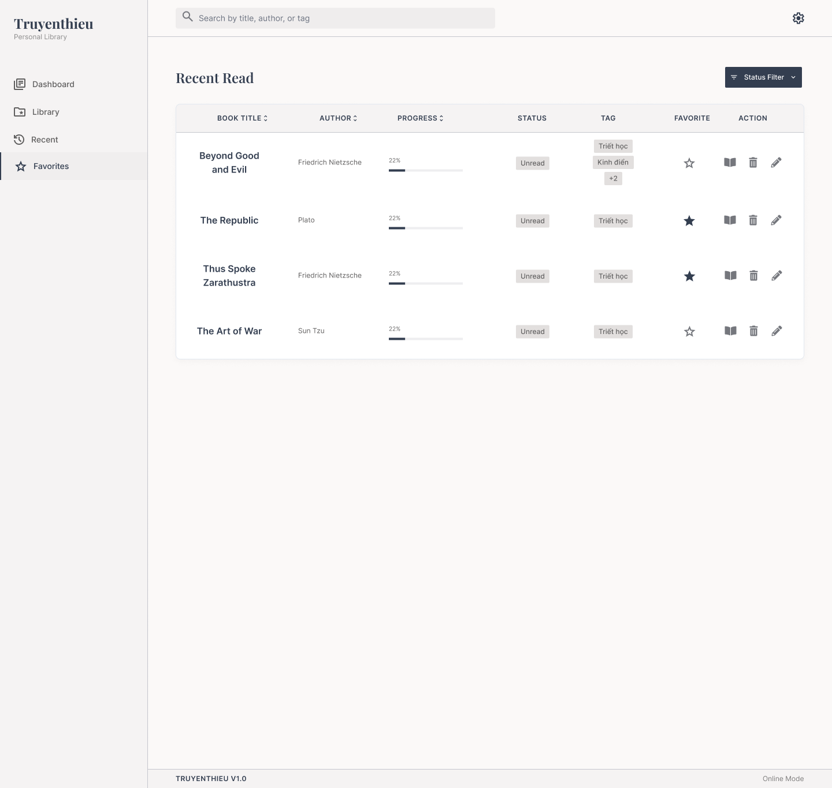

Diagrams/Screens flow
Overview of Favourite loading, filtering and document actions.

Requirements
ID | Main | Sub | Description | Note/ Assumption | Ticket link
SCR-04-001 | Initial display | Favourite loading | When the user opens Favourite, retrieve documents where favorite = true and display a loading state until the request is completed. | Favorite state is stored in SQL Server.
SCR-04-002 | Initial display | Load success | On success, display only favorite documents and all available list controls. | The page title must be “Favourite”, not “Recent Read” as shown in the supplied mockup.
SCR-04-003 | Common layout | Application logo | Display the application name and subtitle in the left navigation area. | Display only; no click action is required in this version.
SCR-04-004 | Navigation | Favorites menu | Highlight Favorites as the active navigation item while SCR-04 is displayed. | Only one menu item may be active. Navigation label may remain plural while the screen title uses Favourite.
SCR-04-005 | Navigation | Dashboard menu | When selected, navigate to SCR-01 Dashboard. | Preserving Favourite conditions is optional.
SCR-04-006 | Navigation | Library menu | When selected, navigate to SCR-02 Library. | Library displays all documents.
SCR-04-007 | Navigation | Recent menu | When selected, navigate to SCR-03 Recent. | Recent displays documents with reading history.
SCR-04-008 | Search | Search box | Allow favorite documents to be searched by title, author or tag. | Case-insensitive; trim leading/trailing spaces; do not search non-favorite documents.
SCR-04-009 | Search | Search execution | Apply the keyword when the user presses Enter or after an agreed debounce period, then refresh the Favourite list. | Recommended debounce: 300–500 ms if searching while typing.
SCR-04-010 | Search | Clear keyword | When the keyword is cleared, restore the list using the remaining filter and sort conditions. | Search, filter and sort conditions may be combined.
SCR-04-011 | Common layout | Settings icon | Display the Settings icon at the top-right. | Hide or disable it if Settings is outside the project scope.
SCR-04-012 | Status filter | Open filter | When Status Filter is selected, display the available reading statuses. | Values: All, UNREAD, READING and COMPLETED.
SCR-04-013 | Status filter | Apply filter | Apply the selected reading status within favorite documents and refresh the list. | Only one status is assumed in the current design.
SCR-04-014 | Status filter | Reset filter | Selecting All clears the status condition and displays all favorite documents. | The search keyword and sort condition remain unchanged.
SCR-04-015 | Table | Favourite inclusion | Display only documents where favorite = true. | Every displayed row must show a filled star. The outlined stars in the supplied mockup are inconsistent and must be corrected.
SCR-04-016 | Table | Book title | Display the document title. Selecting the title or row opens Book Details. | Long text is truncated with a tooltip; modal behavior may be specified separately.
SCR-04-017 | Table | Author | Display the document author. | If empty, display “Unknown author” only when author is optional.
SCR-04-018 | Table | Progress | Display lastReadPage / totalPages as a percentage and progress bar. | If totalPages is null or zero, display “—”; clamp to 0–100%.
SCR-04-019 | Table | Reading status | Display UNREAD, READING or COMPLETED. | UNREAD = 0%; READING = 1–99%; COMPLETED = 100%. Mock data showing Unread with 22% must be corrected.
SCR-04-020 | Table | Tags | Display up to two tag chips; when more tags exist, display “+N”. | Selecting +N may show all tags in a tooltip/popover.
SCR-04-021 | Favorite | Current state | Display a filled star for every document on this screen. | An outlined star must not remain in the Favourite list.
SCR-04-022 | Favorite | Remove favorite | When the filled star is selected, set favorite = false and remove the document from the current list. | On failure, restore the filled star and keep the row visible. A brief Undo notification is recommended.
SCR-04-023 | Action | Read | When the book icon is selected, open the Read PDF screen at lastReadPage. | Reader screen ID is TBD. Prefer IndexedDB when an offline copy exists.
SCR-04-024 | Action | Edit | When the pencil icon is selected, open Add/Edit Document in edit mode. | Add/Edit screen ID is TBD; the selected document data is prefilled.
SCR-04-025 | Action | Delete | When the trash icon is selected, display a confirmation dialog before deletion. | No deletion occurs until the user confirms.
SCR-04-026 | Action | Delete confirmed | Delete the Book record and application-managed copy, then remove it from Favourite, Library and other lists. | Do not delete the user's original device file or remote source. Remove the current browser's IndexedDB copy when present.
SCR-04-027 | Action | Delete cancelled | Close the confirmation dialog and keep all data unchanged. | Return focus to the delete action.
SCR-04-028 | Sorting | Book title | Selecting BOOK TITLE cycles between ascending and descending title order within favorite documents. | Show the active direction in the header.
SCR-04-029 | Sorting | Author | Selecting AUTHOR cycles between ascending and descending author order within favorite documents. | Null/empty values are placed last.
SCR-04-030 | Sorting | Progress | Selecting PROGRESS cycles between ascending and descending progress order within favorite documents. | Unavailable progress values are placed last.
SCR-04-031 | List state | No favorites | If no document is marked favorite, display an empty-state message and a link to SCR-02 Library. | Do not display empty table rows.
SCR-04-032 | List state | No search result | If no favorite document matches the active conditions, display a no-result message and Clear search/Reset status actions. | Do not treat this state as a load error.
SCR-04-033 | Error handling | Load failure | When loading fails, display an error message and a Retry action. | Do not show stale data as newly loaded data.
SCR-04-034 | Error handling | Mutation failure | When remove-favorite or delete fails, restore the previous row state and show a non-blocking error message. | Do not silently remove the document from the list.
SCR-04-035 | Responsive | Desktop layout | On desktop, display the sidebar, Status Filter and full favorite-document table shown in the design. | Reference design width is approximately 1440 px or greater.
SCR-04-036 | Responsive | Mobile layout | On mobile, collapse navigation and convert each row to a card without horizontal page scrolling. | Place secondary actions in a More menu; maintain touch-friendly targets.
SCR-04-037 | Accessibility | Icon actions | Provide tooltips, keyboard focus and accessible names for Favorite, Read, Delete and Edit icons. | Icons must not be the only programmatic label.
SCR-04-038 | Footer | Version information | Display the application version in the footer. | Example: TRUYENTHIEU V1.0.
SCR-04-039 | Footer | Connection mode | Display Online Mode or Offline Mode based on browser connectivity. | Connection mode does not guarantee that every document is available offline.

