SCR-06 Add Book
Epic | Truyenthieu
Screen name | SCR-06 Add Book
Status | Done

Purpose
Purpose of this screen/function
Add Book allows the user to register a new PDF document in the personal library using exactly one source method: uploading a PDF from the device or providing a remote PDF URL. The user enters document metadata, validates the selected source and required fields, then creates a new Book record and application-managed PDF source.

Wireframes/Design
SCR-06 Add Book design showing source selection, metadata fields and submit/cancel actions.

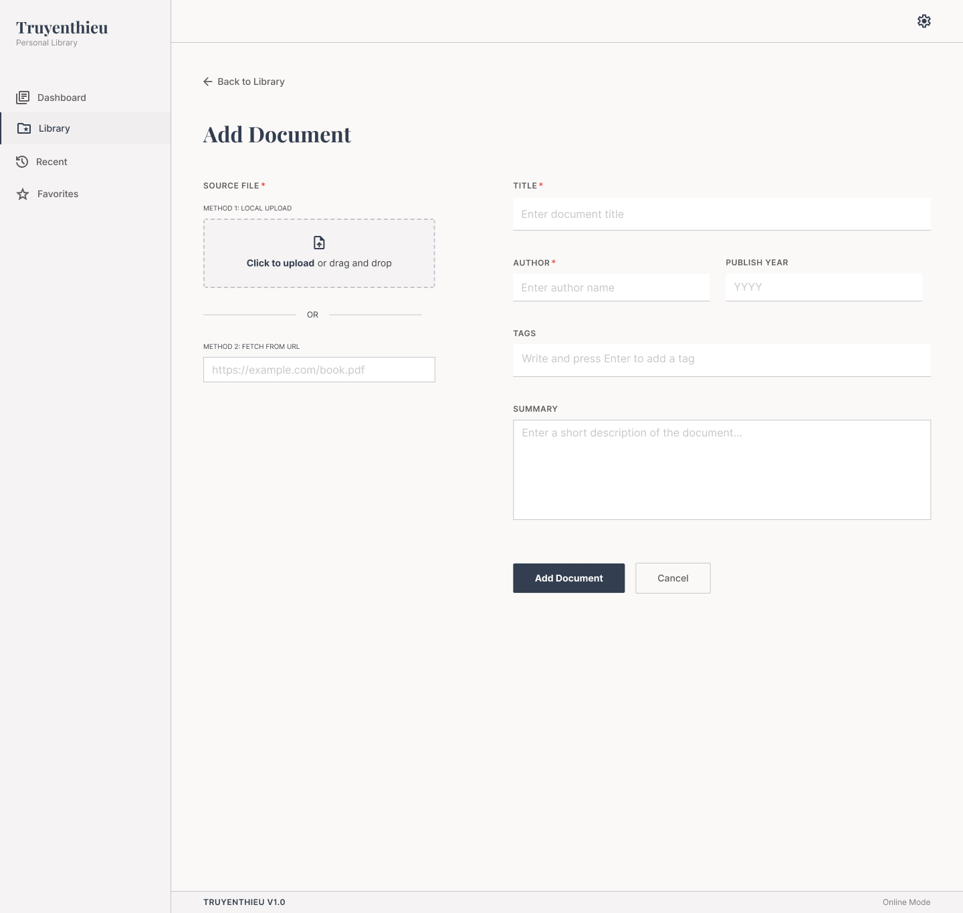

Diagrams/Screens flow
Overview of source selection, validation, submission and navigation behavior.

Components
ID | Main | Sub | Description | Note/ Assumption | Ticket link
SCR-06-C001 | Navigation | Back to Library | Display a Back to Library action above the page title. | Returns without creating a Book record.
SCR-06-C002 | Header | Page title | Display the title “Add Document”. | Use Add Book or Add Document consistently across UI and documents.
SCR-06-C003 | Source file | Local upload area | Allow the user to click or drag and drop one PDF file. | Required source option; mutually exclusive with Remote URL.
SCR-06-C004 | Source file | Remote URL input | Allow the user to enter an HTTP/HTTPS URL pointing to a PDF. | Required source option; mutually exclusive with Local Upload.
SCR-06-C005 | Source file | OR separator | Indicate clearly that only one source method may be used. | Selecting one method clears or disables the other.
SCR-06-C006 | Metadata | Title | Required text input for the document title. | Trim whitespace; recommended maximum 255 characters.
SCR-06-C007 | Metadata | Author | Required text input for the author. | Trim whitespace; recommended maximum 255 characters.
SCR-06-C008 | Metadata | Publish year | Optional four-digit year input. | Valid range should be defined; recommended 1 through current year.
SCR-06-C009 | Metadata | Tags | Optional multi-value tag input; Enter creates a tag chip. | Trim values, prevent duplicates and support removing a chip.
SCR-06-C010 | Metadata | Summary | Optional multi-line description input. | Recommended maximum 2,000 characters with a counter if enforced.
SCR-06-C011 | Action | Add Document | Submit the selected source and metadata. | Disable while submitting to prevent duplicate records.
SCR-06-C012 | Action | Cancel | Discard the current operation and return to Library. | Prompt for confirmation when unsaved data exists.
SCR-06-C013 | Common layout | Sidebar | Display Dashboard, Library, Recent and Favorites; highlight Library. | Only one navigation item is active.
SCR-06-C014 | Common layout | Settings | Display the Settings icon according to the common header specification. | Hide or disable if Settings is outside scope.
SCR-06-C015 | Footer | Version and mode | Display application version and current Online/Offline mode. | Remote URL validation and submission require Online mode.

Events
ID | Main | Sub | Description | Note/ Assumption | Ticket link
SCR-06-E001 | Initial display | Open screen | Initialize an empty Add Document form with neither source selected. | Default reading values are assigned only after successful creation.
SCR-06-E002 | Local upload | Select file | When a PDF is selected or dropped, validate it and display file name and size. | Accept one .pdf file only; validate MIME type and extension.
SCR-06-E003 | Local upload | Invalid file | Reject unsupported, empty, corrupted or oversized files and display an inline error. | Maximum file size must be configurable; suggested learning-project limit: 50 MB.
SCR-06-E004 | Local upload | Replace file | Allow the selected local file to be removed or replaced before submission. | Replacing does not create or delete a Book record.
SCR-06-E005 | Source selection | Choose Local Upload | When a valid local file is selected, clear or disable Remote URL and set pending sourceType = LOCAL_UPLOAD. | Only one source is submitted.
SCR-06-E006 | Source selection | Enter Remote URL | When a URL is entered, clear or disable Local Upload and set pending sourceType = REMOTE_URL. | A non-empty URL alone is not yet considered valid.
SCR-06-E007 | Remote URL | Validate syntax | Validate that the URL uses HTTP or HTTPS and is syntactically valid. | Reject unsupported protocols and whitespace-only input.
SCR-06-E008 | Remote URL | Validate PDF | Verify that the remote resource is accessible and represents a PDF. | Handle redirects, timeout, HTTP errors and content-type mismatch. Browser CORS limitations may require backend validation.
SCR-06-E009 | Remote URL | Offline mode | Disable remote validation/submission and explain that an online connection is required. | Local Upload remains available if the application can receive the file.
SCR-06-E010 | Metadata | Enter tags | Pressing Enter with a non-empty tag creates a chip; selecting its remove icon deletes it. | Do not submit the form merely because Enter is used in the tag field.
SCR-06-E011 | Validation | Required fields | On submit, require exactly one valid source, Title and Author. | Display inline messages beside the corresponding controls and focus the first error.
SCR-06-E012 | Validation | Publish year | If entered, require an integer within the allowed range. | Do not accept decimals or non-numeric characters.
SCR-06-E013 | Submit | Local Upload | Upload the PDF to application-managed storage, then create the Book record with sourceType = LOCAL_UPLOAD. | Store originalFileName, fileSize and application filePath; do not store the user's original absolute path.
SCR-06-E014 | Submit | Remote URL | Create the Book record with sourceType = REMOTE_URL and pdfUrl after URL validation succeeds. | Do not automatically save the remote PDF to IndexedDB during Add Book.
SCR-06-E015 | Submit | Initial values | Initialize favorite = false, lastReadPage = 0, readingStatus = UNREAD and timestamps. | totalPages may be extracted during validation/upload or populated after first PDF load.
SCR-06-E016 | Submit | Success | Show a success message and navigate to SCR-02 Library or open MD-01 for the created Book. | Recommended simple flow: return to Library and highlight the new record.
SCR-06-E017 | Submit | Failure | Keep entered metadata, show an error and allow Retry. | Clean up an uploaded application file if Book creation fails after file storage.
SCR-06-E018 | Submit | Duplicate prevention | Prevent repeated submission while the request is running. | Use server-side protection in addition to disabling the button.
SCR-06-E019 | Cancel | No changes | Return to Library immediately when the form is empty. | No confirmation is required.
SCR-06-E020 | Cancel | Unsaved changes | When form data exists, ask the user to confirm discarding it. | Canceling the confirmation returns to the form with all data retained.
SCR-06-E021 | Responsive | Mobile layout | Stack source and metadata sections vertically and keep actions reachable without horizontal scrolling. | File drop may become a standard file picker on mobile.
SCR-06-E022 | Accessibility | Form operation | Associate labels and errors with inputs, expose required state and support keyboard file selection. | Do not communicate validation only by color.

