SCR-06 Add Book
Epic | Truyenthieu
Screen name | SCR-06 Add Book
Status | Done

Purpose
Purpose of this screen/function
Add Book allows the user to register a new PDF document using one explicitly selected source method. Radio buttons switch between Local Upload and Fetch from URL; only the controls belonging to the selected method are enabled and only that source is submitted. The user then enters metadata, validates the form and creates a new Book record.

Wireframes/Design
Revised SCR-06 design and detailed enabled/disabled states for the source-method radio controls.

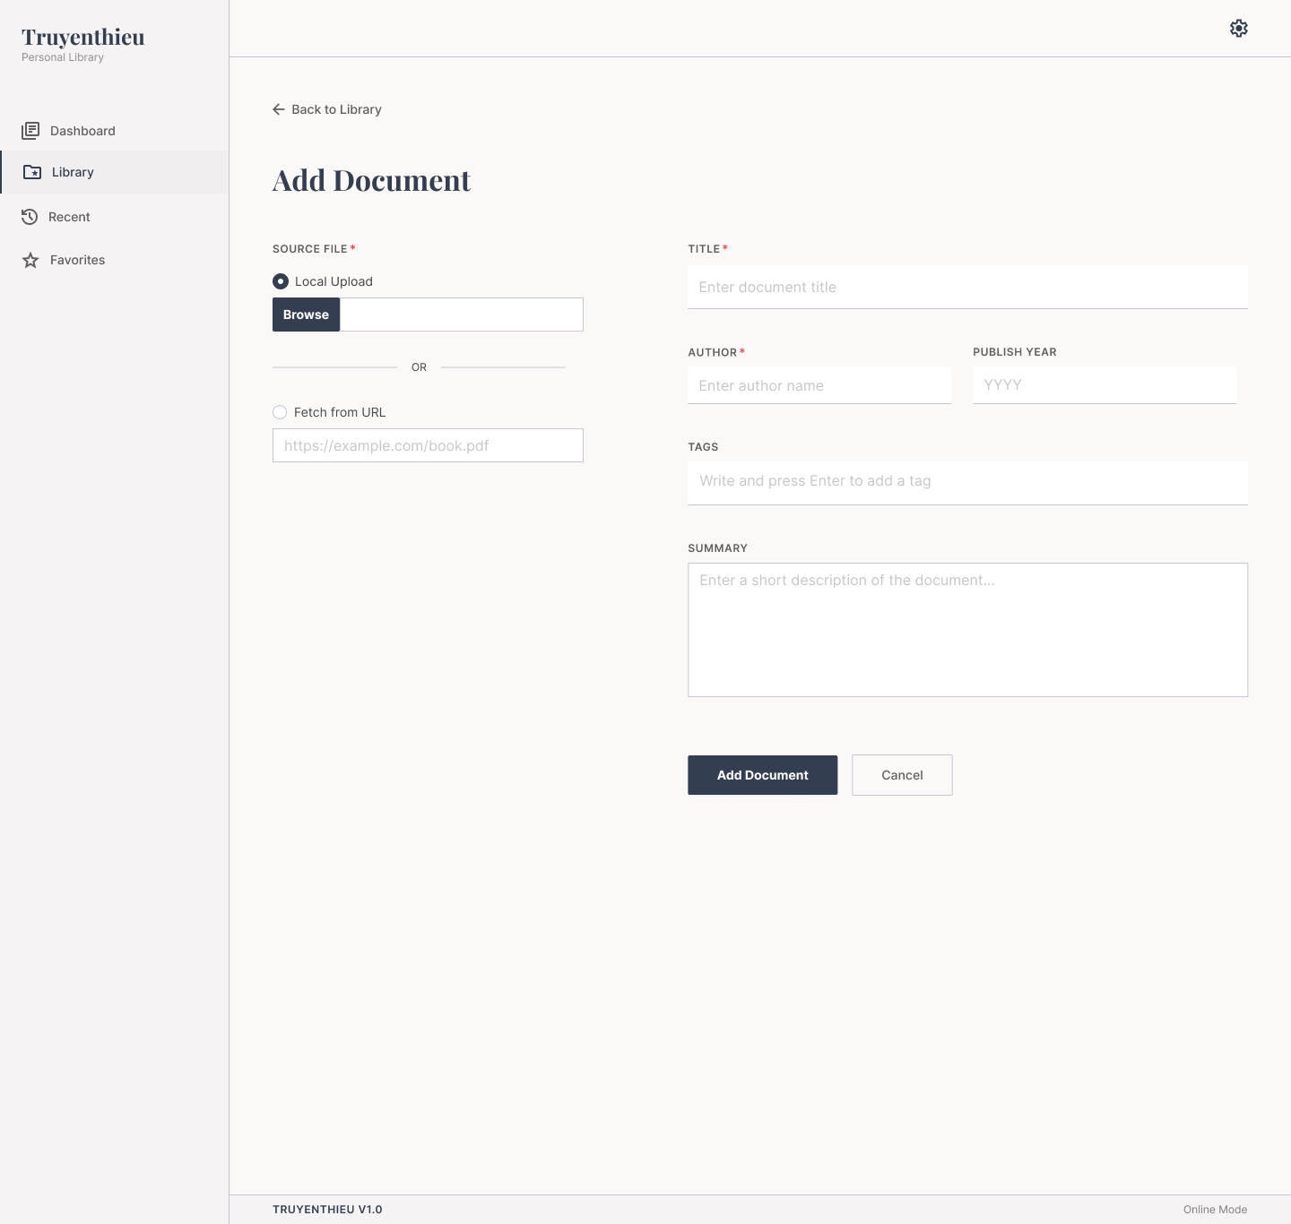
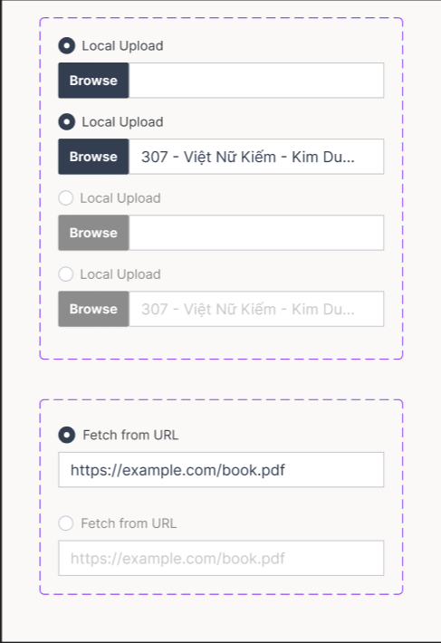

Diagrams/Screens flow
Overview of source selection, validation, submission and navigation behavior.

Components
ID | Main | Sub | Description | Note/ Assumption | Ticket link
SCR-06-C001 | Navigation | Back to Library | Display a Back to Library action above the page title. | Returns without creating a Book record.
SCR-06-C002 | Header | Page title | Display the title “Add Document”. | Use Add Book or Add Document consistently across UI and documents.
SCR-06-C003 | Source file | Local Upload radio | Select Local Upload as the active source method. | Selected by default. Only one source-method radio may be selected.
SCR-06-C004 | Source file | Browse control | Open the device file picker and display the selected PDF file name. | Enabled only when Local Upload is selected; disabled styling follows the state specification.
SCR-06-C005 | Source file | Fetch from URL radio | Select Fetch from URL as the active source method. | Selecting it disables Browse and enables the URL input.
SCR-06-C006 | Source file | Remote URL input | Allow entry of an HTTP/HTTPS PDF URL. | Enabled only when Fetch from URL is selected.
SCR-06-C007 | Source file | OR separator | Visually communicate that the source methods are mutually exclusive. | Radio buttons provide the actual selection behavior.
SCR-06-C008 | Metadata | Title | Required text input for the document title. | Trim whitespace; recommended maximum 255 characters.
SCR-06-C009 | Metadata | Author | Required text input for the author. | Trim whitespace; recommended maximum 255 characters.
SCR-06-C010 | Metadata | Publish year | Optional four-digit year input. | Valid range should be defined; recommended 1 through current year.
SCR-06-C011 | Metadata | Tags | Optional multi-value tag input; Enter creates a tag chip. | Trim values, prevent duplicates and support removing a chip.
SCR-06-C012 | Metadata | Summary | Optional multi-line description input. | Recommended maximum 2,000 characters with a counter if enforced.
SCR-06-C013 | Action | Add Document | Submit the selected source and metadata. | Disable while submitting to prevent duplicate records.
SCR-06-C014 | Action | Cancel | Discard the current operation and return to Library. | Prompt for confirmation when unsaved data exists.
SCR-06-C015 | Common layout | Sidebar | Display Dashboard, Library, Recent and Favorites; highlight Library. | Only one navigation item is active.
SCR-06-C016 | Common layout | Settings | Display the Settings icon according to the common header specification. | Hide or disable if Settings is outside scope.
SCR-06-C017 | Footer | Version and mode | Display application version and current Online/Offline mode. | Remote URL validation and submission require Online mode.

Events
ID | Main | Sub | Description | Note/ Assumption | Ticket link
SCR-06-E001 | Initial display | Open screen | Initialize an empty form with Local Upload selected, Browse enabled and Remote URL input disabled. | The default selected radio determines the pending sourceType.
SCR-06-E002 | Local upload | Browse file | When Browse is selected, open the file picker; after selection, validate the PDF and display its file name. | Accept one .pdf file only; validate MIME type, extension and size.
SCR-06-E003 | Local upload | Invalid file | Reject unsupported, empty, corrupted or oversized files and display an inline error. | Maximum file size must be configurable; suggested learning-project limit: 50 MB.
SCR-06-E004 | Local upload | Replace file | When Browse is enabled, allow the selected PDF to be replaced and update the displayed file name. | Replacing does not create or delete a Book record.
SCR-06-E005 | Source selection | Select Local Upload | Set pending sourceType = LOCAL_UPLOAD, enable Browse and disable the Remote URL input. | A previously entered URL may remain visible but disabled; it is not submitted.
SCR-06-E006 | Source selection | Select Fetch from URL | Set pending sourceType = REMOTE_URL, disable Browse and enable the Remote URL input. | A previously selected file name may remain visible but disabled; the file is not uploaded.
SCR-06-E007 | Remote URL | Validate syntax | Validate that the URL uses HTTP or HTTPS and is syntactically valid. | Reject unsupported protocols and whitespace-only input.
SCR-06-E008 | Remote URL | Validate PDF | Verify that the remote resource is accessible and represents a PDF. | Handle redirects, timeout, HTTP errors and content-type mismatch. Browser CORS limitations may require backend validation.
SCR-06-E009 | Remote URL | Offline mode | Disable remote validation/submission and explain that an online connection is required. | Local Upload remains available if the application can receive the file.
SCR-06-E010 | Metadata | Enter tags | Pressing Enter with a non-empty tag creates a chip; selecting its remove icon deletes it. | Do not submit the form merely because Enter is used in the tag field.
SCR-06-E011 | Validation | Required fields | On submit, validate only the currently selected source method together with required Title and Author. | Ignore the disabled source control even if it retains a previous value; focus the first error.
SCR-06-E012 | Validation | Publish year | If entered, require an integer within the allowed range. | Do not accept decimals or non-numeric characters.
SCR-06-E013 | Submit | Local Upload | If Local Upload is selected, upload only the selected PDF and create the Book record with sourceType = LOCAL_UPLOAD. | Do not submit a disabled URL value. Store originalFileName, fileSize and application filePath.
SCR-06-E014 | Submit | Remote URL | If Fetch from URL is selected, create the Book record with sourceType = REMOTE_URL and pdfUrl after validation. | Do not upload a retained disabled local file or automatically save the remote PDF to IndexedDB.
SCR-06-E015 | Submit | Initial values | Initialize favorite = false, lastReadPage = 0, readingStatus = UNREAD and timestamps. | totalPages may be extracted during validation/upload or populated after first PDF load.
SCR-06-E016 | Submit | Success | Show a success message and navigate to SCR-02 Library or open MD-01 for the created Book. | Recommended simple flow: return to Library and highlight the new record.
SCR-06-E017 | Submit | Failure | Keep entered metadata, show an error and allow Retry. | Clean up an uploaded application file if Book creation fails after file storage.
SCR-06-E018 | Submit | Duplicate prevention | Prevent repeated submission while the request is running. | Use server-side protection in addition to disabling the button.
SCR-06-E019 | Cancel | No changes | Return to Library immediately when the form is empty. | No confirmation is required.
SCR-06-E020 | Cancel | Unsaved changes | When form data exists, ask the user to confirm discarding it. | Canceling the confirmation returns to the form with all data retained.
SCR-06-E021 | Responsive | Mobile layout | Stack source and metadata sections vertically and keep actions reachable without horizontal scrolling. | File drop may become a standard file picker on mobile.
SCR-06-E022 | Accessibility | Form operation | Associate labels and errors with inputs, expose required state and support keyboard file selection. | Do not communicate validation only by color.

