Sheet1
Guide to APIs and Test Case demo

1. Reviews APIs
 | 1.1 Open folder Ex2 -> open file APIs.js
 | 1.2 API check weekend or working day line 33 - 47

 | 1.3 API check number of working days line 50 - 66

 | 1.4 API check number of working days line 69-95

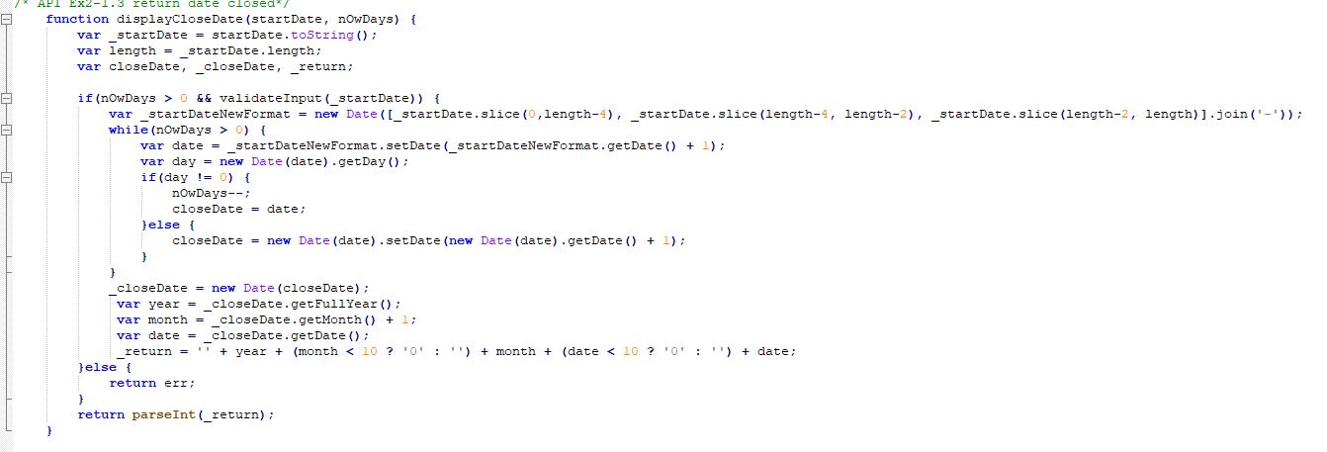

2. Setup an environment to test some test cases
 | 2.1 Use chrome extension
 |  | 2.1.1 Open chrome - > setting -> extension -> turn on developer mode

 |  | 2.1.2 Choose Load unpacked -> upload folder Ex2
 |  | 2.1.3 Click left-mouse to the techcombank icon on the top right corner -> Test case demo will be showed

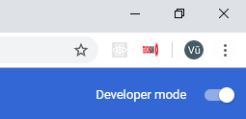

 |  | 2.1.4 Test result

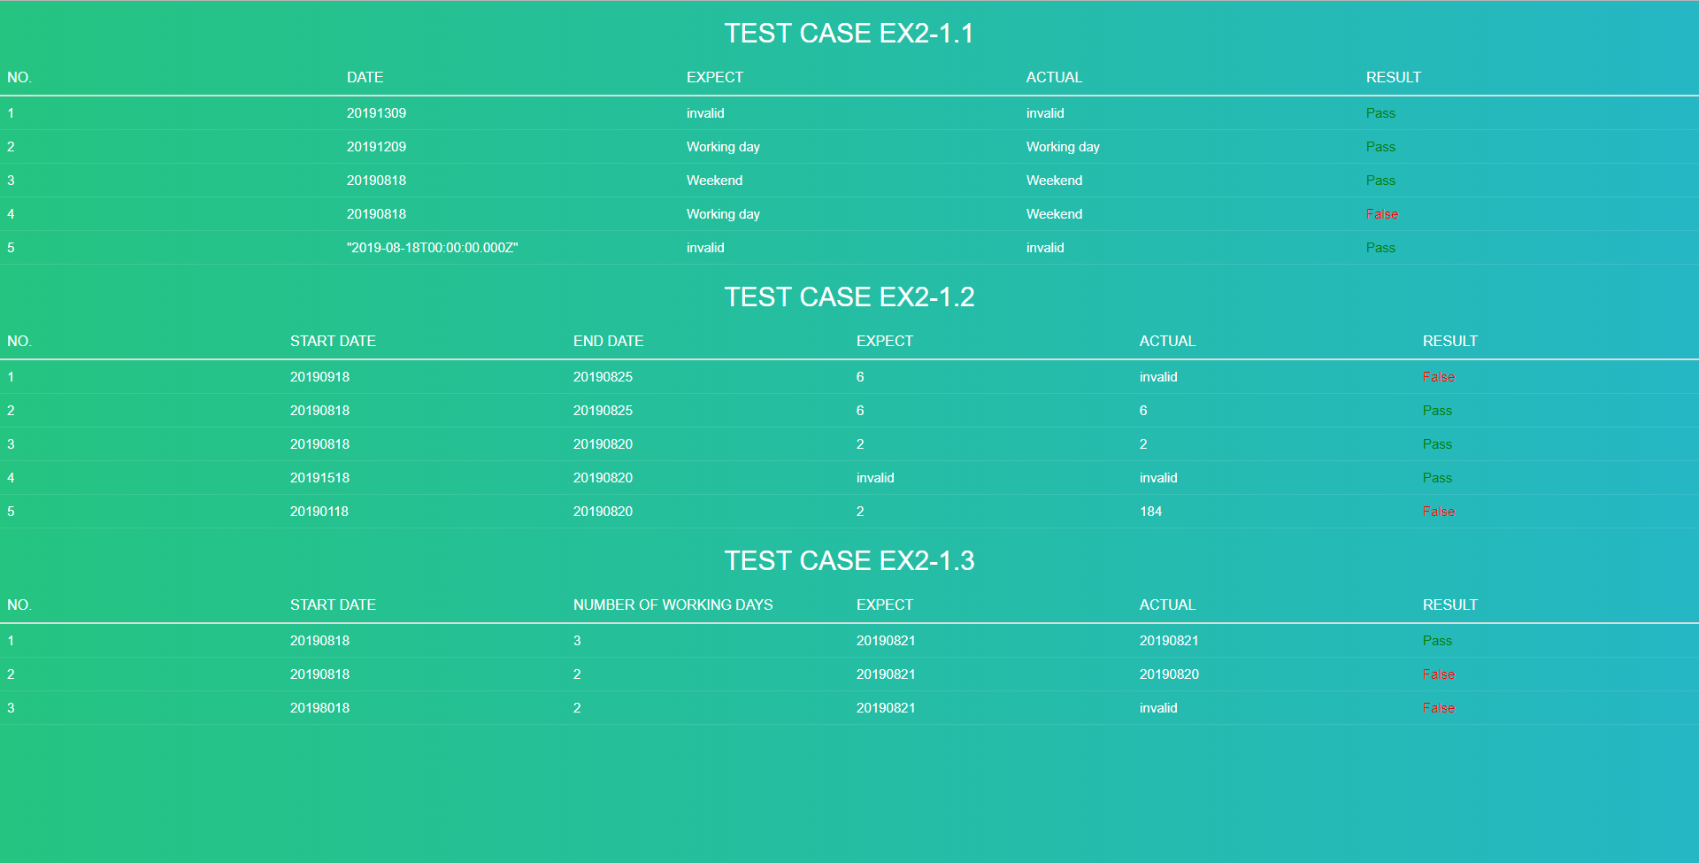

 | 2.12 Open file index.html in folder Ex2 with the chrome browser

3. Add test case
 | 3.1 Open file controller.js in folder ./Ex2/controller.js line 6 - 13

