Probabilities of plane
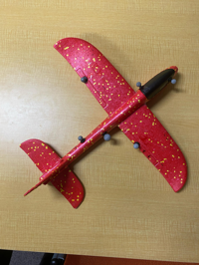
 | RN50 | RN101 | RN50x4 | RN50x16 | RN50x64 | ViT-B/32 | ViT-B/16 | ViT-L/14 | ViT-L/14@336px
a plane | 0.14001464844 | 0.3408203125 | 0.94140625 | 0.90966796875 | 0.86669921875 | 0.47387695312 | 0.73388671875 | 0.5810546875 | 0.82177734375
a frisbee | 0.0019664764404 | 0.0022964477539 | 0.00018000602722 | 0.0002064704895 | 0.00013422966003 | 0.0058708190918 | 0.0044326782227 | 0.00014269351959 | 0.00021815299988
a boomerang | 0.85791015625 | 0.65673828125 | 0.058349609375 | 0.090087890625 | 0.13293457031 | 0.5205078125 | 0.26171875 | 0.41870117188 | 0.177734375

Probabilities of frisbee
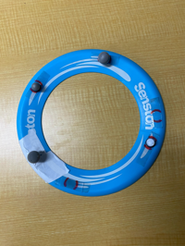
 | RN50 | RN101 | RN50x4 | RN50x16 | RN50x64 | ViT-B/32 | ViT-B/16 | ViT-L/14 | ViT-L/14@336px
a plane | 0.00073766708374 | 0.00053262710571 | 0.00049352645874 | 0.00087404251099 | 0.00020015239716 | 0.00039649009705 | 0.00022852420807 | 4.5478343964E-05 | 8.7559223175E-05
a frisbee | 0.9912109375 | 0.9931640625 | 0.9951171875 | 0.99658203125 | 0.96875 | 0.96435546875 | 0.99072265625 | 0.91943359375 | 0.93994140625
a boomerang | 0.0081787109375 | 0.0060958862305 | 0.0042610168457 | 0.0024700164795 | 0.031143188477 | 0.035125732422 | 0.0088424682617 | 0.080383300781 | 0.060089111328

Probabilities of boomerang
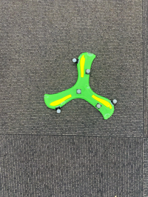
 | RN50 | RN101 | RN50x4 | RN50x16 | RN50x64 | ViT-B/32 | ViT-B/16 | ViT-L/14 | ViT-L/14@336px
a plane | 0.59716796875 | 0.35791015625 | 0.54736328125 | 0.2470703125 | 0.018081665039 | 0.2626953125 | 0.17102050781 | 0.0090942382812 | 0.020126342773
a frisbee | 0.14624023438 | 0.087707519531 | 0.076416015625 | 0.026870727539 | 0.024719238281 | 0.23913574219 | 0.47241210938 | 0.063110351562 | 0.11053466797
a boomerang | 0.2568359375 | 0.55419921875 | 0.37622070312 | 0.72607421875 | 0.95703125 | 0.49829101562 | 0.3564453125 | 0.927734375 | 0.869140625

