Params
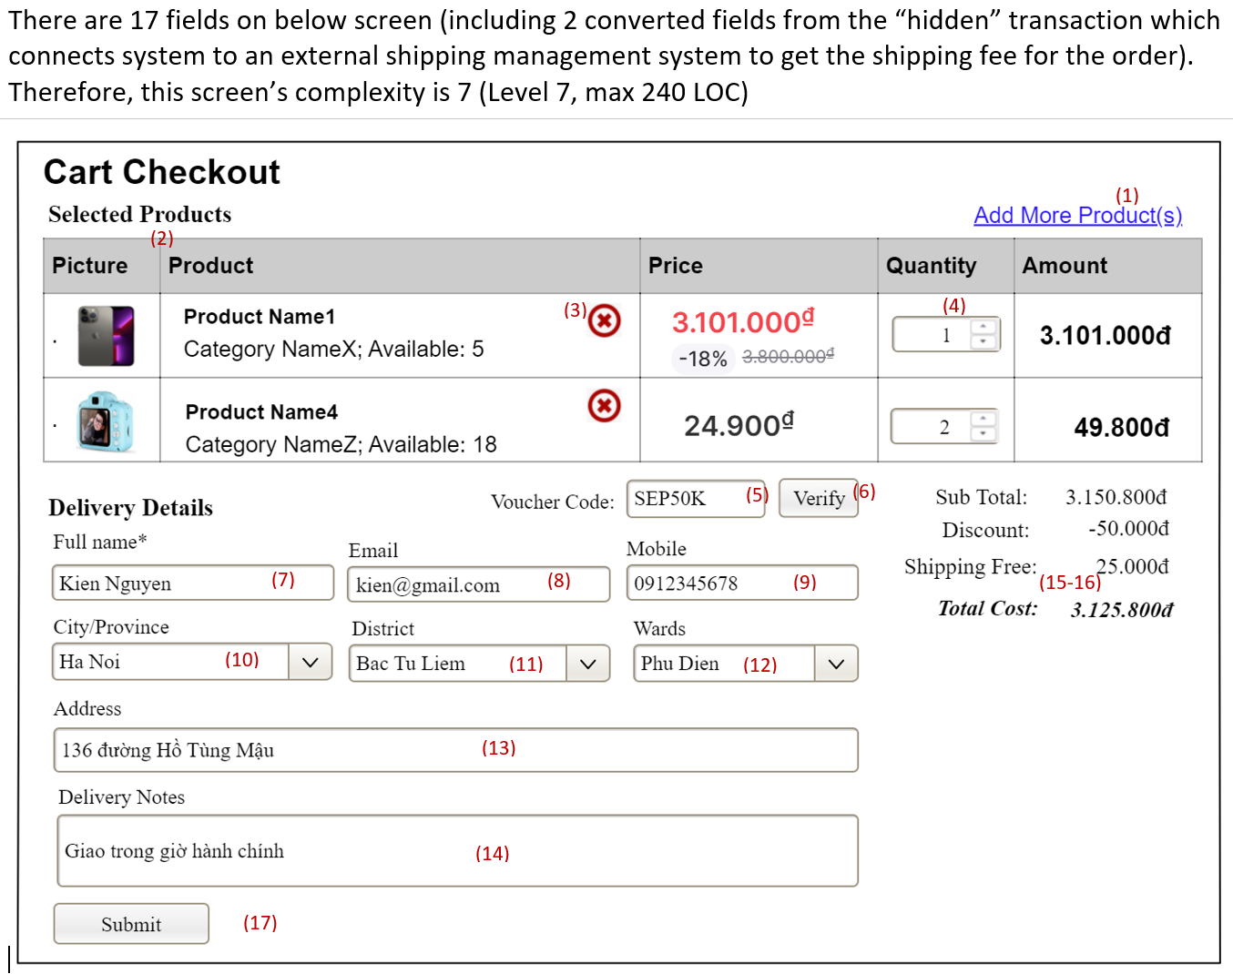
Item | Failed | Normal Cases |  |  | Best Case | Notes
No of screens/functions | 4 | 5 | 6 | 7 | 8 | Tổng số screens/functions hoàn thiện đủ happy cases
Maximum LOC (C) | 480 | 600 | 720 | 840 | 960 | Số LOC quy đổi (L2-3-4 = 33%, 33%, 33%)
Quality Level (Q) | 50% | 50% | 75% | 75% | 75% | Chất lượng màn hình/chức năng**
Evaluated LOC | 240 | 300 | 540 | 630 | 720 | Số LOC đạt được (LOC = C*Q)
LOC Grade (LG) | 3.6 | 4.5 | 8.2 | 9.5 | 10.9 | 70% | Tỷ trọng điểm LOC
Non-LOC Grade (Pkg) | 6 | 6 | 7 | 7 | 8 | 30% | Tỷ trọng điểm quy trình, material liên quan..
ĐIỂM ĐÁNH GIÁ (/10) | 4.3 | 5.0 | 7.8 | 8.8 | 10.0

Converted LOC (for each of the complexity levels)
Complexity Level | Level 1 | Level 2 | Level 3 | Level 4 | Level 5 | Level 6 | Level 7 | Level | Fields | Trans* | LOC | Notes
Converted LOC | 60 | 90 | 120 | 150 | 180 | 210 | 240 | Level 1 | 3-5 | 2 | 60 | 3-5 fields OR 2 trans
 |  |  |  |  |  |  |  | Level 2 | 6-7 | 3 | 90 | 6-7 fields OR 3 trans
Screen/Function Complexity Levels |  |  |  |  |  |  |  | Level 3 | 8-9 | 4 | 120 | 8-9 fields OR 4 trans
Screen complexity can be defined based on the screen's fields OR screen/function's transactions |  |  |  |  |  |  |  | Level 4 | 10-11 | 5 | 150 | 10-11 fields OR 5 trans
- Transactions can be counted as number of transactions to the database or external systems/subsystems |  |  |  |  |  |  |  | Level 5 | 12-13 | 6 | 180 | 12-13 fields OR 6 trans
- Fields are screen's actionable components or database table fields; if there are some transactions those are |  |  |  |  |  |  |  | Level 6 | 14-15 | 7 | 210 | 14-15 fields OR 7 trans
not "related" to any fields, each of those transactions are counted as two fields and add those extra number |  |  |  |  |  |  |  | Level 7 | >15 | >7 | 240 | >15 fields OR >7 trans
to the total number of fields to define the screen/function complexity |  |  |  |  |  |  |  | *One trans (transactions) = Two fields (actionable screen components)
Complexity Level | Level 1 | Level 2 | Level 3 | Level 4 | Level 5 | Level 6 | Level 7
No of transactions (to database, external,..) | 2 | 3 | 4 | 5 | 6 | 7 | >7
 | One transaction can be converted as two actionable fields
OR: no of fields | 3-5 | 6-7 | 8-9 | 10-11 | 12-13 | 14-15 | >15

Screen/Function Quality Levels & LOC Evaluation Rate
Level | Rate | Notes
L1_Happy Cases | 50% | The screen/function is workable, all happy cases are included
L2_All Cases | 75% | The screen/function is workable with both happy and unhappy cases included
L3_Optimized | 100% | All happy & unhappy cases included + the function/screen is optimized in term of UX and and business logics (suitability to real-world use cases)

Some samples of screen complexity defining are as following
Sample #1 |  |  |  |  |  |  |  | Sample #2
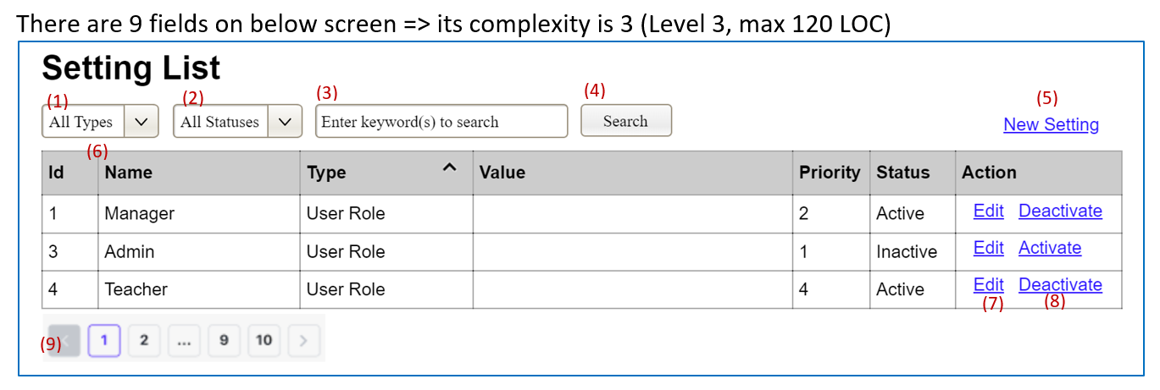
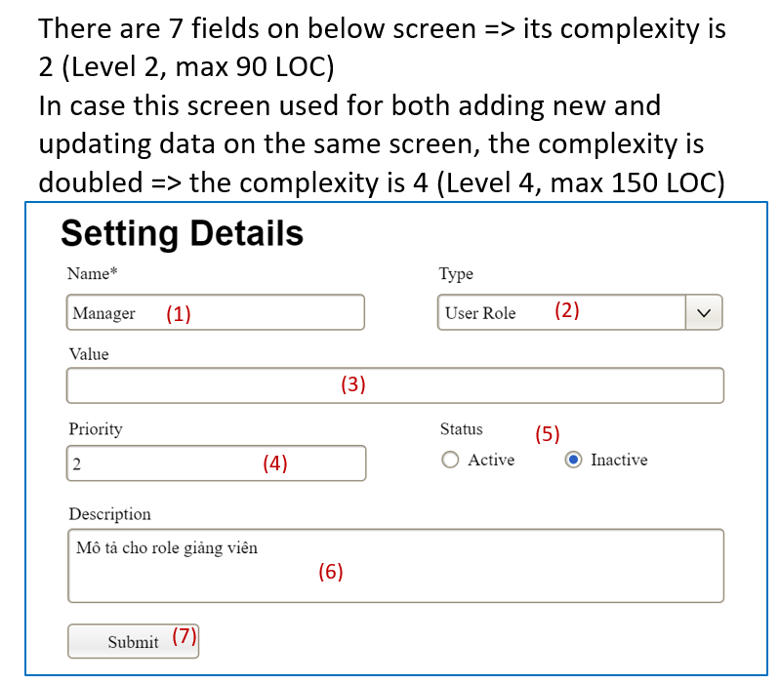

Sample #3

