Experiment3
Top 20 Prevalent pattern co-location |  | Joinless |  | NC-j |  |  | It can be seen from the table that the pattern CD and CE have the same PI value so they are ranked the same order
 |  | d = 350 m |  |  |  |  | Whereas. NC algorithm can clearly distinguish the ranking of two patterns
Name | Symbol | Rank | PI | Rank | PI | Standard deviation of distance
 | EH | 5 | 0.5718 | 12 | 0.2593
 | DH | 9 | 0.5205 | 13 | 0.2585
 | EJ | 17 | 0.4471 | 14 | 0.2529
 | GH | 14 | 0.4624 | 15 | 0.2503
 | EG | 8 | 0.5328 | 16 | 0.2495
 | BG | 16 | 0.4500 | 17 | 0.2438
 | CD | 21 | 0.3823 | 18 | 0.2383 | 21239.302511 | standard deviation
 | CE | 21 | 0.3823 | 19 | 0.2380 | 22420.832234 | As seen from the mean calculation: Mean of distance of colocation CD is lower than CE's
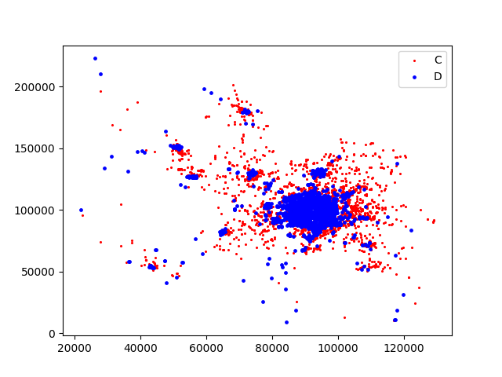
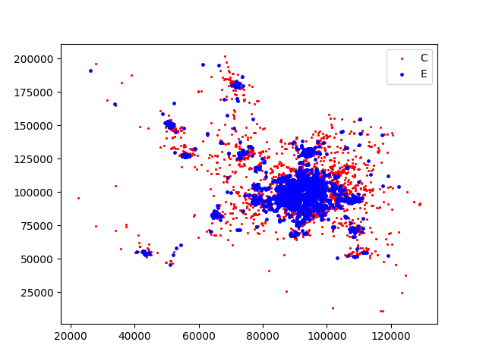
 |  |  |  |  |  |  | demonstrating that CD is more frequence than CE

Expreriment4
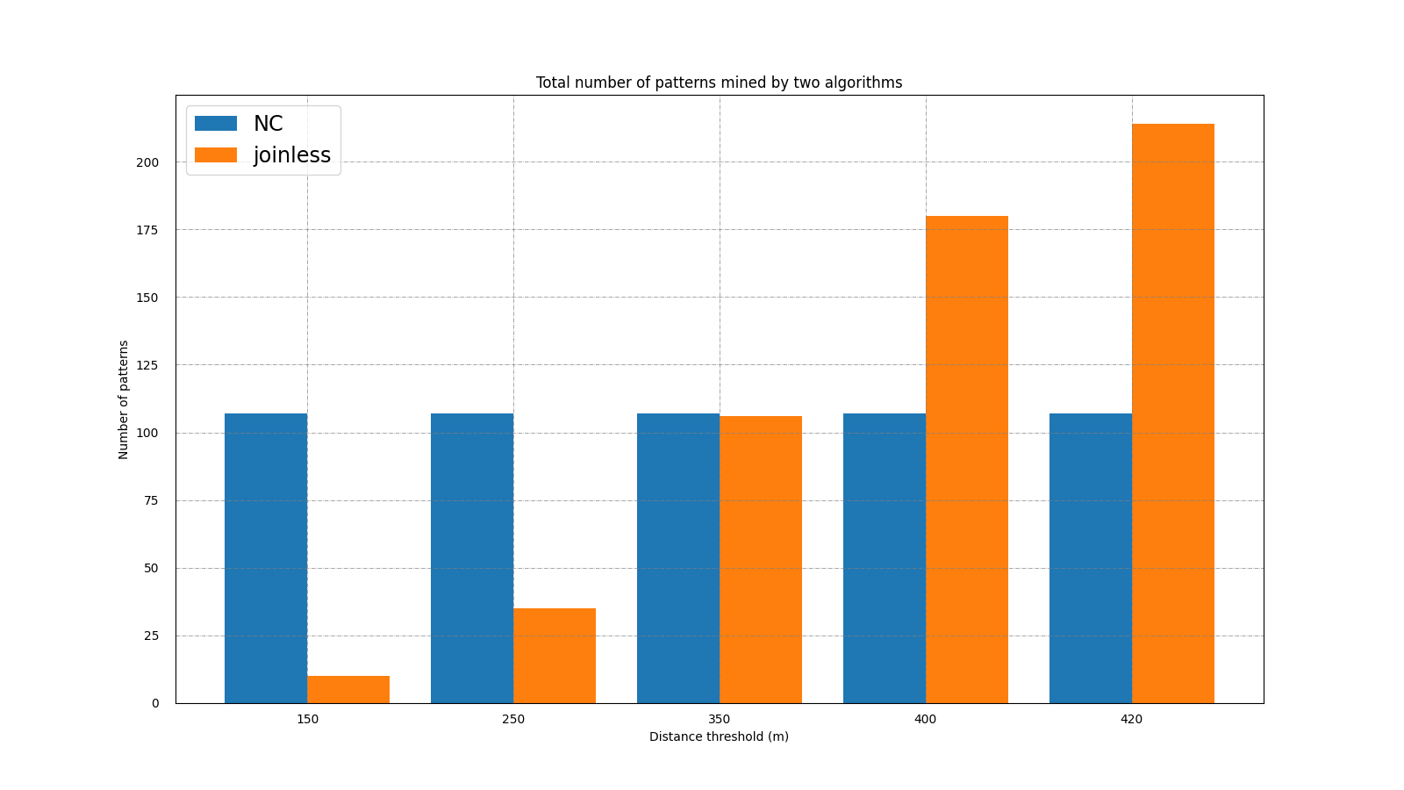
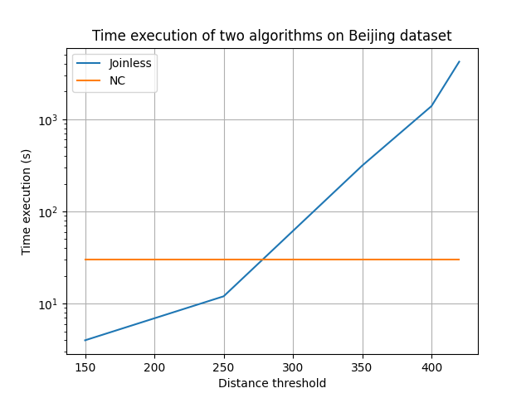

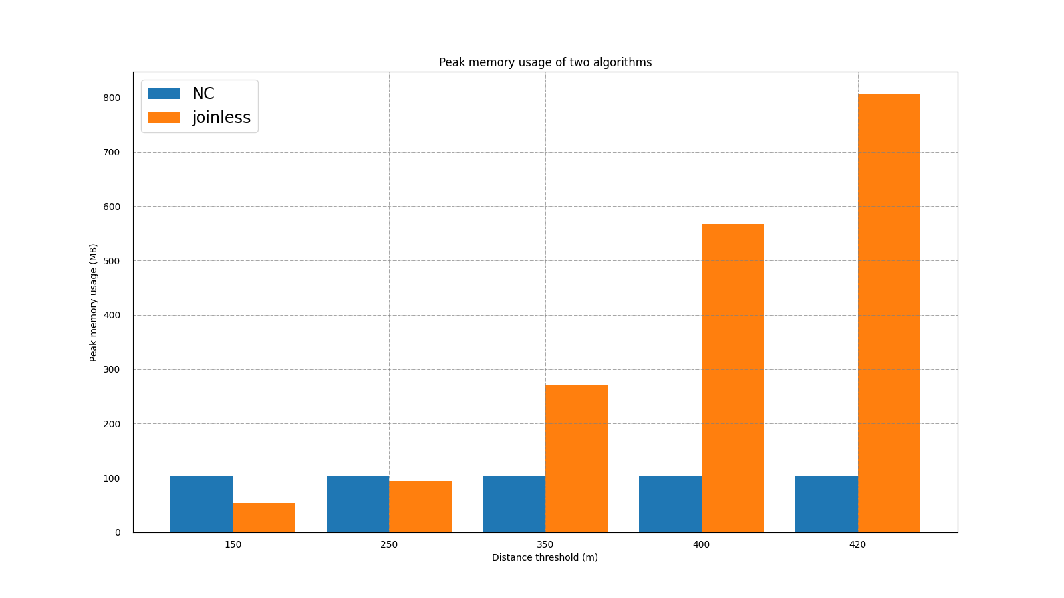
 | thoi gian | number of pattern | peak memory usage

log scale

Experiment5
 |  |  |  |  |  |  |  | Thong ke thoi gian
 |  |  |  | Synthetic Data |  | Real Data
 |  |  |  | 50k |  | 20%
 |  |  |  | 100k |  | 40%
 |  |  |  | 150 |  | 60%
 |  |  |  |  |  | 80%
 |  |  |  |  |  | 100%

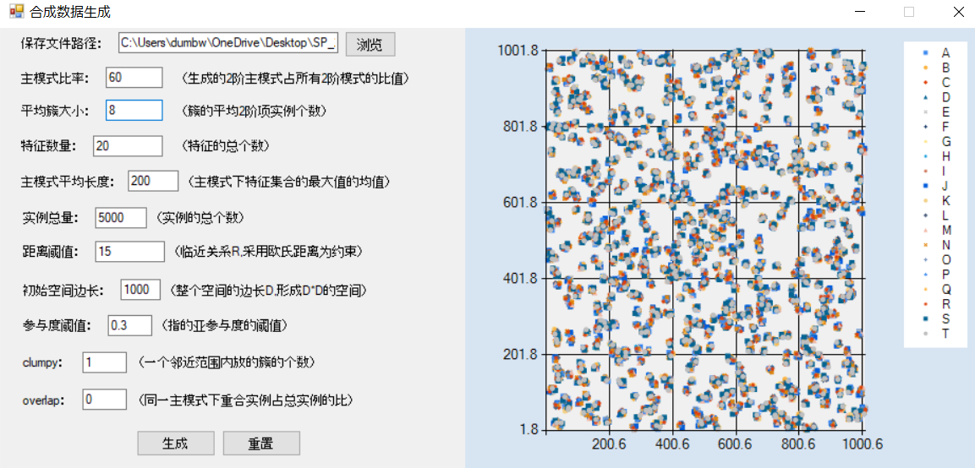
 | algorithm | Time | #pattern | threshold | peakmemory
 | joinless | 1 | 1 | 1
 | joinless | 2 | 2 | 2
 | joinless | 2 | 2 | 3
 | joinless | 3 | 3 | 4
 | joinless | 4 | 4 | 5
 | NC | 5 | 4 | 1
 | NC | 5 | 4 | 2 |  |  |  |  | synthetic 6 10 15
 | NC | 5 | 4 | 3
 | NC | 5 | 4 | 4
 | NC | 5 | 4 | 5

 |  |  |  |  |  |  | chay scale tren ca real va synthetic |  | #instances

 | threshold | algo | time | #paterrn
1 | 1 |  |  |  |  |  |  |  | area
 | 2
 | 3
 | 4
 | 5

