Sheet1
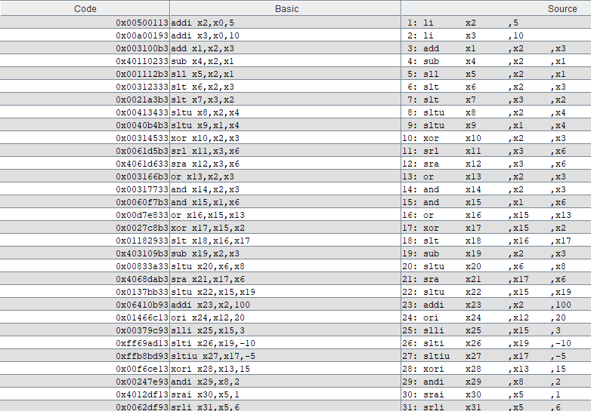
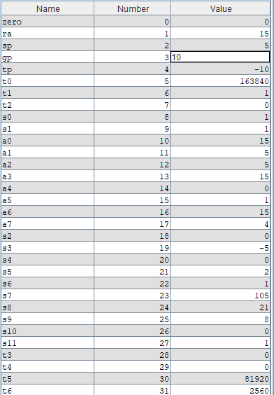
STT | Lệnh |  |  |  | Kết quả |  | Ghi chú
1 | phép toán | rd | rs1 | rs2 | thanh ghi | giá trị
2 | li | x2 | ,5 |  | x2 | 5
3 | li | x3 | ,10 |  | x3 | 10
4 | add | x1 | ,x2 | ,x3 | x1 | 15 | forward
5 | sub | x4 | ,x2 | ,x1 | x4 | -10 | forward
6 | sll | x5 | ,x2 | ,x1 | x5 | 163840 | forward
7 | slt | x6 | ,x2 | ,x3 | x6 | 1
8 | slt | x7 | ,x3 | ,x2 | x7 | 0
9 | sltu | x8 | ,x2 | ,x4 | x8 | 1
10 | sltu | x9 | ,x1 | ,x4 | x9 | 1
11 | xor | x10 | ,x2 | ,x3 | x10 | 15
12 | srl | x11 | ,x3 | ,x6 | x11 | 5
13 | sra | x12 | ,x3 | ,x6 | x12 | 5
14 | or | x13 | ,x2 | ,x3 | x13 | 15
15 | and | x14 | ,x2 | ,x3 | x14 | 0
16 | and | x15 | ,x1 | ,x6 | x15 | 1
17 | or | x16 | ,x15 | ,x13 | x16 | 15
18 | xor | x17 | ,x15 | ,x2 | x17 | 4
19 | slt | x18 | ,x16 | ,x17 | x18 | 0
20 | sub | x19 | ,x2 | ,x3 | x19 | -5
21 | sltu | x20 | ,x6 | ,x8 | x20 | 0
22 | sra | x21 | ,x17 | ,x6 | x21 | 2
23 | sltu | x22 | ,x15 | ,x19 | x22 | 1
24 | addi | x23 | ,x2 | ,100 | x23 | 105
25 | ori | x24 | ,x12 | ,20 | x24 | 21
26 | slli | x25 | ,x15 | ,3 | x25 | 8
27 | slti | x26 | ,x19 | ,-10 | x26 | 0
28 | sltiu | x27 | ,x17 | ,-5 | x27 | 1
29 | xori | x28 | ,x13 | ,15 | x28 | 0
30 | andi | x29 | ,x8 | ,2 | x29 | 0
31 | srai | x30 | ,x5 | ,1 | x30 | 81920 | 00014000
32 | srli | x31 | ,x5 | ,6 | x31 | 2560 | 00000A00
33
34 | phép toán | rs2 | imm | rs1 | dmem | giá trị
35 | sw | x4 | ,28 | (x0) | x7 | -10
36 | sh | x5 | ,24 | (x0) | x6 | 0000 8000
37 | sb | x30 | ,16 | (x0) | x4 | 0
38 | sw | x22 | ,20 | (x0) | x5 | 1
39 | phép toán | rs2 | imm | rs1 | thanh ghi | giá trị
40 | lw | x8 | ,28 | (x0) | x8 | -10 | FFFFFFFFF6
41 | addi | x9 | x8 | 10 | x9 | 0 | stall
42 | lh | x9 | ,24 | (x0) | x9 | -32768 | FFFFFF8000
43 | lb | x10 | ,16 | (x0) | x10 | 0
44 | lhu | x11 | ,24 | (x0) | x11 | 32768 | 00008000
45 | lbu | x12 | ,16 | (x0) | x12 | 0
46
47 | phép toán | rd | imm | imm hex | thanh ghi | giá trị
48 | lui | x1 | ,12345 | 03039 | x1 | 0x03039000
49 | lui | x2 | ,123545 | 1E299 | x2 | 0x1E299000
50 | lui | x3 | ,87654 | 15666 | x3 | 0x15666000
51 | auipc | x4 | ,12345 | 03039 | x4 | 0x0303900c
52 | auipc | x5 | ,12345 | 03039 | x5 | 0x03039010
53 | auipc | x6 | ,12345 | 03039 | x6 | 0x03039014

 |  |  |  |  |  |  |  | Sum:

