insulin_dose_respon
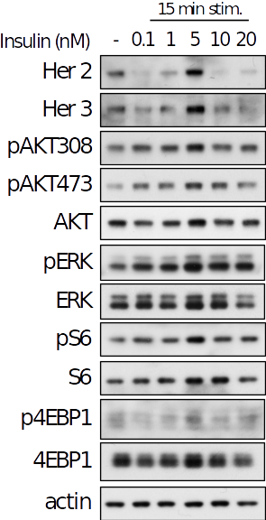
Name | Insulin_dose_response_Anto_2018
Description | Unit: nM, minute
Source | in house (Papa's Lab)
Type | dose | 15
Input | IGF
type | phosphoAkt | phosphoErk | phosphoS6
0 | 1 | 1 | 1
0.02 | 2.1389451481 | 1.6309439412 | 1.2359349082
1 | 1.9010520746 | 1.6464479723 | 1.1486817862
4 | 2.0208794917 | 2.7805717387 | 1.5153515811

HRG_time_course_Neve_2002
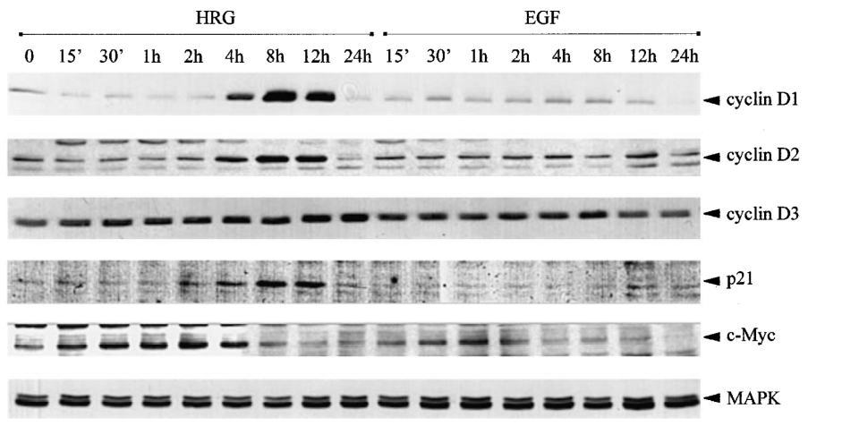
Name | HRG_Neve_2002_tc
Description | Unit: nM, minute
Source | https://www.nature.com/articles/1205555
Type | time | 1
Input | HRG
Type | totalCd | totalp21 | totalcMyc | phosphoErk | phosphoAkt
0 | 0.48997121751 | 0.49425250032 | 0.45480367694 | 0.12658227848 | 0.047619047619
120 | 0.6 | 0.7885634498 | 1 | 1 | 1
240 | 0.80376802663 | 0.7844265489 | 0.79137051538 | 0.77215189873 | 0.71428571429
480 | 1 | 1 | 0.54993257197 | 0.48101265823 | 0.71428571429
720 | 0.92251271916 | 0.95947525653 | 0.42253594533 | 0.55696202532 | 0.38095238095
1440 | 0.5 | 0.54352513313 | 0.4 | 0.50632911392 | 0.3

HRG_dose_respon_Neve_2002
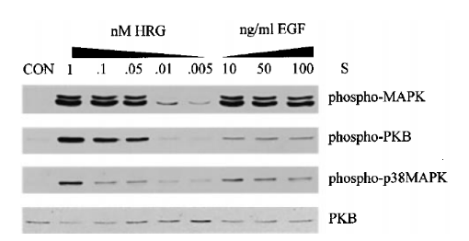
Name | HRG_Neve_2002_do
Description | Unit: nM, minute
Source | https://www.nature.com/articles/1205555
Type | dose | 15
Input | HRG
Type | phosphoAkt | phosphoErk
0 | 33.5 | 31.193
0.05 | 136.862 | 74.702
1 | 168.774 | 110.705

