Sheet1
Ví | Private key | Seed | Địa chỉ ví
MetaMash | 568ddc5845c0b6f14ea44b7771f5434ffe8b0951aa90b9c2a3275d8ef1ccd3d3 | void damp island tape steak video glass direct hawk jar foot sort | 0x718Ad51EBE93F5642eCaa292fBd39cE7dd499C57
OEX |  | sense cross renew double little clean clever satoshi main penalty vital olymp
HOT | ed25519:3SWytgCSWHaqX3iCLNMSi12i1WvogSNX5S3Y1df34uiZFAHRqqM15zUmM8Lqn4sj7FfomUsekhwoPioPrGP1CYcV | flight someone stumble guitar public car modify buffalo pact push million member
HOT 2 | ed25519:5DkaeRh1FDkFjugXsti68j7TqcinPtYakAYaRtRB32BEVoT2G1p37ghEu4C9ZLA5TVeC8GUfyMM8sL2gAw9k8QyR | pipe gym range struggle else chimney control lazy identify stomach material protect
Wave SUI 1 | suiprivkey1qrxdy5ckcge8nznq34ywwtk596unmm9ncv3xvpl0lqxeurvzaepax3v3axv | begin rent amused dose nominee actor sponsor essay allow kiwi gauge wonder | 0xb172bed3434bf6672b6b04a04afe3b08f5d2175baed06ca63fa6794bfbd61ce8
Wave SUI 2 | suiprivkey1qq0q8xxva4y4v0a2eksanv9atakdmv582ld9f3svk2ajn6va3rr4cqur98v | mandate van scrub throw motor unique day buyer curve tone pear field | 0x6b9cfd07c66236a9044b9c54e3a6fb36b4fad664f8c6b0b14b3015a7a7a6b0be
Phantom | 5Rr2MJf8tCmUC4L6Xi9Gr3iMi6VgScNdQMvVoMkCJfELhRdYdPaxj4gJZcfnrcnWy5eCeSYJnvgWM9eJm8PSyutK | valley thunder earn decline cash hurdle butter visit jealous rally say bracket
Tonkeeoer |  | froze delay enemy crazy uncle bicyle time meadow vibrant captan knock surround deal casual express dove typical blouse window monitor slice music curious decade
Havest | ed25519:5167MUUoiTHqa6kvUcUDGNa46v8RysR7VwdTiAmtDEKtHXHeLNHdF71uDgxdHCdnsAL7hGidXowjvY7m4iBA2bh7 | inflict load avoid control weapon robust size digital soldier supply assume sister
kepler | 5262450d14f48d7d0b92a9367203352368ddc2647c146372a328dde3c27e735d
Unisat |  | disease lounge poem region elephant swear soap pencil pudding paper swallow fade | bc1q3arpu44k0nytzvpp05any8ptfea3gns7mthjuu
Portal |  | girl reopen flower pencil taste quick ridge ribbon output since gap nephew
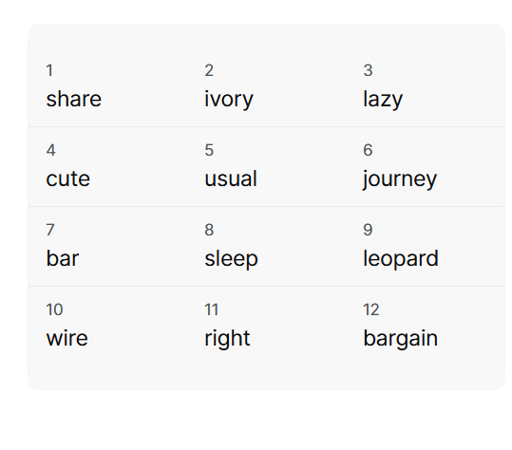
Bitget Waillet

