Tân
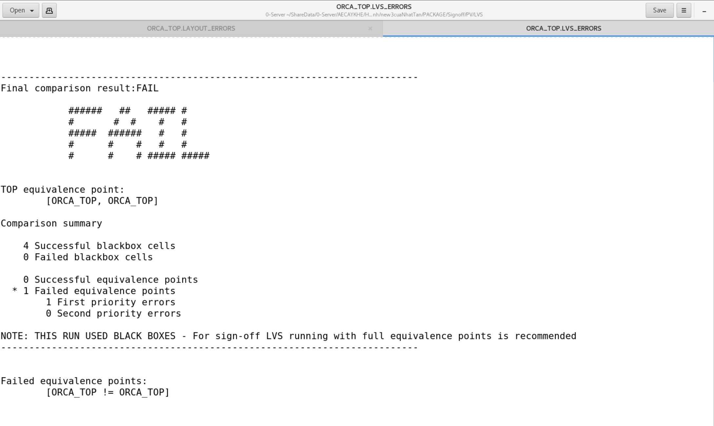
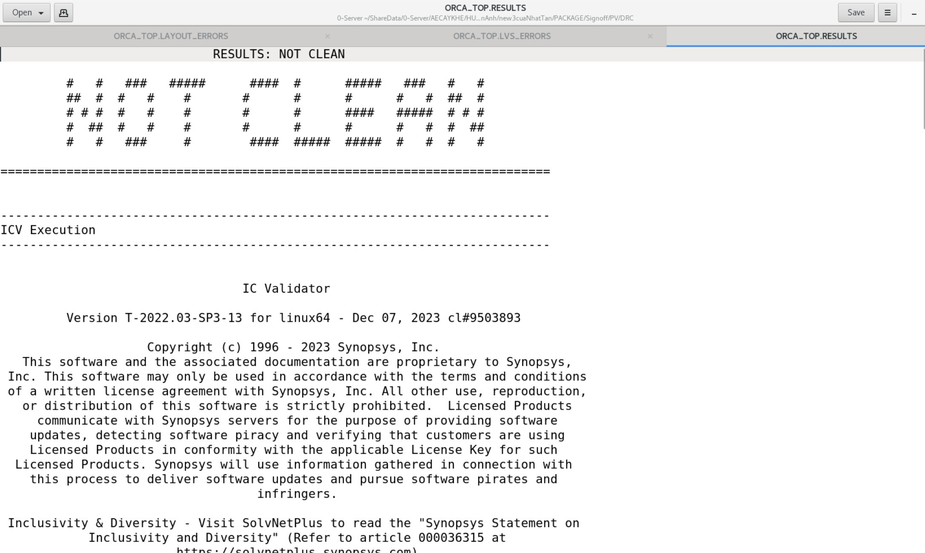
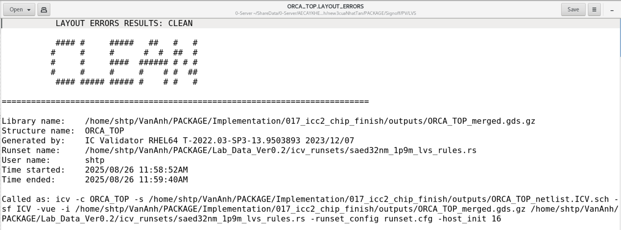
RUN | STEP | Setup R2R (WNS/TNS/NVP) ns | Hold R2R (WNS/TNS/NVP) ns | Utilization (%) | GRC (%) Both/H/V | Leakage/Total Power (pW) | Short/DRCs
FINAL (hyper_route_opt) | Floorplan | -2,88 / -1567,68 / 2951 | -0,05 / -4,36 / 637 | 65.12 | 0,29 / 0,52 / 0,06 | 4,88e+08 / 1,77e+10
 | Place_opt | -0,80 / -16,34 / 112 | -0,05 / -4,49 / 611 | 67.42 | 0,22 / 0,43 / 0,01 | 5.73e+08 / 1,13e+10
 | Clock_opt_cts | -0,83 / -19,64 / 140 | -0,31 / -26,65 / 452 | 68.33 | 0,25 / 0,47 / 0,04 | 1,13e+10 / 1,10e+10
 | Clock_opt_opto | -0,13 / -0,59 / 48 | -0,31 / -12,47 / 87 | 65.44 | 0,28 / 0,54 / 0,02 | 1.12e+10 / 1,10e+10
 | Route_auto | -0,16 / -1,18 / 46 | -0,33 / -13,43 / 91 | 65.44 |  | 1.12e+10 / 1,11e+10 | DRC = 0, Short = 0, Open net = 3 (VSS, VDD, VDDH)
 | Route_opt | -0,16 / -1,43 / 30 | -0,39 / -19,03 / 86 | 66.19 |  | 1.16e+10 / 1,16e+10 | DRC = 0, Short = 0, Open net = 0
 | Route_opt (SAU STA) trên ICC2 | -0.03/ -0.04/ 6 | -28.75/ -2758.55/ 558 | 69.46 |  | 1.16e+10 /1.16e+ 10 | DRC = 204, Short = 54, Open net = 2 (VDD, VSS)
 | ChipFinish (SAU STA) trên ICC2 | -0.03/ -0.06/ 5 | -28.75/ -2758.45/ 558 | 69.46 |  | 1.16e+10 /1.16e+ 10 | DRC = 28, Short (Check_routes) = 13, Short (Check_lvs) = 20, Open net = 0
1: frequency = 1,0 & SPG, set_app_options in post_route, open nets | Place_opt | -0,90 / -17,12 / 87 | -0,05 / -4,55 / 627 | 67.45 | 0,21 / 0,41 / 0,00 | 5.73e+08 / 1,13e+10
 | Route_opt | -0,06 / -0,42 / 19 | -0,31 / -15,26 / 90 | 66.4 |  | 1.17e+10 / 1,20e+10
2: frequency = 1,5 & SPG | Place_opt | -0,03 / -0,13 / 12 | -0,06/ -10,33 / 1041 | 68.67 | 0,2 / 0,4 / 0,00 | 5.81e+08 / 1,11e+10
 | Route_opt | -0,41 / -6,22 / 72 | -0,30 / -10,47 / 94 | 68.32 |  | 1.34e+10 / 1,33e+10

