ICC2-Placement
Items | Description | How/What To Check | Pass/Fail | Comments | Reviewer
Placement Quality Checks
1 | Legalization completed without any errors | check_legality should be clean | ✔ | -
2 | Congestion maps are acceptable | report_congestion and review congestion hot spots in map | ✔ | Both Dir: 0.22%; H Routing: 0.43%; V Routing: 0.01%
3 | Local cell / pin density are acceptable | review pin density map in gui | ✔ | Highest pin density area: 1.574
4 | Setup R2R (WNS) < 100ps across all scenarios | report_timing | ✘ | Setup WNS/TNS/NVE: -0.8/-16.74/113 Tại sao setup lớn nhưng vẫn qua bước tiếp theo
5 | Power estimation (SAIF/FSDB/SSA based) is within the budget | check power_analysis reports | - | -

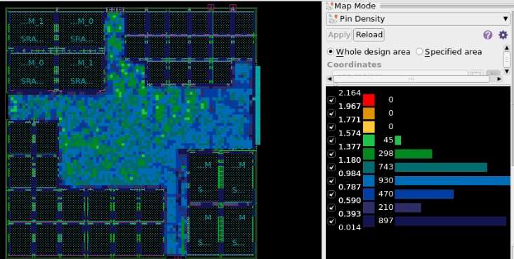

 |  | sau place có vào sta để check và sửa được luôn hay ko
 |  | Check list vd timing là trước sta pphair pass hay sau sta phải pass vì có yêu cầu phải clean timing, tương tự với cac lỗi drc,
 |  | formality, lvs, drc

