unit test
 | Project Name: |  | web: phongvu.vn
 | Created By: |  | Le Khanh Toan
 | UNIT TEST
Test case ID | Test decrisption |  | Steps | Test data | Expected result | Test-result | Test Status | Selenium
0.01 | Login with your phone number | 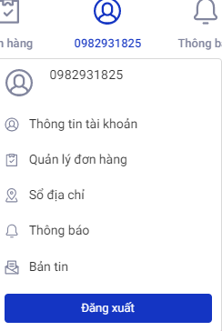 | 1. Come to login site 2. Choose case Login with phone number 3. Enter in all required fields 4. Click send button | (0)982931825 | After fill in required fields, you will login succesful | Login succesfully | Passed | Yes
0.02(JUNIT5) | Checking phone number format |  | 1. Come to login site 2. Choose case Login with phone number 3. Don't fill in number phone field 4. Click send button |  | The system will ask you to format the appropriate phone number | Can't login, The system will ask you to format the appropriate phone number | Passed | Yes
0.03(JUNIT5) | Update account profile |  | 1. Login with phone number 2. Go to profile page 3. Edit or fill in all required fields 4. Click update | Toàn 0982931825 14/06/2002 | Your profile must be updated | Your profile has been updated | Passed
0.04 | Update account address |  | 1. Login 2. Go to address page 3. Fill in all required fields 4. Save your new address |  | Your address must be saved | Your address has been saved | Passed
0.05 | Add account address | 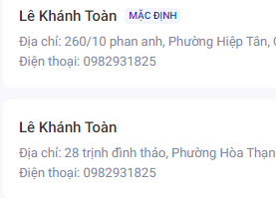 | 1. Login 2. Go to address page 3. Add a new address 4. Fill in all required fields 5. Save your new address |  | Your address must be added | Your address has been added | Passed
0.06(JUNIT5) | Select default address | 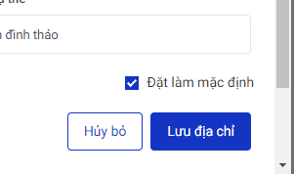 | 1. Go to address page 2. Edit your address 3. Set address to your default address 4. Save address |  | Your new default address muse be saved | Your address has ben saved | Passed
1.01 | Product display filter, show by price more than 30.000.000 | 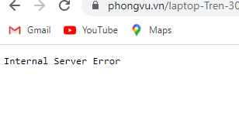 | 1. Click "Danh mục sản phẩm" 2. Hover on "Laptop" 3. Choose "Trên 30 triệu" | Laptop Price > 30.000.000 | The system will show you all the products with your filter | Internal Server Error | Fail
1.02 | Product display filter, displayed after each selection | 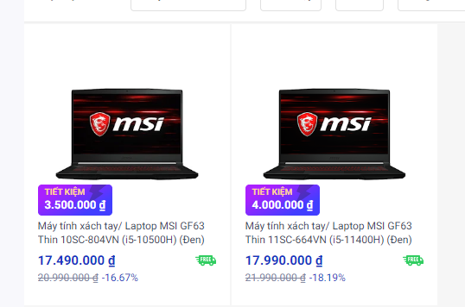 | 1. Product portfolio 2. Laptop 3. Tracemark "MSI" -> color "black" -> Core i5 -> NVIDIA GeFore GTX 1650 | https://phongvu.vn/msi-scat.01-N001-08?sellerCategoryId=01-N001-08&attributes.mau_sac_laptop=84&attributes.laptop_seriescpu=208&brands=msi&attributes.laptop_chipdohoaroi=10759 | The system will show you all the products with your filter | The system shown you all the products with your filter | Passed | Yes
1.03(JUNIT5) | Search filter, products displayed by keyword | 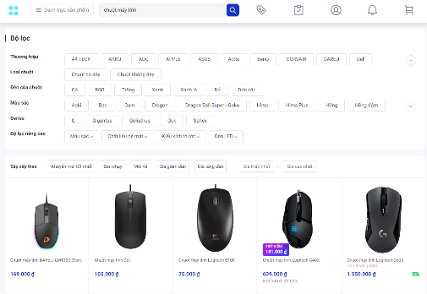 | 1. Enter keyword in search field | Chuột máy tính | The system will show you all the products with your keywords | The system shown you all the products with your keywords | Passed | Yes
2.01 | Try to add a product to your cart | 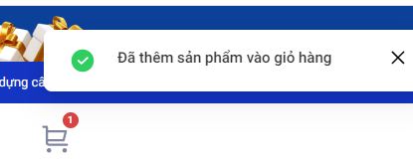 | 1. in home page, select a product to add to cart 2. Click the product to the detail page 3. Add product to cart |  | Alert "Đã thêm vào giỏ hàng" will be show | Alert "Đã thêm vào giỏ hàng" are shown | Passed | Yes
2.02(JUNIT5) | Add a existed product to your cart |  | 1. Add product which existed in your cart |  | Quantity of product must be increased | Quantity of product has been increased | Passed
2.03 | Remove product from cart | 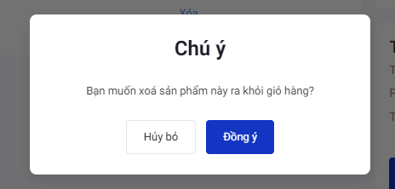 | 1. Select a product you want to remove it 2. Remove it |  | Product must be removed | The product has been removed | Passed | Yes
2.04(JUNIT5) | Checking if Cart are empty |  | 1. Don't add product to cart 2. Go to cart site |  | Cart must be show you a notification about your cart are empty | Cart has been show you a notification about your cart are empty | Passed
3.01(JUNIT5) | Try a wrong discount code for your products | 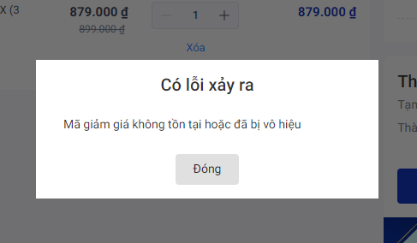 | 1. Add product to cart 2. Open your cart, enter a wrong discoung code and apply it | aaaaz | A alert window should be show | A alert window are shown "Có lỗi xảy ra Mã giảm giá không tồn tại hoặc đã bị vô hiệu" | Passed | Yes
4.01(JUNIT5) | Product sale off | 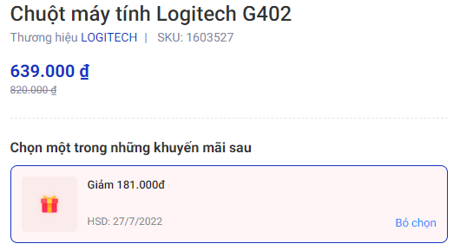 | 1. Choose your product 2. Apply sale off |  | Price must be discounted | Price has been discounted | Passed
4.02(JUNIT5) | Status of Product sale off |  | 1. Choose your product 2. Apply sale off 3. Quit Apply sale off |  | Base price of product must be returned | Base price of product has been returned | Passed
4.03(JUNIT5) | Calculate the total price | 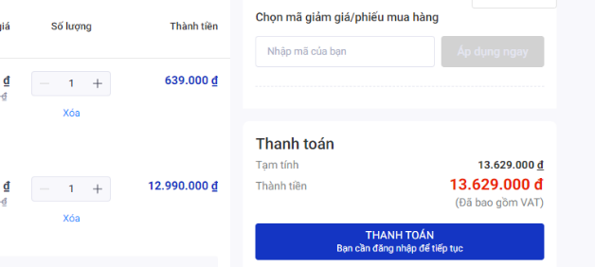 | 1. Add more than 1 products to your cart 2. calculate the final price compared to the displayed price |  | Price based on estimated price | Price based on estimated price | Passed
5.01 | Configuration build function site |  | 1. Choose your product in this site 2. Add products to your cart |  | Products must be added and the product cost is calculated correctly | Product has been added, correctly cost | Passed

intergration test
 | Project Name: |  | web: phongvu.vn
 | Created By: |  | Pham Trung Nguyen
 | INTERGRATION TEST
Test case ID | Objective of test case |  | Steps | Test data | Expected result | Test-result | Test Status | Selenium
T1 | Use a previously updated profile to make purchases. | 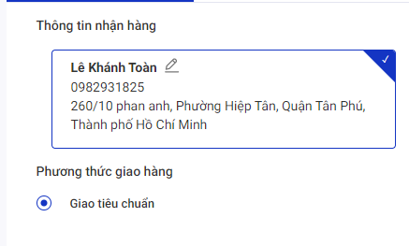 | 1. Sign in to an existing account have with profile updated 2. Add products to cart 3. Payment confirmation 4. Choose your adrress |  | The system will display the order address according to the existing address added | Ordering address display system by existing address is added | Passed
T2 | Log in to an existing account after adding the product to your cart | 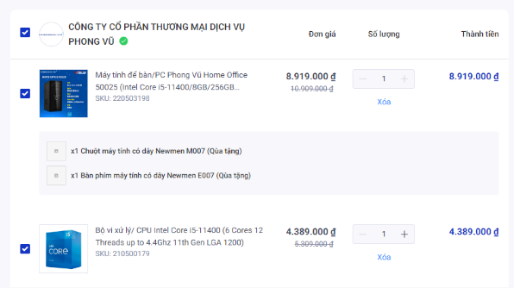 | 1. Add products to your cart without logging in 2. Login to your prepared account 3. Go to your Cart |  | The products in the cart must be intact | The products in the cart are still intact | Passed
T3 | Add products from build configuration page to existing cart | 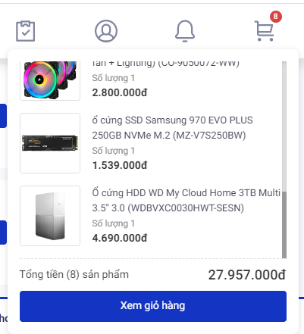 | 1. Add products to your cart 2. Select more products from build configuration page 3. Add to your cart with existing products 4. Go to cart |  | Products must be added together with existing products while increasing the total price | Products have been added together with existing products while increasing the total price | Passed
T4 | Add a new shopping address to an existing account |  | 1. Sign in to an existing account have with profile updated 2. Add new address 3. Add products to cart and purchases 4. Choose your new adrress |  | New address must be available to use | New address has been avaible to used | Passed

