CCS
CCS | CCS_021
memo | ID | Step | Verification items | detail | 전압 | 전원 | Execution Procedure | Expected value | 결과 | Envidence | 측정값 | 비고 | 매뉴얼 기본 | 자동화 기본 | 자동화 반영 | 사양구분
[BLTN_CAM-Function-021] Built-in Cam Information Transmission (SOME/IP)
 | CCS_001 | 1 | SOME/IP related to built-in cam information transmission while driving | Check BLTN_CAM ↔ CCU SOME/IP connection status | 12 V | B+ | ▪ IGN ON ▪ Enter Built-in Cam Mode ▪ Play Random Driving Continuous Video | ▪ Built-in Cam → Transmits CCU SwInfo, Status information (Verified by checking SOME/IP communication status) : Video list displayed normally, recorded video plays normally |  |  |  |  | O |  | X | 주차녹화_지원
[BLTN_CAM-Function-022] Parking Impact Detection Storage Notification
Since there is a relevant function in the auxiliary battery linkage function item, perform the corresponding TestCase. | CCS_002 | 1 | [July 23 Business Update] Updating Recording Time During Weekly Recording | Decrease if more than 1 hour remains | 12 V | B+ | ▪ Power Bank Linkage Function Tab T/C: BAT_013 Execute | ▪ T/C: BAT_013 Satisfied with expected results | Pass |  |  |  |  |  | O | 주차녹화_지원
 | CCS_003 | 1 | [BLTN_CAM_STAT_PE_00_200ms] BLTN_CAM_Prk_Oprable_Time - CCS function | Operable time updated upon network wake-up during parking recording | 12 V | B+ | ▪ Power Bank Linkage Function Tab T/C: BAT_014 Execute | ▪ T/C: BAT_014 Satisfied with expected results |  |  |  |  |  |  | X | 주차녹화_지원
 | CCS_004 | 1 | [BLTN_CAM_STAT_PE_00_200ms] BLTN_CAM_Prk_Oprable_Time - CCS function | Check available parking recording time via the CCS app | 12 V | B+ | ▪ Power Bank Linkage Function Tab T/C: BAT_015 Execute | ▪ T/C: BAT_015 Satisfied with expected results | Pass |  |  |  |  |  | O | 주차녹화_지원
[Parking Event Impact Recording] CCS Function (Vehicle Verification) Built-in cam parking impact detection, storage, notification, and file transfer service | CCS_005 | 1 | [Parking Event Impact Recording] CCS Function (Vehicle Verification) | Check BLTN_CAM_PEV_Recorded signal | 12 V | B+ | ▪ Built-in Cam Main Screen ▪ [Settings] - [Recording] - [Recording While Parked] - Turn on Parking Event and Event Notification Settings ▪ Set Parking Event Sensitivity to 3 (Medium) ▪ Enter Parking Recording ▪ Balarm_BglrAlrmCurrentSta = 0x2(Arm) ▪ Enable Impact Event | ▪ From the time recording is complete until video information transmission is complete (max. 5 minutes) : BLTN_CAM_PEV_Recorded = 0x02 (Park Event Recorded) |  | 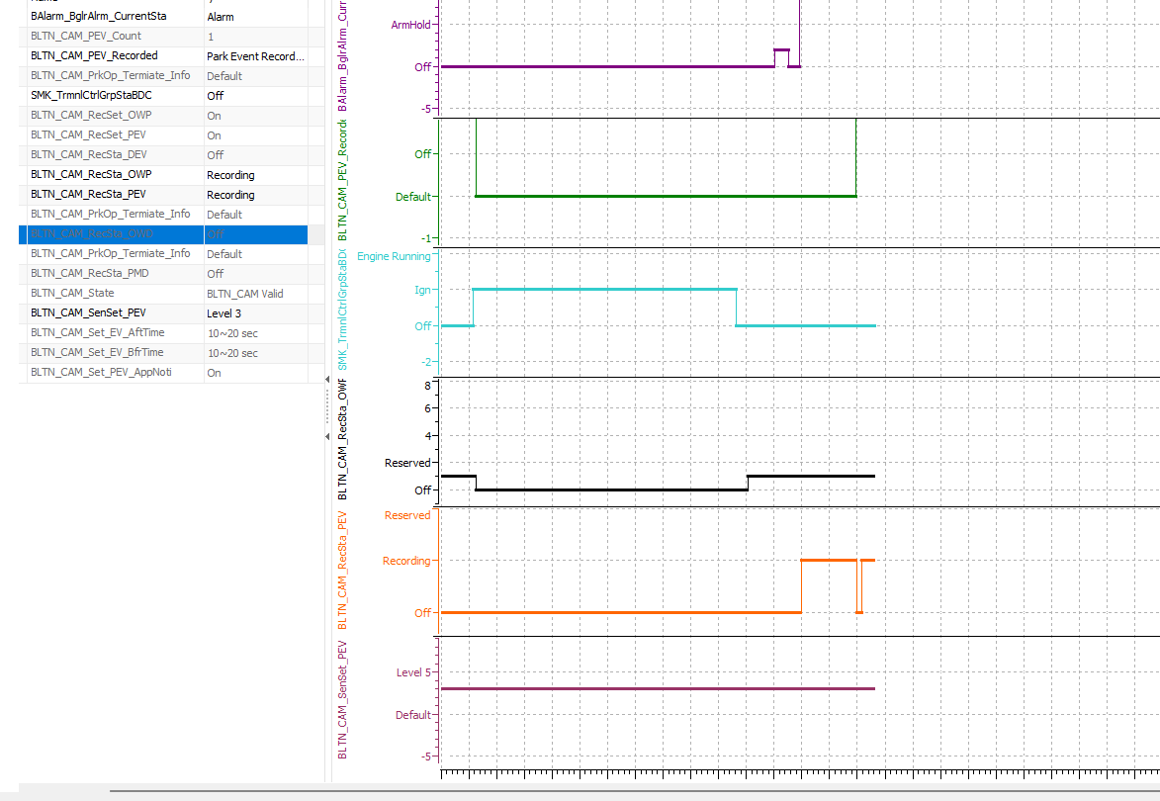 |  |  | O |  | X | 주차충격 알림_지원
 |  | 2 |  | Check if to wake up when proceeding from sleep state | 12 V | B+ | ↑ ▪ Enter Network Sleep ▪ Authorize Shock Event | ▪ From the time recording is complete until video information transmission is complete (max. 5 minutes) : BLTN_CAM_PEV_Recorded = 0x02 (Park Event Recorded) ▪ Enter network sleep after completion |  | 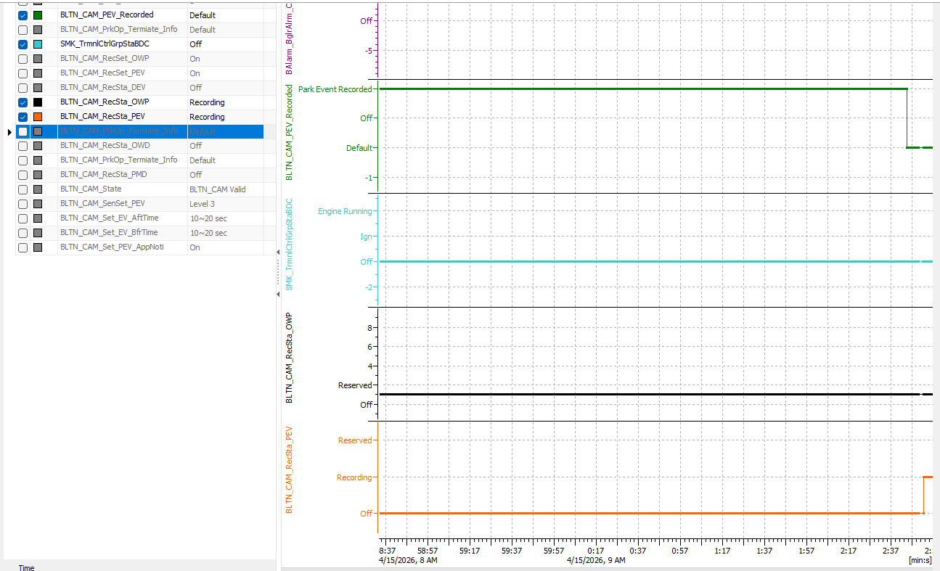 |  |  | O |  | X | 주차충격 알림_지원
 |  | 3 |  | Confirm transmission of impact recording video via BlueLink app | 12 V | B+ | ↑ ▪ Check notifications in the BlueLink app | ▪ BlueLink app push notification triggered ▪ Downloaded video plays normally (Additionally confirmed impact count, SD card status displayed as good, and available parking recording time displayed correctly) |  |  |  |  |  |  | X | 주차충격 알림_지원
 |  | 4 | [Impact recording during parking motion recording] CCS function (Vehicle verification) | Check BLTN_CAM_PEV_Recorded signal | 12 V | B+ | ▪ Built-in Cam Main Screen ▪ [Settings] - [Recording] - [Recording While Parked] - Turn ON Parking Motion, Parking Event, and Event Notification Settings ▪ Set Parking Event Sensitivity to 3 (Medium) ▪ KEY OFF → Enter Parking Motion Recording ▪ Balarm_BglrAlrmCurrentSta = 0x2(Arm) ▪ Enable Impact Event | ▪ From the time recording is complete until video information transmission is complete (max. 5 minutes) : BLTN_CAM_PEV_Recorded = 0x02 (Park Event Recorded) |  | 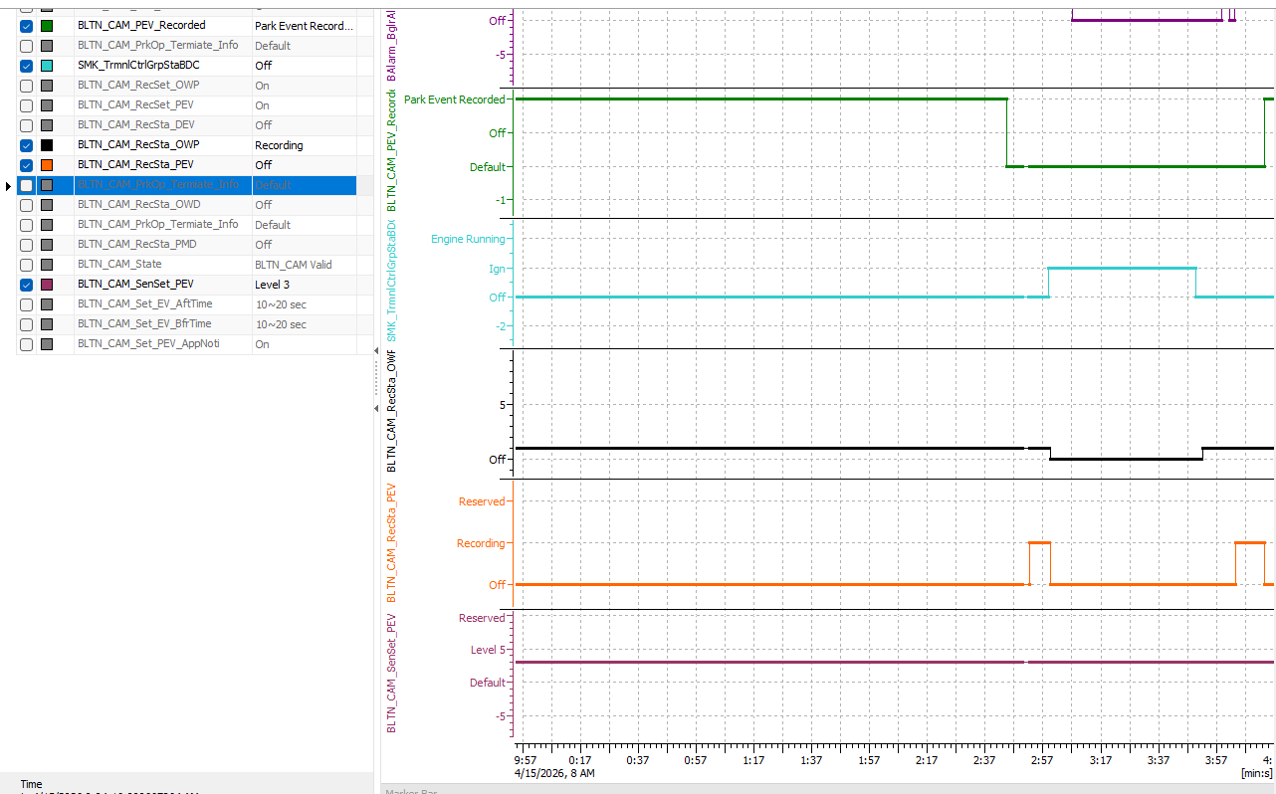 |  |  |  |  | X | 모션감지_지원
 |  | 5 |  | Check if to wake up when proceeding from sleep state | 12 V | B+ | ↑ ▪ Enter Network Sleep ▪ Authorize Shock Event | ▪ From the time recording is complete until video information transmission is complete (max. 5 minutes) : BLTN_CAM_PEV_Recorded = 0x02 (Park Event Recorded) ▪ Enter network sleep after completion |  | 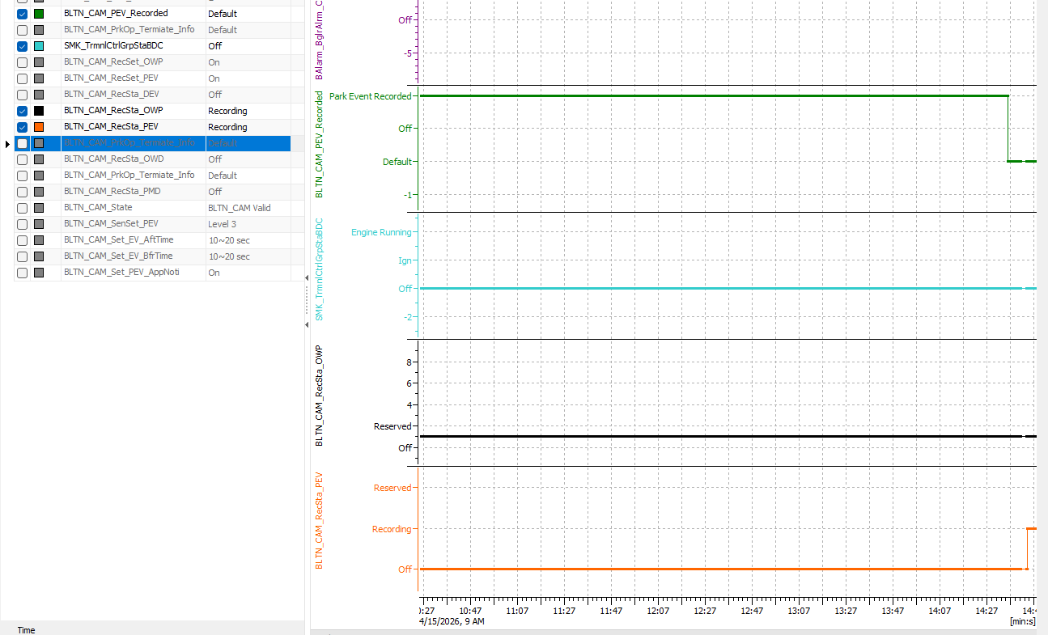 |  |  |  |  | X | 모션감지_지원
 |  | 6 |  | Confirm transmission of impact recording video via BlueLink app | 12 V | B+ | ↑ ▪ Check notifications in the BlueLink app | ▪ BlueLink app push notification triggered ▪ Downloaded video plays normally (Additionally confirmed impact count, SD card status displayed as good, and available parking recording time displayed correctly) |  |  |  |  |  |  | X | 모션감지_지원
[Recording Event Impact While Parked] (4) : Event CCS Notification 1 | CCS_006 | 1 | [Recording Event Impact While Parked] : Event CCS Notification 1 | Verify Event CCS Notification Function Operation - Wake Up - Trigger Signal - Enter Sleep after Event CCS Notification Function Terminates | 12 V | IGN | ▪ Built-in Cam Main Screen ▪ [Settings] - [Recording] - [Recording While Parked] - Turn on Parking Event and Event Notification Settings ▪ Set Parking Event Sensitivity to 3 (Medium) ▪ Balarm_BglrAlrmCurrentSta = 0x2(Arm) ▪ ACC & IGN OFF, Communication Sleep (ccNC power off) → Switch to Auxiliary Battery Power ▪ Check if Wake Up 10 seconds after Impact Event is triggered (Since the May SV1 update, Wake Up 5 seconds after the event is triggered) | ▪ Wake Up at the end of recording ▪ Switch from auxiliary battery power to B+ power (CAN Alive state) | Pass |  |  |  | O | O | O | 주차충격 알림_지원
 |  | 2 |  |  | 12 V | B+ | ▪ Verify trigger signal output from the time of Wake Up (Wake Up 5 seconds after event authorization starting from the May SV1 update) | ▪ BLTN_CAM_RecSta_PEV = 0x1 from the time recording is complete (Wake Up 5 seconds after event authorization since the May SV1 update) : Retained while CCS file transfer is complete (Time out: 5 minutes) ▪ BLTN_CAM_RecSta_PEV = 0x1 occurs | Pass |  |  |  | O | O | O | 주차충격 알림_지원
 |  | 3 |  |  |  |  | ▪ Verify entry into Sleep after trigger signal output ends | ▪ Enter Communication Sleep ▪ Switch to Auxiliary Battery Power | Pass |  |  |  | O | O | O | 주차충격 알림_지원
 |  | 4 |  | Verify 5 occurrences of Event CCS notification signal (after communication Sleep) | 12 V | B+ | ▪ Enter Communication Sleep ▪ Authorize a shock event and verify that WakeUp occurs a total of 5 times | ▪ BLTN_CAM_RecSet_PEV = 0x1 (Recording), check if recording occurs at the rising edge ▪ BLTN_CAM_PEV_Recorded = 0x0 (OFF) → 0x2 (Park Event Recorded) → 0x0 : Maintains 0x2 for 15 seconds from the time recording is complete, then returns to 0x0 | Pass |  |  |  |  |  | O | 주차충격 알림_지원
 |  | 5 |  |  |  |  |  | ▪ Repeat 5 times | Pass |  |  |  |  |  | O | 주차충격 알림_지원
 |  | 6 |  | Confirmed non-operation starting from 6 Event CCS notification signals | 12 V | B+ | ▪ Authorize shock events and check if WakeUp does not work after 6 or more. | ▪ WakeUp not working from the 6th time (B+ power not used) | Pass |  |  |  |  |  | O | 주차충격 알림_지원
 |  | 7 |  | Confirmation that no trigger signal occurs when Event CCS notification function is OFF | 12 V | IGN | ▪ Built-in Cam Main Screen ▪ [Settings] - [Recording] - [Recording While Parked] - Parking Event Notification OFF ▪ ACC & IGN OFF ▪ Enable Impact Event | ▪ BLTN_CAM_RecSta_PEV = 0x0(OFF) | Pass |  |  |  |  |  | O | 주차충격 알림_지원
 |  | 8 |  | Verify CrashCount update upon KEY ON after 6 or more event authorizations - Check for correlation between the event CCS notification function ON/OFF and the count ※ [BLTN_CAM_HU_PE] BLTN_CAM_PEV_Count | 12 V | IGN | ▪ Turn on Parking Event Recording & Turn off Event CCS Notification ▪ Set Parking Event Sensitivity to 3 (Medium) ▪ Turn KEY OFF to enter Parking Recording ▪ Turn KEY ON after triggering 6 or more impact events | Regardless of the event CCS notification function, BLTN_CAM_PEV_Count = value is updated according to the number of impacts at the time of KEY ON. | Pass |  |  |  |  |  | O | 주차충격 알림_지원
 |  | 9 |  |  | 12 V | IGN | ▪ Turn on Parking Event Recording & Turn on Event CCS Notification ▪ Set Parking Event Sensitivity to 3 (Medium) ▪ Turn KEY OFF to enter Parking Recording ▪ Turn KEY ON after triggering 6 or more impact events | Regardless of the event CCS notification function, BLTN_CAM_PEV_Count = value is updated according to the number of impacts at the time of KEY ON. | Pass |  |  |  |  |  | O | 주차충격 알림_지원
 |  | 10 |  | Check if it works regardless of sensitivity 1 to 5 | 12 V | IGN | ▪ Turn on Parking Event Recording & Turn on Event CCS Notification ▪ Set Parking Event Sensitivity to 1 ▪ Enter Parking Recording for each setting and check if Impact Notification is active | ▪ BLTN_CAM_PEV_Recorded = 0x1(OFF) → 0x2(Park Event Recorded) : Retained while CCS file transfer is complete (Timeout: 5 minutes) | Pass |  |  |  |  |  | O | 주차충격 알림_지원
 |  | 11 |  |  |  |  | ▪ Reconfirm after setting parking event sensitivity to 2 | ▪ BLTN_CAM_PEV_Recorded = 0x1(OFF) → 0x2(Park Event Recorded) | Pass |  |  |  |  |  | O | 주차충격 알림_지원
 |  | 12 |  |  |  |  | ▪ Reconfirm after setting parking event sensitivity to 3 | ▪ BLTN_CAM_PEV_Recorded = 0x1(OFF) → 0x2(Park Event Recorded) | Pass |  |  |  |  |  | O | 주차충격 알림_지원
 |  | 13 |  |  |  |  | ▪ Reconfirm after setting parking event sensitivity to 4 | ▪ BLTN_CAM_PEV_Recorded = 0x1(OFF) → 0x2(Park Event Recorded) | Pass |  |  |  |  |  | O | 주차충격 알림_지원
 |  | 14 |  |  |  |  | ▪ Reconfirm after setting parking event sensitivity to 5 | ▪ BLTN_CAM_PEV_Recorded = 0x1(OFF) → 0x2(Park Event Recorded) | Pass |  |  |  |  |  | O | 주차충격 알림_지원
 |  | 15 |  | Event CCS notification function occurred 2 consecutive times | 12 V | IGN ↓ B+ | ▪ Built-in Cam Settings - Enable Event Notifications While Parked ▪ Enter Parking Recording ▪ Enter Sleep Mode ▪ Impact Occurs ▪ Another impact occurs within 3 seconds after the first impact recording ends | ▪ BLTN_CAM_RecSta_PEV signal is On for 10 seconds (PEV signal is ON for 5 seconds starting from the May SV1 maintenance, limited to CAN Wake Up situations caused by impact application while in Sleep state) | Pass |  |  |  |  |  | O | 주차충격 알림_지원
 |  | 16 |  |  |  |  |  | ▪ Parking alert triggered (CAN WakeUp) ▪ BLTN_CAM_PEV_Count signal is +1 | Pass |  |  |  |  |  | O | 주차충격 알림_지원
 |  | 17 |  | Set Event CCS notification function to ON, set event recording time to -10s to +10s, and authorize continuous parking events. | 12 V | IGN | ▪ Impact detected at 2-second intervals for 1 minute under conditions where parking event recording is enabled | ▪ No slowdowns, no reboots, and no missing recording files ▪ Impact count values ​​match the recorded video |  |  |  |  |  |  | X | 주차충격 알림_지원
 |  | 18 |  | Set Event CCS notification function to ON, set event recording time to -15s to +15s, and authorize continuous parking events. | 12 V | IGN | ▪ Impact detected at 2-second intervals for 1 minute under conditions where parking event recording is enabled | ▪ No slowdowns, no reboots, and no missing recording files ▪ Impact count values ​​match the recorded video |  |  |  |  |  |  | X | 주차충격 알림_지원
 |  | 19 |  | Set Event CCS notification function to ON, change event recording time to -20s to +20s, and authorize continuous parking events. | 12 V | IGN | ▪ Impact detected at 2-second intervals for 1 minute under conditions where parking event recording is enabled | ▪ No slowdowns, no reboots, and no missing recording files ▪ Impact count values ​​match the recorded video |  |  |  |  |  |  | X | 주차충격 알림_지원
[Parking Event Impact Recording] (5) : Event CCS Notification 2 - Verification of Event CCS Notification function operation based on Balarm_BglrAlrmCurrentSta signal status ※ Specifications - Event CCS Notification function active: 0x2, 0x6, 0x9, 0xF - Event CCS Notification function not active: 0x1, 0x3, 0x4, 0x5, 0x7, 0x8, 0xB - Event CCS Notification function Don't Care (Maintain previous signal value): : 0x0, 0xA, 0xC, 0xD, 0xE - When a Balarm_BglrAlrmCurrentSta signal Timeout occurs (including CAN Sleep), the parking impact detection notification and file transfer functions are activated regardless of the last signal value. (If user settings are configured) | CCS_007 | 1 | [Recording Event Impact While Parked] : Event CCS Notification 2 | 0x2(Arm) | 12 V | IGN ↓ B+ | ▪ Parking Continuous Recording Setting On, Event Notification Setting On ▪ ACC&IGN Off - Enter Parking Recording Mode ▪ Balarm_BglrAlrmCurrentSta = 0x2(Arm) ▪ Enable Impact Event | ▪ From the time recording is complete until video information transmission is complete (max. 5 minutes) : BLTN_CAM_PEV_Recorded = 0x02 (Park Event Recorded) | Pass |  |  |  | O | O | O | 주차충격 알림_지원
 |  | 2 |  | 0x2(Arm) → Timeout | 12 V | IGN ↓ B+ | ▪ Balarm_BglrAlrmCurrentSta = 0x2(Arm) → Timeout ▪ Shock Event Authorization | ▪ From the time recording is complete until video information transmission is complete (max. 5 minutes) : BLTN_CAM_PEV_Recorded = 0x02 (Park Event Recorded) | Pass |  |  |  |  | O | O | 주차충격 알림_지원
 |  | 3 |  | 0x6(ReArm) | 12 V | IGN ↓ B+ | ▪ Balarm_BglrAlrmCurrentSta = 0x6(ReArm) ▪ Shock Event Authorization | ▪ From the time recording is complete until video information transmission is complete (max. 5 minutes) : BLTN_CAM_PEV_Recorded = 0x02 (Park Event Recorded) | Pass |  |  |  |  |  | O | 주차충격 알림_지원
 |  | 4 |  | 0x6(ReArm) → Timeout | 12 V | IGN ↓ B+ | ▪ Balarm_BglrAlrmCurrentSta = 0x6(ReArm) → Timeout ▪ Shock Event Authorization | ▪ From the time recording is complete until video information transmission is complete (max. 5 minutes) : BLTN_CAM_PEV_Recorded = 0x02 (Park Event Recorded) | Pass |  |  |  |  |  | O | 주차충격 알림_지원
 |  | 5 |  | 0x9(Alarm) | 12 V | IGN ↓ B+ | ▪ Balarm_BglrAlrmCurrentSta = 0x9(Alarm) ▪ Authorize shock event after event recording caused by the above signal has finished | ▪ From the time recording is complete until video information transmission is complete (max. 5 minutes) : BLTN_CAM_PEV_Recorded = 0x02 (Park Event Recorded) | Pass |  |  |  |  |  | O | 주차충격 알림_지원
 |  | 6 |  | 0x9(Alarm) → Timeout | 12 V | IGN ↓ B+ | ▪ Balarm_BglrAlrmCurrentSta = 0x9(Alarm) → Timeout ▪ Shock Event Authorization | ▪ From the time recording is complete until video information transmission is complete (max. 5 minutes) : BLTN_CAM_PEV_Recorded = 0x02 (Park Event Recorded) | Pass |  |  |  |  |  | O | 주차충격 알림_지원
 |  | 7 |  | 0xF(Error Indicator) | 12 V | IGN ↓ B+ | ▪ Balarm_BglrAlrmCurrentSta = 0xF(Error Indicator) ▪ Enable Shock Event | ▪ From the time recording is complete until video information transmission is complete (max. 5 minutes) : BLTN_CAM_PEV_Recorded = 0x02 (Park Event Recorded) | Pass |  |  |  |  |  | O | 주차충격 알림_지원
 |  | 8 |  | 0xF(Error Indicator) → Timeout | 12 V | IGN ↓ B+ | ▪ Balarm_BglrAlrmCurrentSta = 0x2(Arm) → Timeout ▪ Shock Event Authorization | ▪ From the time recording is complete until video information transmission is complete (max. 5 minutes) : BLTN_CAM_PEV_Recorded = 0x02 (Park Event Recorded) | Pass |  |  |  |  |  | O | 주차충격 알림_지원
 |  | 9 |  | 0x0(Off) (Verified as output value after initialization) | 12 V | IGN ↓ B+ | ▪ Balarm_BglrAlrmCurrentSta = 0x0(Off) ▪ Shock Event Authorization | ▪ BLTN_CAM_PEV_Recorded = 0x0(OFF) | Pass |  |  |  |  |  | O | 주차충격 알림_지원
 |  | 10 |  | 0x0(Off) → Timeout | 12 V | IGN ↓ B+ | ▪ Balarm_BglrAlrmCurrentSta = 0x0(Off) → Timeout ▪ Enable shock event | ▪ From the time recording is complete until video information transmission is complete (max. 5 minutes) : BLTN_CAM_PEV_Recorded = 0x02 (Park Event Recorded) | Pass |  |  |  |  |  | O | 주차충격 알림_지원
 |  | 11 |  | 0x1(DisArm) (Verified as output value after initialization) | 12 V | IGN ↓ B+ | ▪ Balarm_BglrAlrmCurrentSta = 0x1(DisArm) ▪ Shock Event Authorization | ▪ BLTN_CAM_PEV_Recorded = 0x0(OFF) | Pass |  |  |  |  | O | O | 주차충격 알림_지원
 |  | 12 |  | 0x1(DisArm) → Timeout | 12 V | IGN ↓ B+ | ▪ Balarm_BglrAlrmCurrentSta = 0x1(DisArm) → Timeout ▪ Shock Event Authorization | ▪ From the time recording is complete until video information transmission is complete (max. 5 minutes) : BLTN_CAM_PEV_Recorded = 0x02 (Park Event Recorded) | Pass |  |  |  |  | O | O | 주차충격 알림_지원
 |  | 13 |  | 0x3(PreArm) (Verified as output value after initialization) | 12 V | IGN ↓ B+ | ▪ Balarm_BglrAlrmCurrentSta = 0x3(PreArm) ▪ Shock Event Authorization | ▪ BLTN_CAM_PEV_Recorded = 0x0(OFF) | Pass |  |  |  |  |  | O | 주차충격 알림_지원
 |  | 14 |  | 0x3(PreArm) → Timeout | 12 V | IGN ↓ B+ | ▪ Balarm_BglrAlrmCurrentSta = 0x3(PreArm) → Timeout ▪ Enable shock event | ▪ From the time recording is complete until video information transmission is complete (max. 5 minutes) : BLTN_CAM_PEV_Recorded = 0x02 (Park Event Recorded) | Pass |  |  |  |  |  | O | 주차충격 알림_지원
 |  | 15 |  | 0x4(ArmWait) (Verified as output value after initialization) | 12 V | IGN ↓ B+ | ▪ Balarm_BglrAlrmCurrentSta = 0x4(ArmWait) ▪ Shock Event Authorization | ▪ BLTN_CAM_PEV_Recorded = 0x0(OFF) | Pass |  |  |  |  |  | O | 주차충격 알림_지원
 |  | 16 |  | 0x4(ArmWait) → Timeout | 12 V | IGN ↓ B+ | ▪ Balarm_BglrAlrmCurrentSta = 0x4(ArmWait) → Timeout ▪ Shock Event Authorization | ▪ From the time recording is complete until video information transmission is complete (max. 5 minutes) : BLTN_CAM_PEV_Recorded = 0x02 (Park Event Recorded) | Pass |  |  |  |  |  | O | 주차충격 알림_지원
[Recording Event Impact While Parked] (5) : Event CCS Notification 3 | CCS_008 | 1 | [Recording Event Impact While Parked] : Event CCS Notification 3 | 0x5(ArmHold(Trunk)) (Verify as output value after initialization) | 12 V | IGN ↓ B+ | ▪ Balarm_BglrAlrmCurrentSta = 0x5(ArmHold(Trunk)) ▪ Shock Event | ▪ BLTN_CAM_PEV_Recorded = 0x0(OFF) | Pass |  |  |  |  |  | O | 주차충격 알림_지원
 |  | 2 |  | 0x5(ArmHold(Trunk)) → Timeout | 12 V | IGN ↓ B+ | ▪ Balarm_BglrAlrmCurrentSta = 0x5(ArmHold(Trunk)) → Timeout ▪ Shock Event | ▪ From the time recording is complete until video information transmission is complete (max. 5 minutes) : BLTN_CAM_PEV_Recorded = 0x02 (Park Event Recorded) | Pass |  |  |  |  |  | O | 주차충격 알림_지원
 |  | 3 |  | 0x7(AutoLockTimer1) (Verify as output value after initialization) | 12 V | IGN ↓ B+ | ▪ Balarm_BglrAlrmCurrentSta = 0x7(AutoLockTimer1) ▪ Enable shock event | ▪ BLTN_CAM_PEV_Recorded = 0x0(OFF) | Pass |  |  |  |  |  | O | 주차충격 알림_지원
 |  | 4 |  | 0x7(AutoLockTimer1) → Timeout | 12 V | IGN ↓ B+ | ▪ Balarm_BglrAlrmCurrentSta = 0x7(AutoLockTimer1) → Timeout ▪ Enable shock event | ▪ From the time recording is complete until video information transmission is complete (max. 5 minutes) : BLTN_CAM_PEV_Recorded = 0x02 (Park Event Recorded) | Pass |  |  |  |  |  | O | 주차충격 알림_지원
 |  | 5 |  | 0x8(AutoLockTimer2) (Verify as output value after initialization) | 12 V | IGN ↓ B+ | ▪ Balarm_BglrAlrmCurrentSta = 0x8(AutoLockTimer2) ▪ Enable shock event | ▪ BLTN_CAM_PEV_Recorded = 0x0(OFF) | Pass |  |  |  |  |  | O | 주차충격 알림_지원
 |  | 6 |  | 0x8(AutoLockTimer2) → Timeout | 12 V | IGN ↓ B+ | ▪ Balarm_BglrAlrmCurrentSta = 0x8(AutoLockTimer2) → Timeout ▪ Enable shock event | ▪ From the time recording is complete until video information transmission is complete (max. 5 minutes) : BLTN_CAM_PEV_Recorded = 0x02 (Park Event Recorded) | Pass |  |  |  |  |  | O | 주차충격 알림_지원
 |  | 7 |  | 0xA(Default) (Verified as output value after initialization) | 12 V | IGN ↓ B+ | ▪ Balarm_BglrAlrmCurrentSta = 0xA(Default) ▪ Enable Shock Event | ▪ BLTN_CAM_PEV_Recorded = 0x0(OFF) | Pass |  |  |  |  |  | O | 주차충격 알림_지원
 |  | 8 |  | 0xA(Default) → Timeout | 12 V | IGN ↓ B+ | ▪ Balarm_BglrAlrmCurrentSta = 0xA(Default) → Timeout ▪ Enable Shock Event | ▪ From the time recording is complete until video information transmission is complete (max. 5 minutes) : BLTN_CAM_PEV_Recorded = 0x02 (Park Event Recorded) | Pass |  |  |  |  |  | O | 주차충격 알림_지원
 |  | 9 |  | 0xB(AutoLockTimer3) (Verify as output value after initialization) | 12 V | IGN ↓ B+ | ▪ Balarm_BglrAlrmCurrentSta = 0xB(AutoLockTimer3) ▪ Shock Event Authorization | ▪ BLTN_CAM_PEV_Recorded = 0x0(OFF) | Pass |  |  |  |  |  | O | 주차충격 알림_지원
 |  | 10 |  | 0xB(AutoLockTimer3) → Timeout | 12 V | IGN ↓ B+ | ▪ Balarm_BglrAlrmCurrentSta = 0xB(AutoLockTimer3) → Timeout ▪ Enable shock event | ▪ From the time recording is complete until video information transmission is complete (max. 5 minutes) : BLTN_CAM_PEV_Recorded = 0x02 (Park Event Recorded) | Pass |  |  |  |  |  | O | 주차충격 알림_지원
 |  | 11 |  | 0xC(Reserved) (Verified as output value after initialization) | 12 V | IGN ↓ B+ | ▪ Balarm_BglrAlrmCurrentSta = 0xC(Reserved) ▪ Shock Event Authorization | ▪ BLTN_CAM_PEV_Recorded = 0x0(OFF) | Pass |  |  |  |  |  | O | 주차충격 알림_지원
 |  | 12 |  | 0xC(Reserved) → Timeout | 12 V | IGN ↓ B+ | ▪ Balarm_BglrAlrmCurrentSta = 0xC(Reserved) → Timeout ▪ Shock Event Authorization | ▪ From the time recording is complete until video information transmission is complete (max. 5 minutes) : BLTN_CAM_PEV_Recorded = 0x02 (Park Event Recorded) | Pass |  |  |  |  |  | O | 주차충격 알림_지원
 |  | 13 |  | 0xD(Reserved) (Verified as output value after initialization) | 12 V | IGN ↓ B+ | ▪ Balarm_BglrAlrmCurrentSta = 0xD(Reserved) ▪ Shock Event Authorization | ▪ BLTN_CAM_PEV_Recorded = 0x0(OFF) | Pass |  |  |  |  |  | O | 주차충격 알림_지원
 |  | 14 |  | 0xD(Reserved) → Timeout | 12 V | IGN ↓ B+ | ▪ Balarm_BglrAlrmCurrentSta = 0xD(Reserved) → Timeout ▪ Shock Event Authorization | ▪ From the time recording is complete until video information transmission is complete (max. 5 minutes) : BLTN_CAM_PEV_Recorded = 0x02 (Park Event Recorded) | Pass |  |  |  |  |  | O | 주차충격 알림_지원
 |  | 15 |  | 0xE(Not Used) (Verified as output value after initialization) | 12 V | IGN ↓ B+ | ▪ Balarm_BglrAlrmCurrentSta = 0xE(Not Used) ▪ Shock Event Authorization | ▪ BLTN_CAM_PEV_Recorded = 0x0(OFF) | Pass |  |  |  |  |  | O | 주차충격 알림_지원
 |  | 16 |  | 0xE(Not Used) → Timeout | 12 V | IGN ↓ B+ | ▪ Balarm_BglrAlrmCurrentSta = 0xE(Not Used) → Timeout ▪ Shock Event Authorization | ▪ From the time recording is complete until video information transmission is complete (max. 5 minutes) : BLTN_CAM_PEV_Recorded = 0x02 (Park Event Recorded) | Pass |  |  |  |  |  | O | 주차충격 알림_지원
[Recording Event Impact While Parked] (5) : Event CCS Notification 4 | CCS_009 | 1 | [Recording Event Impact While Parked] : Event CCS Notification 4 | Event Notification Signal Transmission: Check Don't Care Condition Verify operation after inputting 0x0 (Off) → 0x2 (Arm) → 0x0 (Off) (Verify with transmitted value after initialization) | 12 V | IGN ↓ B+ | ▪ Balarm_BglrAlrmCurrentSta = 0x0(Off) → 0x2(Arm) → 0x0(Off) ▪ Enable Shock Event | ▪ From the time recording is complete until video information transmission is complete (max. 5 minutes) : BLTN_CAM_PEV_Recorded = 0x02 (Park Event Recorded) | Pass |  |  |  |  |  | O | 주차충격 알림_지원
 |  | 2 |  | Verify Don't Care condition for sending event notification signal Verify operation after entering '0xA(Default) → 0x2(Arm) → 0xA(Default)' (Verify with the sent value after initialization) | 12 V | IGN ↓ B+ | ▪ Balarm_BglrAlrmCurrentSta = 0xA(Default) → 0x2(Arm) → 0xA(Default) ▪ Enable Shock Event | ▪ From the time recording is complete until video information transmission is complete (max. 5 minutes) : BLTN_CAM_PEV_Recorded = 0x02 (Park Event Recorded) | Pass |  |  |  |  |  | O | 주차충격 알림_지원
 |  | 3 |  | Send Event Notification Signal Check Don't Care Condition Verify operation after entering '0xC(Reserved) → 0x2(Arm) → 0xC(Reserved)' (Verify with the sent value after initialization) | 12 V | IGN ↓ B+ | ▪ Balarm_BglrAlrmCurrentSta = 0xC(Reserved) → 0x2(Arm) → 0xC(Reserved) ▪ Shock Event Authorization | ▪ From the time recording is complete until video information transmission is complete (max. 5 minutes) : BLTN_CAM_PEV_Recorded = 0x02 (Park Event Recorded) | Pass |  |  |  |  |  | O | 주차충격 알림_지원
 |  | 4 |  | Send Event Notification Signal Check Don't Care Condition Verify operation after entering '0xD(Reserved) → 0x2(Arm) → 0xD(Reserved)' (Verify with the sent value after initialization) | 12 V | IGN ↓ B+ | ▪ Balarm_BglrAlrmCurrentSta = 0xD(Reserved) → 0x2(Arm) → 0xD(Reserved) ▪ Shock Event Authorization | ▪ From the time recording is complete until video information transmission is complete (max. 5 minutes) : BLTN_CAM_PEV_Recorded = 0x02 (Park Event Recorded) | Pass |  |  |  |  |  | O | 주차충격 알림_지원
 |  | 5 |  | Send Event Notification Signal Check Don't Care Condition Verify operation after entering '0xE(Not Used) → 0x2(Arm) → 0xE(Not Used)' (Verify with the sent value after initialization) | 12 V | IGN ↓ B+ | ▪ Balarm_BglrAlrmCurrentSta = 0xE(Not Used) → 0x2(Arm) → 0xE(Not Used) ▪ Enable Shock Event | ▪ From the time recording is complete until video information transmission is complete (max. 5 minutes) : BLTN_CAM_PEV_Recorded = 0x02 (Park Event Recorded) | Pass |  |  |  |  |  | O | 주차충격 알림_지원
 |  | 6 |  | Send Event Notification Signal Check Don't Care Condition Verify operation after entering '0x0(Not Used) → 0x1(DisArm) → 0xA' (Verify with the sent value after initialization) | 12 V | IGN ↓ B+ | ▪ Balarm_BglrAlrmCurrentSta = 0x0(Not Used) → 0x1(DisArm) → 0xE(Not Used) ▪ Enable Shock Event | ▪ BLTN_CAM_PEV_Recorded = 0x0(OFF) | Pass |  |  |  |  |  | O | 주차충격 알림_지원
[Recording Event Impact While Parked] (5) : Event CCS Notification 5 | CCS_010 | 1 | [Recording Event Impact While Parked] : Event CCS Notification 5 | Shock Event Occurs Upon Received Burglar Alarm Signal - Upon Received Signal - Upon Received Signal After Shock - Upon Received Signal After Shock | 12 V | IGN ↓ B+ | ▪ Parking Recording in Progress (All Recording Settings ON) ▪ C_BAlarmState = 0x09 or Balarm_BglrAlrmCurrentSta = 0x09 Enable Signal | ▪ BLTN_CAM_RecSta_PEV = 0x1(ON) Time measurement: 10 seconds (JW, RS4, CE: 15 seconds) | Pass |  |  |  |  |  | O | 주차충격 알림_지원
 |  | 2 |  |  |  |  |  | ▪ BLTN_CAM_PEV_Count = value updated ▪ BLTN_CAM_PEV_Recorded = 0x2(Park Event Recorded) | Pass |  |  |  |  |  | O | 주차충격 알림_지원
 |  | 3 |  |  | 12 V | IGN ↓ B+ | ▪ Parking Recording in Progress (All Recording Settings ON) ▪ Enable BLTN_CAM Impact Event 5 times at 11-second intervals ▪ C_BAlarmState = 0x09 or Balarm_BglrAlrmCurrentSta = 0x09 Enable Signal | ▪ BLTN_CAM_PEV_Recorded = 0x1(Off) maintained ▪ BLTN_CAM_PEV_Count = value updated | Pass |  |  |  |  |  | O | 주차충격 알림_지원
 |  | 4 |  |  | 12 V | IGN ↓ B+ | ▪ Parking Recording in Progress (All Recording Settings ON) ▪ C_BAlarmState = 0x09 or Balarm_BglrAlrmCurrentSta = 0x09 Wait 10 seconds after applying signal ▪ Apply BLTN_CAM impact event 5 times at 11-second intervals | ▪ BLTN_CAM_PEV_Recorded = 0x2(Park Event Recorded) : For 10 seconds from the time recording is complete (up to 5 times) ▪ When the last impact event is triggered ▪ BLTN_CAM_PEV_Recorded = 0x1(Off) is maintained ▪ BLTN_CAM_PEV_Count = value is updated | Pass |  |  |  |  |  | O | 주차충격 알림_지원
 |  | 5 |  | Turn KEY ON immediately after the event CCS notification function starts. | 12 V | IGN ↓ B+ | ▪ Parking Event Recording Settings ON & Event CCS Notification Function ON ▪ Set Parking Event Sensitivity to 3 (Medium) ▪ ACC & IGN OFF ▪ Turn ACC & IGN ON immediately after impact event is triggered (immediately after Event LED starts flashing) | Verify normal output of BLTN_CAM_PEV_Count after turning the key ON. | Pass |  |  |  |  |  | O | 주차충격 알림_지원
 |  | 6 |  | Turn KEY ON at the 1-second mark after the event CCS notification function starts. | 12 V | IGN ↓ B+ | ▪ Parking Event Recording Settings ON & Event CCS Notification Function ON ▪ Set Parking Event Sensitivity to 3 (Medium) ▪ Balarm_BglrAlrmCurrentSta = 0x2(Arm) ▪ ACC & IGN OFF ▪ Turn ACC & IGN ON 1 second after impact event occurs | Verify normal output of BLTN_CAM_PEV_Count after turning the key ON. | Pass |  |  |  |  |  | O | 주차충격 알림_지원
 |  | 7 |  | Turn KEY ON at the 9-second mark after the event CCS notification function starts. | 12 V | IGN ↓ B+ | ▪ Parking Event Recording Settings ON & Event CCS Notification Function ON ▪ Set Parking Event Sensitivity to 3 (Medium) ▪ Balarm_BglrAlrmCurrentSta = 0x2(Arm) ▪ ACC & IGN OFF ▪ Turn ACC & IGN ON at 9 seconds after impact event occurs | Verify normal output of BLTN_CAM_PEV_Count after turning the key ON. | Pass |  |  |  |  |  | O | 주차충격 알림_지원
 |  | 8 |  | Turn KEY ON at the 10-second mark after the event CCS notification function starts. | 12 V | IGN ↓ B+ | ▪ Parking Event Recording Settings ON & Event CCS Notification Function ON ▪ Set Parking Event Sensitivity to 3 (Medium) ▪ Balarm_BglrAlrmCurrentSta = 0x2(Arm) ▪ ACC & IGN OFF ▪ Turn ACC & IGN ON 10 seconds after impact event is triggered | Verify normal output of BLTN_CAM_PEV_Count after turning the key ON. | Pass |  |  |  |  |  | O | 주차충격 알림_지원
 |  | 9 |  | Turn KEY ON at the 11-second mark after the event CCS notification function starts. | 12 V | IGN ↓ B+ | ▪ Parking Event Recording Settings ON & Event CCS Notification Function ON ▪ Set Parking Event Sensitivity to 3 (Medium) ▪ Balarm_BglrAlrmCurrentSta = 0x2(Arm) ▪ ACC & IGN OFF ▪ Turn ACC & IGN ON at 11 seconds after impact event occurs | Verify normal output of BLTN_CAM_PEV_Count after turning the key ON. | Pass |  |  |  |  |  | O | 주차충격 알림_지원
2nd generation and 2.5th generation have different resolutions | CCS_011 | 1 | [Check Video Storage Specifications] : CCS File Specifications | Checking Event Video Storage Specifications for CCS While Parked | 12 V | IGN | ▪ Key Off ▪ Continuous recording while parked (1 minute) ▪ Parking impact triggered ▪ After parking impact recording is complete and BLTN_CAM_PEV_Recorded = 0x2, Connect via ADB and copy the mp4 file from the /mnt/data/video folder to the SD card. ▪ Remove the SD card and check the video. | ▪ Front/Rear Resolution: 1280 * 720 ※ 2.5 Gen: 1490 * 720 ▪ Save/Playback Frame Rate: 10 FPS ▪ 1.5 Mbytes or less per file (based on 20 seconds) ▪ 10 seconds before the event ~ 10 seconds after, total 20 seconds ▪ Confirm saving of OSD area within event video for CCS - Date / Impact Intensity / GPS |  | 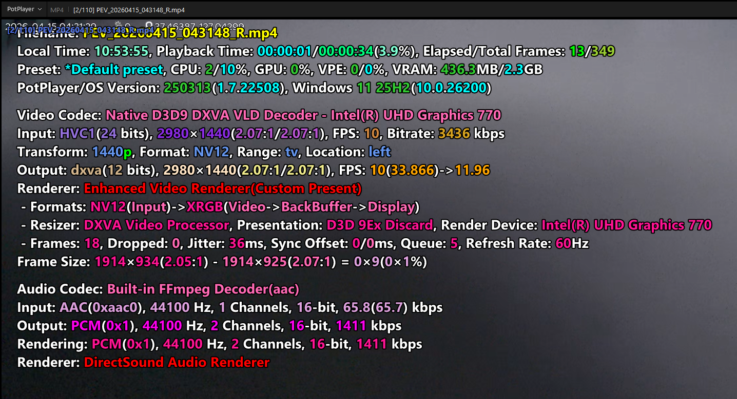 |  | JG1 P2 단계 이후 차종 현재 적용 차종 - GN7 FL - US4 KV(JAP) - DL3 PE2 |  |  | X | 주차충격 알림_지원
 |  | 2 |  | Check thumbnail file specifications for CCS while parked | 12 V | IGN | ▪ Key Off ▪ Continuous recording while parked (1 minute) ▪ Parking impact triggered ▪ After parking impact recording is complete and BLTN_CAM_PEV_Recorded = 0x2, Connect via ADB and copy the jpg file from the /mnt/data/video folder to the SD card. ▪ Remove the SD card and check the video. | ▪ Front/Rear Resolution: 640 * 480 (Updated January 24) ※ 2.5 Gen: 640 * 480 ▪ Save/Playback Frame Rate: 10 FPS ▪ 90 Kbytes or less per file (based on 20 seconds) ▪ Confirmed saving of OSD area within event video for CCS - Date / Impact Intensity / GPS |  |  |  |  |  |  | X | 주차충격 알림_지원
[BLTN_CAM-Function-023] Parking Recording End Notification
[SD Card Impact Check] BLTN_CAM_PrkOp_Termiate_Info | CCS_012 | 1 | [SD Card Impact Check] BLTN_CAM_PrkOp_Termiate_Info | Turn off the key with the SD card removed | 12 V | IGN | ▪ Parking Continuous Recording Setting On ▪ KEY OFF with SD Card Removed | ▪ Enter Sleep (Satisfies the dark current condition of 2mA or less during parking recording) : Consumes current in accordance with parking recording specifications to enable parking recording when an SD card is inserted. |  | 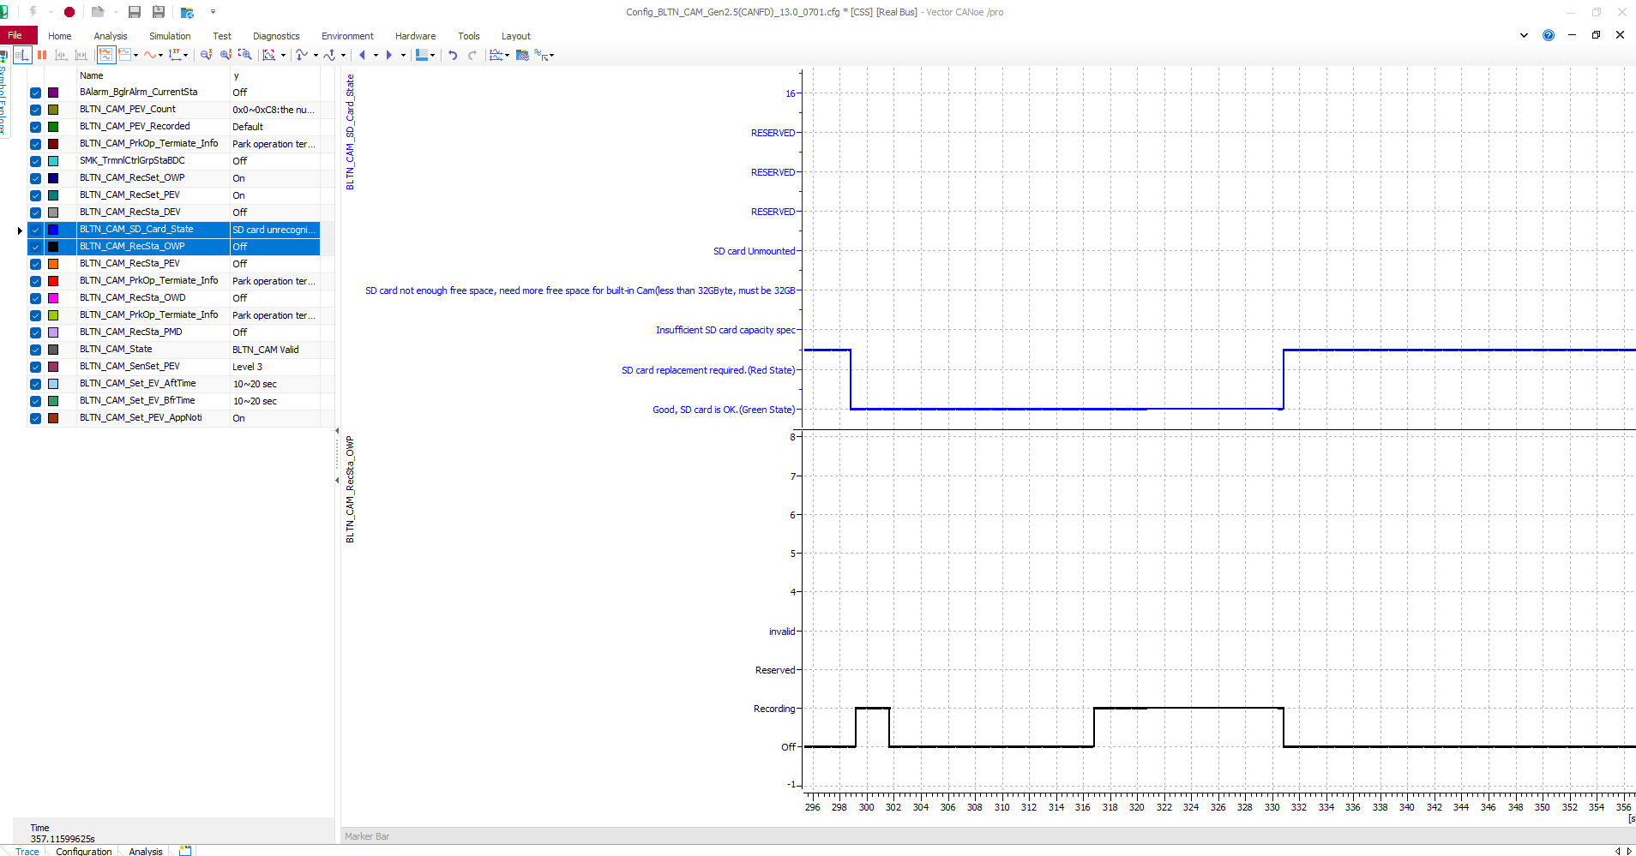 |  |  |  |  | X | 주차녹화_지원
 |  | 2 |  | Insert SD card to start parking recording | 12 V | B+ | ↑ ▪ Insert SD card | ▪ Start continuous parking recording ▪ BLTN_CAM_PrkOp_Termiate_Info = 0x5 (Park operation started) - for 30 seconds ▪ Enter Sleep (Satisfies the dark current condition of 2mA or less during parking recording) |  | 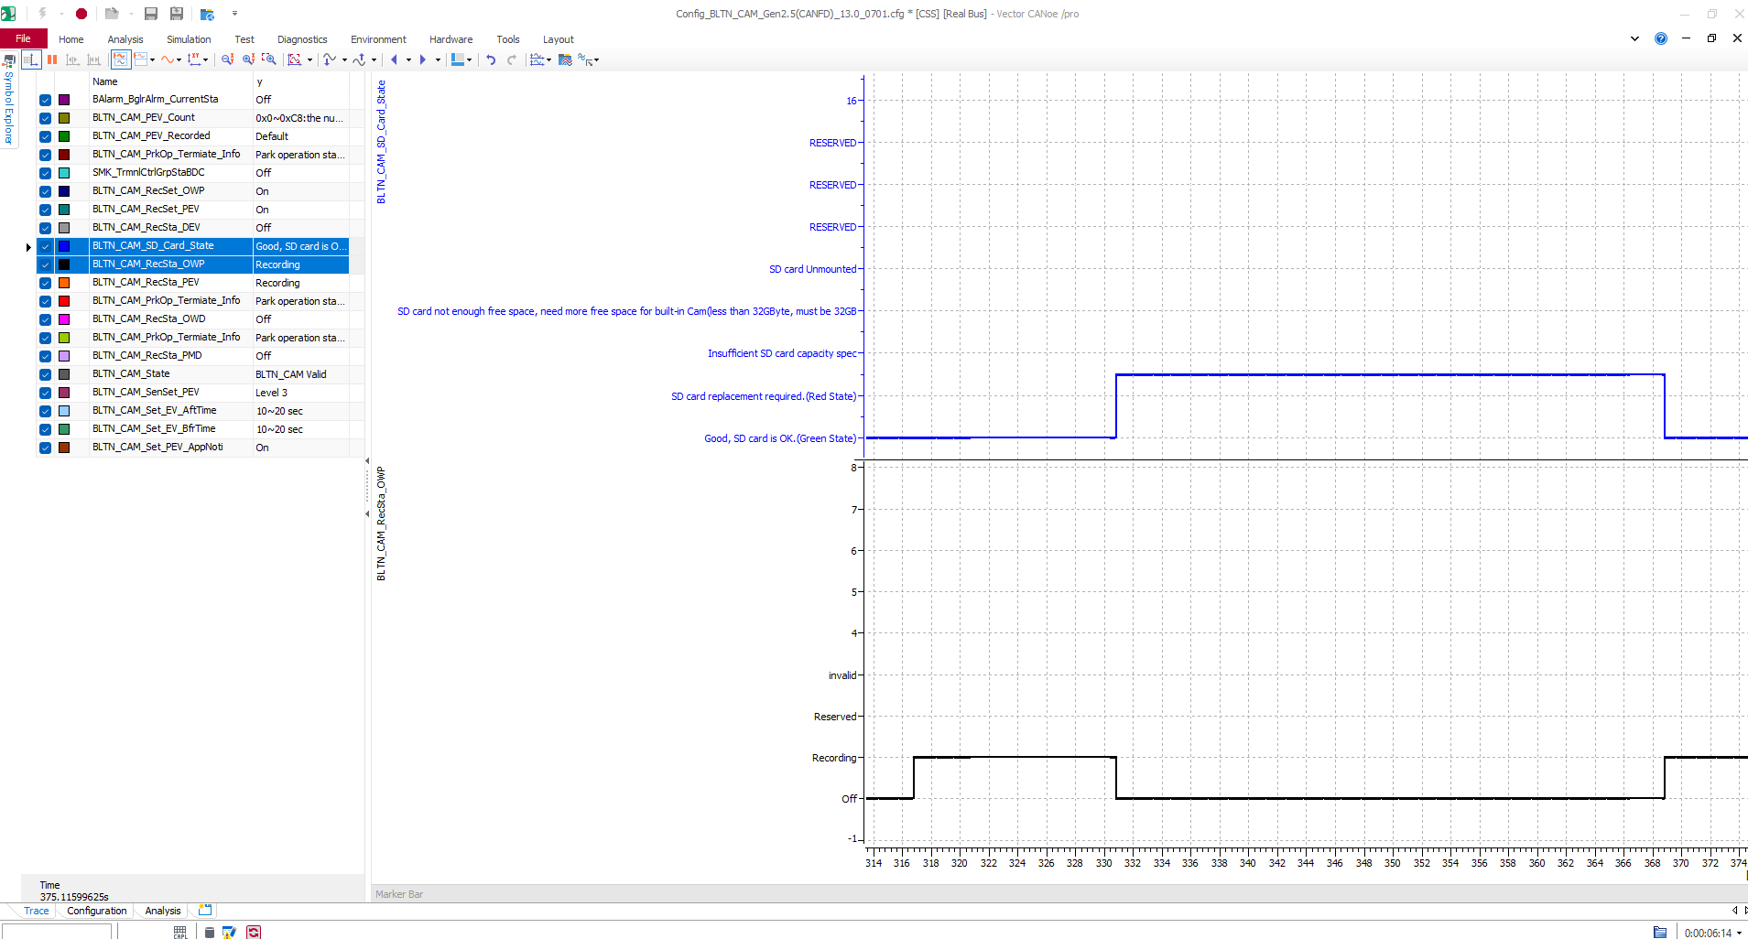 |  |  | O |  | X | 주차녹화_지원
 |  | 3 |  | SD card removal during parking recording | 12 V | B+ | ↑ ▪ Remove SD card | ▪ BLTN_CAM_PrkOp_Termiate_Info = 0x4 (Park operation terminated earlier) - for 30 seconds ▪ Enter Sleep (Satisfies the dark current condition of 2mA or less during parking recording) |  | 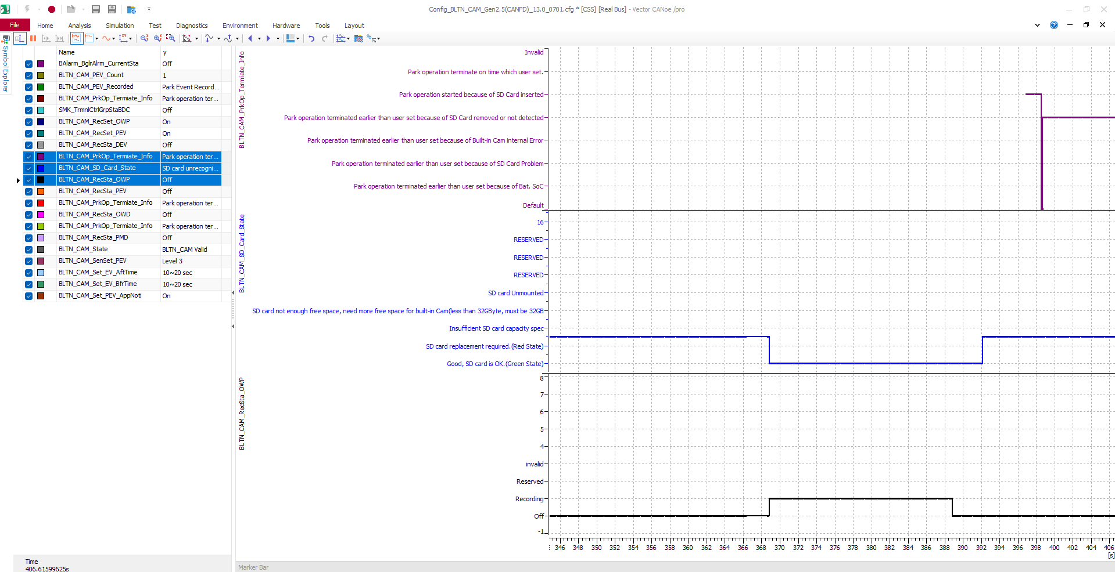 |  |  | O |  | X | 주차녹화_지원
 |  | 4 |  | Reinsert SD card during parking recording | 12 V | B+ | Up ▪ Insert SD card (repeat insertion and removal 5 times to confirm) ▪ Wait until Network Sleep is enabled with the card inserted | ▪ Start continuous parking recording upon insertion / Stop upon removal ▪ BLTN_CAM_PrkOp_Termiate_Info = 0x5 (Park operation started) - for 30 seconds = 0x4 (Park operation terminated earlier) - for 30 seconds ▪ Enter Sleep (Satisfies dark current condition of 2mA or less during parking recording) |  | 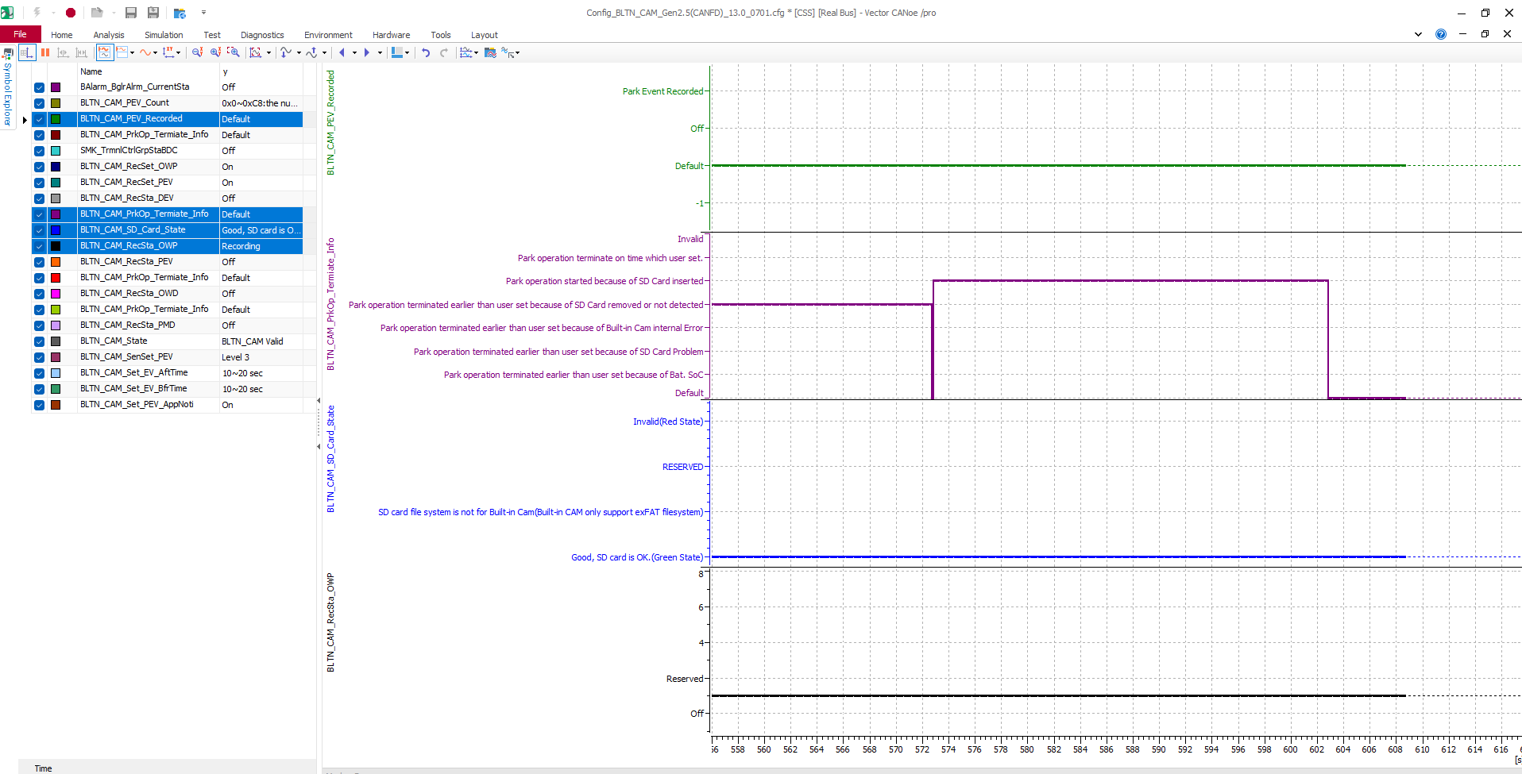 |  |  | O |  | X | 주차녹화_지원
 |  | 5 |  | Parking recording successfully completed | 12 V | IGN | ▪ Parking Continuous Recording Setting On ▪ KEY OFF | ▪ Transmit the following signal for 30 seconds at the end of recording (Network Wake up) : BLTN_CAM_PrkOp_Termiate_Info = 0x6(Park operation terminated on time) ▪ Enter Sleep (Satisfies the dark current condition of 2mA or less during parking recording) | Pass |  |  |  | O |  | O | 주차녹화_지원
 |  | 6 |  | Early termination due to SoC exhaustion during parking recording | 12 V | IGN | ▪ Parking Continuous Recording Setting On ▪ KEY OFF ▪ During Parking Recording Send [LIN] BLTN_CAM_END_Request = 0x1(BLTN_CAM_END) EV) Send ICU_BS2SoC = 0 % (When using a panel, [LIN] BLTN_CAM_END_Request = 0x1(BLTN_CAM_END) After sending, a Lin wake-up is required.) | ▪ 0x1:Park operation terminated earlier than user set because of Bat. SoC | Pass |  |  |  |  |  | O | 주차녹화_지원
 |  | 7 |  |  |  |  | ▪ Key On ▪ Check Impact Count Value While Parked | ▪ Output value corresponding to event count BLTN_CAM_HU_PE] Check BLTN_CAM_PEV_Count | Pass |  |  |  |  |  | O | 주차녹화_지원
 |  | 8 |  | Early termination due to an issue with the SD card memory | 12 V | IGN | ▪ Insert an SD card with a different format during recording | ▪ 0x2:Park operation terminated earlier than user set because of SD Card Problem |  | 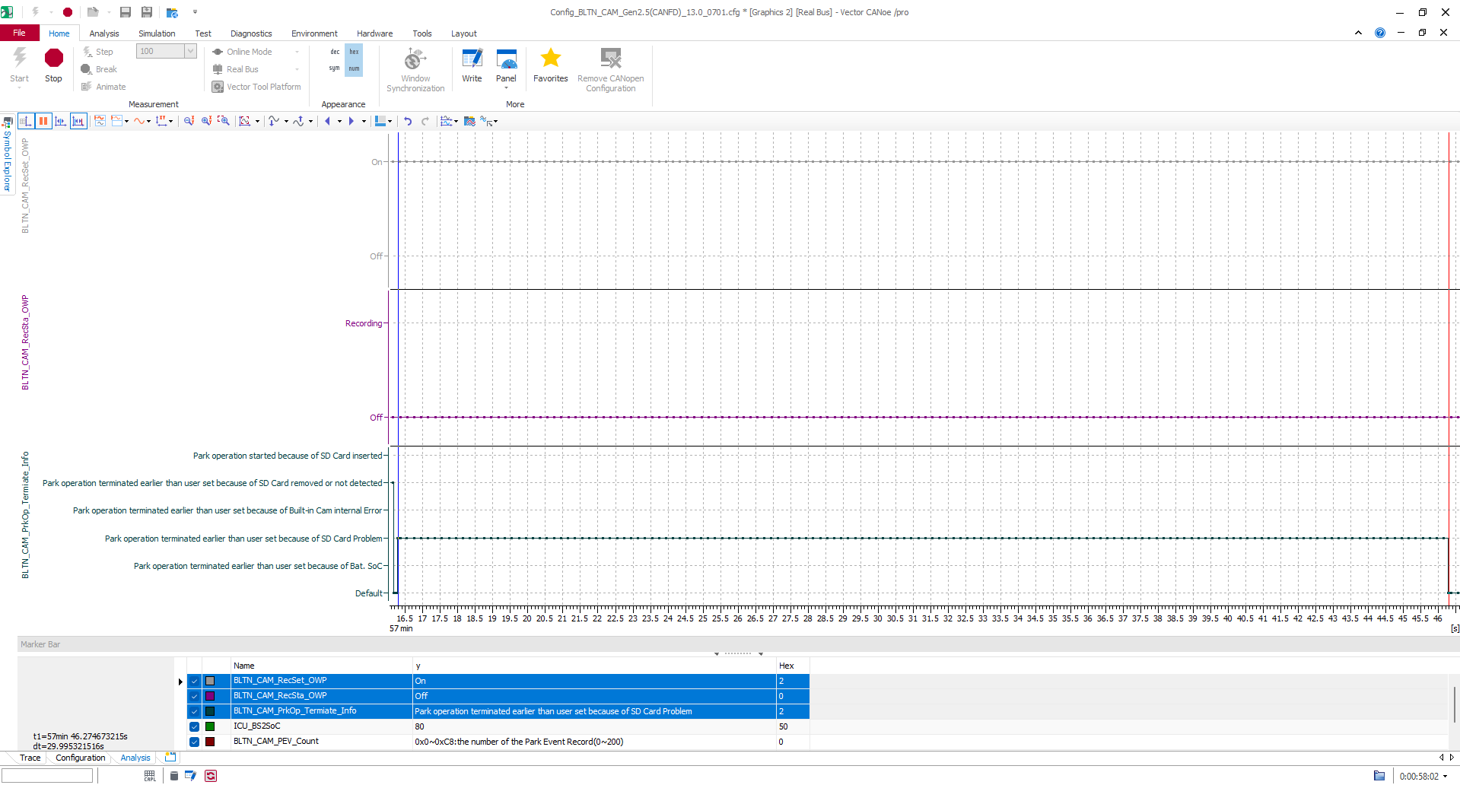 |  |  |  |  | X | 주차녹화_지원
 |  | 9 |  | Early termination due to internal built-in cam failure | 12 V | IGN | ▪ Start parking recording after turning KEY OFF ▪ Enter Sleep mode after disconnecting the LIN cable while Network Alive | ▪ 0x3:Park operation terminated earlier than user set because of Built-in Cam internal Error |  | 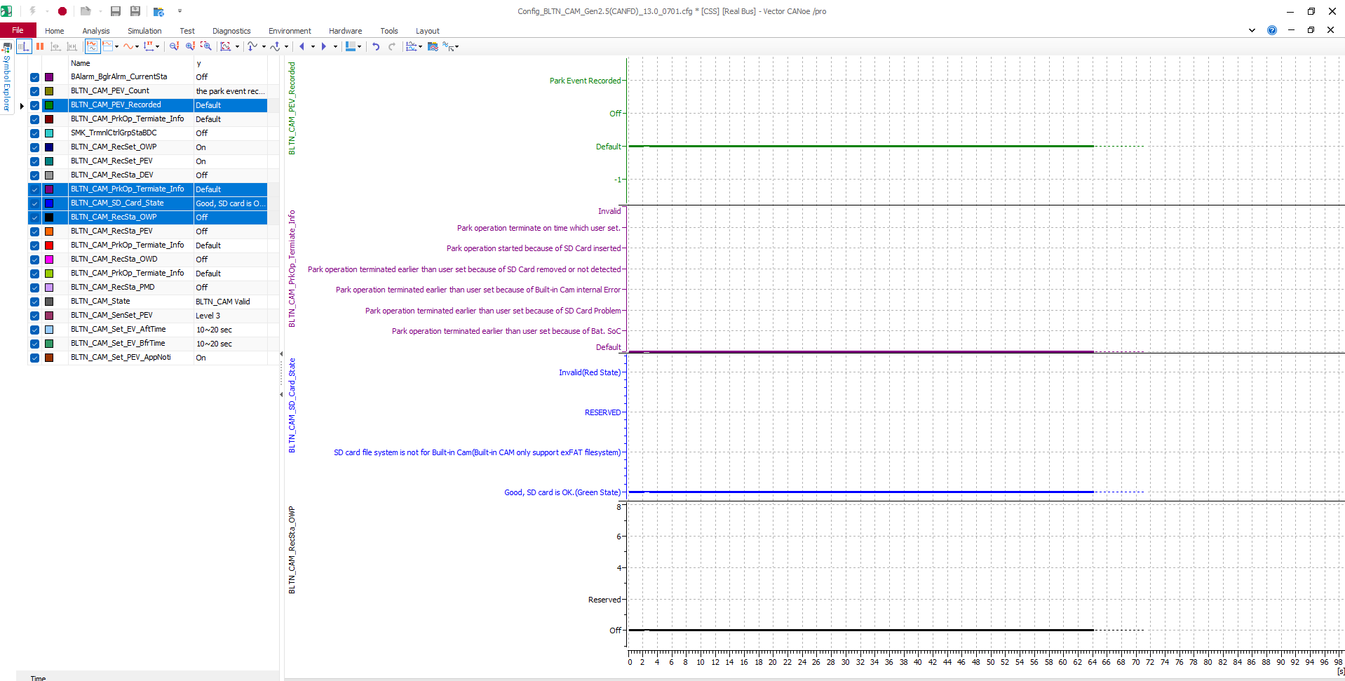 |  |  |  |  | X | 주차녹화_지원
 |  | 10 |  | Confirm motion detection termination | 12 V | IGN | ▪ Parking Motion Recording Setting On ▪ KEY OFF ▪ Start Parking Motion Recording | ▪ Transmit the following signal for 30 seconds at the end of recording (Network Wake up) : BLTN_CAM_PrkOp_Termiate_Info = 0x6(Park operation terminated on time) | Pass |  |  |  |  |  | O | 주차녹화_지원
Check CCS event notification settings by region | CCS_013 | 1 | [CCS Function - Parking Impact Detection Storage] Check BLTN_CAM_Set_PEV_AppNoti signal | CCS Function - Check Parking Impact Detection Storage Activation (Domestic/Europe/Japan) | 12 V | IGN | ▪ Built-in Cam Settings - Event Notification Settings ON | ▪ BLTN_CAM_Set_PEV_AppNoti = 0x2 (ON) | Pass |  |  |  | O |  | O | 주차충격 알림_지원
 |  | 2 |  | CCS Function - Check to Disable Parking Impact Detection Storage (Middle East/North America/Russia) | 12 V | IGN | ▪ Built-in Cam Settings - Event Notification Settings ON | ▪ BLTN_CAM_Set_PEV_AppNoti = 0x0 (Default) | Pass |  |  |  | O |  | O | 주차충격 알림_지원
Confirmation of the impact of the CAN Wake Up change at the start of parking impact | CCS_014 | 1 | [Recording Event Impacts While Parked] : Event CCS Notification 6 - Applied starting from the May SV1 update | Before Park (Always Parked) Check BLTN_CAM_PEV_Recorded signal | 12V | B+ | ▪ Parking Continuous Recording Setting On, Event Notification Setting On ▪ Set the recording time for the corresponding event on the Built-in Cam settings screen (Bfr -10s, Aft +10s) ▪ Enter Parking Continuous Recording after turning KEY OFF ▪ Impact triggered | ▪ 5 seconds after impact is applied ▪ BLTN_CAM_RecSta_PEV = 0x1 ▪ BLTN_CAM_PEV_Recorded = 0x2 ▪ BLTN_CAM_PEV_Count = 0x1 increment | Pass |  |  |  |  |  | O | 주차충격 알림_지원
 |  | 2 |  |  | 12V | B+ | ▪↑ ▪Wait for transition to BLTN_CAM_PEV_Recorded = 0x0 | ▪Time Out after 5 minutes with BLTN_CAM_PEV_Recorded = 0x0 (Single unit) ▪After video transmission is complete, BLTN_CAM_PEV_Recorded = 0x0 (Actual vehicle) | Pass |  |  |  |  |  | O | 주차충격 알림_지원
 |  | 3 |  | Next Park (Always Parked) Check BLTN_CAM_PEV_Recorded signal | 12V | B+ | ▪Enter continuous parking recording after KEY OFF ▪Confirm Sleep entry ▪Impact input | ▪ 5 seconds after impact is applied ▪ BLTN_CAM_RecSta_PEV = 0x1 ▪ BLTN_CAM_PEV_Recorded = 0x2 ▪ BLTN_CAM_PEV_Count = 0x1 increment | Pass |  |  |  |  |  | O | 주차충격 알림_지원
 |  | 4 |  |  | 12V | B+ | ▪↑ ▪Wait for transition to BLTN_CAM_PEV_Recorded = 0x0 | ▪Time Out after 5 minutes with BLTN_CAM_PEV_Recorded = 0x0 (Single unit) ▪After video transmission is complete, BLTN_CAM_PEV_Recorded = 0x0 (Actual vehicle) | Pass |  |  |  |  |  | O | 주차충격 알림_지원
 |  | 5 |  | Before Park (Parking Motion) Check BLTN_CAM_PEV_Recorded signal | 12V | B+ | ▪ Parking Motion Recording Setting On, Event Notification Setting On ▪ Set the corresponding event recording time on the Built-in Cam settings screen (Bfr -10s, Aft +10s) ▪ Enter continuous parking recording after turning KEY OFF ▪ Impact triggered | ▪ 5 seconds after impact is applied ▪ BLTN_CAM_RecSta_PEV = 0x1 ▪ BLTN_CAM_PEV_Recorded = 0x2 ▪ BLTN_CAM_PEV_Count = 0x1 increment | Pass |  |  |  |  |  | O | 주차충격 알림_지원
 |  | 6 |  |  | 12V | B+ | ▪↑ ▪Wait for transition to BLTN_CAM_PEV_Recorded = 0x0 | ▪Time Out after 5 minutes with BLTN_CAM_PEV_Recorded = 0x0 (Single unit) ▪After video transmission is complete, BLTN_CAM_PEV_Recorded = 0x0 (Actual vehicle) | Pass |  |  |  |  |  | O | 주차충격 알림_지원
 |  | 7 |  | Next Park (Parking Motion) Check BLTN_CAM_PEV_Recorded signal | 12V | B+ | ▪KEY OFF ▪Enter motion recording standby after Sleep ▪Impact applied | ▪ 5 seconds after impact is applied ▪ BLTN_CAM_RecSta_PEV = 0x1 ▪ BLTN_CAM_PEV_Recorded = 0x2 ▪ Increase BLTN_CAM_PEV_Count | Pass |  |  |  |  |  | O | 주차충격 알림_지원
 |  | 8 |  |  | 12V | B+ | ▪↑ ▪Wait for transition to BLTN_CAM_PEV_Recorded = 0x0 | ▪Time Out after 5 minutes with BLTN_CAM_PEV_Recorded = 0x0 (Single unit) ▪After video transmission is complete, BLTN_CAM_PEV_Recorded = 0x0 (Actual vehicle) | Pass |  |  |  |  |  | O | 주차충격 알림_지원
 | CCS_015 | 1 | [Recording Event Impacts While Parked] : Event CCS Notification 7 - Applied starting from the May SV1 update | Before Park (Always Parked) Check BLTN_CAM_PEV_Recorded signal | 12V | B+ | ▪ Parking Continuous Recording Setting On, Event Notification Setting On ▪ Set the recording time for the corresponding event on the Built-in Cam settings screen (Bfr -20s, Aft +20s) ▪ Enter Parking Continuous Recording after turning KEY OFF ▪ Impact triggered | ▪ 5 seconds after impact is applied ▪ BLTN_CAM_RecSta_PEV = 0x1 ▪ BLTN_CAM_PEV_Recorded = 0x2 ▪ BLTN_CAM_PEV_Count = 0x1 increment | Pass |  |  |  |  |  | O | 주차충격 알림_지원
 |  | 2 |  |  | 12V | B+ | ▪↑ ▪Wait for transition to BLTN_CAM_PEV_Recorded = 0x0 | ▪Time Out after 5 minutes with BLTN_CAM_PEV_Recorded = 0x0 (Single unit) ▪After video transmission is complete, BLTN_CAM_PEV_Recorded = 0x0 (Actual vehicle) | Pass |  |  |  |  |  | O | 주차충격 알림_지원
 |  | 3 |  | Next Park (Always Parked) Check BLTN_CAM_PEV_Recorded signal | 12V | B+ | ▪Enter continuous parking recording after KEY OFF ▪Confirm Sleep entry ▪Impact input | ▪ 5 seconds after impact is applied ▪ BLTN_CAM_RecSta_PEV = 0x1 ▪ BLTN_CAM_PEV_Recorded = 0x2 ▪ BLTN_CAM_PEV_Count = 0x1 increment | Pass |  |  |  |  |  | O | 주차충격 알림_지원
 |  | 4 |  |  | 12V | B+ | ▪↑ ▪Wait for transition to BLTN_CAM_PEV_Recorded = 0x0 | ▪Time Out after 5 minutes with BLTN_CAM_PEV_Recorded = 0x0 (Single unit) ▪After video transmission is complete, BLTN_CAM_PEV_Recorded = 0x0 (Actual vehicle) | Pass |  |  |  |  |  | O | 주차충격 알림_지원
 |  | 5 |  | Before Park (Parking Motion) Check BLTN_CAM_PEV_Recorded signal | 12V | B+ | ▪ Parking Motion Recording Setting On, Event Notification Setting On ▪ Set the corresponding event recording time on the Built-in Cam settings screen (Bfr -20s, Aft +20s) ▪ Enter continuous parking recording after turning KEY OFF ▪ Impact triggered | ▪ 5 seconds after impact is applied ▪ BLTN_CAM_RecSta_PEV = 0x1 ▪ BLTN_CAM_PEV_Recorded = 0x2 ▪ BLTN_CAM_PEV_Count = 0x1 increment | Pass |  |  |  |  |  | O | 주차충격 알림_지원
 |  | 6 |  |  | 12V | B+ | ▪↑ ▪Wait for transition to BLTN_CAM_PEV_Recorded = 0x0 | ▪Time Out after 5 minutes with BLTN_CAM_PEV_Recorded = 0x0 (Single unit) ▪After video transmission is complete, BLTN_CAM_PEV_Recorded = 0x0 (Actual vehicle) | Pass |  |  |  |  |  | O | 주차충격 알림_지원
 |  | 7 |  | Next Park (Parking Motion) Check BLTN_CAM_PEV_Recorded signal | 12V | B+ | ▪KEY OFF ▪Enter motion recording standby after Sleep ▪Impact applied | ▪ 5 seconds after impact is applied ▪ BLTN_CAM_RecSta_PEV = 0x1 ▪ BLTN_CAM_PEV_Recorded = 0x2 ▪ Increase BLTN_CAM_PEV_Count | Pass |  |  |  |  |  | O | 주차충격 알림_지원
 |  | 8 |  |  | 12V | B+ | ▪↑ ▪Wait for transition to BLTN_CAM_PEV_Recorded = 0x0 | ▪Time Out after 5 minutes with BLTN_CAM_PEV_Recorded = 0x0 (Single unit) ▪After video transmission is complete, BLTN_CAM_PEV_Recorded = 0x0 (Actual vehicle) | Pass |  |  |  |  |  | O | 주차충격 알림_지원
 | CCS_016 | 1 | [Parking Event Impact Recording] : Event CCS Notification 8 - Confirmation of impact alarm based on Burgler signal - Applied starting from the May SV1 update | Balarm_BglrAlrmCurrentSta = 0x1(Disarm) | 12V | B+ | ▪Parking Continuous Recording Setting On, Event Notification Setting On ▪KEY OFF ▪Enter Parking Recording Mode ▪Balarm_BglrAlrmCurrentSta = 0x1(Disarm) ▪Enable Impact Event | ▪BLTN_CAM_RecSta_PEV = 0x1 ▪BLTN_CAM_PEV_Recorded = 0x0 (No parking event notifications sent) | Pass |  |  |  |  |  | O | 주차충격 알림_지원
 |  | 2 |  | Balarm_BglrAlrmCurrentSta = 0x2(Arm) | 12V | B+ | ▪ ↑ ▪Balarm_BglrAlrmCurrentSta = 0x2(Arm) ▪Impose shock event | ▪BLTN_CAM_RecSta_PEV = 0x1 ▪BLTN_CAM_PEV_Recorded = 0x2(Weekly event notification sent O) | Pass |  |  |  |  |  | O | 주차충격 알림_지원
 |  | 3 |  | Balarm_BglrAlrmCurrentSta = 0x3(Prearm) | 12V | B+ | ▪ ↑ ▪Balarm_BglrAlrmCurrentSta = 0x3(Prearm) ▪Enable shock event | ▪BLTN_CAM_RecSta_PEV = 0x1 ▪BLTN_CAM_PEV_Recorded = 0x0 (No parking event notifications sent) | Pass |  |  |  |  |  | O | 주차충격 알림_지원
 |  | 4 |  | Balarm_BglrAlrmCurrentSta = 0x4(Armwait) | 12V | B+ | ▪ ↑ ▪Balarm_BglrAlrmCurrentSta = 0x4(Armwait) ▪Impose shock event | ▪BLTN_CAM_RecSta_PEV = 0x1 ▪BLTN_CAM_PEV_Recorded = 0x0 (No parking event notifications sent) | Pass |  |  |  |  |  | O | 주차충격 알림_지원
 |  | 5 |  | Balarm_BglrAlrmCurrentSta = 0x5(Armhold) | 12V | B+ | ▪ ↑ ▪Balarm_BglrAlrmCurrentSta = 0x4(Armhold) ▪Impose shock event | ▪BLTN_CAM_RecSta_PEV = 0x1 ▪BLTN_CAM_PEV_Recorded = 0x0 (No parking event notifications sent) | Pass |  |  |  |  |  | O | 주차충격 알림_지원
 |  | 6 |  | Balarm_BglrAlrmCurrentSta = 0x6(Rearm) | 12V | B+ | ▪ ↑ ▪Balarm_BglrAlrmCurrentSta = 0x6(Rearm) ▪Impose shock event | ▪BLTN_CAM_RecSta_PEV = 0x1 ▪BLTN_CAM_PEV_Recorded = 0x2(Weekly event notification sent O) | Pass |  |  |  |  |  | O | 주차충격 알림_지원
 |  | 7 |  | Balarm_BglrAlrmCurrentSta = 0x7(AutoLockTimer1) | 12V | B+ | ▪ ↑ ▪Balarm_BglrAlrmCurrentSta = 0x7(AutoLockTimer1) ▪Enable shock event | ▪BLTN_CAM_RecSta_PEV = 0x1 ▪BLTN_CAM_PEV_Recorded = 0x0 (No parking event notifications sent) | Pass |  |  |  |  |  | O | 주차충격 알림_지원
 |  | 8 |  | Balarm_BglrAlrmCurrentSta = 0x8(AutoLockTimer2) | 12V | B+ | ▪ ↑ ▪Balarm_BglrAlrmCurrentSta = 0x8(AutoLockTimer2) ▪Enable shock event | ▪BLTN_CAM_RecSta_PEV = 0x1 ▪BLTN_CAM_PEV_Recorded = 0x0 (No parking event notifications sent) | Pass |  |  |  |  |  | O | 주차충격 알림_지원
 |  | 9 |  | Balarm_BglrAlrmCurrentSta = 0x9(Alarm) | 12V | B+ | ▪↑ ▪Balarm_BglrAlrmCurrentSta = 0x9(Alarm) | ▪BLTN_CAM_RecSta_PEV = 0x1 ▪BLTN_CAM_PEV_Recorded = 0x2(Weekly event notification sent O) | Pass |  |  |  |  |  | O | 주차충격 알림_지원
 |  | 10 |  |  | 12V | B+ |  | ▪↑ ▪After 5 minutes BLTN_CAM_PEV_Recorded = 0x0 (Single unit) ▪Impact notification and video transmitted to mobile phone (Actual vehicle) | Pass |  |  |  |  |  | O | 주차충격 알림_지원
 |  | 11 |  |  | 12V | B+ | ▪↑ ▪BLTN_CAM_PEV_Recorded = 0x2 Maintain state ▪KEY ON | ▪BLTN_CAM_PEV_Recorded = 0x0 | Pass |  |  |  |  |  | O | 주차충격 알림_지원
 |  | 12 |  | Balarm_BglrAlrmCurrentSta = 0xB(AutoLockTimer3) | 12V | B+ | ▪ ↑ ▪Balarm_BglrAlrmCurrentSta = 0x8(AutoLockTimer3) ▪Enable shock event | ▪BLTN_CAM_RecSta_PEV = 0x1 ▪BLTN_CAM_PEV_Recorded = 0x0 (No parking event notifications sent) | Pass |  |  |  |  |  | O | 주차충격 알림_지원
 | CCS_017 | 1 | [Parking Event Impact Recording] : Event CCS Notification 9 - Impact of Impact Recording During Burgler Signal Change - Applied starting from the May SV1 update | Balarm_BglrAlrmCurrentSta = Armwait -> Arm | 12V | B+ | ▪Parking Continuous Recording Setting On, Event Notification Setting On ▪KEY OFF ▪Enter Parking Recording Mode ▪Balarm_BglrAlrmCurrentSta = 0x4(Armwait) ▪Enable Impact Event ▪Confirm BLTN_CAM_RecSta_PEV = 0x1 ▪Enable Balarm_BglrAlrmCurrentSta = 0x2(Arm) within 2 seconds | ▪BLTN_CAM_RecSta_PEV = 0x1 ▪BLTN_CAM_PEV_Recorded = 0x2(Weekly event notification sent O) | Pass |  |  |  |  |  | O | 주차충격 알림_지원
 |  | 2 |  |  | 12V | B+ | ▪↑ ▪Subsequently, is it a shock, or is it 4 or more times in a row? | ▪ The BLTN_CAM_Resta_PEV signal must terminate normally after each impact ▪ Parking recording must not stop ▪ Verify that all parking impact event videos are generated successfully | Pass |  |  |  |  |  | O | 주차충격 알림_지원
 |  | 3 |  | Balarm_BglrAlrmCurrentSta = Arm -> Disarm | 12V | B+ | ▪Balarm_BglrAlrmCurrentSta = 0x2(Arm) ▪Enable impact event ▪Check BLTN_CAM_RecSta_PEV = 0x1 ▪Enable Balarm_BglrAlrmCurrentSta = 0x1(Disarm) within 2 seconds | ▪BLTN_CAM_RecSta_PEV = 0x1 ▪BLTN_CAM_PEV_Recorded = 0x2(Weekly event notification sent O) | Pass |  |  |  |  |  | O | 주차충격 알림_지원
 |  | 4 |  |  | 12V | B+ | ▪↑ ▪Subsequently, is it a shock, or is it 4 or more times in a row? | ▪ The BLTN_CAM_Resta_PEV signal must terminate normally after each impact ▪ Parking recording must not be interrupted ▪ Verify that all parking impact event videos are generated successfully | Pass |  |  |  |  |  | O | 주차충격 알림_지원
 |  | 5 |  | Balarm_BglrAlrmCurrentSta = Arm -> Impact -> Alarm | 12V | B+ | ▪Balarm_BglrAlrmCurrentSta = 0x2(Arm) ▪Enable shock event ▪Check BLTN_CAM_RecSta_PEV = 0x1 ▪Enable Balarm_BglrAlrmCurrentSta = 0x9(Alarm) after 5 minutes | ▪BLTN_CAM_RecSta_PEV = 0x1 ▪BLTN_CAM_PEV_Recorded = 0x2(Weekly event notification sent O) | Pass |  |  |  |  |  | O | 주차충격 알림_지원
 |  | 6 |  |  | 12V | B+ | ▪ After Burgler alarm triggered: Balarm_BglrAlrmCurrentSta = 0x1(Disarm) ▪ Balarm_BglrAlrmCurrentSta = 0x4(Armwait) ▪ After 30 seconds: Balarm_BglrAlrmCurrentSta = 0x2(Arm) ▪ Impact applied | ▪BLTN_CAM_RecSta_PEV = 0x1 ▪BLTN_CAM_PEV_Recorded = 0x2(Weekly event notification sent O) | Pass |  |  |  |  |  | O | 주차충격 알림_지원
Check the impact of changing the impact notification to the parking impact start time. | CCS_018 | 1 | Check Shock Alert Conditions - Reflected from May SV1 Regularization onwards | Confirm impact notification when starting parking impact recording | 12V | B+ | ▪Parking Continuous Recording Setting On, Event Notification Setting On ▪Enter Parking Continuous Recording after KEY OFF - Before Park ▪Impact Detected | (Actual Vehicle) ▪Point where BLTN_CAM_RecSta_PEV changes to 0x1 : Whether to send impact notification to mobile phone | Pass |  |  |  |  |  | O | 주차충격 알림_지원
 |  | 2 |  | When shock detection occurs continuously during CCS transmission | 12V | B+ | ▪Enter continuous parking recording after turning KEY OFF ▪Confirm entry into Sleep mode ▪Apply impact ▪Apply impact again 20 seconds after impact recording starts (at the point after the previous impact recording ended) | ▪ Maintain BLTN_CAM_PEV_Recorded = 0x2 ▪ Maintain 0x0 for 1 second after transmission is complete ▪ Then transition to BLTN_CAM_PEV_Recorded = 0x2 : Send second impact notification at that point | Pass |  |  |  |  |  | O | 주차충격 알림_지원
 |  | 3 |  | KEY ON while transmitting impact video | 12V | B+ | ▪Parking Continuous Recording Setting On, Event Notification Setting On ▪Enter Parking Continuous Recording after KEY OFF - Before Park ▪Impact detected ▪Turn KEY ON after approximately 1 minute | (Actual Vehicle) ▪ Successful transmission of the relevant impact recording video |  |  |  |  |  |  | X | 주차충격 알림_지원
 |  | 4 |  |  | 12V | B+ | ▪Enter continuous parking recording after turning KEY OFF ▪Confirm Sleep mode entry - Next Park ▪Impact detected ▪Turn KEY ON after approximately 1 minute | (Actual Vehicle) ▪ Successful transmission of the relevant impact recording video |  |  |  |  |  |  | X | 주차충격 알림_지원
 |  | 5 |  | KEY ON during continuous transmission of impact video | 12V | B+ | ▪Parking Continuous Recording Setting On, Event Notification Setting On ▪Enter Parking Continuous Recording after KEY OFF - Before Park ▪Impact triggered ▪Check BLTN_CAM_PEV_Recorded = 0x2 ▪Trigger impact again 20 seconds after impact recording starts : Point in time after previous impact recording ended ▪Turn KEY ON after BLTN_CAM_RecSta_PEV = 0x1 | (Actual Vehicle) ▪ Transmits only impact footage up to the point of KEY ON : Before transmitting BLTN_CAM_PEV_Recorded = 0x2(Park Event Recorded) When KEY ON, only the footage currently being transmitted is sent, and subsequent footage is not transmitted |  |  |  |  |  |  | X | 주차충격 알림_지원
 |  | 6 |  |  | 12V | B+ | ▪Parking Continuous Recording Setting On, Event Notification Setting On ▪Enter Parking Continuous Recording after KEY OFF ▪Confirm Sleep Entry ▪Apply Impact ▪Confirm BLTN_CAM_PEV_Recorded = 0x2 ▪Apply Impact Again 20 seconds after Impact Recording Starts : Point in time after previous impact recording ended ▪Enter KEY ON after BLTN_CAM_RecSta_PEV = 0x1 | (Actual Vehicle) ▪Confirmed transmission of impact footage up to the point of KEY ON : Before transmitting BLTN_CAM_PEV_Recorded = 0x2(Park Event Recorded) Upon KEY ON, only the footage currently being transmitted is sent, and subsequent footage is not transmitted. |  |  |  |  |  |  | X | 주차충격 알림_지원
Verification of the impact of changes in the timing at which information in recording files for CCS transmission is populated | CCS_019 | 1 | Confirmation of CCU Impact - Reflected starting from SV1 regularization in May | Check file information at the time parking recording is completed | 12V | B+ | ▪Parking Continuous Recording Setting On, Event Notification Setting On ▪Enter Parking Continuous Recording after KEY OFF ▪Confirm Sleep Entry ▪Impact Detected ▪Confirm Impact Video Transmission | (Actual Vehicle) After CCS operation is complete, verify consistency of front/rear file names, sizes, etc. in the files ▪ Verify front/rear video dates (corresponding date and time) ▪ Verify front/rear video sizes (1.5 Mbyte or less) |  |  |  |  |  |  | X | 주차충격 알림_지원
 |  | 2 |  | Check file information at the time of parking recording completion (continuous) | 13V | B+ | ▪↑ ▪ Re-apply shock 1 minute after the initial shock ▪ After transmission is complete, maintain BLTN_CAM_PEV_Recorded = 0x0 for 1 second ▪ Then transition back to BLTN_CAM_PEV_Recorded = 0x2 ▪ Repeat this process 4 times (total 5 shocks) | (Actual Vehicle) After CCS operation is complete, verify consistency of front and rear file names, sizes, etc. in the files ▪ Verify the date of each front and rear video (corresponding date and time) ▪ Verify the size of each front and rear video (1.6 Mbyte or less) |  |  |  |  |  |  | X | 주차충격 알림_지원
Verification of the impact of disabling notification signals in the event of parking impact recording failure after wake-up | CCS_020 | 1 | Check Recording Failure Conditions - Applied starting from the May SV1 update | Apply impact after removing the SD card following entry into parking recording | 12V | B+ | ▪Parking Continuous Recording Setting On, Event Notification Setting On ▪Enter Parking Continuous Recording after KEY OFF - Before Park ▪Remove SD card within 2 seconds ▪Impact applied | (Actual Vehicle) ▪ No impact notification sent ▪ Enters Sleep (Satisfies dark current condition of 2mA or less during parking recording) |  |  |  |  |  |  | X | 주차충격 알림_지원
 |  | 2 |  |  | 12V | B+ | ▪Parking Continuous Recording Setting On, Event Notification Setting On ▪KEY OFF ▪Enter Sleep mode, then enter Parking Continuous Recording ▪Remove SD card within 2 seconds ▪Apply impact | (Actual Vehicle) ▪ No impact notification sent ▪ Enters Sleep (Satisfies dark current condition of 2mA or less during parking recording) |  |  |  |  |  |  | X | 주차충격 알림_지원
 |  | 3 |  | When removing the SD card after CAN Wake Up | 12V | B+ | ▪Parking Continuous Recording Setting On, Event Notification Setting On ▪KEY OFF ▪Enter Parking Continuous Recording after Sleep ▪Impact Received ▪SD Card Removed 15 seconds after CAN Wake Up : SOME/IP Communication Timing After CCU Boot | (Actual Vehicle) ▪ Video will not be transmitted (Text notifications may be sent depending on the timing) ▪ Enter Sleep mode (Satisfies the dark current condition of 2mA or less during parking recording) |  |  |  |  |  |  | X | 주차충격 알림_지원
 |  | 4 |  |  | 12V | B+ | ▪↑ ▪Reinsert SD card | (Actual Vehicle) ▪ Resume Parking Recording ▪ Enter Sleep (Satisfies dark current condition of 2mA or less during parking recording) |  |  |  |  |  |  | X | 주차충격 알림_지원
 |  | 5 |  |  | 12V | B+ | ▪↑ ▪Impact after entering Sleep | ▪BLTN_CAM_PEV_Recorded = 0x2 ▪Confirmation of successful impact video transmission |  | 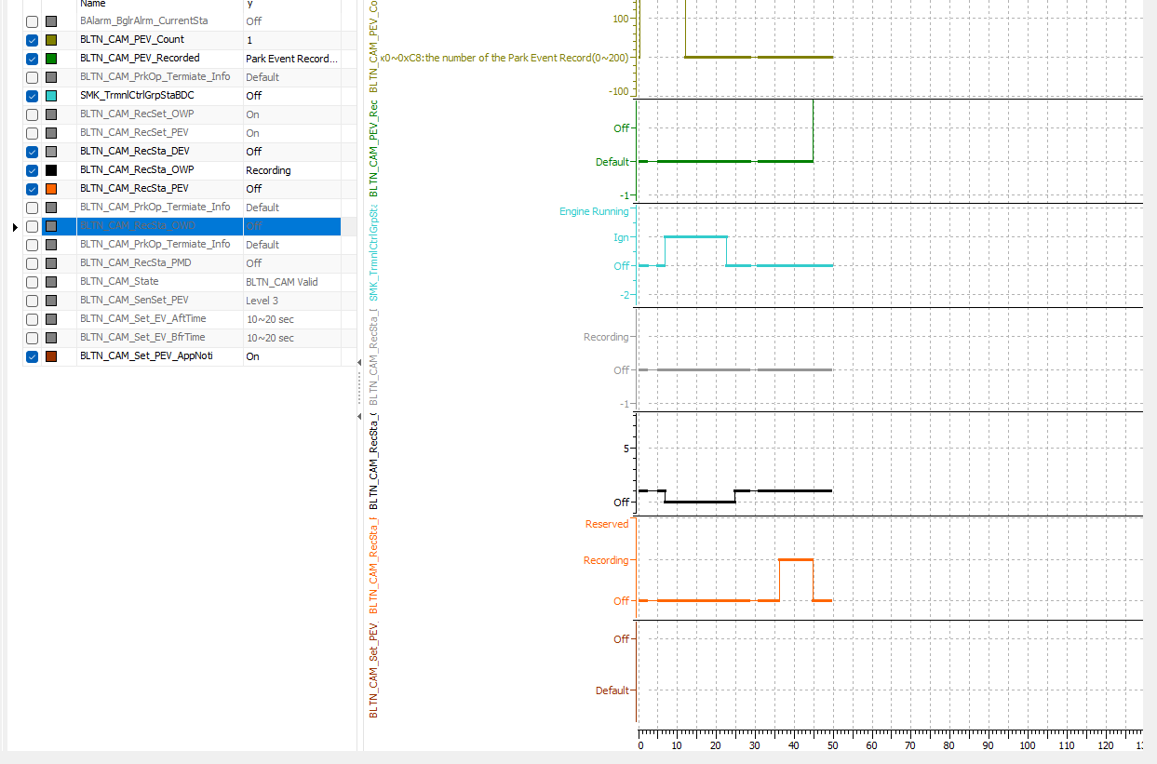 |  |  |  |  | X | 주차충격 알림_지원
 |  | 6 |  |  | 12V | B+ |  | ▪ Enters Sleep after transmitting impact video (satisfies dark current condition of 2mA or less during parking recording) |  | 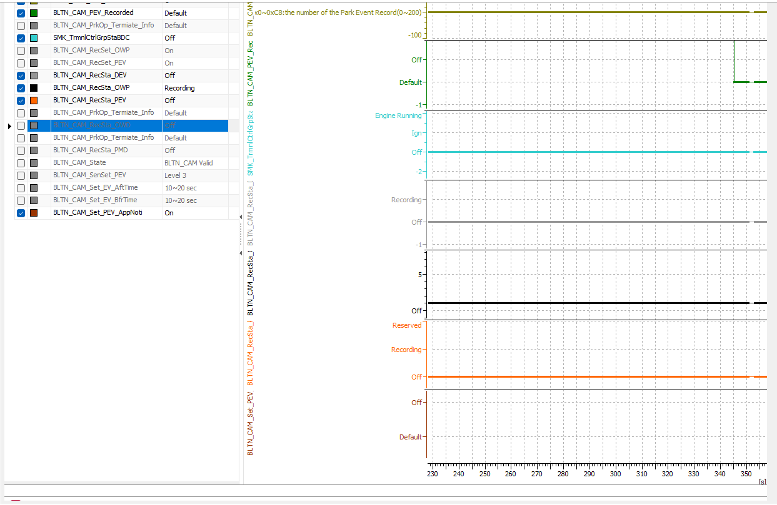 |  |  |  |  | X | 주차충격 알림_지원
 |  | 7 |  | Turn the key on within 2 seconds of starting impact recording | 12V | B+ | ▪Parking Continuous Recording Setting On, Event Notification Setting On ▪Enter Parking Continuous Recording after KEY OFF - Before Park ▪Continuous impact detected from the moment parking recording enters ▪KEY ON within 2 seconds | ▪BLTN_CAM_Recsta_PEV = 0x1 ▪BLTN_CAM_PEV_Recorded = 0x0 | Pass | 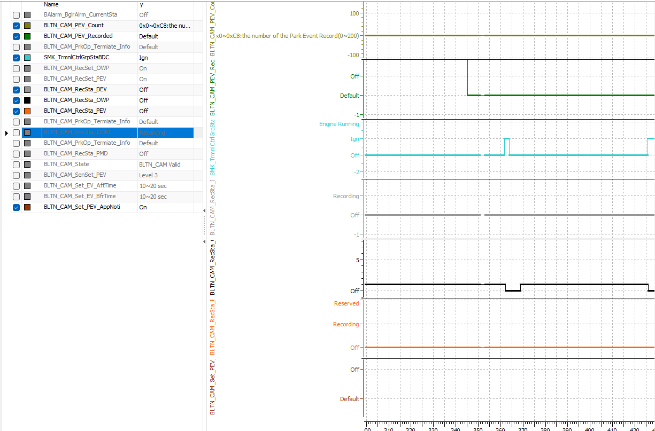 |  |  |  |  | O | 주차충격 알림_지원
 |  | 8 |  |  | 12V | B+ | ▪↑ ▪ Enter Built-in Cam Mode after KEY ON ▪ Confirm creation of video files for continuous recording while parked and events while parked | ▪ Create continuous recording files while parked ▪ Create event recording files while parked |  |  |  |  |  |  | X | 주차충격 알림_지원
 |  | 9 |  | [Evil Conditions] Quickly turn the key ON/OFF 20 times, then turn it OFF | 12V | B+ | ▪ Quickly repeat KEY RESET 20 times (in 1-second intervals) then OFF (Quickly press the actual vehicle engine start button) ▪ Apply shock | ▪Parking Recording Entered Normally ▪BLTN_CAM_Recsta_PEV = 0x1 ▪BLTN_CAM_PEV_Recorded = 0x2 | Pass |  |  |  |  |  | O | 주차충격 알림_지원
 |  | 10 |  |  | 12V | B+ | ▪↑ ▪ Enter Built-in Cam Mode after KEY ON ▪ Confirm creation of video files for continuous recording while parked and events while parked | ▪ Confirmed that only 1 continuous parking recording file and 1 parking impact event were generated. |  | 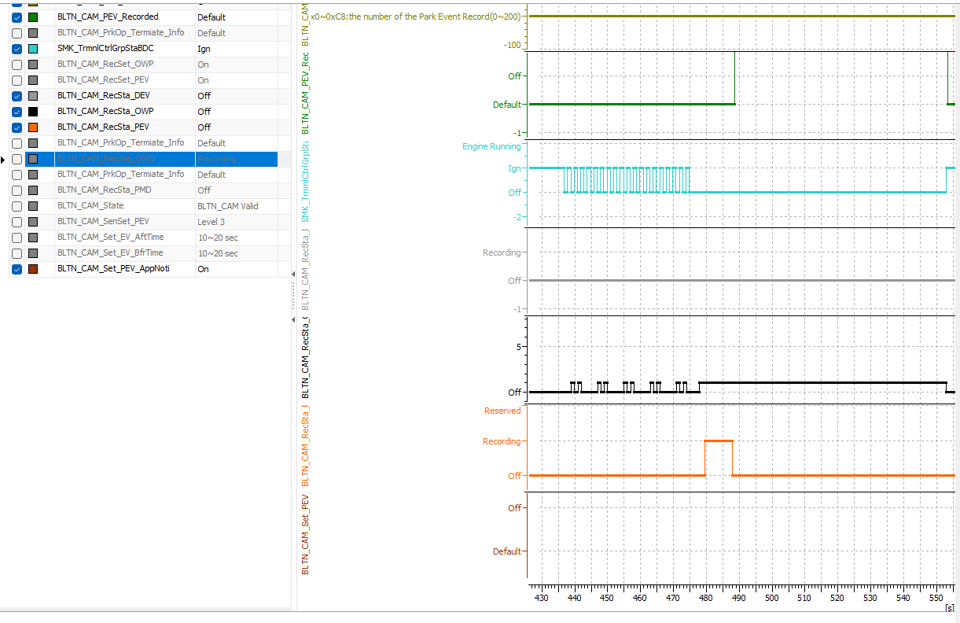 |  |  |  |  | X | 주차충격 알림_지원
 |  | 11 |  | When downloading a link while waking up | 12V | B+ | ▪Parking Continuous Recording Setting On, Event Notification Setting On ▪Enter Parking Continuous Recording after KEY OFF ▪Confirm Sleep Entry ▪Impact Detected ▪CAN Wake Up ▪Eth Link Down | (Actual Vehicle) ▪Confirmation of video transmission failure |  |  |  |  |  |  | X | 주차충격 알림_지원
 |  | 12 |  | Internal failure | 12V | B+ | ▪Parking Continuous Recording Setting On, Event Notification Setting On ▪Enter Parking Continuous Recording after KEY OFF ▪Confirm Sleep Entry ▪Impact Received ▪CAN Wake Up ▪Built-in Cam Internal Malfunction ※ Requires verification of how to trigger the internal malfunction error | ▪Verification of video transmission failure ▪Continuous recording file not generated while parked ▪Event recording file not generated while parked |  |  |  |  |  |  | X | 주차충격 알림_지원
 |  | 13 |  | Insert non-genuine SD card | 12V | B+ | ▪Parking Continuous Recording Setting On, Event Notification Setting On ▪Enter Parking Continuous Recording after KEY OFF ▪Impact Detected | ▪ Within 5 seconds of impact application ▪ BLTN_CAM_RecSta_PEV = 0x1 ▪ BLTN_CAM_PEV_Recorded = 0x2 ▪ BLTN_CAM_PEV_Count = Increase by 0x1 |  | 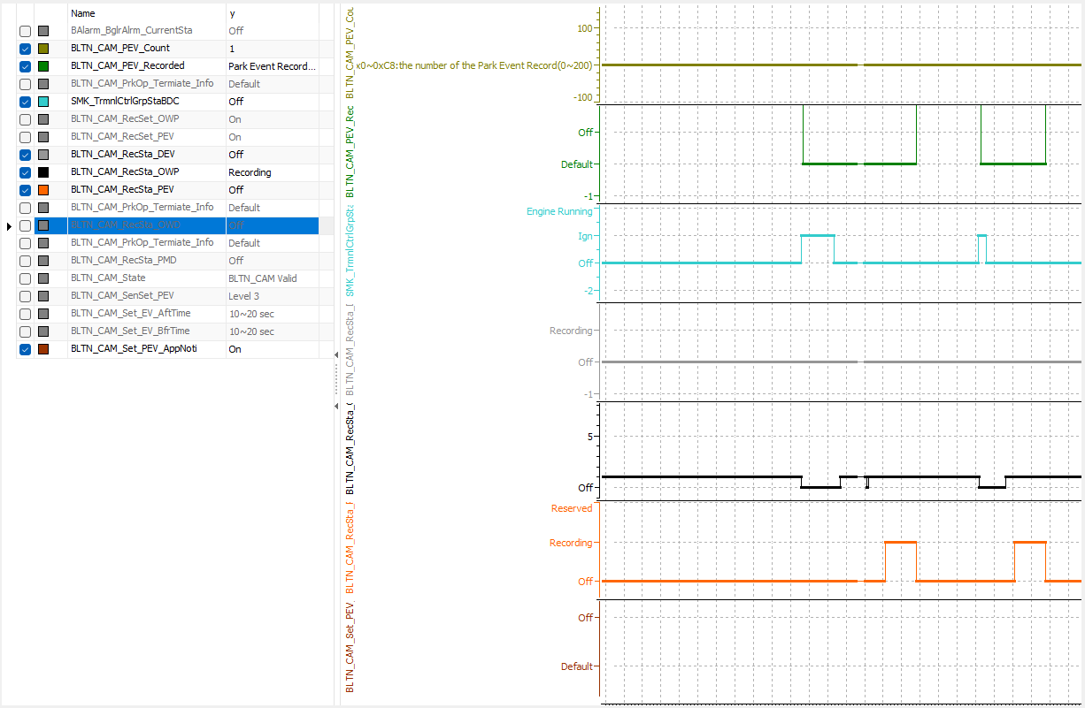 |  |  |  |  | X | 주차충격 알림_지원
 |  | 14 |  |  | 12V | B+ | ▪↑ ▪Wait for transition to BLTN_CAM_PEV_Recorded = 0x0 | ▪Time Out after 5 minutes with BLTN_CAM_PEV_Recorded = 0x0 (Single unit) ▪BLTN_CAM_PEV_Recorded = 0x0 after video transmission is complete (Actual vehicle) |  |  |  |  |  |  | X | 주차충격 알림_지원
 |  | 15 |  | Change in voltage conditions | 12V | B+ | ▪ Start Parking Recording, Enter Network Sleep ▪ Auxiliary Battery Power Input: 12V → 6V (eAGM specification uses B+ voltage) (Condition: High voltage interruption during parking recording is impossible) ▪ Impact applied | ▪ Stop parking recording (6.5V or lower) ▪ Do not perform impact recording | Pass |  |  |  |  |  | O | 주차충격 알림_지원
 |  | 16 |  |  | 12V | B+ | ▪ Start parking recording, enter network sleep ▪ Impact applied ▪ Verify CAN Wake Up and BLTN_CAM_PEV_Recorded = 0x2 ▪ Auxiliary battery power input: 12V → 6V (eAGM specification uses B+ voltage) (Condition: High voltage interruption during parking recording cannot occur) | ▪ Stop parking recording (6.5V or lower) ▪ Confirm video transmission interruption (actual vehicle) | Pass |  |  |  |  |  | O | 주차충격 알림_지원
 |  | 17 |  | When a shock is detected while entering Sleep | 12V | B+ | ▪Parking Continuous Recording Setting On, Event Notification Setting On ▪Entering Parking Continuous Recording after KEY OFF ▪Timing of entering Sleep mode (the moment Event Ind is briefly OFF) ▪Impact detected | ▪Do not perform impact recording ▪BLTN_CAM_Recsta_PEV = 0x0 ▪BLTN_CAM_PEV_Recorded = 0x0 | Pass |  |  |  |  |  | O | 주차충격 알림_지원
Confirmation of impact when shock is applied during OTA | CCS_021 | 1 | [Update] : When shock recording occurs during the update | Is shock recording enabled during BG update? | 12V | B+ | ▪USB update in progress (immediately after BG update starts) ▪KEY OFF ▪Balarm_BglrAlrmCurrentSta = 0x2(Arm) ▪Impact applied | ▪BLTN_CAM_RecSta_PEV = 0x1 ▪BLTN_CAM_PEV_Recorded = 0x2 ▪USB update will not be interrupted |  |  |  | HU_OTA 차종 |  |  | X | 주차충격 알림_지원
 |  | 2 |  |  | 12V | B+ | ▪USB Update in Progress (Later part of BG Update) - Verify via Real-time Log (Before Boot Sector SWAP) ▪KEY OFF ▪Balarm_BglrAlrmCurrentSta = 0x2(Arm) ▪Impact Applied | ▪BLTN_CAM_RecSta_PEV = 0x1 ▪BLTN_CAM_PEV_Recorded = 0x2 ▪USB update will not be interrupted |  |  |  | HU_OTA 차종 |  |  | X | 주차충격 알림_지원
 |  | 3 |  | Enable shock recording during FG update | 12V | B+ | ▪ Verify that the "Update in progress" message is displayed when KEY OFF after BG is complete ▪ KEY OFF ▪ Balarm_BglrAlrmCurrentSta = 0x2(Arm) ▪ Impact detected ▪ Touch "Install Now" popup | ▪BLTN_CAM_RecSta_PEV = 0x1 ▪BLTN_CAM_PEV_Recorded = 0x2 ▪USB update will not be interrupted |  |  |  | HU_OTA 차종 |  |  | X | 주차충격 알림_지원
 |  | 4 |  |  | 12V | B+ | ▪Check CAN Wake Up during the latter part of FG ▪Apply ICU_BS2SoC = 70% or higher ▪Balarm_BglrAlrmCurrentSta = 0x2(Arm) ▪Apply shock | ▪BLTN_CAM_RecSta_PEV = 0x1 ▪BLTN_CAM_PEV_Recorded = 0x2 ▪USB update will not be interrupted |  |  |  | HU_OTA 차종 |  |  | X | 주차충격 알림_지원

