BasicFunctionsOtherThanRecor
memo | ID | Step | Verification items | detail | 전압 | 전원 | Execution Procedure | Expected value |  | 결과 | Evident | 비고 | 매뉴얼 기본 | 자동화 기본 | 자동화 반영 | 사양구분
[BLTN_CAM-Function-031] Engineering Mode
[Engineer Mode] | BAS_001 | 1 | [Engineer Mode] | Built-in Cam Mode Video Output Confirmation | 12V | IGN | ▪ AVN Mode Status ▪ Touch Built-in Cam Menu Icon (BLTN_CAM_LVDS_Mode_Cmd = 0x0:Front and Rear Camera) ▪ Touch Real-time Screen ▪ Go Back ▪ Confirm Repeat 10 times | ▪ BLTN_CAM_LVDS_Mode_State = 0x0: Front and Rear Camera : LVDS video output switching time within 2 seconds (Approximately +1 second can be expected as CCNC generates the GUI) ▪ Confirmation of normal output of video list thumbnails | #6 | Pass | 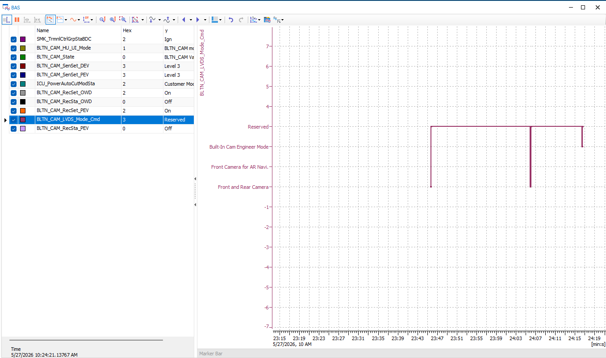 |  |  |  | X
 |  | 2 |  | Verify video output in engineer mode | 12V | IGN | ▪ BLTN_CAM_LVDS_Mode_Cmd = 0x2:Built-In Cam Engineer Mode : Confirm by repeating 10 times (Entry method from head unit: Quickly tap Auto Recording tab 5 times, Manual Recording, Real-time Screen, and Phone Connection tabs 1 time each) | ▪ BLTN_CAM_LVDS_Mode_State = 0x2:Built-In Cam Engineer Mode | #6 | Pass |  |  |  |  | X
 |  | 3 |  | Verify connection after entering the engineer mode password. | 12V | IGN | ▪ Enter password while on the password input screen in Engineer Mode | ▪ BLTN_CAM_LVDS_Mode_State = 0x2:Built-In Cam Engineer Mode ▪ Enter password to complete connection to Engineer Mode | #6 | Pass | 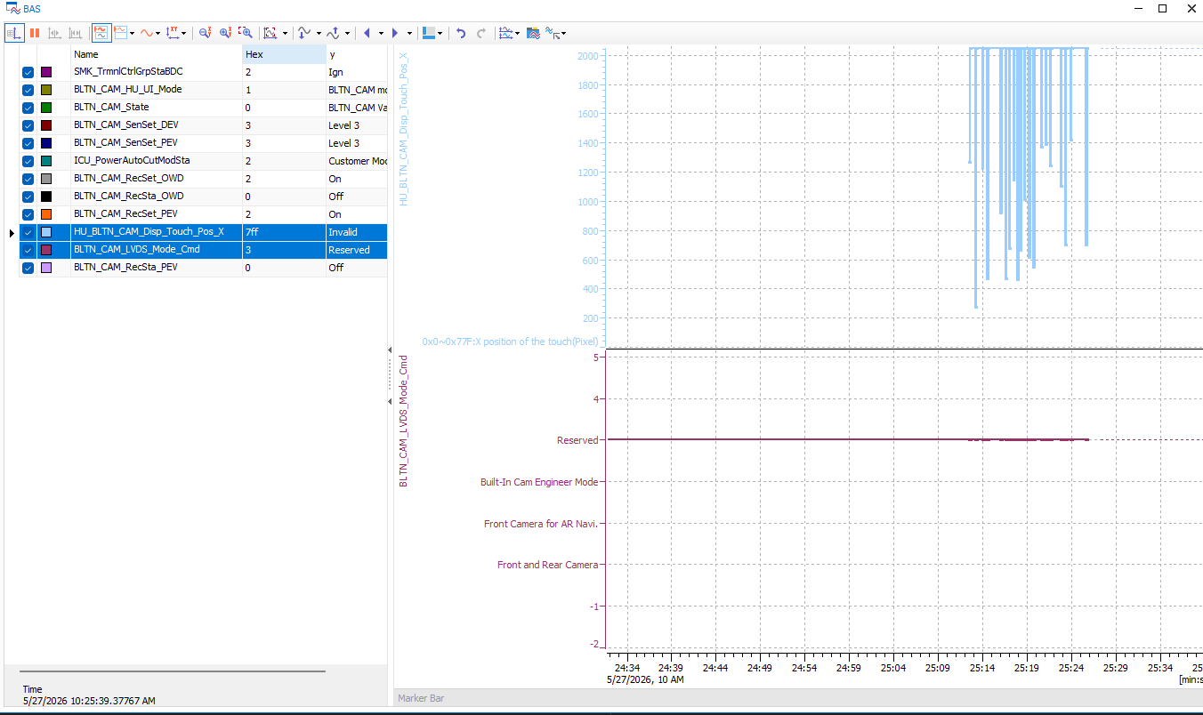 |  | O |  | X
[Engineer Mode Touch CAN Signal] | BAS_002 | 1 | [Engineer Mode Touch CAN Signal] | Verify coordinate value output when touching in Engineer Mode | 12V | IGN | ▪ Enter password after entering Engineer Mode - HU_BLTN_CAM_Disp_Touch_Pos_X, _Y displayed | ▪Keyboard input activated based on X, Y coordinate values ​​received from the head unit, password successfully entered | #6 | Pass |  |  |  |  | X
[Engineer Mode] Built-in Cam Info | BAS_003 | 1 | [Engineer Mode] Built-in Cam Info | Version | 12V | IGN | ▪ Check S/W, F/W, and ISP versions | ▪ The corresponding version outputs correctly | #6 | Pass | 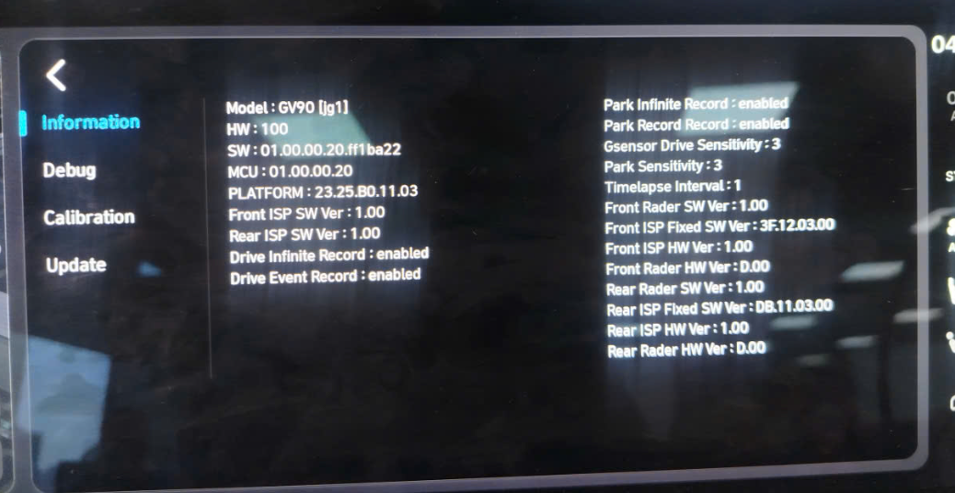 |  | O |  | X
 |  | 2 |  | Impact detection criteria while driving | 12V | IGN | ▪ Check driving impact detection standards (Lv1 ~ Lv5) for the relevant vehicle model | ▪ Matches detection threshold values ​​for the corresponding vehicle model | #6 | Pass | 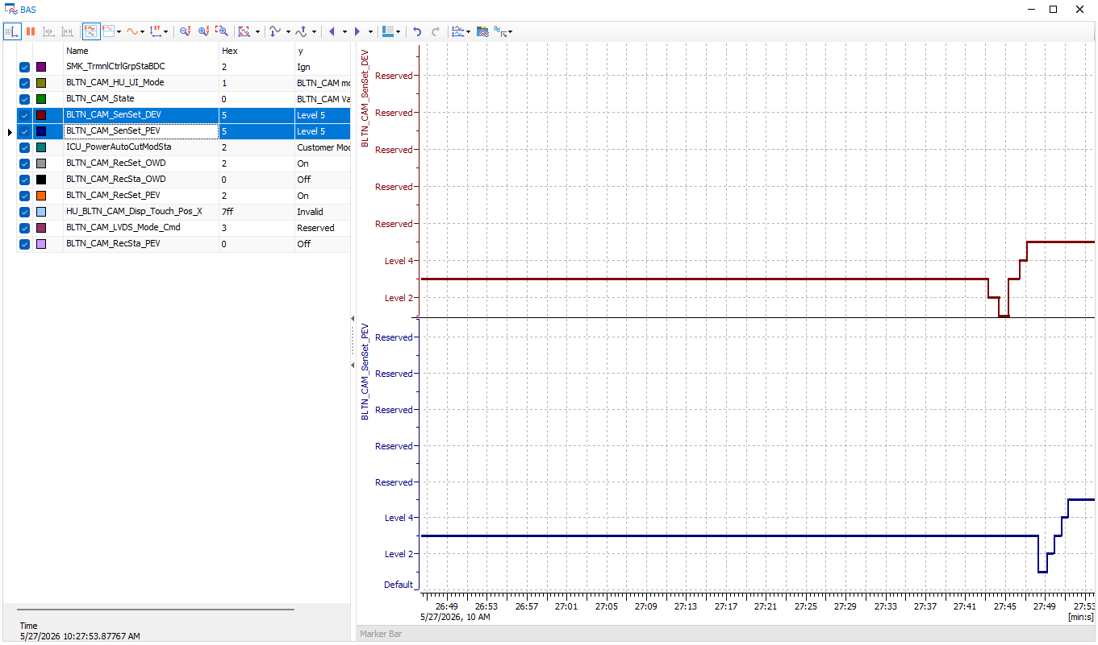 |  |  |  | X
 |  | 3 |  | Impact detection criteria while parked | 12V | IGN | ▪ Check parking impact detection standards (Lv1 ~ Lv5) for the relevant vehicle model | ▪ Matches detection threshold values ​​for the corresponding vehicle model | #6 | Pass |  |  |  |  | X
[BLTN_CAM-Function-032] Update |  |  |  |  |  |  |  |  | #6
[Factory Reset] (2) : Vehicle Mode ※ Factory / Dealer / Customer Mode - GW_HU_PE_09(std type1 DN8~) - ICU_08_200ms(std type2 NX4~) | BAS_016 | 1 | [Reset] : Vehicle Mode | 0x0: Factory Mode - Delete entire video | 12V | IGN | ▪ ICUPowerAutoCutMode = 0x0(Factory mode) ▪ Create recorded video, change recording settings ▪ ACC & IGN OFF → ON ▪ Check whether saved video has been deleted | ▪ All saved videos will be deleted - Factory reset, | #6 | Pass |  |  | O |  | X
 |  | 3 |  |  |  |  |  | ▪ Parking recording is not available in Factory/Transport mode. Message displayed | #6 | Pass |  |  |  |  | X
 |  | 4 |  | 0x1: Dealer Mode - Delete entire video | 12V | IGN | ▪ ICUPowerAutoCutMode = 0x1(Dealer mode) ▪ Create recorded video, change recording settings ▪ ACC & IGN OFF → ON ▪ Check whether saved video has been deleted | ▪ All saved videos will be deleted - Factory reset, | #6 | Pass | 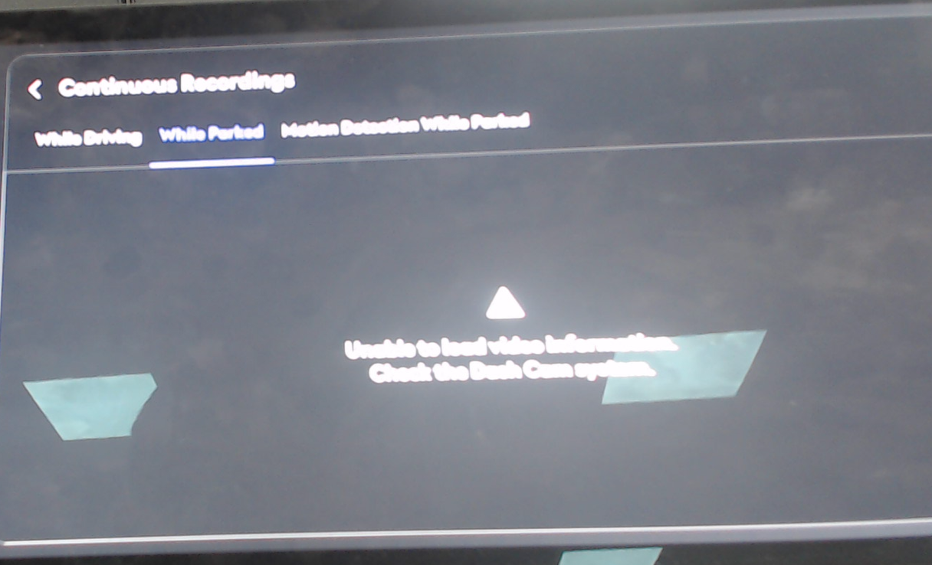 |  | O |  | X
 |  | 6 |  |  |  |  |  | ▪ Parking recording is not available in Factory/Transport mode. Message displayed | #6 | Pass |  |  |  |  | X
 |  | 7 |  | 0x2: Customer Mode - Video not deleted | 12V | IGN | ▪ ICUPowerAutoCutMode = 0x2(Customer mode) ▪ Create recorded video, change recording settings ▪ ACC & IGN OFF → ON ▪ Check whether saved video has been deleted | ▪ Maintain saved video | #6 | Pass | 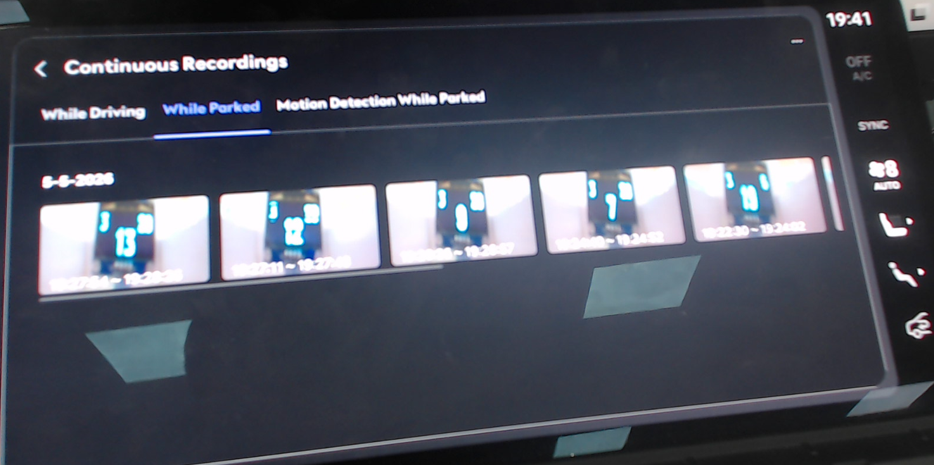 |  | O |  | X
[Factory Reset] (2) : Vehicle Mode ※ Factory / Dealer / Customer Mode - GW_HU_PE_09(std type1 DN8~) - ICU_08_200ms(std type2 NX4~) | BAS_017 | 1 | [Initialization] : Vehicle Mode (time-out, Error) | 0x0: Factory Mode → No signal received (Time Out) | 12V | IGN | ▪ ICUPowerAutoCutMode = 0x0(Factory mode) → Time Out ▪ Create recorded video, change recording settings ▪ ACC & IGN OFF → ON ▪ Check whether saved video has been deleted | ▪ All saved videos will be deleted - Factory reset | #6 | 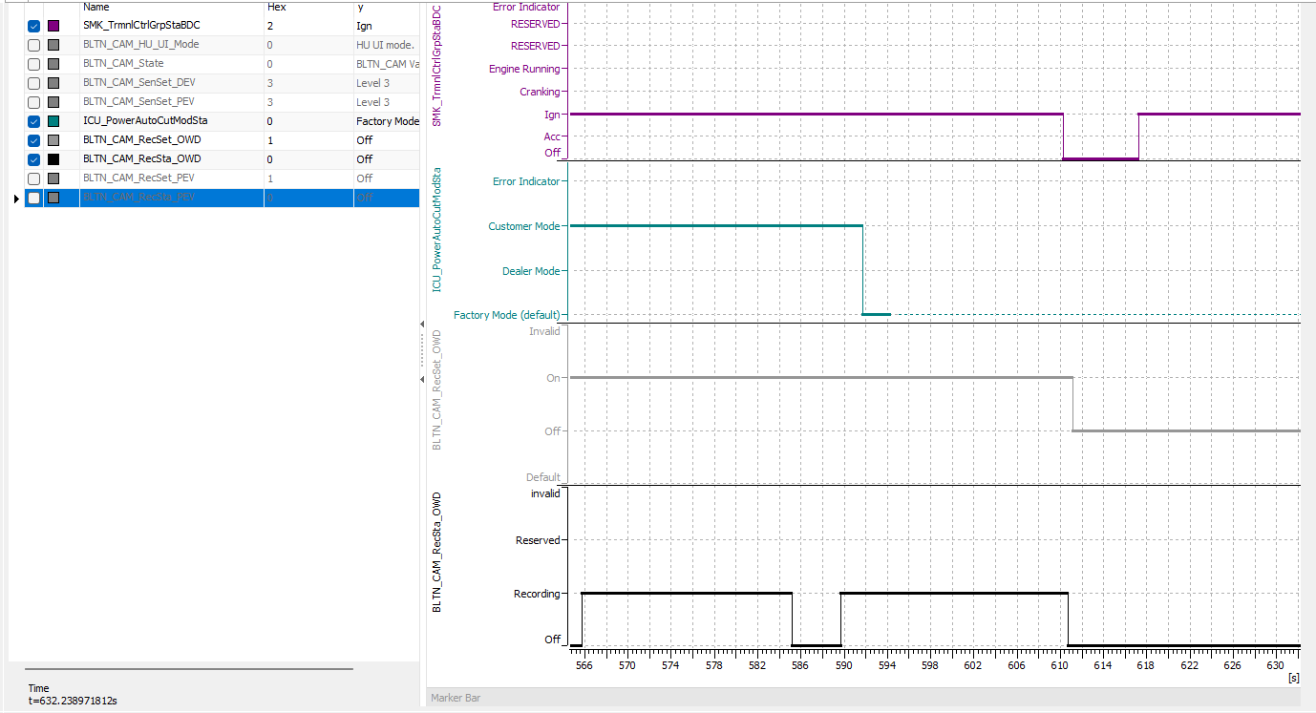 Pass | 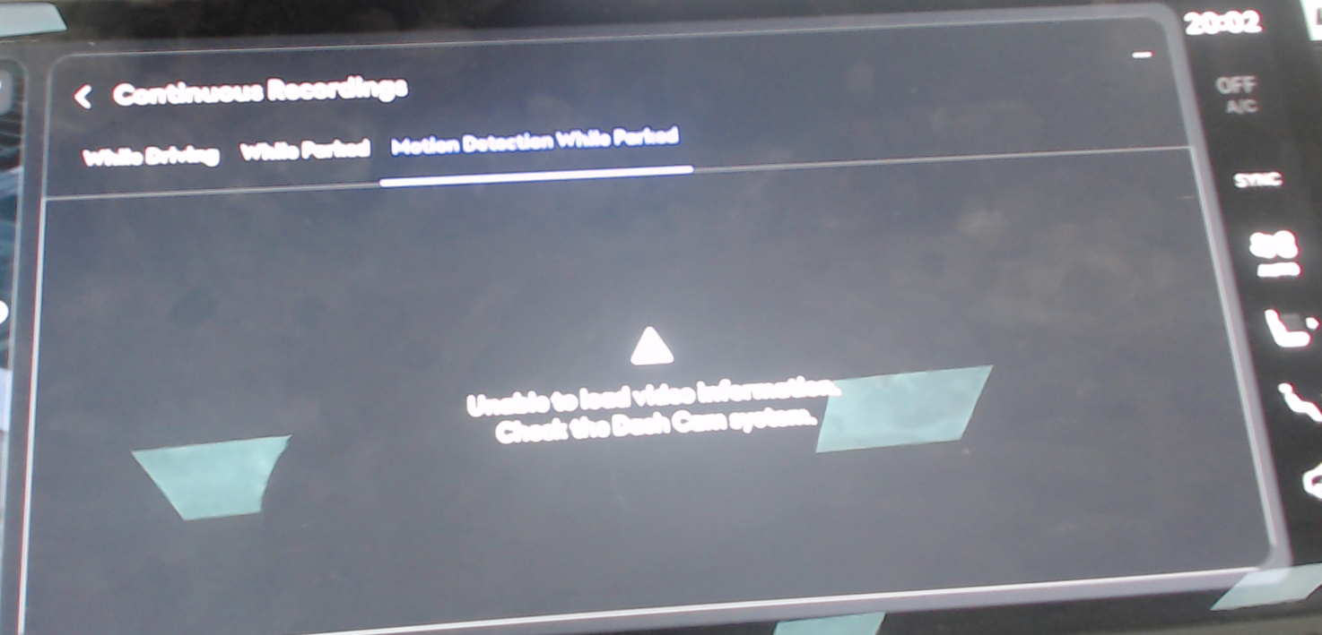 |  |  |  | X
 |  | 3 |  | 0x1: Dealer Mode → No signal received (Time Out) | 12V | IGN | ▪ ICUPowerAutoCutMode = 0x1(Dealer mode) → Time Out ▪ Create recorded video, change recording settings ▪ ACC & IGN OFF → ON ▪ Check whether saved video has been deleted | ▪ All saved videos will be deleted - Factory reset | #6 | 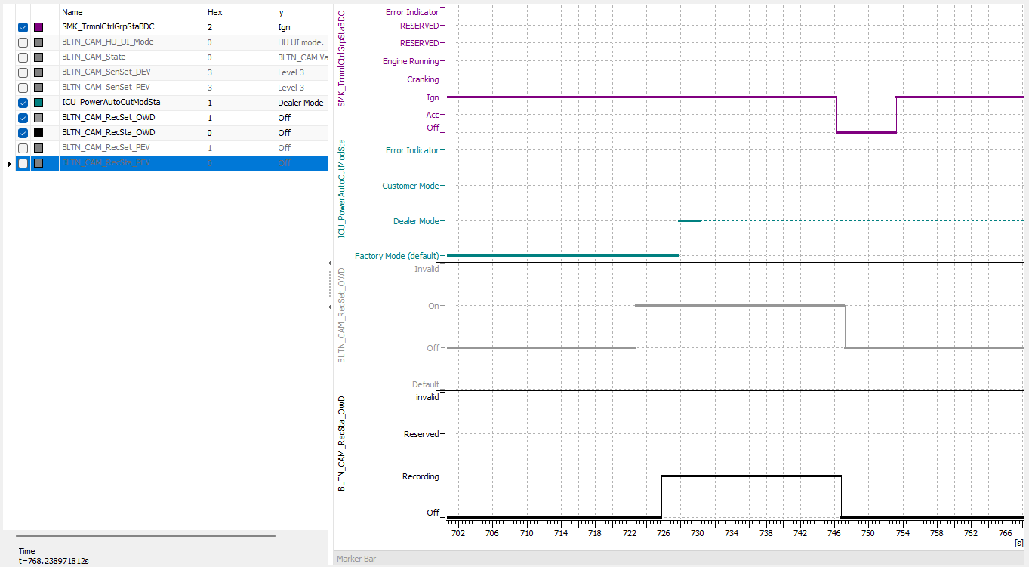 Pass |  |  |  |  | X
 |  | 5 |  | 0x2: Customer Mode → No Signal Received (Time Out) | 12V | IGN | ▪ ICUPowerAutoCutMode = 0x2(Customer mode) → Time Out ▪ Create recorded video, change recording settings ▪ ACC & IGN OFF → ON ▪ Check whether saved video has been deleted | ▪ Maintain saved video | #6 | Pass | 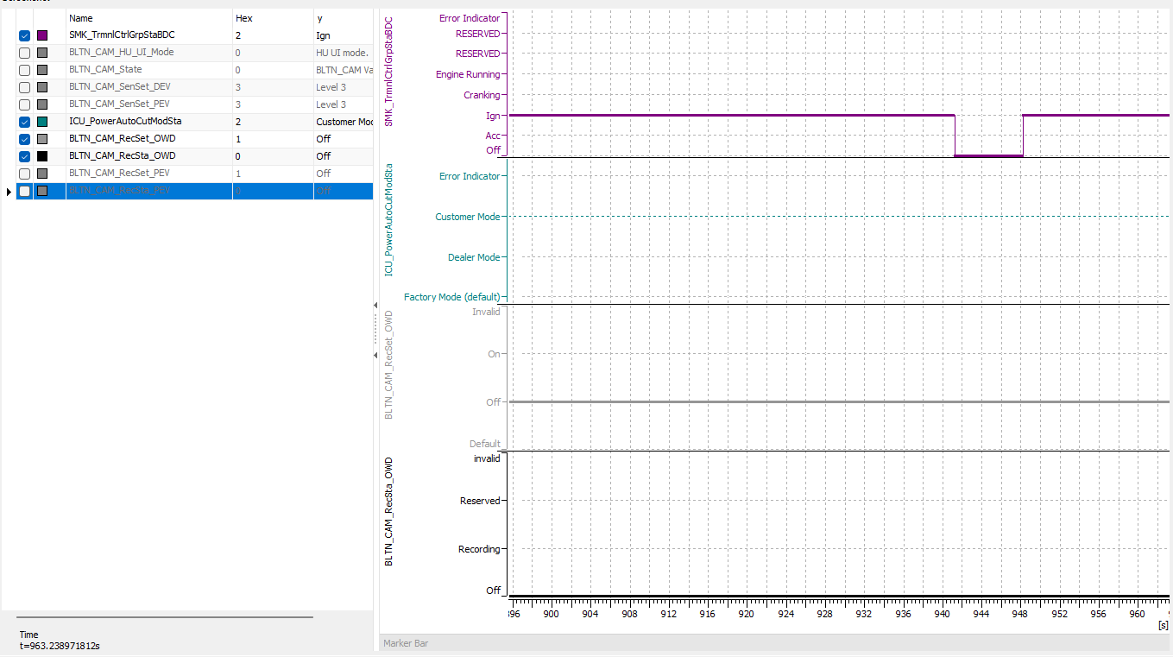 |  |  |  | X
 |  | 6 |  | 0x0: Factory Mode → Receive other values | 12V | IGN | ▪ ICUPowerAutoCutMode = 0x0(Factory mode) → Error Indicator ▪ Create recorded video, change recording settings ▪ ACC & IGN OFF → ON ▪ Check whether saved video has been deleted | ▪ All saved videos will be deleted - Factory reset | #6 | Pass | 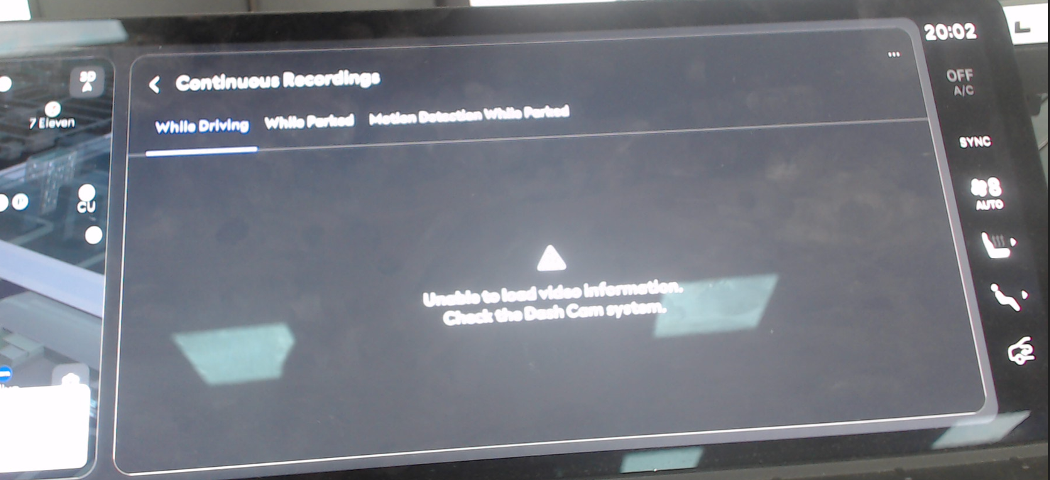 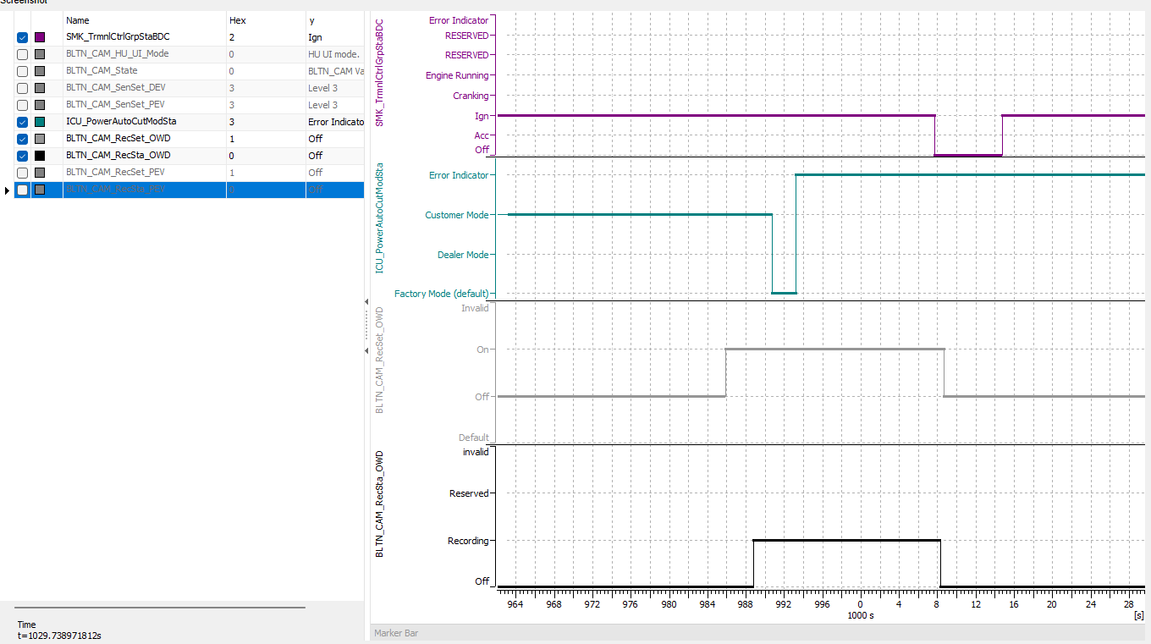 |  |  |  | X
 |  | 8 |  | 0x1: Dealer Mode → Receive other values | 12V | IGN | ▪ ICUPowerAutoCutMode = 0x1(Dealer mode) → Error Indicator ▪ Create recorded video, change recording settings ▪ ACC & IGN OFF → ON ▪ Check whether saved video has been deleted | ▪ All saved videos will be deleted - Factory reset | #6 | 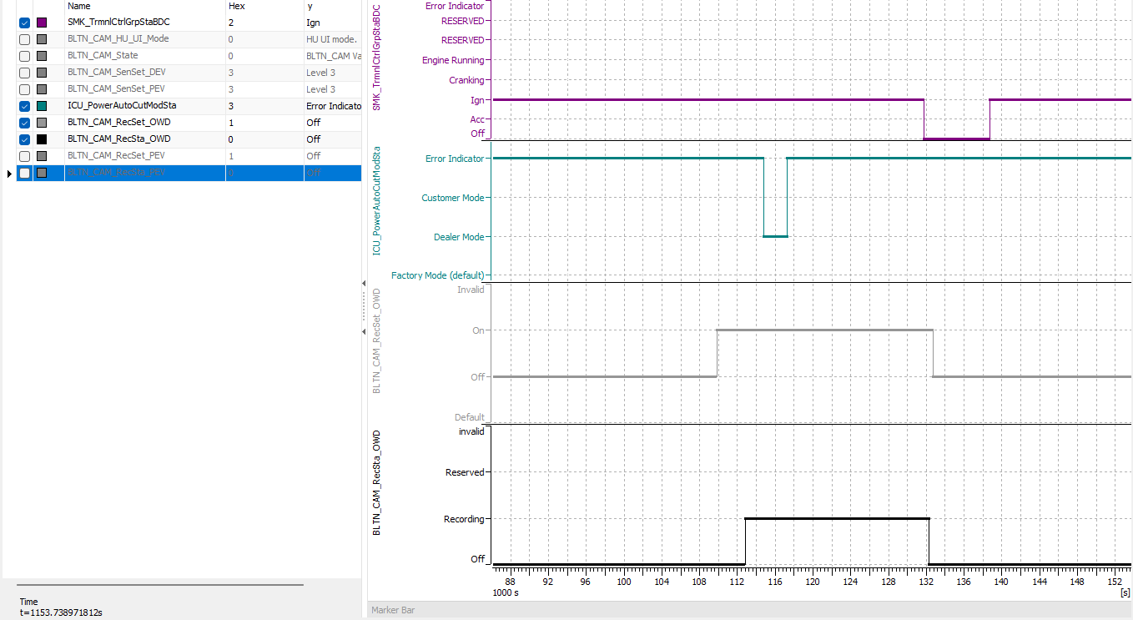 Pass |  |  |  |  | X
 |  | 10 |  | 0x2: Customer Mode → Receive other values | 12V | IGN | ▪ ICUPowerAutoCutMode = 0x2(Customer mode) → Error Indicator ▪ Create recorded video, change recording settings ▪ ACC & IGN OFF → ON ▪ Check whether saved video has been deleted | ▪ Maintain saved video | #6 | 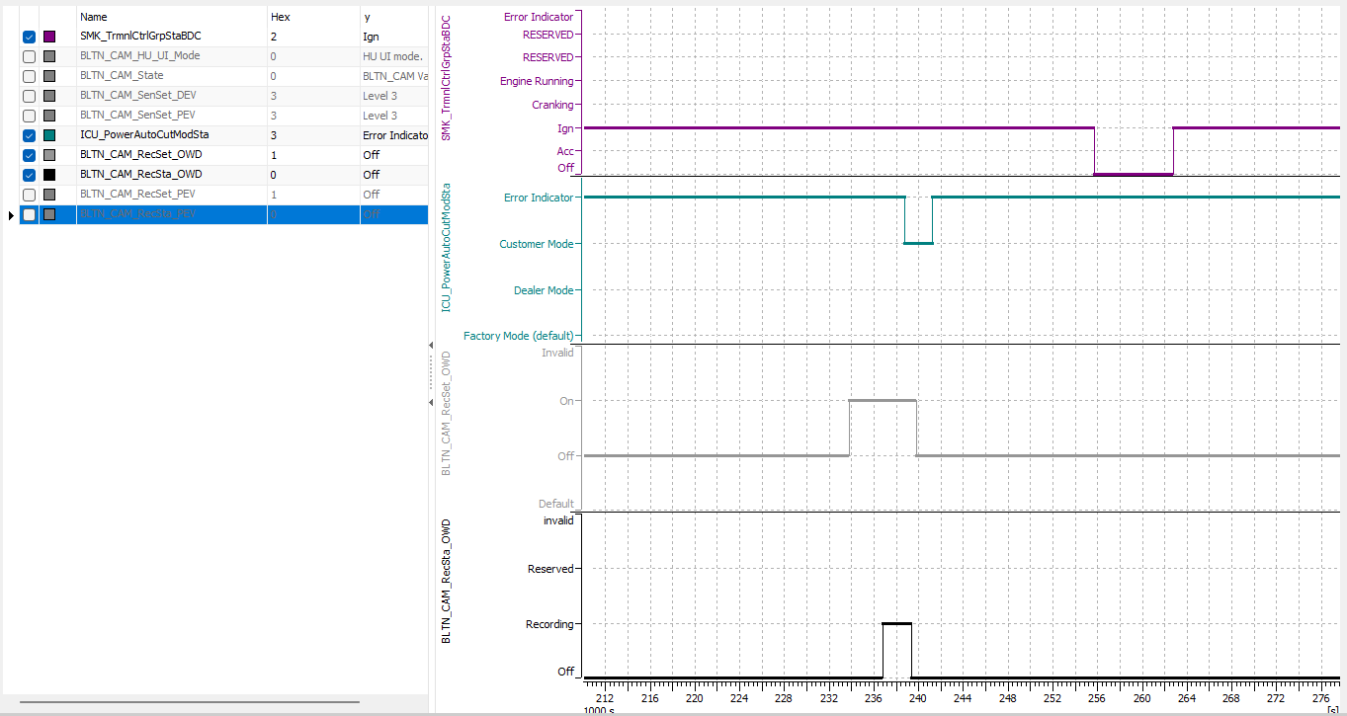 Pass |  |  |  |  | X
[Operational Performance] PER_031 Identical test case | BAS_018 | 1 | [Initialization] : Vehicle Mode Complex Conditions | 0x0: Factory Mode → 0x2: Customer Mode - Delete all videos | 12V | IGN | ▪ ICUPowerAutoCutMode = 0x0: Factory Mode ▪ Create recorded video, change recording settings ▪ ICUPowerAutoCutMode = 0x2: Customer Mode | ▪ Delete all saved videos | #6 | 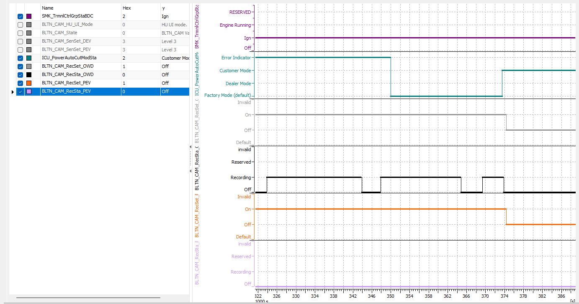 Pass |  |  | O |  | X
 |  | 2 |  | 0x1: Dealer Mode → 0x2: Customer Mode - Delete entire video | 12V | IGN | ▪ ICUPowerAutoCutMode = 0x1: Dealer Mode ▪ Create recorded video, change recording settings ▪ ICUPowerAutoCutMode = 0x2: Customer Mode | ▪ Delete all saved videos | #6 | Pass | 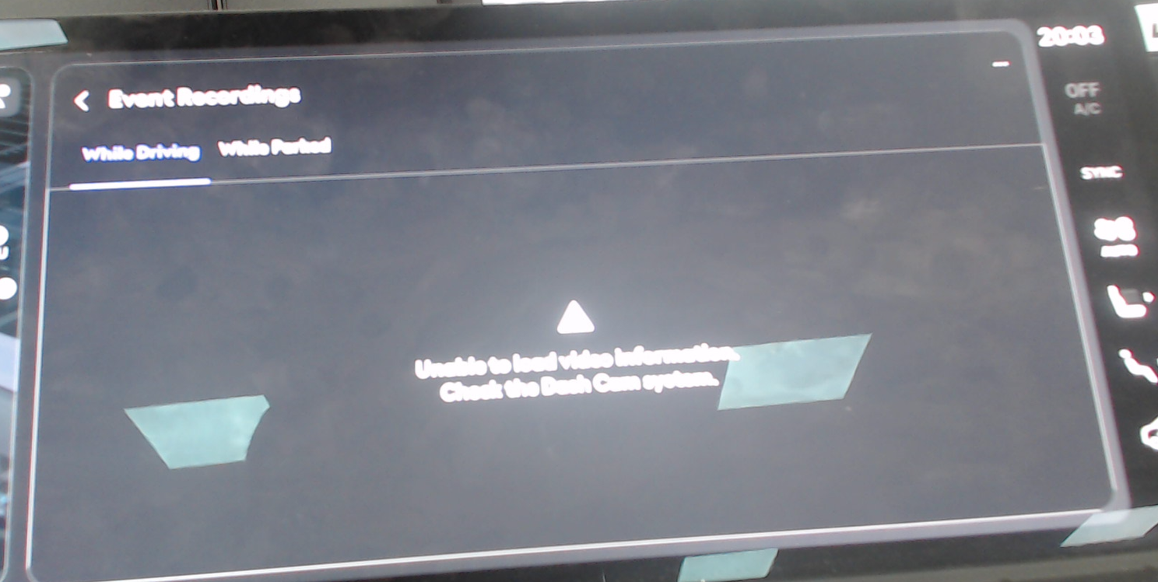 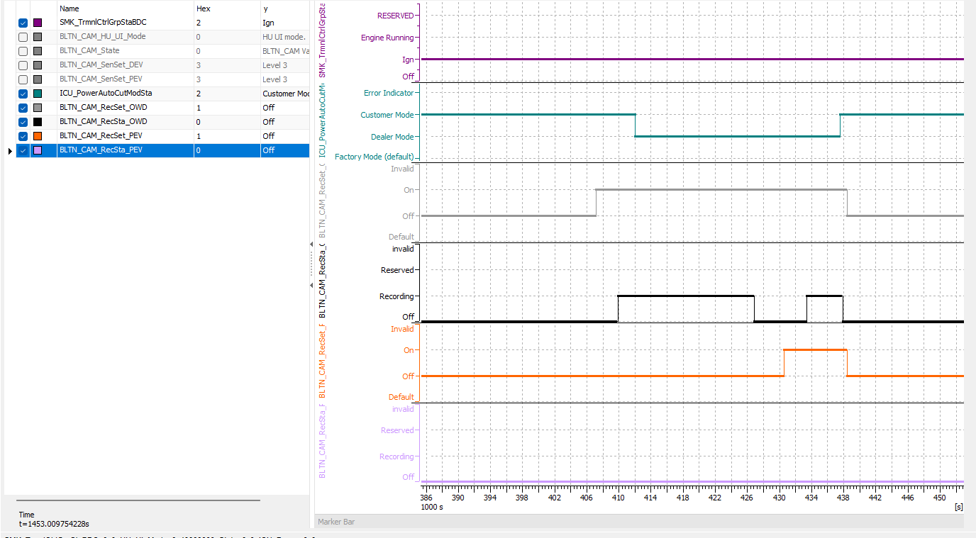 |  | O |  | X
 |  | 3 |  | With power condition B+, 0x0: Factory Mode → 0x2: Customer Mode - Delete entire video | 12V | IGN | ▪ ICUPowerAutoCutMode = 0x2(Customer mode) ▪ ACC & IGN OFF ▪ ICUPowerAutoCutMode = 0x0: Factory Mode ▪ Wait for 3 seconds or more after turning ACC & IGN ON ▪ 0x0: Factory Mode → 0x2: Customer Mode ▪ Check whether saved footage has been deleted | ▪ Delete all saved videos | #6 | Pass | 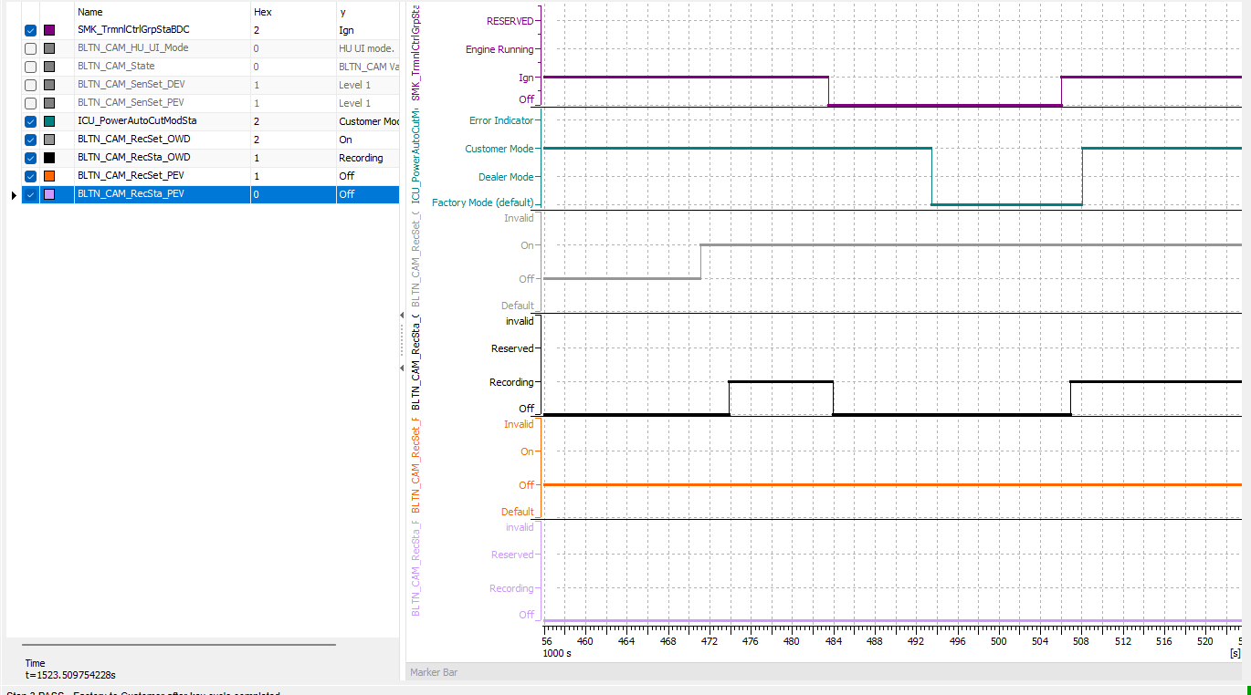 |  |  |  | X
 |  | 4 |  | With power condition B+ 0x1: Dealer Mode → 0x2: Customer Mode - Delete entire video | 12V | IGN | ▪ ICUPowerAutoCutMode = 0x2(Customer mode) ▪ ACC & IGN OFF ▪ ICUPowerAutoCutMode = 0x1: Dealer Mode ▪ Wait for at least 3 seconds after turning ACC & IGN ON ▪ 0x1: Dealer Mode → 0x2: Customer Mode ▪ Check whether saved video has been deleted | ▪ Delete all saved videos | #6 | 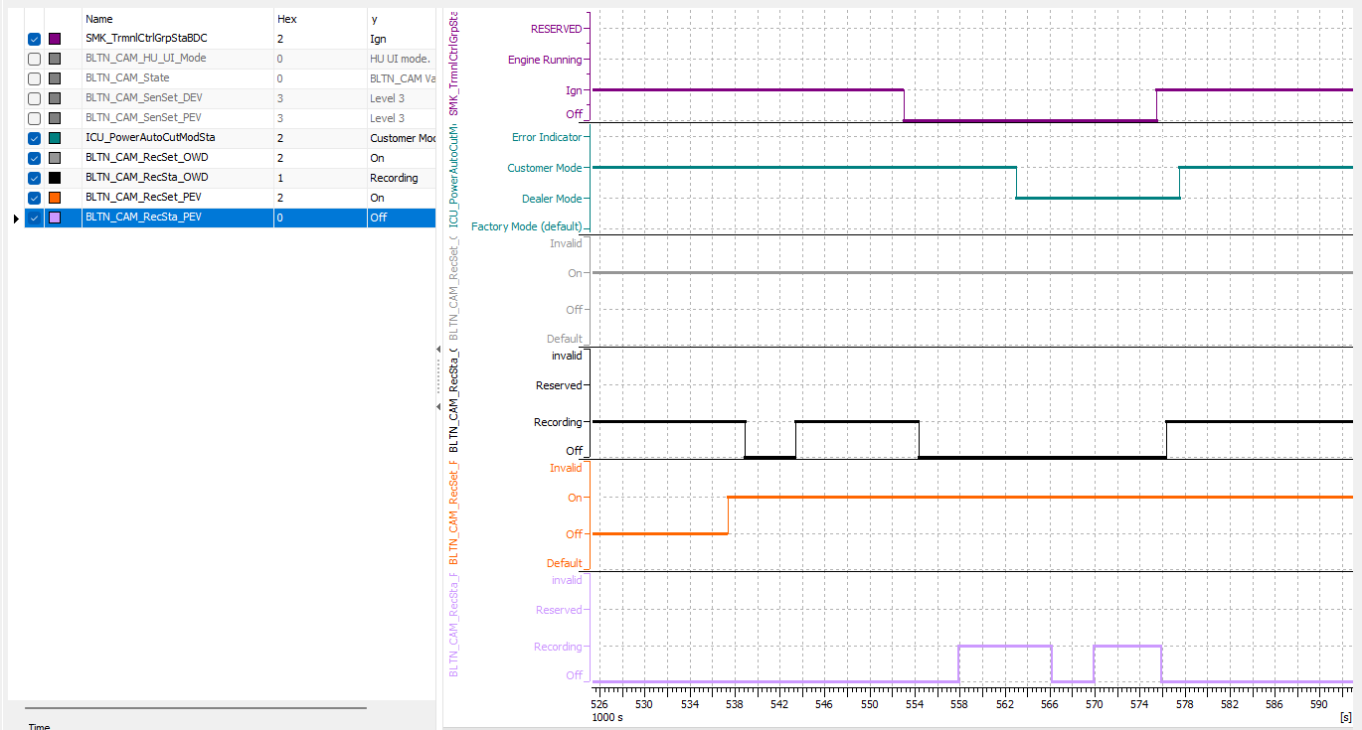 Pass |  |  |  |  | X
 |  | 5 |  | Filtering 3 seconds after IGN ON - 0x0: Factory Mode → 0x2: Customer Mode - 0x1: Dealer Mode → 0x2: Customer Mode | 12V | IGN | ▪ ICUPowerAutoCutMode = 0x2: Customer Mode ▪ ACC & IGN OFF ▪ ICUPowerAutoCutMode = 0x0: Factory Mode ▪ Before 3 seconds after ACC & IGN ON ▪ 0x0: Factory Mode → 0x2: Customer Mode ▪ Check whether saved footage has been deleted | ▪ Maintain saved video | #6 | Pass | 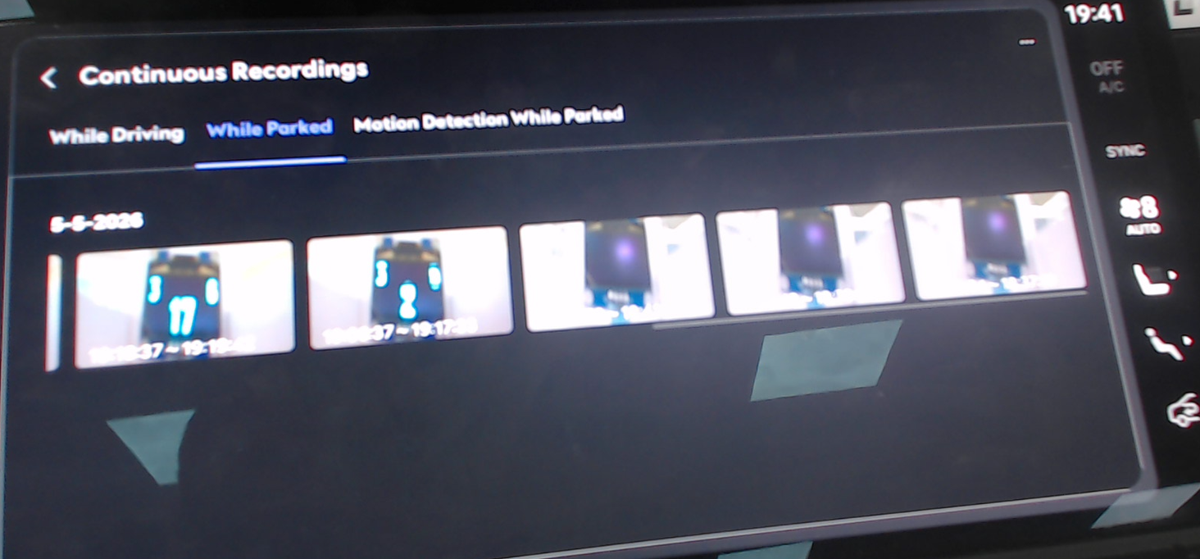 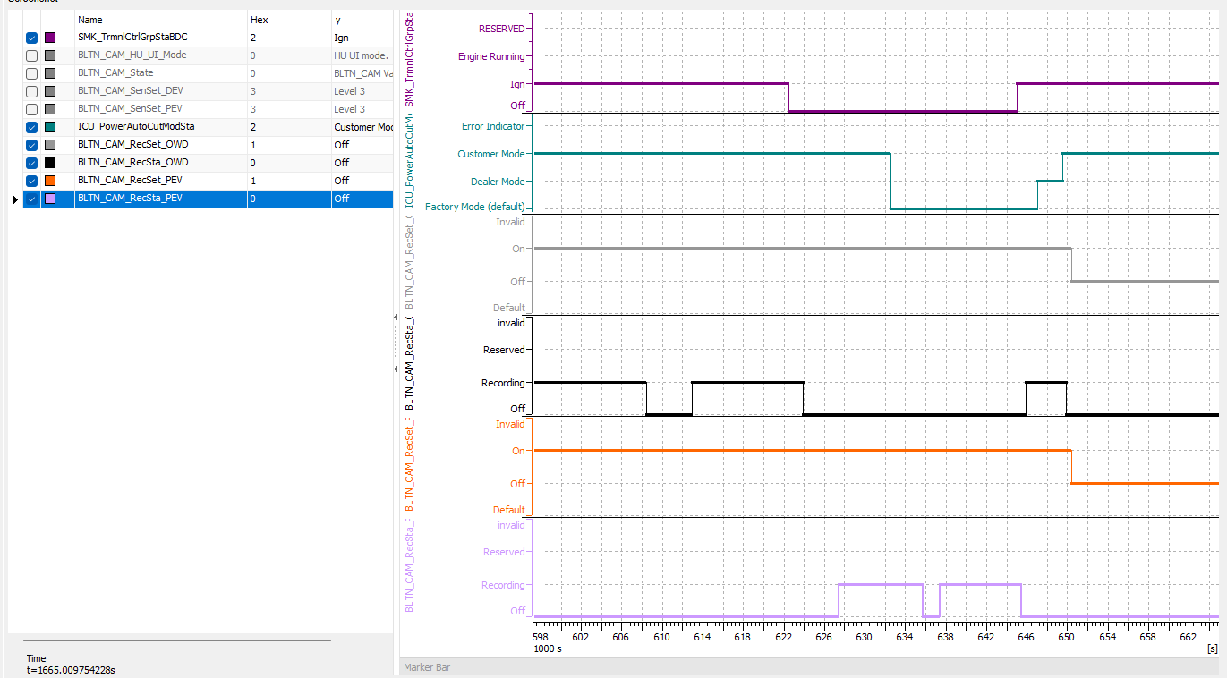 |  |  |  | X
 |  | 6 |  |  | 12V | IGN | ▪ ICUPowerAutoCutMode = 0x2: Customer Mode ▪ ACC & IGN OFF ▪ ICUPowerAutoCutMode = 0x1: Dealer Mode ▪ Before 3 seconds after ACC & IGN ON ▪ 0x1: Dealer Mode → 0x2: Customer Mode ▪ Check whether saved video has been deleted | ▪ Maintain saved video | #6 | Pass | 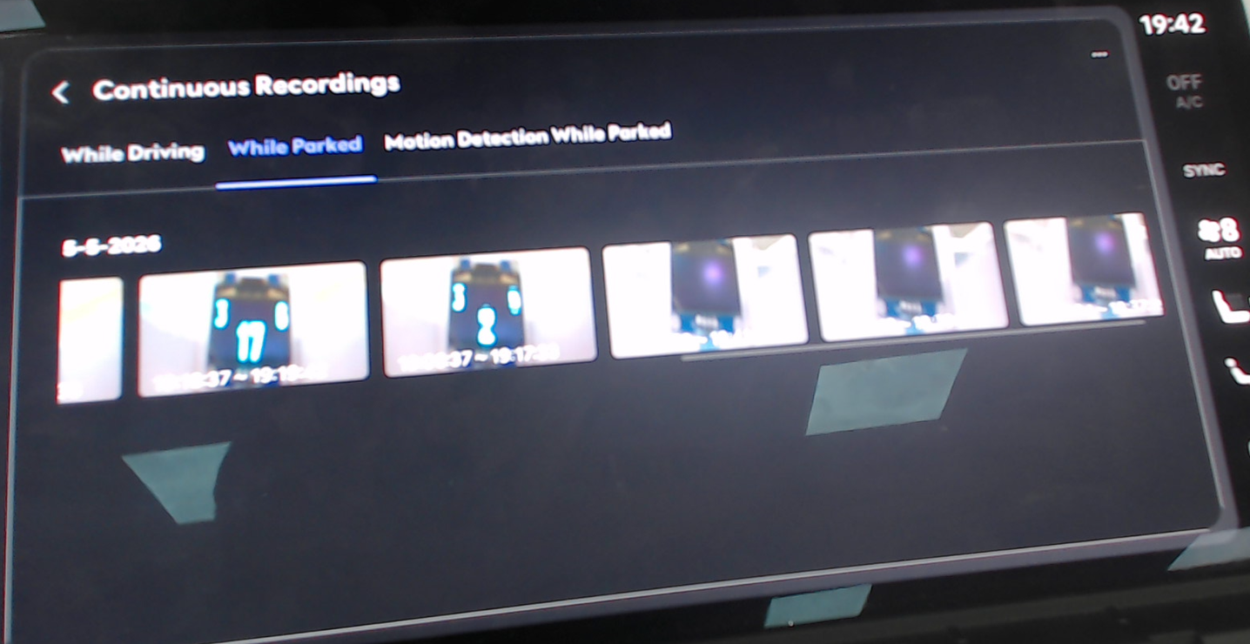 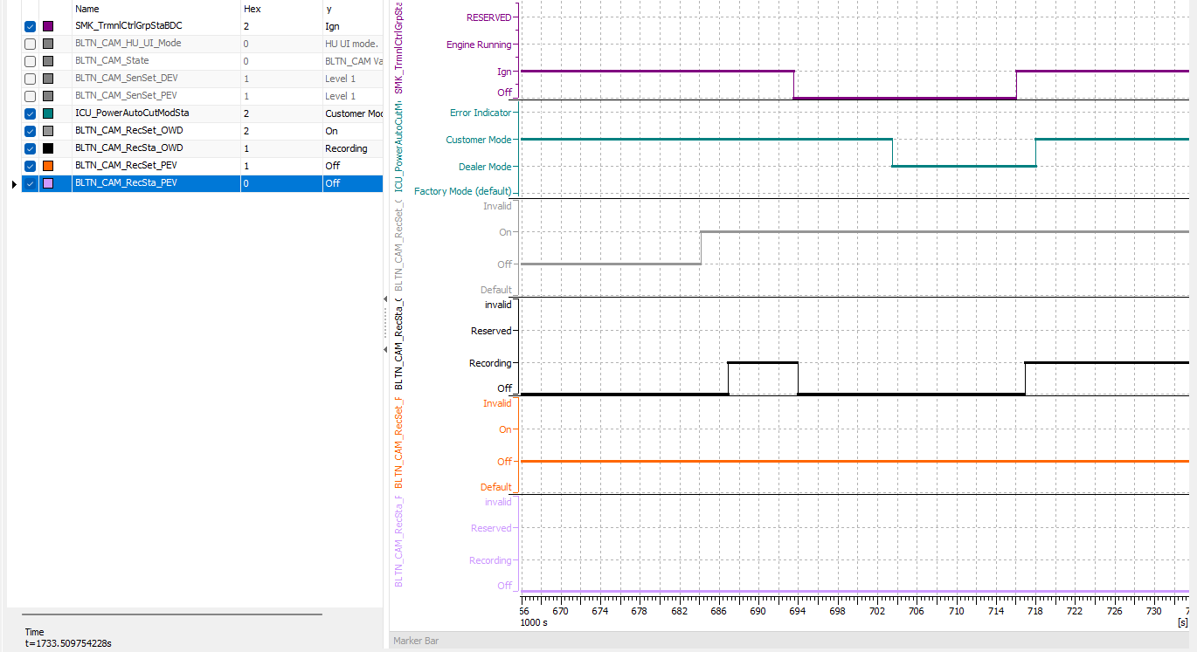 |  |  |  | X
 |  | 7 |  | Filtering 3 seconds after ACC ON - 0x0: Factory Mode → 0x2: Customer Mode - 0x1: Dealer Mode → 0x2: Customer Mode | 12V | IGN | ▪ ICUPowerAutoCutMode = 0x2: Customer Mode ▪ ACC & IGN OFF ▪ ICUPowerAutoCutMode = 0x0: Factory Mode ▪ Before 3 seconds after ACC is turned on ▪ 0x0: Factory Mode → 0x2: Customer Mode ▪ Check whether saved footage has been deleted | ▪ Maintain saved video | #6 | 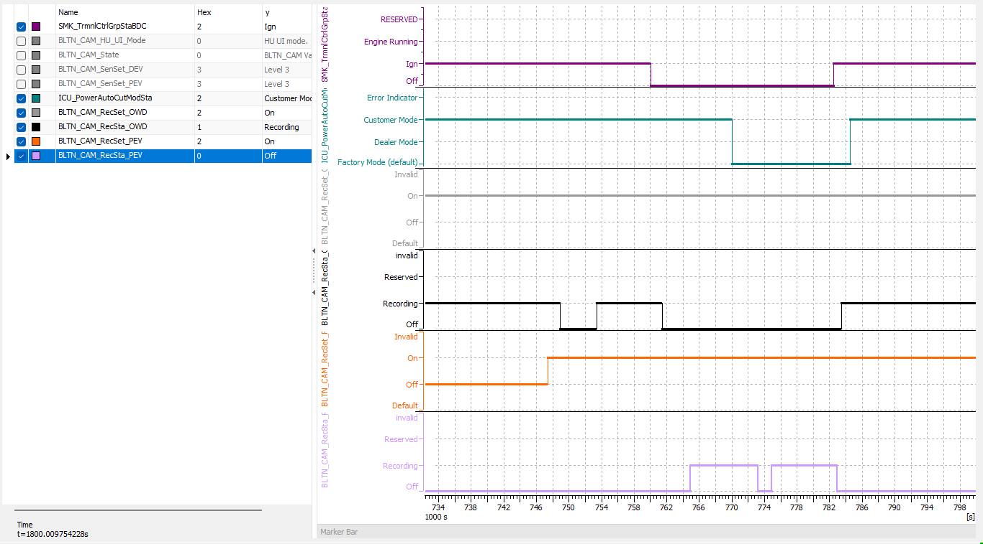 Pass | 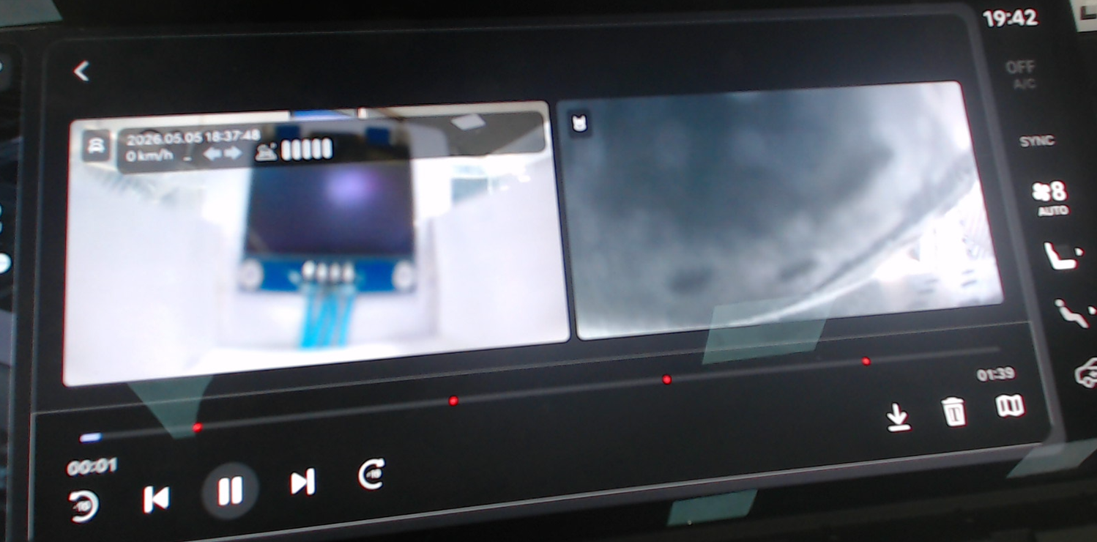 |  |  |  | X
 |  | 8 |  |  | 12V | IGN | ▪ ICUPowerAutoCutMode = 0x2: Customer Mode ▪ ACC & IGN OFF ▪ ICUPowerAutoCutMode = 0x1: Dealer Mode ▪ Before 3 seconds after ACC is turned on ▪ 0x1: Dealer Mode → 0x2: Customer Mode ▪ Check whether saved footage has been deleted | ▪ Maintain saved video | #6 | 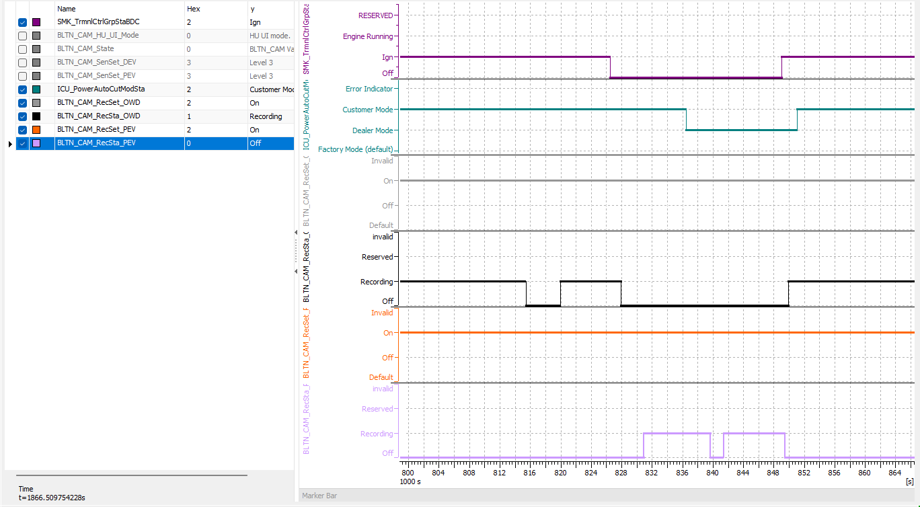 Pass | 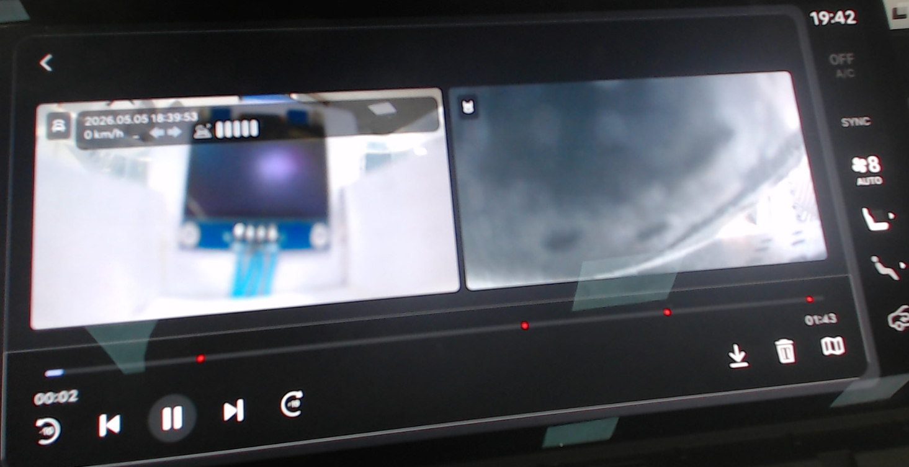 |  |  |  | X

